20201031-2
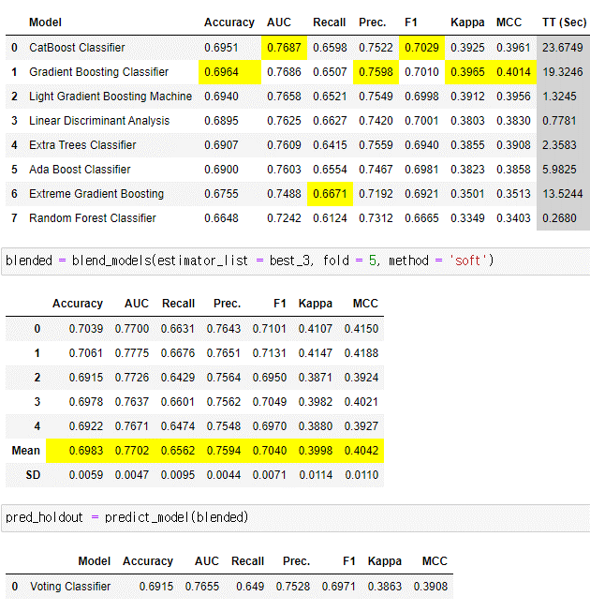
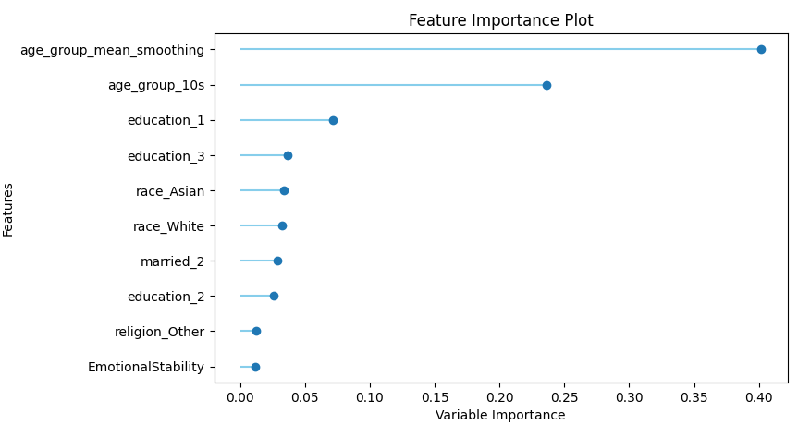

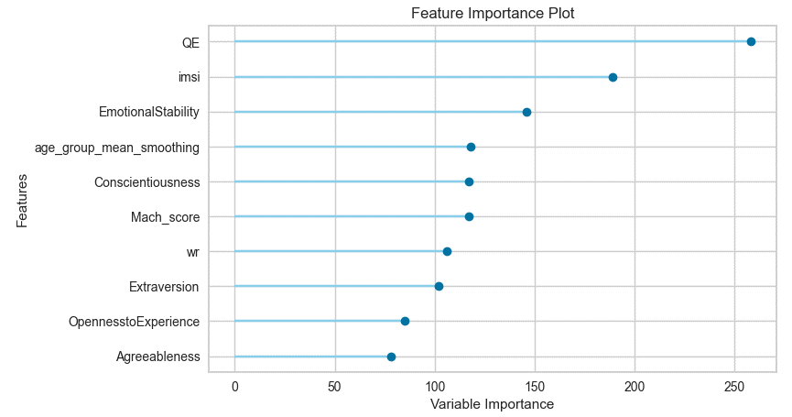

screenshot
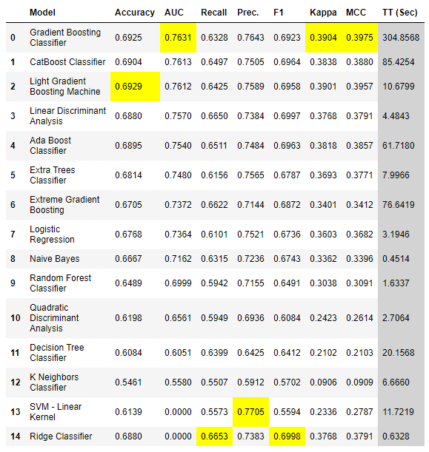
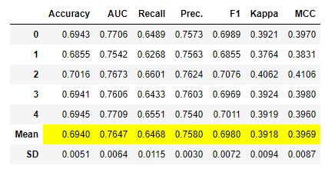
30

ratio.cat
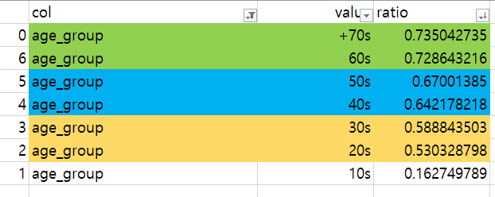
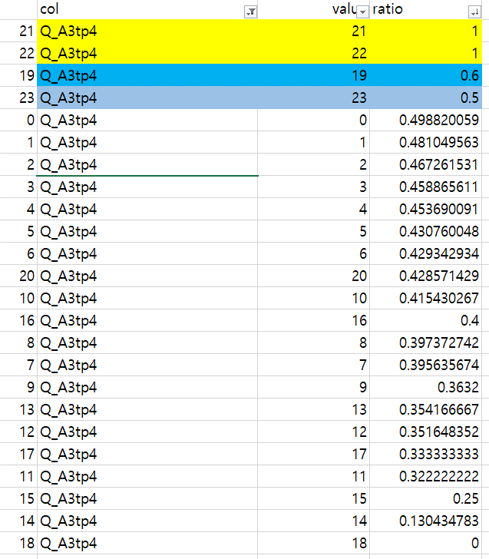
 | col | value | ratio
17 | familysize | 17 | 1
21 | Q_A3tp4 | 21 | 1
22 | Q_A3tp4 | 22 | 1
18 | Q_A5 | 18 | 0.75
5 | tp17 | 5 | 0.75
0 | age_group | +70s | 0.73504273504
0 | age_group_mean_smoothing | 1.264789904 | 0.73504273504
6 | age_group | 60s | 0.72864321608
1 | age_group_mean_smoothing | 1.2715412281 | 0.72864321608
7 | tp17 | 7 | 0.72727272727
19 | Q_A5 | 19 | 0.71428571429
5 | age_group | 50s | 0.67001385042
2 | age_group_mean_smoothing | 1.3299319882 | 0.67001385042
2 | married | 2 | 0.66660037785
23 | Q_A15tp17 | 23 | 0.64516129032
3 | age_group_mean_smoothing | 1.3579788312 | 0.64217821782
4 | age_group | 40s | 0.64217821782
13 | familysize | 13 | 0.63636363636
15 | familysize | 15 | 0.625
4 | education | 4 | 0.61968423733
19 | Q_A3tp4 | 19 | 0.6
30 | Q_A15tp17 | 30 | 0.6
3 | education | 3 | 0.59647970577
3 | age_group | 30s | 0.58884350268
4 | age_group_mean_smoothing | 1.41119302 | 0.58884350268
28 | Q_A15tp17 | 28 | 0.58333333333
3 | married | 3 | 0.57732497388
15 | Q_A1 | 15 | 0.57692307692
18 | Q_A3 | 19 | 0.57142857143
6 | religion | Christian_Protestant | 0.56524415265
11 | familysize | 11 | 0.5641025641
14 | familysize | 14 | 0.55555555556
8 | religion | Jewish | 0.55030800821
1 | wr_03 | 1 | 0.5478818459
4 | QqA | 5 | 0.54556160754
1 | wr_09 | 1 | 0.54023610961
0 | QjA | 1 | 0.53880655226
13 | Q_A1 | 13 | 0.53389830508
0 | QmA | 1 | 0.53225534782
0 | QtA | 1 | 0.53086685309
5 | age_group_mean_smoothing | 1.4696755753 | 0.53032879819
2 | age_group | 20s | 0.53032879819
6 | tp08 | 6 | 0.5267357513
1 | wr_06 | 1 | 0.52613985827
1 | wr_11 | 1 | 0.52504029793
6 | tp02 | 6 | 0.52460437893
12 | familysize | 12 | 0.52380952381
12 | Q_A1 | 12 | 0.52145214521
7 | familysize | 7 | 0.51937984496
6 | tp06 | 6 | 0.51932418163
0 | QpA | 1 | 0.51658189217
3 | QqA | 4 | 0.51581975072
0 | QbA | 1 | 0.51206793802
0 | urban | 0 | 0.50931677019
0 | QsA | 1 | 0.50863233749
0 | tp07 | 0 | 0.50785073409
1 | urban | 1 | 0.50724312184
0 | tp03 | 0 | 0.50683036486
3 | QaA | 4 | 0.50517515924
1 | wf_03 | 1 | 0.50464166357
6 | race | White | 0.50424094997
1 | QjA | 2 | 0.50410754294
1 | QmA | 2 | 0.50140668959
0 | QoA | 1 | 0.50113019892
0 | QcA | 1 | 0.50008610298
14 | Q_A1 | 14 | 0.5
17 | Q_A5 | 17 | 0.5
27 | Q_A15tp17 | 27 | 0.5
17 | Q_A3 | 18 | 0.5
20 | familysize | 21 | 0.5
23 | Q_A3tp4 | 23 | 0.5
4 | QaA | 5 | 0.49956293706
0 | Q_A3tp4 | 0 | 0.498820059
5 | tp02 | 5 | 0.49812663919
6 | tp04 | 6 | 0.49738589798
4 | QiA | 5 | 0.4973519107
3 | QnA | 4 | 0.49618658119
1 | tp09 | 1 | 0.49353909082
4 | QkA | 5 | 0.49350772439
1 | Q_A5 | 1 | 0.49122807018
5 | tp08 | 5 | 0.49118165785
0 | Q_A3 | 0 | 0.49041889483
9 | tp17 | 9 | 0.48818897638
1 | QlA | 2 | 0.48817891374
0 | QlA | 1 | 0.48779612347
1 | wr_01 | 1 | 0.48752785343
1 | QoA | 2 | 0.48679487179
0 | tp01 | 0 | 0.4863056659
0 | tp09 | 0 | 0.4859058877
1 | QpA | 2 | 0.48556712094
5 | tp06 | 5 | 0.48552434055
0 | QhA | 1 | 0.48532621877
3 | QfA | 4 | 0.48455912231
4 | familysize | 4 | 0.48339107398
5 | tp04 | 5 | 0.48323254535
2 | Q_A5 | 2 | 0.48228450555
4 | QnA | 5 | 0.48225196392
5 | familysize | 5 | 0.48165137615
1 | Q_A3tp4 | 1 | 0.48104956268
1 | QtA | 2 | 0.48056537102
1 | QsA | 2 | 0.47961494904
3 | QrA | 4 | 0.47943262411
1 | QbA | 2 | 0.4779054917
4 | QfA | 5 | 0.47769028871
1 | tp07 | 1 | 0.47753914606
3 | QgA | 4 | 0.47728150341
0 | education | 0 | 0.47727272727
1 | QfA | 2 | 0.47643242398
9 | familysize | 9 | 0.47619047619
2 | Q_A15tp17 | 2 | 0.47613882863
4 | tp06 | 4 | 0.4756045821
3 | Q_A5 | 3 | 0.4751720012
1 | tp03 | 1 | 0.47496847883
10 | familysize | 10 | 0.47457627119
13 | Q_A5 | 13 | 0.47457627119
1 | wf_02 | 1 | 0.47436241611
4 | tp04 | 4 | 0.47401641069
3 | religion | Christian_Catholic | 0.47347954581
1 | tp01 | 1 | 0.47253966493
4 | QrA | 5 | 0.47211311862
1 | QcA | 2 | 0.47174407275
3 | QlA | 4 | 0.47055049403
3 | QcA | 4 | 0.46986244268
1 | QgA | 2 | 0.46983712045
1 | tp05 | 1 | 0.46940565831
7 | Q_A1 | 7 | 0.46924540266
1 | wr_05 | 1 | 0.46912550885
3 | QiA | 4 | 0.46903922433
4 | tp02 | 4 | 0.46890636169
0 | tp05 | 0 | 0.46851417338
5 | Q_A1 | 5 | 0.46801687764
2 | Q_A3tp4 | 2 | 0.46726153073
1 | wr_04 | 1 | 0.46675094817
19 | Q_A3 | 20 | 0.46666666667
4 | QgA | 5 | 0.46627091203
1 | Q_A3 | 1 | 0.46585516815
3 | QeA | 4 | 0.46552763819
10 | Q_A15tp17 | 10 | 0.46524342619
11 | Q_A1 | 11 | 0.46473551637
6 | tp10 | 6 | 0.46440561836
9 | Q_A1 | 9 | 0.46426068676
6 | familysize | 6 | 0.46420047733
0 | Q_A5 | 0 | 0.46404109589
7 | Q_A15tp17 | 7 | 0.46397616468
6 | Q_A15tp17 | 6 | 0.46390168971
0 | QeA | 1 | 0.46276296546
1 | engnat | 1 | 0.46259389387
1 | QdA | 2 | 0.46250953148
1 | QeA | 2 | 0.46170029645
5 | tp4 | 5 | 0.46153846154
1 | wr_13 | 1 | 0.46131974884
4 | QeA | 5 | 0.46124574404
5 | tp10 | 5 | 0.46122220146
0 | tp4 | 0 | 0.4612149835
3 | QsA | 4 | 0.46115985448
3 | QjA | 4 | 0.46079057554
4 | Q_A15tp17 | 4 | 0.46068548387
0 | gender | Female | 0.4603978979
5 | religion | Christian_Other | 0.46037000974
8 | Q_A1 | 8 | 0.46036085293
3 | QoA | 4 | 0.4597299444
2 | hand | 2 | 0.45960349606
5 | Q_A15tp17 | 5 | 0.45937850992
5 | Q_A5 | 5 | 0.45928338762
1 | QaA | 2 | 0.45917893106
2 | tp09 | 2 | 0.45886840432
3 | Q_A3tp4 | 3 | 0.45886561063
3 | QkA | 4 | 0.45873124147
1 | QrA | 2 | 0.45863144377
1 | wr_12 | 1 | 0.45861629389
2 | urban | 2 | 0.4583962875
1 | wr_10 | 1 | 0.45789705848
2 | Q_A3 | 2 | 0.4578898658
1 | wr_02 | 1 | 0.45783302394
2 | tp10 | 2 | 0.45767955801
2 | tp04 | 2 | 0.45764209286
1 | wr_07 | 1 | 0.45749110986
0 | religion | Agnostic | 0.457445703
3 | familysize | 3 | 0.45691186923
4 | Q_A5 | 4 | 0.45659748523
2 | QsA | 3 | 0.45647759578
3 | Q_A3 | 3 | 0.4563620335
16 | Q_A15tp17 | 16 | 0.45617402431
6 | Q_A1 | 6 | 0.45581995942
5 | tp01 | 5 | 0.45573605339
4 | QdA | 5 | 0.45500725689
1 | wr_08 | 1 | 0.45498090784
12 | Q_A15tp17 | 12 | 0.45477386935
1 | hand | 1 | 0.45467581686
4 | Q_A1 | 4 | 0.45452991453
0 | tp17 | 0 | 0.45444563951
4 | tp4 | 4 | 0.45380116959
1 | QnA | 2 | 0.45375234522
4 | Q_A3tp4 | 4 | 0.45369009115
8 | Q_A15tp17 | 8 | 0.45365205843
9 | Q_A15tp17 | 9 | 0.45355756792
4 | tp01 | 4 | 0.45328132949
0 | wf_01 | 0 | 0.45323500632
2 | tp06 | 2 | 0.45297606439
11 | Q_A15tp17 | 11 | 0.45294610444
3 | race | Indigenous Australian | 0.45283018868
1 | wf_01 | 1 | 0.45238752415
7 | tp01 | 7 | 0.45229681979
1 | tp4 | 1 | 0.45225763208
2 | QdA | 3 | 0.45110132159
4 | tp10 | 4 | 0.45098318609
3 | Q_A15tp17 | 3 | 0.45091164095
0 | QdA | 1 | 0.4505646919
2 | familysize | 2 | 0.45010603862
14 | Q_A15tp17 | 14 | 0.45008605852
3 | Q_A1 | 3 | 0.44990512334
4 | tp08 | 4 | 0.44921465969
0 | wf_02 | 0 | 0.44902032883
2 | tp07 | 2 | 0.44814366425
3 | tp06 | 3 | 0.44762366634
1 | gender | Male | 0.44680323806
3 | QmA | 4 | 0.44678470348
0 | wf_03 | 0 | 0.44626040161
2 | tp02 | 2 | 0.44567130741
3 | tp04 | 3 | 0.44525350593
4 | QlA | 5 | 0.44504371713
2 | tp4 | 2 | 0.4449044586
10 | Q_A1 | 10 | 0.44468784228
1 | QiA | 2 | 0.44445557448
1 | tp10 | 1 | 0.44342762063
2 | tp01 | 2 | 0.44324530218
3 | tp4 | 3 | 0.44309701493
3 | QbA | 4 | 0.44263105836
1 | QhA | 2 | 0.44168526786
15 | Q_A15tp17 | 15 | 0.44111570248
13 | Q_A15tp17 | 13 | 0.4410496046
2 | QlA | 3 | 0.44063474072
7 | tp09 | 7 | 0.44055944056
2 | QtA | 3 | 0.44029708627
2 | QoA | 3 | 0.43953345611
3 | QpA | 4 | 0.43906342121
17 | Q_A15tp17 | 17 | 0.43904448105
8 | familysize | 8 | 0.43891402715
4 | tp05 | 4 | 0.43869426752
2 | QbA | 3 | 0.43851851852
3 | QdA | 4 | 0.43847352025
2 | Q_A1 | 2 | 0.43735168486
2 | QqA | 3 | 0.43701863354
2 | QaA | 3 | 0.43680895731
12 | Q_A5 | 12 | 0.43650793651
2 | QmA | 3 | 0.43634116193
0 | QaA | 1 | 0.43509390318
4 | tp09 | 4 | 0.43489254109
0 | QgA | 1 | 0.4348624977
24 | Q_A15tp17 | 24 | 0.4347826087
1 | tp02 | 1 | 0.43462206777
3 | QtA | 4 | 0.43413144152
3 | QhA | 4 | 0.43407505812
1 | tp06 | 1 | 0.43344907407
7 | tp05 | 7 | 0.43298969072
5 | tp05 | 5 | 0.43282381335
3 | tp09 | 3 | 0.43279143537
1 | Q_A15tp17 | 1 | 0.43177189409
0 | QfA | 1 | 0.43162196679
2 | tp05 | 2 | 0.43104627308
0 | wr_09 | 0 | 0.43101595437
10 | Q_A5 | 10 | 0.43085106383
3 | tp01 | 3 | 0.43077756705
5 | Q_A3tp4 | 5 | 0.43076004775
6 | Q_A5 | 6 | 0.43034876606
6 | Q_A3tp4 | 6 | 0.42934293429
2 | QcA | 3 | 0.42932665554
2 | QrA | 3 | 0.42922179542
2 | tp08 | 2 | 0.42906715656
2 | engnat | 2 | 0.42860590459
15 | Q_A3 | 15 | 0.42857142857
20 | Q_A3tp4 | 20 | 0.42857142857
0 | wr_03 | 0 | 0.4281469551
0 | QrA | 1 | 0.42752548656
1 | religion | Atheist | 0.42729591837
7 | Q_A5 | 7 | 0.42727508426
18 | Q_A15tp17 | 18 | 0.42630385488
1 | tp04 | 1 | 0.42571470893
20 | Q_A15tp17 | 20 | 0.42553191489
4 | QcA | 5 | 0.42526432944
3 | tp07 | 3 | 0.42508068234
3 | tp08 | 3 | 0.42467827403
11 | Q_A5 | 11 | 0.42461005199
1 | familysize | 1 | 0.42433052793
0 | tp02 | 0 | 0.42350128724
2 | tp03 | 2 | 0.42303748433
7 | Q_A3 | 7 | 0.42295081967
2 | QnA | 3 | 0.42240425061
4 | QhA | 5 | 0.42226927828
1 | QqA | 2 | 0.42186313849
0 | QnA | 1 | 0.4215305698
2 | QjA | 3 | 0.42150876502
6 | tp01 | 6 | 0.42119205298
6 | tp4 | 6 | 0.42105263158
19 | Q_A15tp17 | 19 | 0.42098445596
3 | urban | 3 | 0.41958907965
5 | Q_A3 | 5 | 0.41937646664
7 | tp02 | 7 | 0.41904761905
4 | Q_A3 | 4 | 0.41891045711
0 | tp10 | 0 | 0.418395574
0 | wr_06 | 0 | 0.4174573055
1 | Q_A1 | 1 | 0.41738829234
10 | religion | Other | 0.41715604027
3 | tp10 | 3 | 0.41674127126
0 | QiA | 1 | 0.41659579638
2 | QgA | 3 | 0.41597051597
10 | Q_A3tp4 | 10 | 0.41543026706
7 | tp07 | 7 | 0.41543026706
4 | tp07 | 4 | 0.41481854839
2 | QfA | 3 | 0.41425450573
0 | familysize | 0 | 0.41331142153
0 | tp06 | 0 | 0.41252384693
4 | race | Native American | 0.41240875912
2 | QpA | 3 | 0.41168289291
7 | tp08 | 7 | 0.41044776119
7 | tp06 | 7 | 0.41016949153
1 | QkA | 2 | 0.40959907479
0 | Q_A15tp17 | 0 | 0.40839694656
2 | QkA | 3 | 0.40835535007
4 | QmA | 5 | 0.40754831837
3 | tp03 | 3 | 0.40695002872
3 | hand | 3 | 0.40679012346
0 | wr_11 | 0 | 0.40620346493
2 | QhA | 3 | 0.40515532056
4 | tp03 | 4 | 0.4049851925
2 | QeA | 3 | 0.40376997678
8 | Q_A5 | 8 | 0.40360169492
4 | QjA | 5 | 0.40315144843
2 | QiA | 3 | 0.40312028183
3 | tp02 | 3 | 0.40234873628
4 | QtA | 5 | 0.40227531286
2 | race | Black | 0.40221402214
7 | tp10 | 7 | 0.40163934426
0 | Q_A1 | 0 | 0.4007585335
4 | QsA | 5 | 0.40003289744
22 | Q_A15tp17 | 22 | 0.4
16 | Q_A3tp4 | 16 | 0.4
4 | tp17 | 4 | 0.4
14 | Q_A5 | 14 | 0.4
8 | Q_A3tp4 | 8 | 0.3973727422
5 | tp03 | 5 | 0.39681908549
9 | Q_A5 | 9 | 0.39670658683
4 | QpA | 5 | 0.39634864547
7 | Q_A3tp4 | 7 | 0.39563567362
5 | tp09 | 5 | 0.39378502292
3 | tp05 | 3 | 0.39323390324
4 | QoA | 5 | 0.39152557242
7 | tp03 | 7 | 0.39058171745
1 | tp08 | 1 | 0.39040954929
5 | tp07 | 5 | 0.39022051774
0 | wr_08 | 0 | 0.38972332016
6 | Q_A3 | 6 | 0.38776687825
7 | religion | Hindu | 0.38698390483
0 | wr_07 | 0 | 0.38669064748
0 | wr_02 | 0 | 0.3862487361
6 | tp17 | 6 | 0.38461538462
7 | tp04 | 7 | 0.38208955224
4 | religion | Christian_Mormon | 0.3808411215
2 | religion | Buddhist | 0.37882352941
6 | tp05 | 6 | 0.37869822485
5 | race | Other | 0.37754158965
0 | engnat | 0 | 0.37662337662
0 | QqA | 1 | 0.37497733454
0 | tp04 | 0 | 0.37263196616
4 | QbA | 5 | 0.37220573689
1 | tp17 | 1 | 0.37184115523
1 | married | 1 | 0.37044316237
0 | wr_10 | 0 | 0.37005303958
0 | wr_01 | 0 | 0.3691341205
2 | tp17 | 2 | 0.36842105263
2 | education | 2 | 0.36700736867
0 | hand | 0 | 0.36645962733
16 | Q_A5 | 16 | 0.36363636364
12 | Q_A3 | 12 | 0.36363636364
0 | wr_04 | 0 | 0.36324070974
9 | Q_A3tp4 | 9 | 0.3632
10 | Q_A3 | 10 | 0.36220472441
0 | QkA | 1 | 0.36125057052
11 | religion | Sikh | 0.35897435897
0 | wr_12 | 0 | 0.35435056747
13 | Q_A3tp4 | 13 | 0.35416666667
0 | tp08 | 0 | 0.35332914573
6 | tp03 | 6 | 0.35248447205
10 | tp17 | 10 | 0.35185185185
12 | Q_A3tp4 | 12 | 0.35164835165
0 | wr_13 | 0 | 0.34950286231
8 | tp17 | 8 | 0.34782608696
8 | Q_A3 | 8 | 0.34631147541
17 | Q_A3tp4 | 17 | 0.33333333333
7 | tp4 | 7 | 0.33333333333
16 | Q_A1 | 16 | 0.33333333333
6 | tp07 | 6 | 0.33049040512
6 | tp09 | 6 | 0.32936507937
0 | married | 0 | 0.32258064516
11 | Q_A3tp4 | 11 | 0.32222222222
0 | wr_05 | 0 | 0.31605562579
21 | Q_A15tp17 | 21 | 0.31428571429
9 | religion | Muslim | 0.31291946309
9 | Q_A3 | 9 | 0.31140350877
15 | Q_A5 | 15 | 0.30769230769
11 | Q_A3 | 11 | 0.30769230769
1 | race | Asian | 0.29543459175
0 | race | Arab | 0.28857142857
29 | Q_A15tp17 | 29 | 0.28571428571
25 | Q_A15tp17 | 25 | 0.27272727273
15 | Q_A3tp4 | 15 | 0.25
20 | Q_A5 | 20 | 0.25
3 | tp17 | 3 | 0.23076923077
26 | Q_A15tp17 | 26 | 0.2
19 | Q_A1 | 20 | 0.16666666667
6 | age_group_mean_smoothing | 1.8371978685 | 0.16274978891
1 | age_group | 10s | 0.16274978891
13 | Q_A3 | 13 | 0.13333333333
14 | Q_A3tp4 | 14 | 0.13043478261
1 | education | 1 | 0.049724842767
18 | Q_A3tp4 | 18 | 0
17 | Q_A1 | 17 | 0
14 | Q_A3 | 14 | 0
16 | Q_A3 | 17 | 0
16 | familysize | 16 | 0
18 | familysize | 18 | 0
19 | familysize | 20 | 0
18 | Q_A1 | 18 | 0

