Temporary
Regist InfluxDB
Install Arduino IDE
START
Set up the database
create a bucket and organization
generate an authentication token
Use the Boards Manager to install the ESP32 board
Develop a program that connects ESP32 to WiFi and publishes sensor data to the MQTT broker
Add ESP32 board support by entering the board manager URL in Preferences
Add InfluxDB Data Source
Configure Grafana to use InfluxDB as a data source
END
Regist InfluxDB Cloud
Arduino IDE Installed?
No
Yes
No
Yes
Upload program
Register Grafana Cloud?
Regist Grafana
No
Yes
Create Dashboard
Design a dashboard in Grafana to visualize the stored data
Configure Panels
Add panels to the dashboard to display the data using appropriate queries

Developer docs

START

Download Arduino IDE

Add ESP32 support by entering the URL in Preferences.

Install ESP32 board via Boards Manager.

Download InfluxDB

Set up the database

Create Bucket

Generate an authentication token

Download Grafana

Set up Grafana to connect to InfluxDB as a data source

create a dashboard for visualization

END

Flowchart
Developer docs

register InfluxDB
Install Arduino IDE
START
Set up the database
create a bucket and organization
generate an authentication token
Use the Boards Manager to install the ESP32 board
Develop a program that connects ESP32 to WiFi and publishes sensor data to the MQTT broker
Add ESP32 board support by entering the board manager URL in Preferences
Add InfluxDB Data Source
Configure Grafana to use InfluxDB as a data source
END
InfluxDB regist?
Arduino IDE Installed?
No
Yes
No
Yes
Upload program
Grafana regist?
Register Grafana
No
Yes
Create Dashboard
Design a dashboard in Grafana to visualize the stored data
Configure Panels
Add panels to the dashboard to display the data using appropriate queries

BLOCK 1

7
BLOCK 2

BLOCK 3

BLOCK1
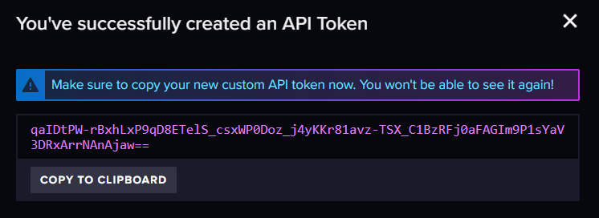
1
Open InfluxDB
Create new Bucket
Set Bucket
2
7
6
5
4
6
5
4
3
2
1
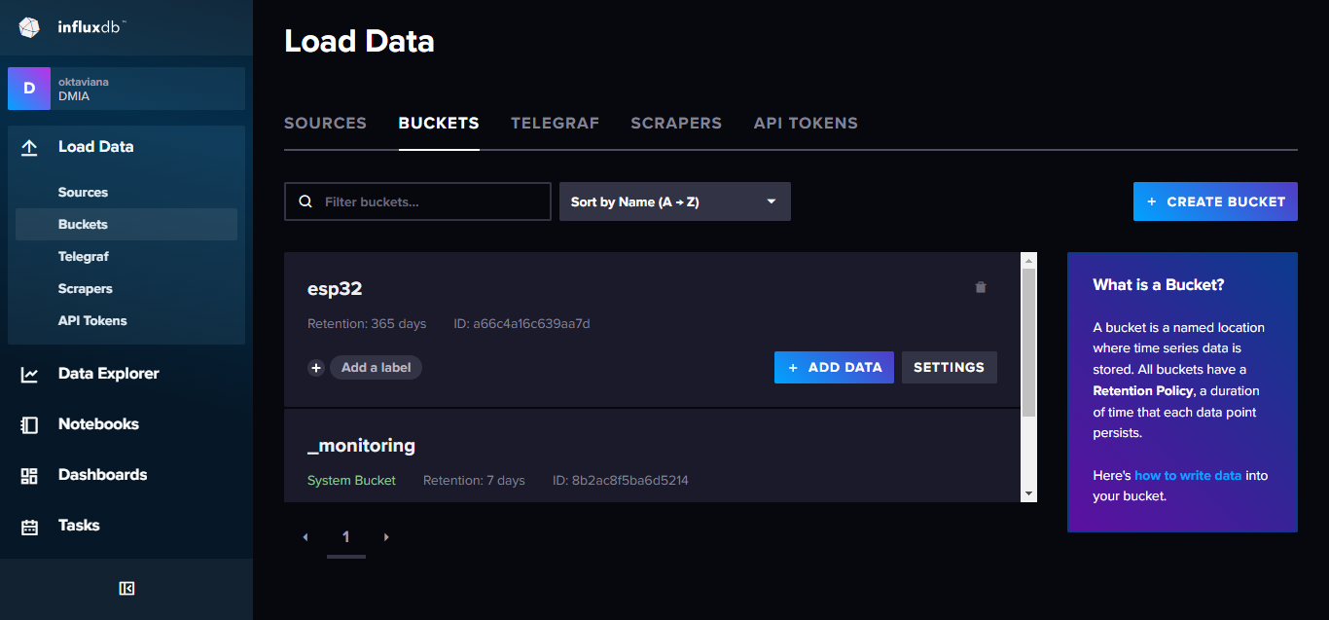

3
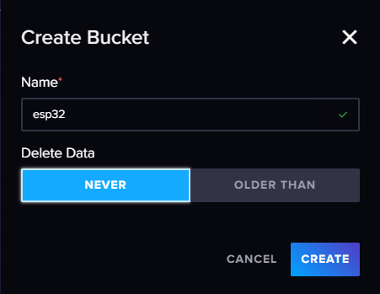

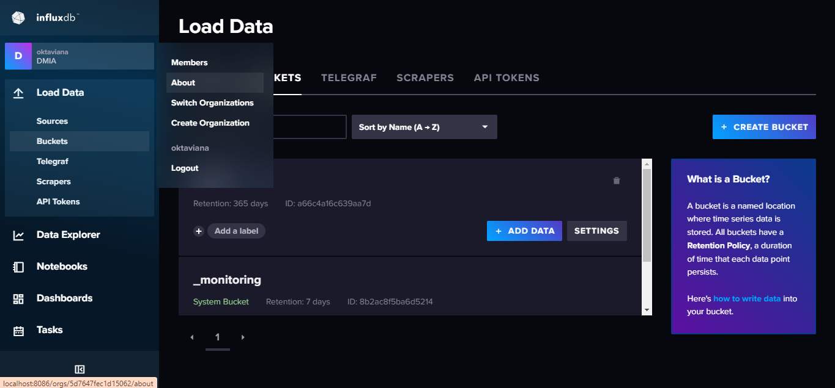

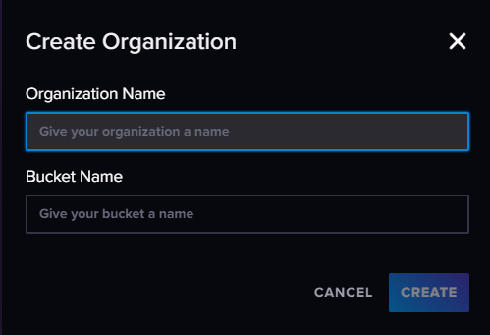

Create new Organization
Set Organization

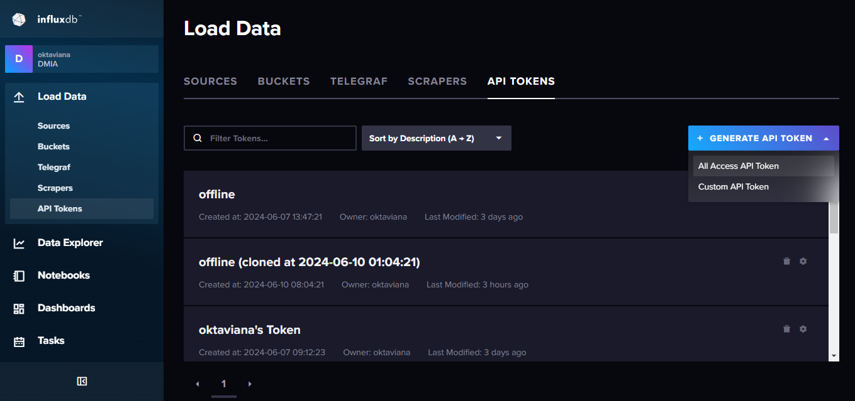

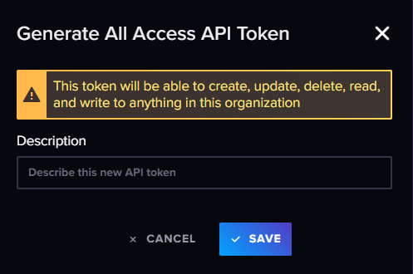

Generate API Token

BLOCK2
7
2
1
3
-Open Arduino IDE
-Add ESP32 board support by
entering the board manager
URL in Preferences
Use the Boards Manager to install the
ESP32 board
3
2
1
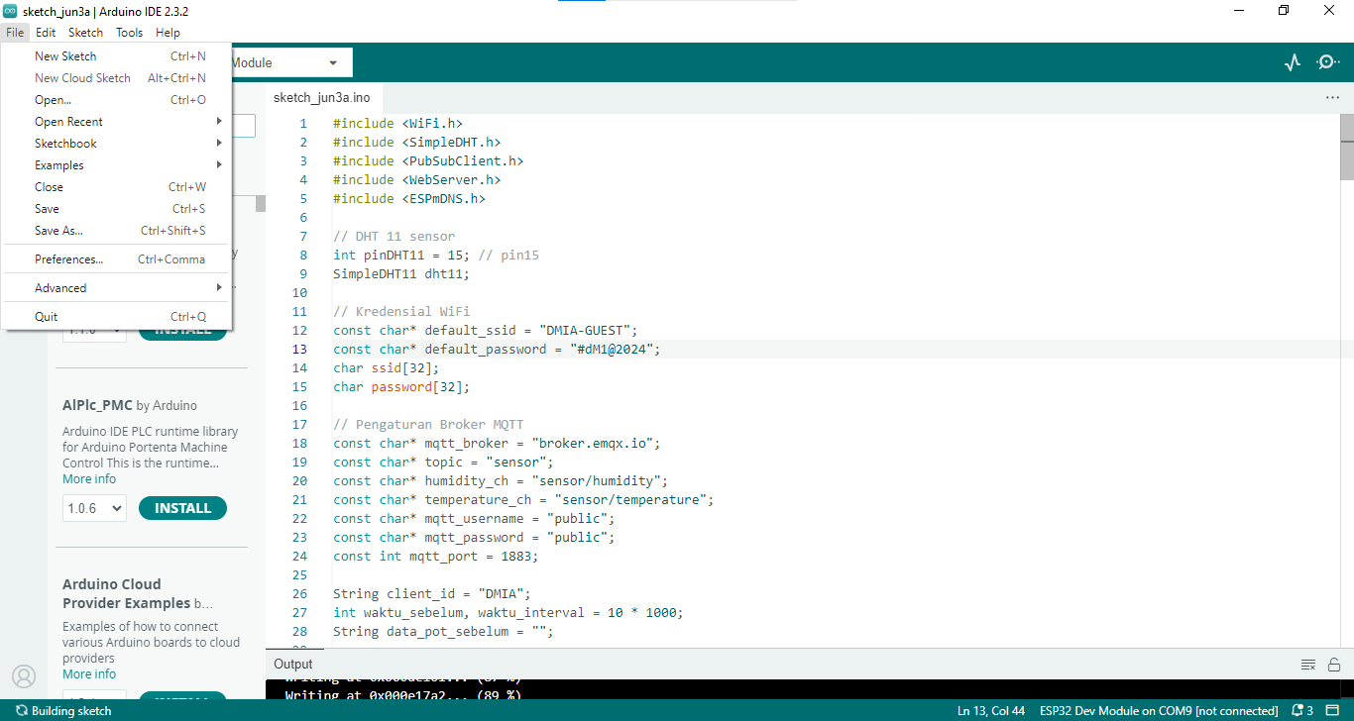
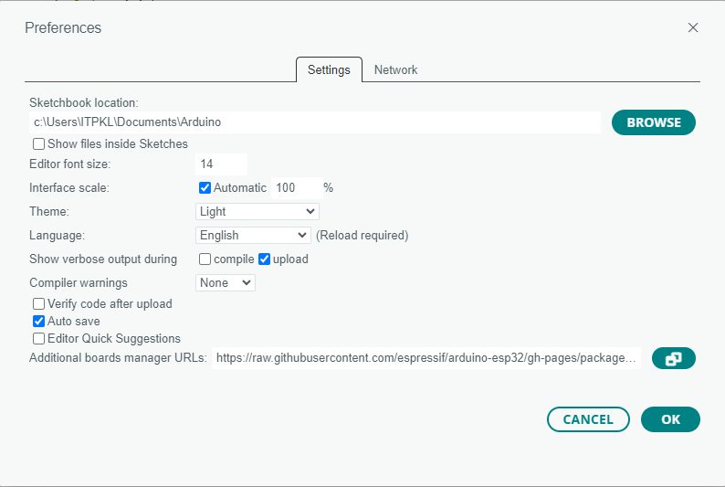

4

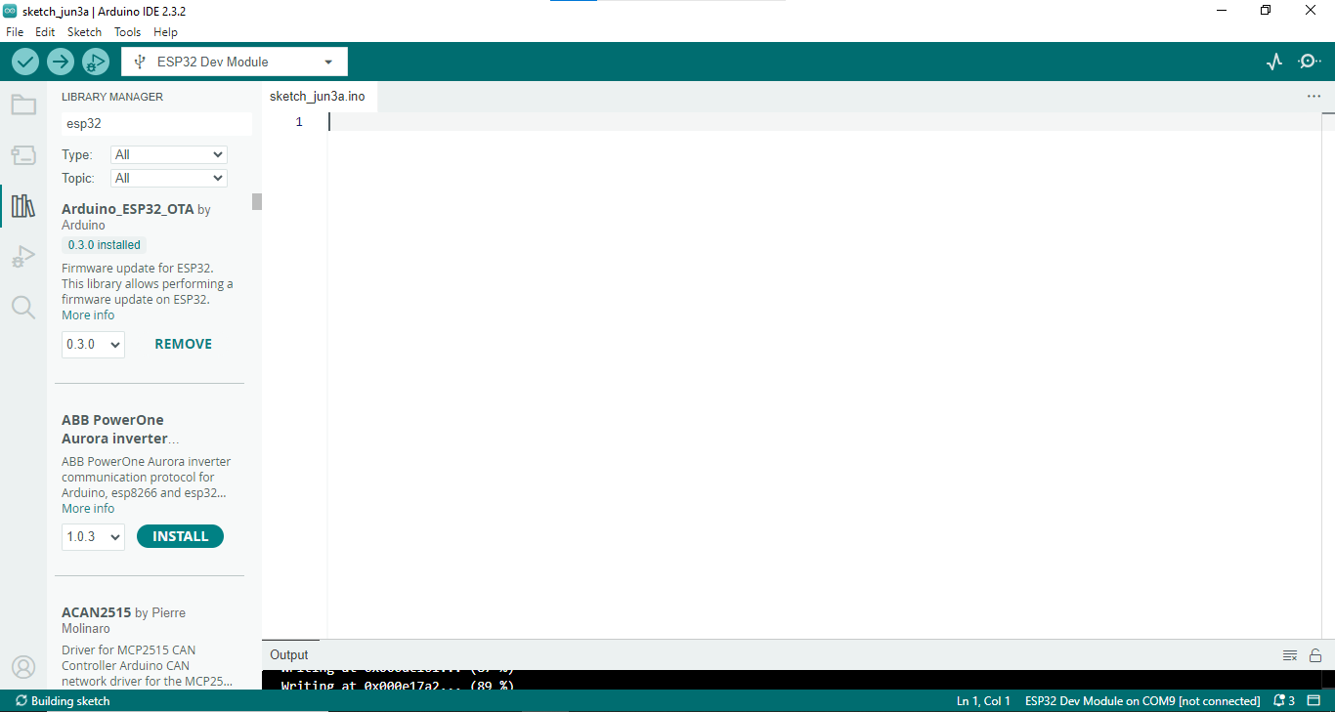

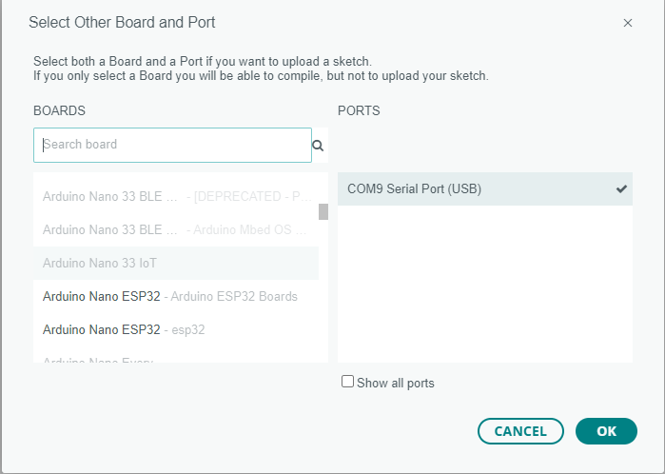

5

4

6

Code develop a program that connects ESP32 to WiFi and publishes sensor data to the influxDB

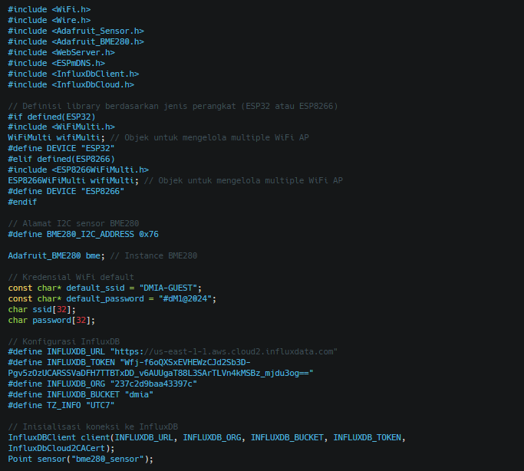

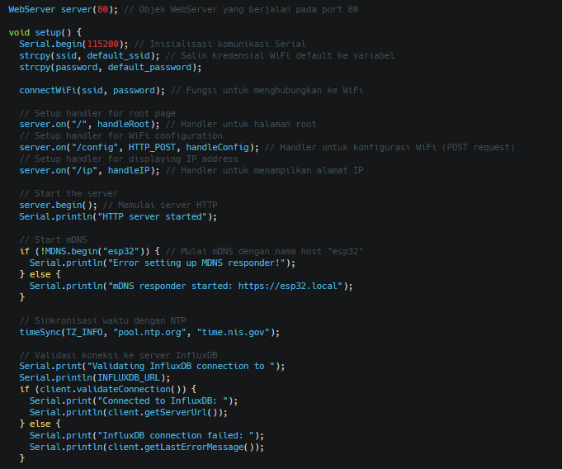

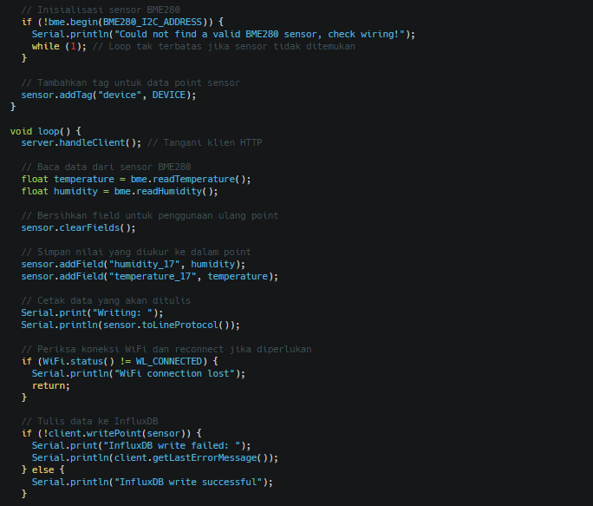

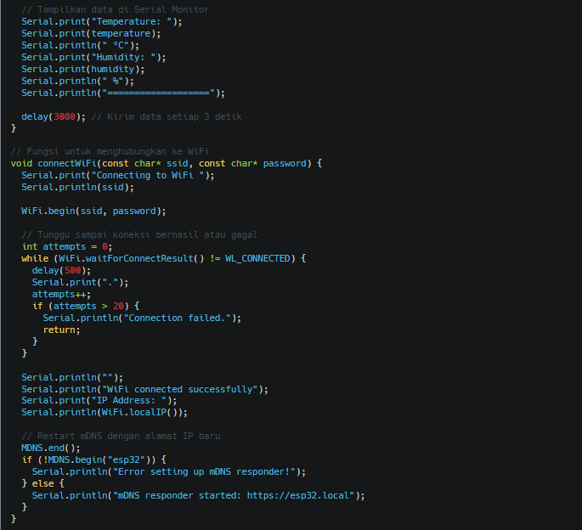

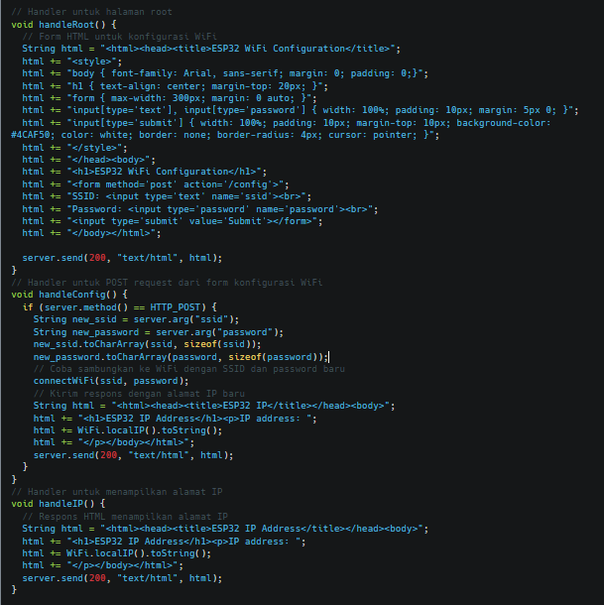

After creating the code then upload it

Click


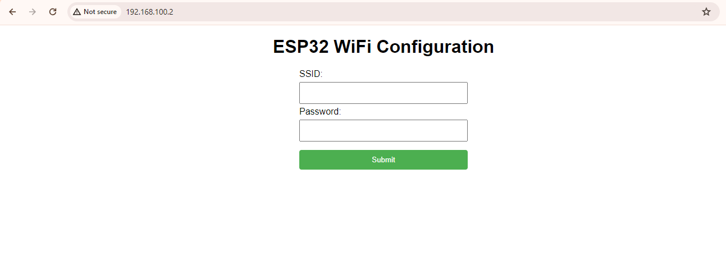

change wifi esp32
1
copy ip address or
https://esp32.local
2
paste ip address or
https://esp32.local
3
Insert ssid and password then submit
4
check the connection
on the serial monitor

BLOCK3
1
Open Grafana
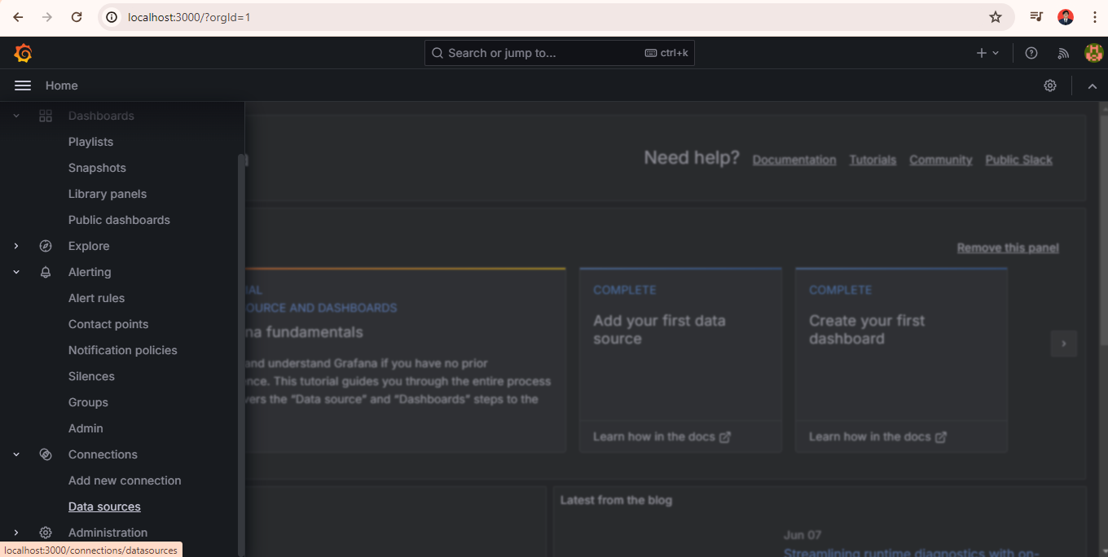

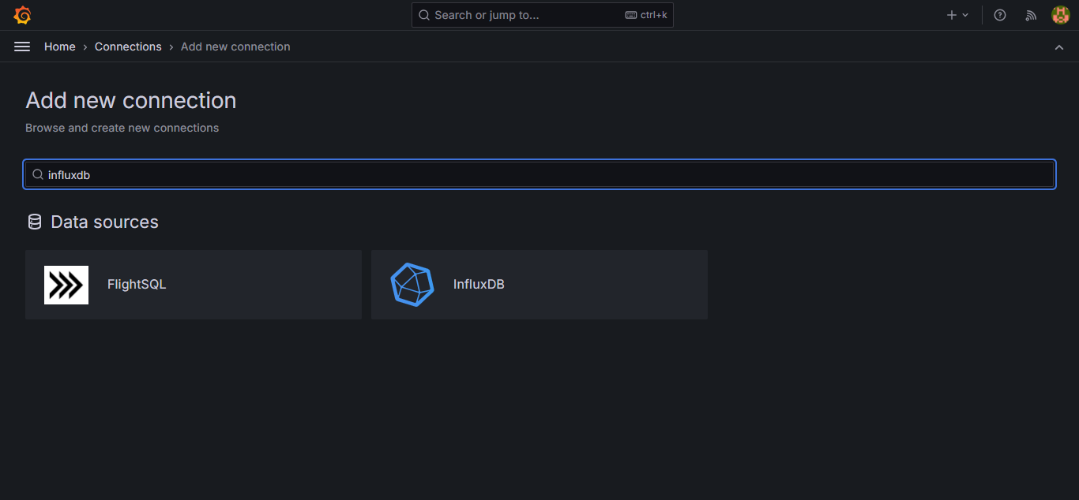
Visualization

2
Use Database InfluxDB

3

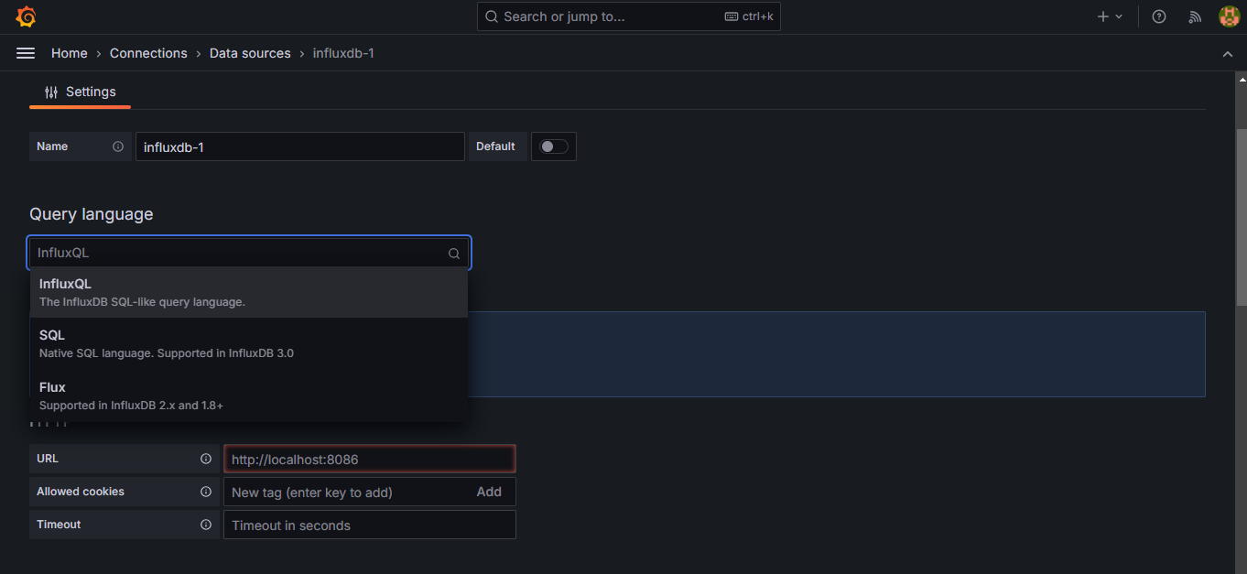

4

create name database

5
choose flux

6
use url localhost influxdb

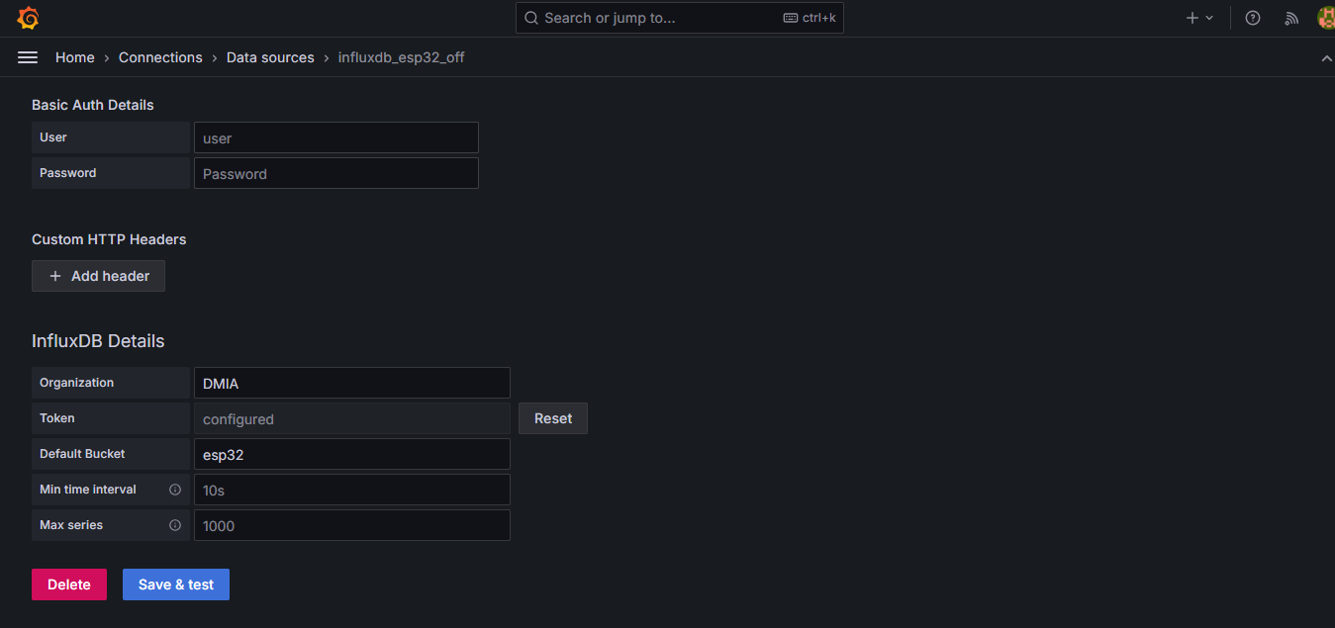

7

set Organization, token, and bucket
adjust to influxdb

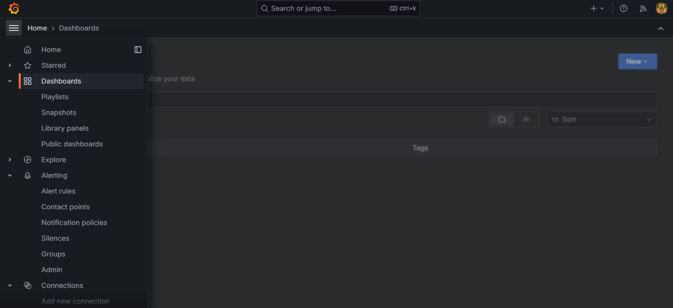

1

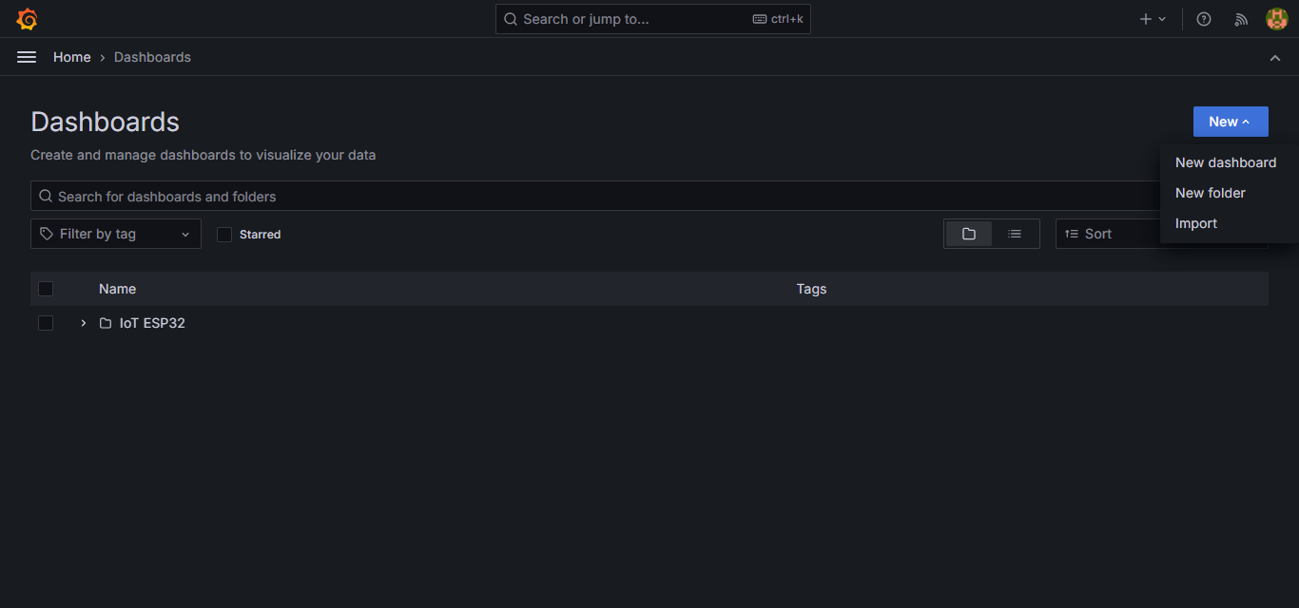

2

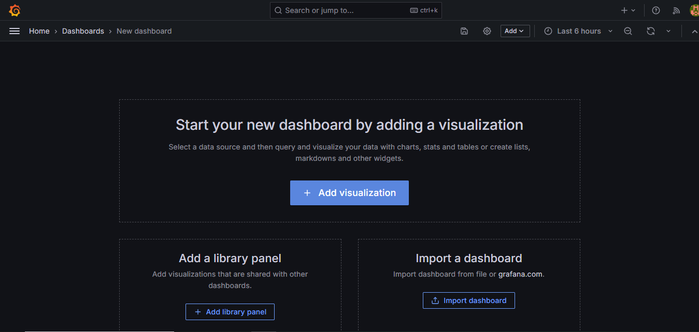

3

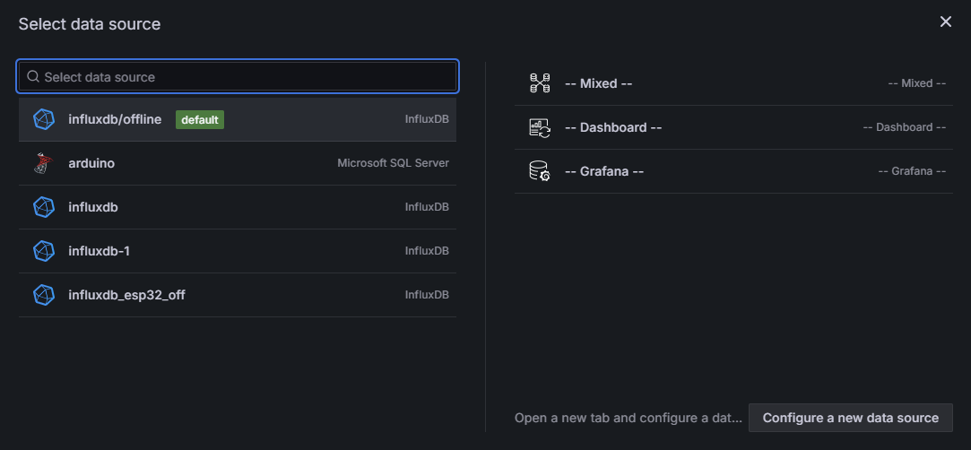

4
use a previously created database

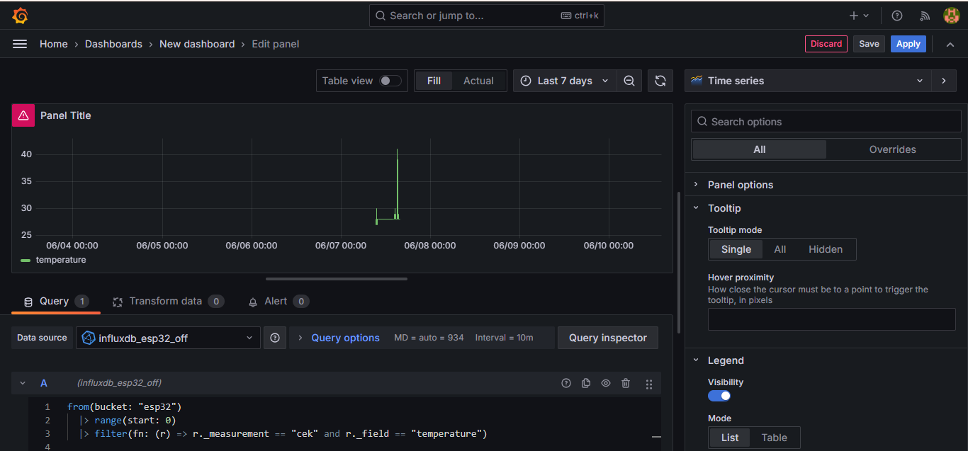
6

then apply

Create a query to display the dashboard
you want

5

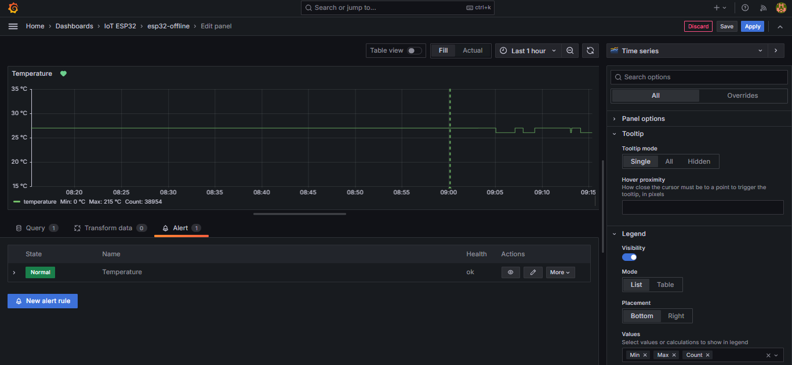

Alerting Email
1

2
Create alert rules

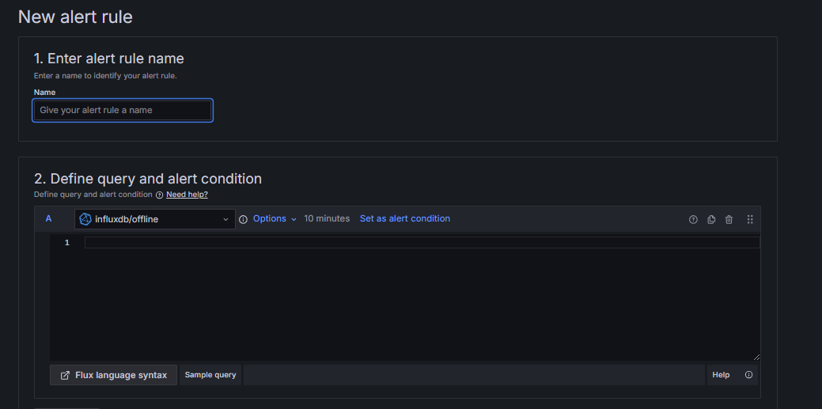
3
create name alert

4

choose database and define
query and alert condition

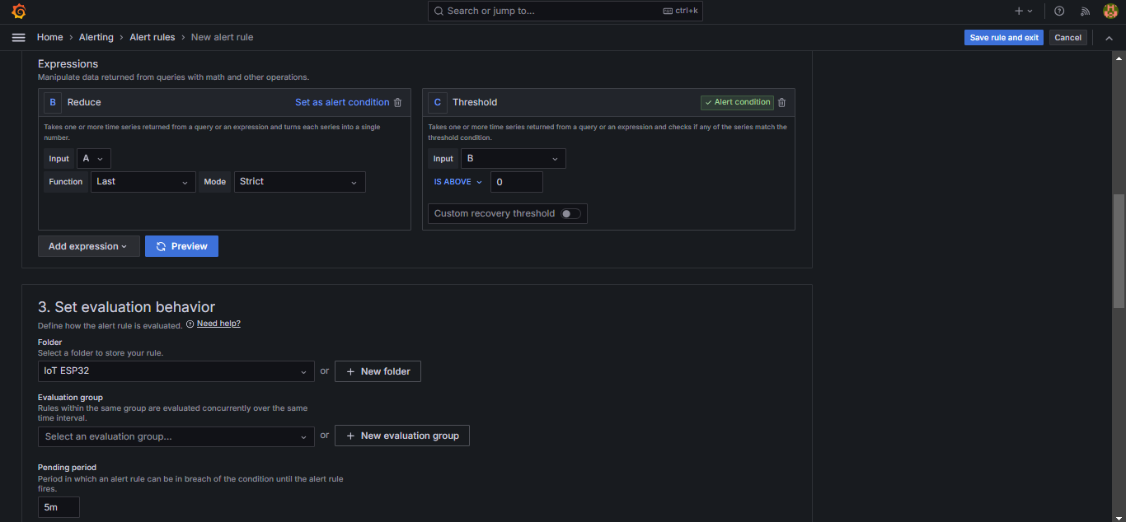
9
setting expressions

5

6
Select a folder if it
doesn't exist, create it first

Select a Evaluation group if it
doesn't exist, create it first
7

8
Setting pending period

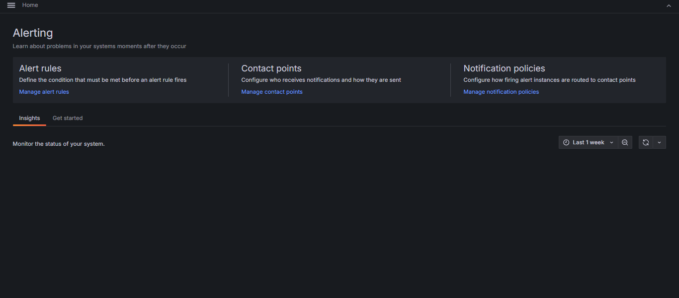

10

Create Contact Point



11

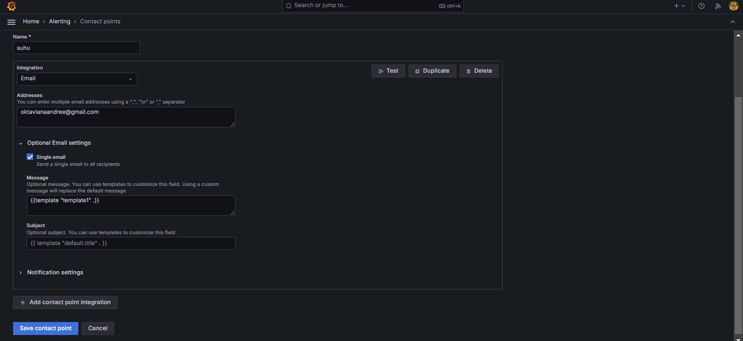
12

Create Contact Point

13
Create Integration Email
the name of the email
you want to send
14

15

create notifications policies
to route to contact points
16

17

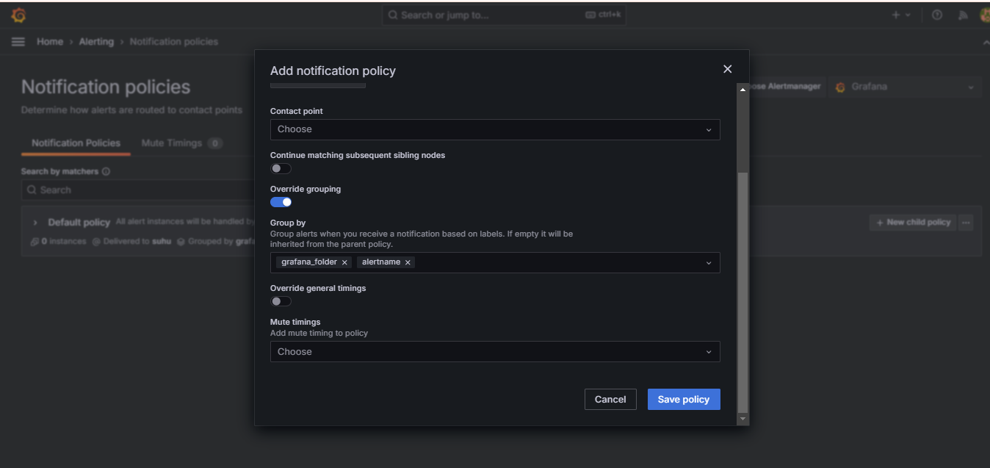

18
Choose Contact point which
has been made

19
select group by

20

