Homescreen
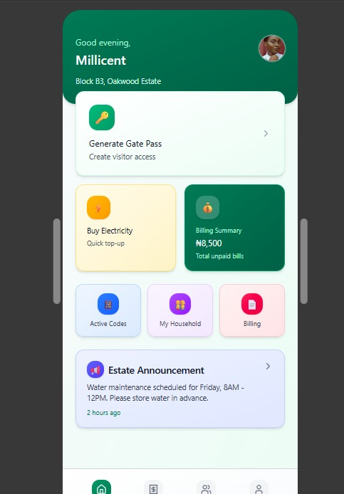
Product feature |  | Homescreen
App |  | Resident App | SAMPLE (NAVIGATION)
Description |  | The homescreen serves as the personalized landing page for each resident after successful login. It provides quick access to high-frequency actions
Structure/Navigation |  | A. Header Greeting Profile photo Apartment No. More menu B. Primary Widgets Generate Gatepass / Visitor Code Buy Electricity Billing Summary C. Secondary Quick Actions Household Members shortcut Active Visitor Codes preview D. Bottom Navigation Home Bills Visitors/My Guests Profile

HEADER
ID | HS Item | Description | AC/BR | Additional Info/Notes
HS-1 | Greeting | Displays a time-of-day greeting with resident’s first name: “Good morning, Carly.” | 1. Greeting must update dynamically based on time (morning/afternoon/evening). 2. Must use only resident’s first name.
HS-2 | Profile photo | Shows resident’s profile image or have default avatar if none uploaded. | 1. Tapping opens a profile summay screen. - Profile photo (Editable) - Resident status (house owner, housemember) - Full Name - Apartment Info - Email Address and/or phone number registered with - Total number of housemembers under you: 6 2. All details (except profile photo) displayed on the summary screen are read only and do not redirect to anywhere
HS-3 | Apartment info | Displays the resident’s unit/house. | 1. Pulled from backend 2. Must match estate assignment and format according to configuration set-up
HS-4 | More | Opens a menu with secondary options: Estate Directory, Support, FAQ, Terms, Privacy Policy. | 1. Should be placed somewhere that is easily seen and accessible y users. 2. Menu items dynamic based on estate configuration.
PRIMARY WIDGETS
HS-5 | Get Visitor Code | This is a prominent widget for creating visitor codes instantly. | 1. It may be the most used item so it must always be visible. 2. The code generation screen must load instantly when the widget is tapped. | Still need to finalise on the name for this one
HS-6 | Buy Electricity | Shortcut to purchase electricity tokens. | 1. Should only show for estates with electricity integration. 2. Hide widget if estate disables it.
HS-7 | Billing Summary | Shows total unpaid bills or “No outstanding bills.” | 1. Tapping opens full Bills tab. 2. Must show total outstanding amount OR clean empty state. 3. Auto-refresh on app open. | Open to removing billing with one-off set up fee
Secondary Quick Actions
HS-8 | Household Members Shortcut | Shortcut to manage household members (add/suspend/reactivate). | 1. Must be visible to all residents. 2. Tapping opens Household Management module. | Question: Should this show a simple count or icon only?
HS-9 | Active Visitor Codes Preview | Shows number of active visitor passes, e.g., “2 active passes.” | 1. Tapping opens Visitor Code List. 2. Only counts displayed, no detailed info. 3. Must refresh every time homescreen loads.
Bottom Navigation
HS-10 | Home | The default landing tab after login. It is a persistent tab that returns user to homescreen. | 1. Must keep user on current home state without full reload (unless returning from deep navigation).
 | Bills | Opens billing and wallet dashboard. | 1. Wallet lives inside bills module
 | My Visits | Opens full visitor management module (generate codes, history, multipass, event codes, visitor details). | Details of this module will be found in a different section of this PRD. | Still need to finalise on the name for this one
 | Profile | Opens profile module (personal info, household members, move-out clearance, settings, support, directory). | Details of this module will be found in a different section of this PRD.

