Charts
Attrition | 92
Non Attrition | 354

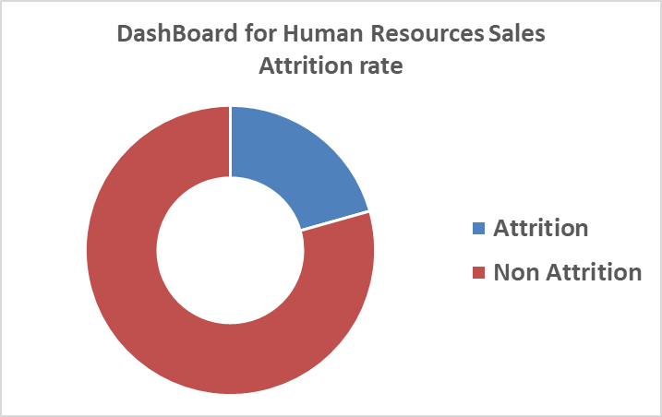
Salesperson Attrition Count by Monthly Income
 | Attrition |  | Non_Attrition
1000 | 4 | 1000 | 2
2000 | 15 | 2000 | 18
3000 | 13 | 3000 | 24
4000 | 3 | 4000 | 36
5000 | 15 | 5000 | 77
6000 | 10 | 6000 | 39
7000 | 6 | 7000 | 35
8000 | 5 | 8000 | 25
9000 | 3 | 9000 | 20
10000 | 10 | 10000 | 24
11000 | 2 | 11000 | 9
13000 | 2 | 12000 | 4
14000 | 2 | 13000 | 6
19000 | 1 | 14000 | 5
20000 | 1 | 15000 | 2
 |  | 16000 | 5
 |  | 17000 | 9
 |  | 18000 | 6
 |  | 19000 | 4
 |  | 20000 | 4

