TipSheet
 | Tip Sheet Contains tips on navigating and updating the spreadsheets

1 | Columns that you, the provider, are responsible for filling in, are highlighted in light green.

 |  | Image depicts a closeup of two columns side by side, one without highlight and one that is green.
 |  | The column without highlight will be pre-filled in before the workbook is sent each tranche.

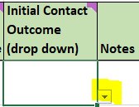
2 | Drop downs are indicated in several columns

3 | Some cells have comments with additional notes regarding the data the column captures. The presence of a note is indicated in the uper right of the cell

 | These can be viewed by hovering over the cell or by clicking on the cell.

4 | To sort the data set, select a cell within the header row and on the Home ribbon in excel, click Sort & Filter, and select filter from the drop down
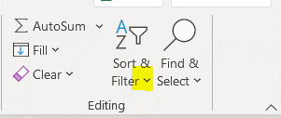

 | Done successfully, each cell in the header will have a drop down arrow

 | Sorting and filtering can also be applied through the Data ribbon in Excel.

 | The outcome column can be sorted or filtered to select only for those who have enrolled
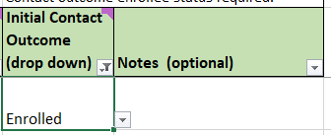

 | These are the rows that will be copied to the sheet that is returned to CRCL.

5 | When submitted to the NGO, the call log will have the same individuals who are on tab A, and in the same order.

6 | The frozen panels can be adjusted in the View ribbon in Excel.

 | To adjust the frozen selection, select a cell one row below and one column to the right of where you want frozen, then select "Freeze Panes"
 | For example, to freeze the header row and the column through the contact information, you can select cell G7 and it will freeze the header for scrolling down, and freeze the contact information for scrolling left and right.

