Sheet
Structure | GoodsCode | CAS | Name | ChineseName | Smiles | MW | Purity | Size | Price | Stock
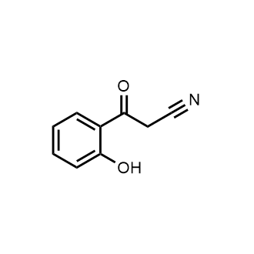 | 1519233 | 10523-47-4 | 3-(2-Hydroxyphenyl)-3-oxopropanenitrile | 3-(2-羟基苯基)-3-氧代丙腈 | C1=CC=C(C(=C1)C(=O)CC#N)O | 161.16 | 98% | 100mg 250mg 1g | 439 769 2089 | InStock
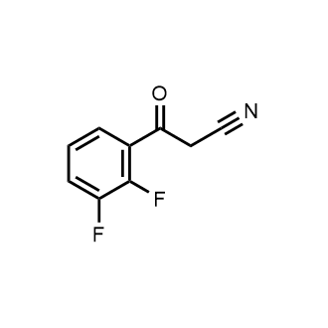 | 1430099 | 267880-87-5 | 3-(2,3-Difluorophenyl)-3-oxopropanenitrile | 3-(2,3-二氟苯基)-3-氧代丙腈 | C1=CC(=C(C(=C1)F)F)C(=O)CC#N | 181.14 | 95+% | 100mg 250mg 1g | 660 1100 2200 | InStock
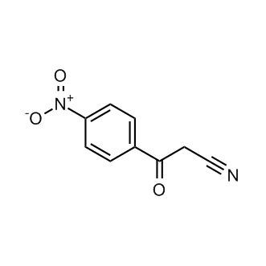 | 1212937 | 3383-43-5 | 3-(4-Nitrophenyl)-3-oxopropanenitrile | 3-(4-硝基苯基)-3-氧丙烷腈 | N#CCC(C1=CC=C([N+]([O-])=O)C=C1)=O | 190.16 | 98% | 100mg 250mg 1g | 267 452 1217 | InStock
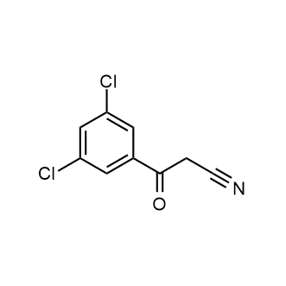 | 1269176 | 69316-09-2 | 3-(3,5-Dichlorophenyl)-3-oxopropanenitrile | 3-(3,5-二氯苯基)-3-氧丙腈 | N#CCC(C1=CC(Cl)=CC(Cl)=C1)=O | 214.05 | 98% | 100mg 250mg 1g 5g | 65 130 323 1442 | InStock
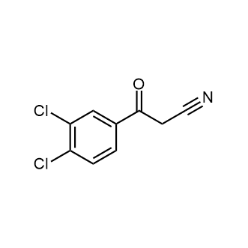 | 1277919 | 4640-68-0 | 3,4-Dichlorobenzoylacetonitrile | 3,4-二氯苯甲酰乙腈 | C1=CC(=C(C=C1C(=O)CC#N)Cl)Cl | 214.05 | 98% | 100mg 250mg 1g 5g | 35 53 204 1019 | InStock
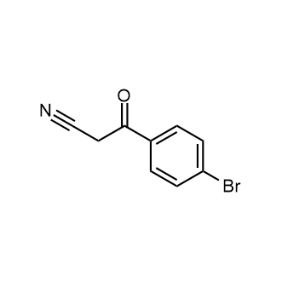 | 1033050 | 4592-94-3 | 3-(4-Bromophenyl)-3-oxopropanenitrile | 3-(4-溴苯基)-3-氧丙烷腈 | N#CCC(C1=CC=C(Br)C=C1)=O | 224.06 | 98% | 1g 5g 10g 25g 100g | 27 127 253 567 2011 | InStock
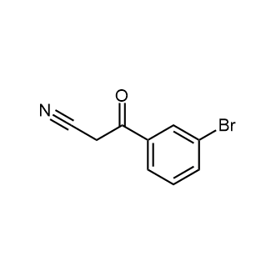 | 1165329 | 70591-86-5 | 3-(3-Bromophenyl)-3-oxopropanenitrile | 3-(3-溴苯基)-3-氧代丙腈 | N#CCC(C1=CC=CC(Br)=C1)=O | 224.06 | 98% | 100mg 250mg 1g 5g 10g 25g | 47 74 155 529 921 2082 | InStock
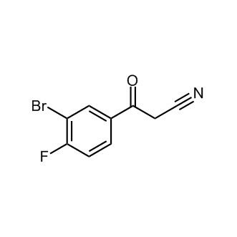 | 1649293 | 914636-74-1 | 3-(3-Bromo-4-fluorophenyl)-3-oxopropanenitrile | 3-(3-溴-4-氟苯基)-3-氧代丙腈 | C1=CC(=C(C=C1C(=O)CC#N)Br)F | 242.05 | 97% | 100mg 250mg 1g | 1068 1778 4939 | InStock
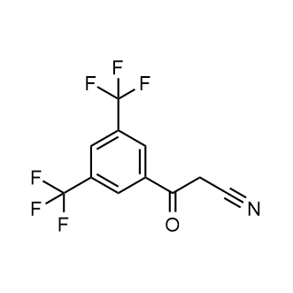 | 1521022 | 267880-81-9 | 3-(3,5-Bis(trifluoromethyl)phenyl)-3-oxopropanenitrile | 3-(3,5-双(三氟甲基)苯基)-3-氧代丙腈 | C(C#N)C(=O)C1=CC(=CC(=C1)C(F)(F)F)C(F)(F)F | 281.15 | 98% | 100mg 250mg 1g 5g 10g 25g | 389 554 1152 4953 9669 14398 | InStock
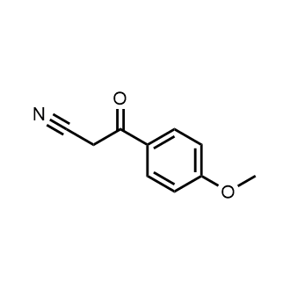 | 1030957 | 3672-47-7 | 3-(4-Methoxyphenyl)-3-oxopropanenitrile | 4-甲氧基苯甲酰乙腈 | COC1=CC=C(C=C1)C(=O)CC#N | 175.19 | 98% | 250mg 500mg 1g 5g 10g 25g 100g | 31 62 82 333 608 1239 4627 | InStock
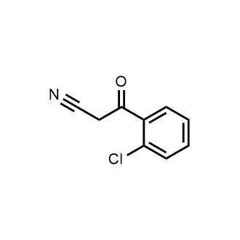 | 1031913 | 40018-25-5 | 3-(2-Chlorophenyl)-3-oxopropanenitrile | 3-(2-氯苯基)-3-氧丙烷腈 | C1=CC=CC(=C1C(CC#N)=O)Cl | 179.61 | 97% | 1g 5g 10g 25g 100g 500g | 28 48 95 190 619 2635 | InStock
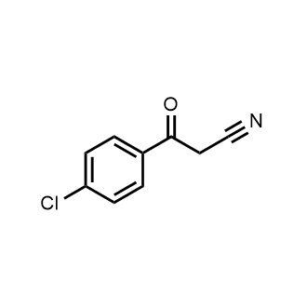 | 1033119 | 4640-66-8 | 4-Chlorophenacylcyanide | 4-氯苯甲酰乙腈 | ClC1=CC=C(C(CC#N)=O)C=C1 | 179.61 | 98% | 10g 25g 100g 500g 1000g | 47 117 467 2334 3968 | InStock
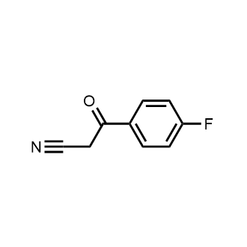 | 1033120 | 4640-67-9 | 3-(4-Fluorophenyl)-3-oxopropanenitrile | 4-氟苯甲酰基乙腈 | N#CCC(C1=CC=C(F)C=C1)=O | 163.15 | 95% | 1g 5g 10g 25g 100g 500g | 25 32 48 103 408 2035 | InStock
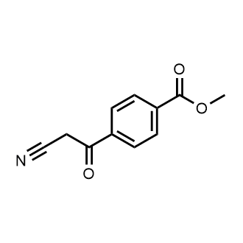 | 1040092 | 69316-08-1 | Methyl 4-(cyanoacetyl)benzoate | 4-(氰基乙酰)苯甲酸甲酯 | O=C(OC)C1=CC=C(C(CC#N)=O)C=C1 | 203.20 | 98% | 100mg 250mg 1g 5g 10g 25g | 35 42 65 278 556 1182 | InStock
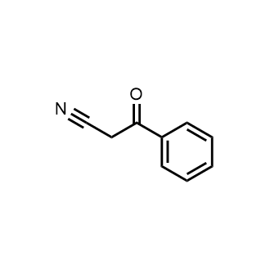 | 1062032 | 614-16-4 | 3-Oxo-3-phenylpropanenitrile | 苯甲酰乙腈 | N#CCC(C1=CC=CC=C1)=O | 145.16 | 97% | 10g 25g 100g 500g 1000g | 30 72 231 1154 2307 | InStock
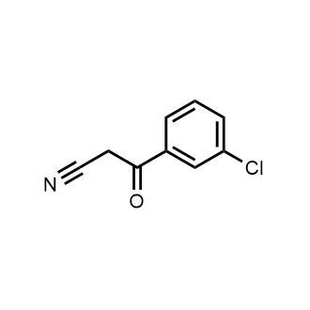 | 1065782 | 21667-62-9 | 3-(3-Chlorophenyl)-3-oxopropanenitrile | 3-氯苯甲酰乙腈 | C1=C(C(CC#N)=O)C=CC=C1Cl | 179.61 | 95% | 1g 5g 10g 25g 100g | 28 62 122 240 935 | InStock
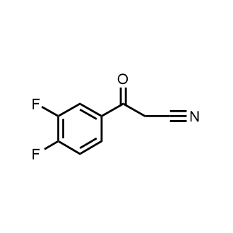 | 1067147 | 71682-97-8 | 3-Oxo-3-(3,4-difluorophenyl)propanenitrile | 2',4'-二氟苯甲酰基乙腈 | N#CCC(C1=CC(F)=C(F)C=C1)=O | 181.14 | 97% | 100mg 250mg 500mg 1g 5g 10g 25g 100g | 52 86 156 219 1065 1623 3245 12485 | InStock
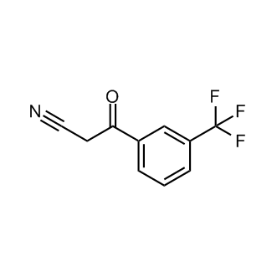 | 1129904 | 27328-86-5 | 3-Oxo-3-(3-(trifluoromethyl)phenyl)propanenitrile | 3-氧代-3-(3-(三氟甲基)苯基)丙腈 | N#CCC(C1=CC=CC(C(F)(F)F)=C1)=O | 213.16 | 97% | 250mg 1g 5g 25g | 37 41 200 995 | InStock
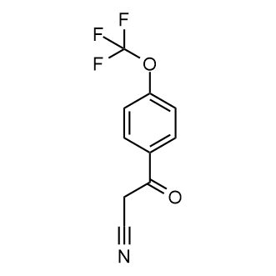 | 1151785 | 122454-46-0 | 3-Oxo-3-(4-(trifluoromethoxy)phenyl)propanenitrile | 3-氧代-3-(4-(三氟甲氧基)苯基)丙腈 | FC(F)(F)OC(C=C1)=CC=C1C(CC#N)=O | 229.16 | 97% | 100mg 250mg 1g 5g 10g 25g | 134 230 598 2118 3813 8008 | InStock
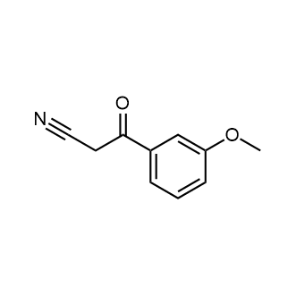 | 1173443 | 21667-60-7 | 3-(3-Methoxyphenyl)-3-oxopropanenitrile | 3-(3-甲氧基苯基)-3-氧代丙腈 | N#CCC(C1=CC=CC(OC)=C1)=O | 175.19 | 98% | 250mg 1g 5g 100g | 28 53 167 3339 | InStock
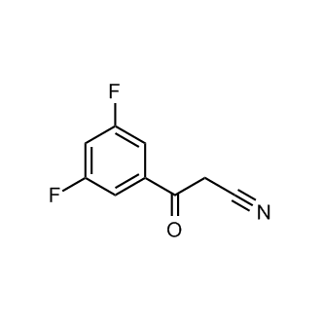 | 1179397 | 842140-51-6 | 3-(3,5-Difluorophenyl)-3-oxopropanenitrile | 3-(3,5-二氟苯基)-3-氧丙烷腈 | N#CCC(C1=CC(F)=CC(F)=C1)=O | 181.14 | 97% | 50mg 100mg 250mg 500mg 1g 5g 10g | 490 727 820 1640 2101 6695 8640 | InStock
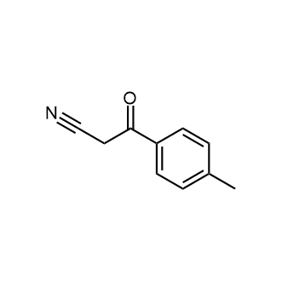 | 1183653 | 7391-28-8 | 3-Oxo-3-(p-tolyl)propanenitrile | 3-氧代-3-(对甲苯基)丙腈 | N#CCC(C1=CC=C(C)C=C1)=O | 159.19 | 98% | 250mg 1g 5g 25g | 30 34 165 723 | InStock
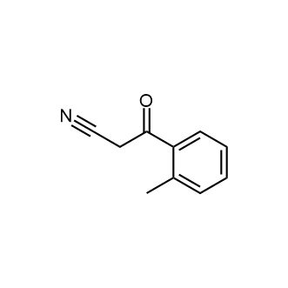 | 1234400 | 35276-81-4 | 3-Oxo-3-(o-tolyl)propanenitrile | 3-氧代-3-(邻甲苯基)丙腈 | N#CCC(C1=CC=CC=C1C)=O | 159.19 | 98% | 100mg 250mg 1g 5g 10g 25g | 134 226 294 1187 2373 4045 | InStock
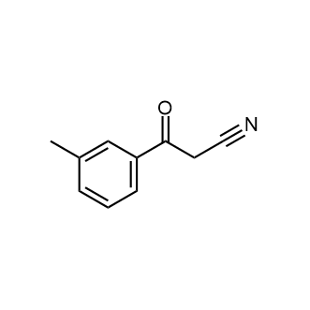 | 1267941 | 53882-81-8 | 3-Oxo-3-(m-tolyl)propanenitrile | 3-甲基苯甲酰乙腈 | CC1=CC(=CC=C1)C(=O)CC#N | 159.19 | 95% | 250mg 1g 5g 10g 25g | 125 265 863 1277 2681 | InStock
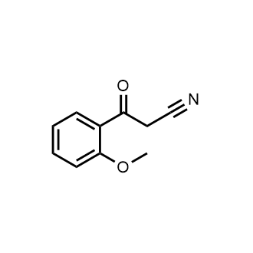 | 1270204 | 35276-83-6 | 3-(2-Methoxyphenyl)-3-oxopropanenitrile | 3-(2-甲氧基苯基)-3-氧代丙腈 | COC1=CC=CC=C1C(=O)CC#N | 175.19 | 98% | 1g 5g 25g | 32 149 725 | InStock
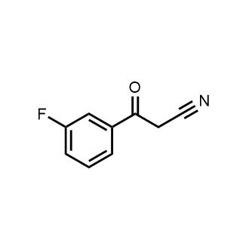 | 1276761 | 21667-61-8 | 3-Fluorobenzoylacetonitrile | 3-氟苯甲酰乙腈 | C1=CC(=CC(=C1)F)C(=O)CC#N | 163.15 | 97% | 100mg 250mg 500mg 1g 5g 10g 25g 100g | 52 116 232 348 1068 1800 3240 8640 | InStock
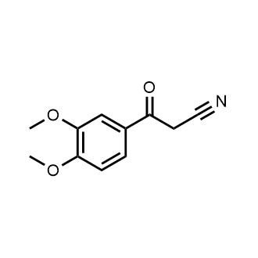 | 1277267 | 4640-69-1 | 3,4-Dimethoxy-β-oxobenzenepropanenitrile | 3,4-二甲氧基-β-氧代苯丙腈 | COC1=C(C=C(C=C1)C(=O)CC#N)OC | 205.21 | 98% | 100mg 250mg 500mg 1g 5g 10g 25g | 130 216 309 432 1296 1944 3888 | InStock
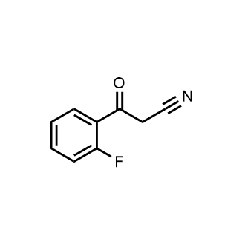 | 1278050 | 31915-26-1 | 2-Fluorobenzoylacetonitrile | 2-氟苯甲酰乙腈 | C1=CC=C(C(=C1)C(=O)CC#N)F | 163.15 | 98% | 100mg 250mg 1g 5g 10g 25g | 107 187 624 1874 3278 6554 | InStock
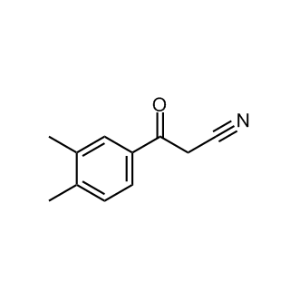 | 1310068 | 884504-20-5 | 3-(3,4-Dimethylphenyl)-3-oxopropanenitrile | 3-(3,4-二甲基苯基)-3-氧代丙腈 | CC1=CC=C(C=C1C)C(=O)CC#N | 173.22 | 98% | 50mg 100mg 250mg 500mg 1g 5g 10g | 158 316 537 1074 1449 6696 8640 | InStock
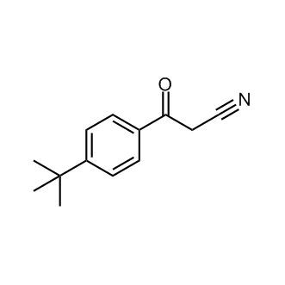 | 1378520 | 39528-62-6 | 3-(4-Tert-butylphenyl)-3-oxopropanenitrile | 3-(4-叔丁基苯基)-3-氧代丙腈 | CC(C)(C)C1=CC=C(C=C1)C(=O)CC#N | 201.27 | 95+% | 100mg 250mg 500mg 1g | 546 763 1169 1500 | InStock
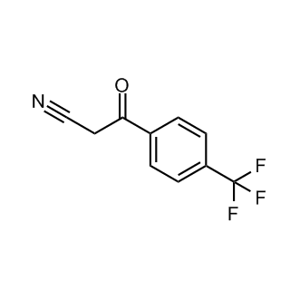 | 1382291 | 71682-94-5 | 3-Oxo-3-(4-(trifluoromethyl)phenyl)propanenitrile | 3-氧代-3-(4-(三氟甲基)苯基)丙腈 | N#CCC(C1=CC=C(C(F)(F)F)C=C1)=O | 213.16 | 98% | 100mg 250mg 1g 5g 10g | 89 135 279 1004 1855 | InStock
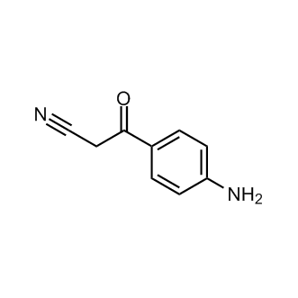 | 1637589 | 59443-94-6 | 3-(4-Aminophenyl)-3-oxopropanenitrile | 3-(4-氨基苯基)-3-氧代丙腈 | N#CCC(C1=CC=C(C=C1)N)=O | 160.18 | 96% | 100mg 250mg 1g 5g | 825 1375 2750 8250 | InStock
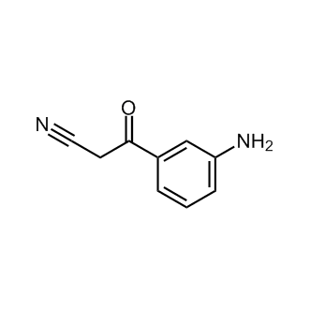 | 1637601 | 59443-93-5 | 3-(3-Aminophenyl)-3-oxopropanenitrile | 3-(3-氨基苯基)-3-氧代丙腈 | N#CCC(C1=CC(N)=CC=C1)=O | 160.17 | 98% | 1g 5g 10g | 8892 23364 29362 | InQuiry
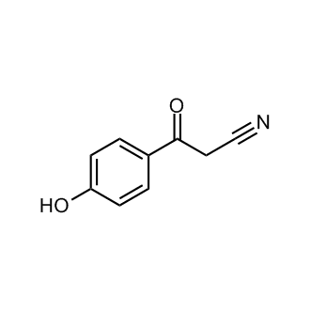 | 1384104 | 70591-87-6 | 3-(4-Hydroxyphenyl)-3-oxopropanenitrile | 3-(4-羟基苯基)-3-氧代丙腈 | C1=C(C=CC(=C1)O)C(=O)CC#N | 161.16 | 97% | 250mg 1g | 988 3463 | InQuiry
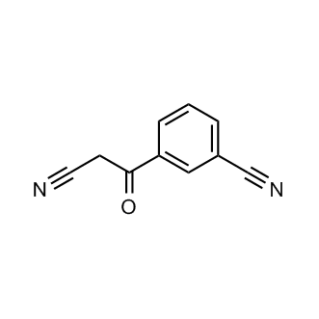 | 1383057 | 21667-63-0 | 3-(2-Cyanoacetyl)benzonitrile | 3-(2-氰基乙酰)苯腈 | N#CC1=CC=CC(C(CC#N)=O)=C1 | 170.17 | 95+% | 5g | 12218 | InQuiry
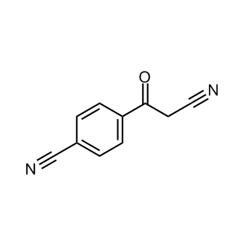 | 1387953 | 71292-11-0 | 4-(2-Cyanoacetyl)benzonitrile | 4-(2-氰基乙酰基)苯甲腈 | C1=C(C=CC(=C1)C(=O)CC#N)C#N | 170.17 | 95+% | 100mg | 8150 | InQuiry
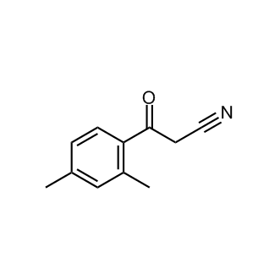 | 1288475 | 53882-91-0 | 3-(2,4-Dimethylphenyl)-3-oxopropanenitrile | 3-(2,4-二甲基苯基)-3-氧代丙腈 | CC1=CC(=C(C=C1)C(=O)CC#N)C | 173.21 | 97% | 250mg 500mg 1g 5g 10g | 1217 1915 2441 7603 9814 | InQuiry
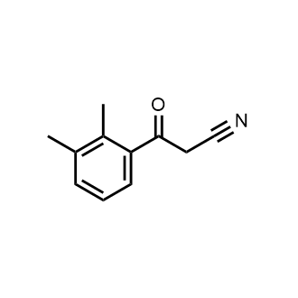 | 1328023 | 898787-06-9 | 3-(2,3-Dimethylphenyl)-3-oxopropanenitrile | 3-(2,3-二甲基苯基)-3-氧代丙腈 | CC1=C(C)C(=CC=C1)C(=O)CC#N | 173.21 | 97% | 250mg 500mg 1g 5g 10g | 1217 1915 2441 7603 9814 | InQuiry
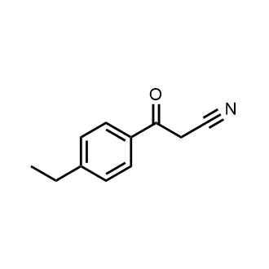 | 1384009 | 96220-15-4 | 3-(4-Ethylphenyl)-3-oxopropanenitrile | 3-(4-乙基苯基)-3-氧代丙腈 | CCC1=CC=C(C=C1)C(=O)CC#N | 173.21 | 97% | 1g 5g | 1015 3976 | InQuiry
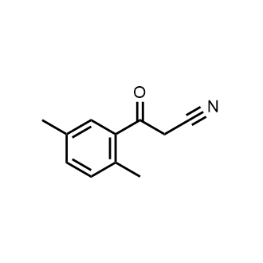 | 1524069 | 53882-93-2 | 3-(2,5-Dimethylphenyl)-3-oxopropanenitrile | 3-(2,5-二甲基苯基)-3-氧代丙腈 | CC1=CC(=C(C)C=C1)C(=O)CC#N | 173.21 | 98% | 5g | 10915 | InQuiry
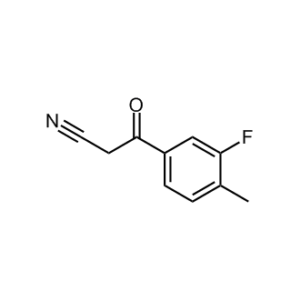 | 1296556 | 1016770-89-0 | 3-(3-Fluoro-4-methylphenyl)-3-oxopropanenitrile | 3-(3-氟-4-甲基苯基)-3-氧代丙腈 | N#CCC(C1=CC=C(C)C(F)=C1)=O | 177.18 | 95% | 100mg 250mg 500mg 1g | 1555 2210 4162 5400 | InQuiry
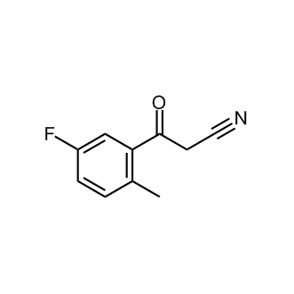 | 1430240 | 884504-23-8 | 3-(5-Fluoro-2-methylphenyl)-3-oxopropanenitrile | 3-(5-氟-2-甲基苯基)-3-氧代丙腈 | CC1=C(C=C(C=C1)F)C(=O)CC#N | 177.18 | 95+% | 5g | 8505 | InQuiry
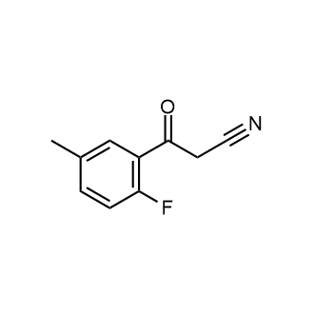 | 1941803 | 1243808-26-5 | 3-(2-Fluoro-5-methylphenyl)-3-oxopropanenitrile | 3-(2-氟-5-甲基苯基)-3-氧代丙腈 | CC1=CC(=C(C=C1)F)C(=O)CC#N | 177.18 | 98% | 1g | 10437 | InQuiry
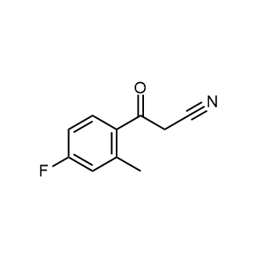 | 1948618 | 705278-81-5 | 3-(4-Fluoro-2-methylphenyl)-3-oxopropanenitrile | 3-(4-氟-2-甲基苯基)-3-氧代丙腈 | CC1=C(C=CC(=C1)F)C(=O)CC#N | 177.18 | 98% | 5g 10g | 17618 22147 | InQuiry
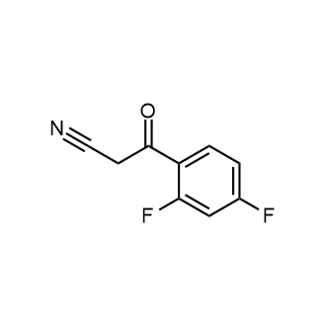 | 1275931 | 71682-95-6 | 2,4-Difluorobenzoylacetonitrile | 2,4-二氟苯甲酰乙腈 | N#CCC(=O)C1=CC=C(F)C=C1F | 181.14 | 97% | 5g | 2002 | InQuiry
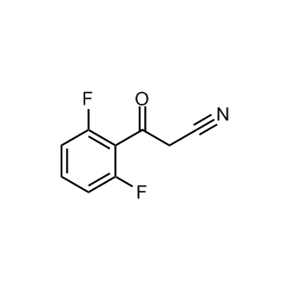 | 1385488 | 40017-76-3 | 3-(2,6-Difluorophenyl)-3-oxopropanenitrile | 3-(2,6-二氟苯基)-3-氧代丙腈 | C1=CC(=C(C(=C1)F)C(=O)CC#N)F | 181.14 | 95% | 250mg 1g 5g | 1136 2274 5688 | InQuiry
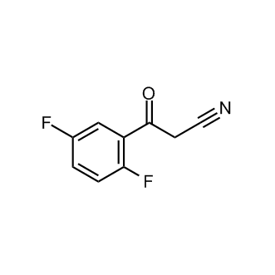 | 1390189 | 71682-96-7 | 3-(2,5-Difluorophenyl)-3-oxopropanenitrile | 3-(2,5-二氟苯基)-3-氧代丙腈 | C1=CC(=C(C=C1F)C(=O)CC#N)F | 181.14 | 95+% | 5g | 9713 | InQuiry
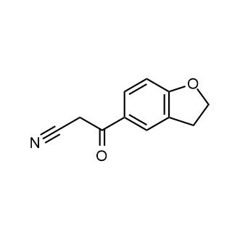 | 1596968 | 1248784-44-2 | 3-(2,3-Dihydrobenzofuran-5-yl)-3-oxopropanenitrile | 3-(2,3-二氢苯并呋喃-5-基)-3-氧代丙腈 | N#CCC(C1=CC2=C(OCC2)C=C1)=O | 187.19 | 98% | 1g 5g 10g | 8395 22025 27684 | InQuiry
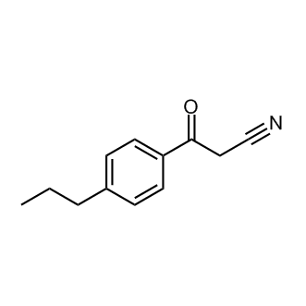 | 1223059 | 199102-69-7 | 4-n-Propylbenzoylacetonitrile | 3-氧代-3-(4-丙基苯基)丙腈 | CCCC1=CC=C(C=C1)C(=O)CC#N | 187.24 | 95% | 1g 5g | 753 3393 | InQuiry
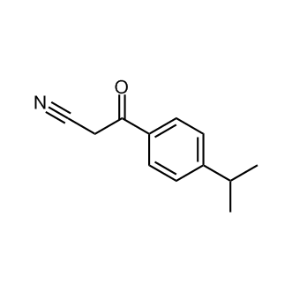 | 1382234 | 199102-70-0 | 3-(4-Isopropylphenyl)-3-oxopropanenitrile | 3-(4-异丙基苯基)-3-氧代丙腈 | N#CCC(C1=CC=C(C(C)C)C=C1)=O | 187.24 | 97% | 250mg 1g | 840 2262 | InQuiry
 | 1251643 | 96220-14-3 | 3-(Benzo[d][1,3]dioxol-5-yl)-3-oxopropanenitrile | 3-(苯并[d] [1,3]二氧杂环戊烯-5-基)-3-氧代丙腈 | O=C(CC#N)C1=CC=C2OCOC2=C1 | 189.17 | 97% | 500mg 1g 5g | 1418 1807 4169 | InQuiry
 | 1999521 | 122545-30-6 | 4-(2-Cyanoacetyl)benzoic acid | 4-(2-氰乙酰基)苯甲酸 | N#CCC(=O)C1=CC=C(C=C1)C(=O)O | 189.17 | 95% | 1g 5g | 1126 3925 | InQuiry
 | 1766294 | 54605-62-8 | 3-(4-Ethoxyphenyl)-3-oxopropanenitrile | 3-(4-乙氧基苯基)-3-氧代丙腈 | CCOC1=CC=C(C=C1)C(=O)CC#N | 189.21 | 98% | 25g | 5929 | InQuiry
 | 1949117 | 1016843-21-2 | 3-(3-Methoxy-4-methylphenyl)-3-oxopropanenitrile | 3-(3-甲氧基-4-甲基苯基)-3-氧代丙腈 | CC1=C(C=C(C=C1)C(=O)CC#N)OC | 189.21 | 98% | 1g | 11431 | InQuiry
 | 2128131 | 89-44-1 | 3-(2-Ethoxyphenyl)-3-oxopropanenitrile | 3-(2-乙氧基苯基)-3-氧代丙腈 | N#CCC(=O)C=1C=CC=CC1OCC | 189.21 | 98% | 100mg 250mg | 6466 7387 | InQuiry
 | 1383078 | 21667-64-1 | 3-(3-Nitrophenyl)-3-oxopropanenitrile | 3-(3-硝基苯基)-3-氧丙腈 | N#CCC(C1=CC=CC([N+]([O-])=O)=C1)=O | 190.16 | 97% | 5g | 994 | InQuiry
 | 1578201 | 1341532-01-1 | 3-(3-Chloro-4-methylphenyl)-3-oxopropanenitrile | 3-(3-氯-4-甲基苯基)-3-氧代丙腈 | N#CCC(C1=CC=C(C)C(Cl)=C1)=O | 193.63 | 98% | 5g | 10822 | InQuiry
 | 1382294 | 39528-57-9 | 3-(Naphthalen-1-yl)-3-oxopropanenitrile | 3-(萘-1-基)-3-氧代丙腈 | N#CCC(C1=C2C=CC=CC2=CC=C1)=O | 195.22 | 95% | 5g | 6574 | InQuiry
 | 1386435 | 613-57-0 | 3-(Naphthalen-2-yl)-3-oxopropanenitrile | 3-(萘-2-基)-3-氧代丙腈 | C1=CC=C2C=C(C=CC2=C1)C(=O)CC#N | 195.22 | 95% | 250mg 1g | 734 1975 | InQuiry
 | 1587416 | 249937-48-2 | 3-Oxo-3-(quinolin-6-yl)propanenitrile | 3-氧代-3-(喹啉-6-基)丙腈 | N#CCC(C1=CC=C2N=CC=CC2=C1)=O | 196.20 | 98% | 100mg 250mg 500mg 1g 5g 10g | 1555 2210 4162 5400 15646 23198 | InQuiry
 | 1296667 | 267880-83-1 | 3-(4-Chloro-2-fluorophenyl)-3-oxopropanenitrile | 3-(4-氯-2-氟苯基)-3-氧代丙腈 | N#CCC(C1=CC=C(Cl)C=C1F)=O | 197.59 | 95% | 100mg 250mg 500mg 1g 5g 10g | 1469 2110 3996 5242 15214 22586 | InQuiry
 | 1330174 | 914636-68-3 | 3-(2-Chloro-4-fluorophenyl)-3-oxopropanenitrile | 3-(2-氯-4-氟苯基)-3-氧代丙腈 | N#CCC(C1=CC=C(F)C=C1Cl)=O | 197.59 | 98% | 250mg 500mg 1g 5g 10g | 1454 2772 3794 10994 16286 | InQuiry
 | 1410973 | 914636-71-8 | 3-(2-Chloro-5-fluoro-phenyl)-3-oxo-propionitrile | 3-(2-氯-5-氟-苯基)-3-氧代-丙腈 | C1=CC(=C(C=C1F)C(=O)CC#N)Cl | 197.59 | 97% | 5g 10g | 17618 22147 | InQuiry
 | 1941991 | 1290181-18-8 | 3-(3-Chloro-2-fluorophenyl)-3-oxopropanenitrile | 3-(3-氯-2-氟苯基)-3-氧代丙腈 | C1=CC(=C(C(=C1)Cl)F)C(=O)CC#N | 197.59 | 98% | 5g 10g | 17618 22147 | InQuiry
 | 1946667 | 267880-79-5 | 3-(3-Chloro-4-fluorophenyl)-3-oxopropanenitrile | 3-(3-氯-4-氟苯基)-3-氧代丙腈 | N#CCC(C1=CC=C(F)C(Cl)=C1)=O | 197.59 | 97% | 100mg 250mg 500mg 1g | 1555 2210 4162 5400 | InQuiry
 | 1430589 | 842140-50-5 | 3-Oxo-3-(3,4,5-trifluorophenyl)propanenitrile | 3-氧代-3-(3,4,5-三氟苯基)丙腈 | C(C#N)C(=O)C1=CC(=C(C(=C1)F)F)F | 199.13 | 97% | 25g | 16065 | InQuiry
 | 1516931 | 142501-42-6 | 3-Oxo-3-(2,4,5-trifluorophenyl)propanenitrile | 3-氧代-3-(2,4,5-三氟苯基)丙腈 | C(C#N)C(=O)C1=CC(=C(C=C1F)F)F | 199.13 | 98% | 5g 10g | 17618 22147 | InQuiry
 | 1296555 | 1155140-22-9 | 3-(2,3-Dihydro-1,4-benzodioxin-5-yl)-3-oxopropanenitrile | 3-(2,3-二氢-1,4-苯并二噁英-5-基)-3-氧代丙腈 | N#CCC(C1=C2OCCOC2=CC=C1)=O | 203.19 | 95% | 100mg 250mg 500mg 1g 5g 10g | 2066 2952 4910 6278 18187 26971 | InQuiry
 | 1430221 | 884504-22-7 | 3-(4-Isopropoxyphenyl)-3-oxopropanenitrile | 3-(4-异丙氧基苯基)-3-氧代丙腈 | CC(C)OC1=CC=C(C=C1)C(=O)CC#N | 203.24 | 95+% | 1g 5g 10g | 11419 29988 37699 | InQuiry
 | 1436318 | 884504-21-6 | 3-(4-Methoxy-3,5-dimethylphenyl)-3-oxopropanenitrile | 3-(4-甲氧基-3,5-二甲基苯基)-3-氧代丙腈 | CC1=C(C(=CC(=C1)C(=O)CC#N)C)OC | 203.24 | 95+% | 1g 5g 10g | 11419 29988 37699 | InQuiry
 | 1579772 | 1016843-83-6 | 3-(4-Methyl-3-nitrophenyl)-3-oxopropanenitrile | 3-(4-甲基-3-硝基苯基)-3-氧代丙腈 | N#CCC(C1=CC=C(C)C([N+]([O-])=O)=C1)=O | 204.18 | 98% | 100mg 250mg 500mg 1g 5g 10g | 1152 1656 3168 4234 12262 18180 | InQuiry
 | 1945320 | 75473-08-4 | 3-(2-Methyl-3-nitrophenyl)-3-oxopropanenitrile | 3-(2-甲基-3-硝基苯基)-3-氧代丙腈 | CC1=C(C=CC=C1[N+](=O)[O-])C(=O)CC#N | 204.18 | 98% | 1g | 8512 | InQuiry
 | 1945407 | 875819-30-0 | 3-(3-Methyl-4-nitrophenyl)-3-oxopropanenitrile | 3-(3-甲基-4-硝基苯基)-3-氧代丙腈 | CC1=C(C=CC(=C1)C(=O)CC#N)[N+](=O)[O-] | 204.18 | 95% | 1g | 10409 | InQuiry
 | 1277129 | 70988-04-4 | 3,5-Dimethoxybenzoylacetonitrile | 3,5-二甲氧基苯甲酰乙腈 | COC1=CC(=CC(=C1)C(=O)CC#N)OC | 205.21 | 95% | 5g | 10801 | InQuiry
 | 1384556 | 76569-43-2 | 3-(2,4-Dimethoxyphenyl)-3-oxopropanenitrile | 3-(2,4-二甲氧基苯基)-3-氧代丙腈 | COC1=CC(=C(C=C1)C(=O)CC#N)OC | 205.21 | 95% | 250mg 1g | 1051 1692 | InQuiry
 | 1646935 | 199102-80-2 | 3-(2,3-Dimethoxyphenyl)-3-oxopropanenitrile | 3-(2,3-二甲氧基苯基)-3-氧代丙腈 | COC1=CC=CC(=C1OC)C(=O)CC#N | 205.21 | 98% | 25g | 8456 | InQuiry
 | 1650574 | 847951-47-7 | 3-(2,6-Dimethoxyphenyl)-3-oxopropanenitrile | 3-(2,6-二甲氧基苯基)-3-氧代丙腈 | N#CCC(C1=C(OC)C=CC=C1OC)=O | 205.21 | 98% | 5g 10g | 13198 16596 | InQuiry
 | 1783160 | 898787-03-6 | 3-(2,5-Dimethoxyphenyl)-3-oxopropanenitrile | 3-(2,5-二甲氧基苯基)-3-氧代丙腈 | COC1=CC(C(=O)CC#N)=C(OC)C=C1 | 205.21 | 98% | 5g 10g | 13198 16596 | InQuiry
 | 1397289 | 69316-10-5 | 3-(5-Chloro-2-methoxyphenyl)-3-oxopropanenitrile | 3-(5-氯-2-甲氧基苯基)-3-氧代丙腈 | COC1=C(C=C(C=C1)Cl)C(=O)CC#N | 209.63 | 95% | 5g | 15491 | InQuiry
 | 1302838 | 1016690-71-3 | 3-[2-(difluoromethoxy)phenyl]-3-oxopropanenitrile | 3-[2-(二氟甲氧基)苯基]-3-氧代丙腈 | N#CCC(C1=CC=CC=C1OC(F)F)=O | 211.16 | 95% | 100mg 250mg 500mg 1g 5g | 2743 3917 6142 7870 22853 | InQuiry
 | 1796998 | 1017036-63-3 | 3-[4-(Difluoromethoxy)phenyl]-3-oxopropanenitrile | 3-[4-(二氟甲氧基)苯基]-3-氧代丙腈 | FC(F)OC1=CC=C(C=C1)C(=O)CC#N | 211.16 | 98% | 1g | 6689 | InQuiry
 | 1400098 | 1176541-33-5 | 3-(4-(1H-pyrazol-1-yl)phenyl)-3-oxopropanenitrile | 3-(4-(1H-吡唑-1-基)苯基)-3-氧代丙腈 | C1=CN(C2=CC=C(C=C2)C(=O)CC#N)N=C1 | 211.22 | 95+% | 5g 10g | 10210 18115 | InQuiry
 | 1307074 | 40018-10-8 | 3-Oxo-3-[2-(trifluoromethyl)phenyl]propanenitrile | 3-氧代-3-[2-(三氟甲基)苯基]丙腈 | C1=CC=C(C(=C1)C(=O)CC#N)C(F)(F)F | 213.16 | 97% | 250mg 1g | 1031 2780 | InQuiry
 | 1287020 | 39528-61-5 | 3-(2,4-Dichlorophenyl)-3-oxopropanenitrile | 3-(2,4-二氯苯基)-3-氧代丙腈 | C1=CC(=C(C=C1Cl)Cl)C(=O)CC#N | 214.05 | 95+% | 500mg 1g 5g 10g | 1346 1728 6034 11412 | InQuiry
 | 1319137 | 75473-09-5 | 3-(2,3-Dichlorophenyl)-3-oxopropanenitrile | 3-(2,3-二氯苯基)-3-氧代丙腈 | C1=CC(=C(C(=C1)Cl)Cl)C(=O)CC#N | 214.05 | 95+% | 250mg 500mg 1g 5g 10g | 1138 1793 2304 7006 12881 | InQuiry
 | 1319727 | 71463-50-8 | 3-(2,6-Dichlorophenyl)-3-oxopropanenitrile | 3-(2,6-二氯苯基)-3-氧代丙腈 | C1=CC(=C(C(=C1)Cl)C(=O)CC#N)Cl | 214.05 | 95+% | 250mg 500mg 1g 5g 10g | 1310 2462 3499 10130 15041 | InQuiry
 | 1718453 | 56719-08-5 | 2,5-Dichloro-β-oxobenzenepropanenitrile | 2,5-二氯-β-氧代苯丙腈 | N#CCC(C1=CC(Cl)=CC=C1Cl)=O | 214.05 | 98% | 5g | 7078 | InQuiry
 | 1401222 | 887595-01-9 | 3-Oxo-3-(4-(pyrrolidin-1-yl)phenyl)propanenitrile | 3-氧代-3-(4-(吡咯烷-1-基)苯基)丙腈 | C1CCN(C1)C2=CC=C(C=C2)C(=O)CC#N | 214.26 | 95+% | 5g 10g 25g | 10217 18122 40738 | InQuiry
 | 1783163 | 139218-69-2 | 2-Chloro-4,5-difluorobenzoylacetonitrile | 2-氯-4,5-二氟苯甲酰乙腈 | FC1=CC(Cl)=C(C=C1F)C(=O)CC#N | 215.58 | 98% | 5g 10g | 17618 22147 | InQuiry
 | 1718158 | 78443-35-3 | β-Oxo[1,1′-biphenyl]-4-propanenitrile | [1,1′-联苯]-4-丙腈,β-氧代 | N#CCC(C1=CC=C(C2=CC=CC=C2)C=C1)=O | 221.25 | 98% | 25g | 7756 | InQuiry
 | 1411479 | 53882-80-7 | 2-Bromobenzoylacetonitrile | 2-溴苯甲酰乙腈 | C1=CC=C(C(=C1)C(=O)CC#N)Br | 224.05 | 98% | 5g | 1469 | InQuiry
 | 1511819 | 1135283-23-6 | 3-Oxo-3-(4-(piperidin-1-yl)phenyl)propanenitrile | 3-氧代-3-(4-(哌啶-1-基)苯基)丙腈 | C1CCN(CC1)C2=CC=C(C=C2)C(=O)CC#N | 228.29 | 98% | 5g 10g | 10202 18108 | InQuiry
 | 1386073 | 914636-80-9 | 3-Oxo-3-(2-(trifluoromethoxy)phenyl)propanenitrile | 3-氧代-3-(2-(三氟甲氧基)苯基)丙腈 | C1=CC=C(C(=C1)C(=O)CC#N)OC(F)(F)F | 229.16 | 97% | 25g | 9490 | InQuiry
 | 1539329 | 677713-02-9 | 3-Oxo-3-(3-(trifluoromethoxy)phenyl)propanenitrile | 3-氧代-3-(3-(三氟甲氧基)苯基)丙腈 | N#CCC(C1=CC=CC(OC(F)(F)F)=C1)=O | 229.16 | 98% | 5g | 7855 | InQuiry
 | 1389885 | 887591-40-4 | 3-(4-Morpholinophenyl)-3-oxopropanenitrile | 3-(4-吗啉代苯基)-3-氧代丙腈 | C1=C(C=CC(=C1)N2CCOCC2)C(=O)CC#N | 230.26 | 95% | 1g | 1395 | InQuiry
 | 1296663 | 677713-06-3 | 3-[4-fluoro-3-(trifluoromethyl)phenyl]-3-oxopropanenitrile | 3-[4-氟-3-(三氟甲基)苯基]-3-氧代丙腈 | N#CCC(C1=CC=C(F)C(C(F)(F)F)=C1)=O | 231.15 | 95% | 100mg 250mg 500mg 1g 5g 10g | 1555 2210 4162 5400 15646 23198 | InQuiry
 | 1755226 | 103318-74-7 | 3-(2,4-Dichloro-5-fluorophenyl)-3-oxopropanenitrile | 3-(2,4-二氯-5-氟苯基)-3-氧代丙腈 | C1=C(C(=CC(=C1F)Cl)Cl)C(=O)CC#N | 232.04 | 98% | 5g 10g | 19822 24926 | InQuiry
 | 1596360 | 1250529-97-5 | 3-(4-Bromo-3-fluorophenyl)-3-oxopropanenitrile | 3-(4-溴-3-氟苯基)-3-氧代丙腈 | N#CCC(C1=CC=C(Br)C(F)=C1)=O | 242.04 | 98% | 1g | 11438 | InQuiry
 | 1106580 | 267880-92-2 | 3-(4-Bromo-2-fluorophenyl)-3-oxopropanenitrile | 3-（4-溴-2-氟苯基）-3-氧代丙腈 | C1=CC(=C(C=C1Br)F)C(=O)CC#N | 242.05 | 97% | 5g | 6146 | InQuiry
 | 1400242 | 1135282-83-5 | 3-(4-(4-Methylpiperazin-1-yl)phenyl)-3-oxopropanenitrile | 3-(4-(4-甲基哌嗪-1-基)苯基)-3-氧代丙腈 | CN1CCN(CC1)C2=CC=C(C=C2)C(=O)CC#N | 243.30 | 98% | 5g 10g | 10202 18108 | InQuiry
 | 1107600 | 494772-88-2 | 3-[4-(Morpholin-4-ylmethyl)phenyl]-3-oxopropanenitrile | 3-[4-(吗啉-4-基甲基)苯基]-3-氧代丙腈 | C1=C(C=CC(=C1)C(=O)CC#N)CN2CCOCC2 | 244.29 | 95+% | 5g 25g | 15185 37930 | InQuiry
 | 1529867 | 861211-70-3 | 3-(3-Fluoro-4-morpholinophenyl)-3-oxopropanenitrile | 3-(3-氟代-4-吗啉代苯基)-3-氧代丙腈 | N#CCC(C1=CC=C(N2CCOCC2)C(F)=C1)=O | 248.25 | 98% | 1g | 10577 | InQuiry
 | 1395985 | 1071398-50-9 | 3-(5-Bromo-2-methoxyphenyl)-3-oxopropanenitrile | 3-(5-溴-2-甲氧基苯基)-3-氧代丙腈 | COC1=C(C=C(C=C1)Br)C(=O)CC#N | 254.08 | 97% | 5g 10g | 19822 24926 | InQuiry
 | 1430113 | 175136-65-9 | 3-(2-Bromo-5-methoxyphenyl)-3-oxopropanenitrile | 3-(2-溴-5-甲氧基苯基)-3-氧代丙腈 | N#CCC(C1=CC(OC)=CC=C1Br)=O | 254.08 | 98% | 5g 10g | 17618 22147 | InQuiry
 | 1596488 | 1257230-31-1 | 3-(2-Bromo-5-chlorophenyl)-3-oxopropanenitrile | 3-(2-溴-5-氯苯基)-3-氧代丙腈 | N#CCC(C1=CC(Cl)=CC=C1Br)=O | 258.50 | 98% | 1g | 11424 | InQuiry
 | 1944121 | 934330-20-8 | 3-(4-Bromo-2-chlorophenyl)-3-oxopropanenitrile | 3-(4-溴-2-氯苯基)-3-氧代丙腈 | C1=CC(=C(C=C1Br)Cl)C(=O)CC#N | 258.50 | 98% | 1g | 9513 | InQuiry
 | 1379309 | 206346-33-0 | 3-(4-Iodophenyl)-3-oxopropanenitrile | 3-(4-碘苯基)-3-氧代丙腈 | C1=C(C=CC(=C1)I)C(=O)CC#N | 271.05 | 96% | 500mg 1g | 1505 1922 | InQuiry
 | 1388928 | 247206-80-0 | 3-(3-Iodophenyl)-3-oxopropanenitrile | 3-(3-碘苯基)-3-氧代丙腈 | C1=CC(=CC(=C1)I)C(=O)CC#N | 271.05 | 95% | 5g | 9382 | InQuiry
 | 1389153 | 158387-19-0 | 3-(2-Iodophenyl)-3-oxopropanenitrile | 3-(2-碘苯基)-3-氧代丙腈 | C1=CC=C(C(=C1)C(=O)CC#N)I | 271.05 | 96% | 250mg 1g | 1058 2808 | InQuiry
 | 1583386 | 1526248-16-7 | 3-(4-Bromo-3-(trifluoromethyl)phenyl)-3-oxopropanenitrile | 3-(4-溴-3-(三氟甲基)苯基)-3-氧代丙腈 | N#CCC(C1=CC=C(Br)C(C(F)(F)F)=C1)=O | 292.05 | 98% | 1g | 9534 | InQuiry
 | 1592177 | 1934548-83-0 | 3-(3-Bromo-4-iodophenyl)-3-oxopropanenitrile | 3-(3-溴-4-碘苯基)-3-氧代丙腈 | N#CCC(C1=CC=C(I)C(Br)=C1)=O | 349.95 | 98% | 1g | 9520 | InQuiry
 | 1944432 | 887595-04-2 | 3-(3-Hydroxyphenyl)-3-oxopropanenitrile | 3-(3-羟基苯基)-3-氧代丙腈 | C1=CC(=CC(=C1)O)C(=O)CC#N | 161.16 | 98% |  |  | InQuiry
 | 2433623 | 99866-76-9 | 3-(4-Ethynylphenyl)-3-oxopropanenitrile | 3-(4-乙炔基苯基)-3-氧代丙腈 | N#CCC(C1=CC=C(C#C)C=C1)=O | 169.18 | 97% |  |  | InQuiry
 | 1783161 | 677713-07-4 | 3-(2,6-Dimethylphenyl)-3-oxopropanenitrile | 3-(2,6-二甲基苯基)-3-氧代丙腈 | CC1=CC=CC(C)=C1C(=O)CC#N | 173.21 | 98% |  |  | InQuiry
 | 1783162 | 85692-25-7 | 3-(3,5-Dimethylphenyl)-3-oxopropanenitrile | 3-(3,5-二甲基苯基)-3-氧代丙腈 | CC1=CC(=CC(C)=C1)C(=O)CC#N | 173.21 | 98% |  |  | InQuiry
 | 2141752 | 2738609-13-5 | 3-(2-Cyanoacetyl)-2-methylbenzonitrile | 3-(2-氰基乙酰基)-2-甲基苯甲腈 | N#CC1=CC=CC(C(=O)CC#N)=C1C | 184.19 | 98% |  |  | InQuiry
 | 1382232 | 1307311-51-8 | 3-(4-Acetylphenyl)-3-oxopropanenitrile | 3-(4-乙酰苯基)-3-氧代丙腈 | N#CCC(C1=CC=C(C(C)=O)C=C1)=O | 187.19 | 98% |  |  | InQuiry
 | 1943319 | 1823319-16-9 | 4-(2-Cyanoacetyl)-3-fluorobenzonitrile | 4-(2-氰基乙酰基)-3-氟苯甲腈 | C1=CC(=C(C=C1C#N)F)C(=O)CC#N | 188.16 | 98% |  |  | InQuiry
 | 1537698 | 898786-96-4 | 3-(3-Fluoro-4-methoxyphenyl)-3-oxopropanenitrile | 3-(3-氟代-4-甲氧基苯基)-3-氧代丙腈 | COC1=C(C=C(C=C1)C(=O)CC#N)F | 193.17 | 98% |  |  | InQuiry
 | 2263286 | 1290181-04-2 | 3-(2-Fluoro-4-methoxyphenyl)-3-oxopropanenitrile | 3-(2-氟-4-甲氧基苯基)-3-氧代丙腈 | N#CCC(=O)C1=CC=C(OC)C=C1F | 193.17 | 98% |  |  | InQuiry
 | 1760346 | 1205531-82-3 | 3-(5-Chloro-2-methylphenyl)-3-oxopropanenitrile | 3-(5-氯-2-甲基苯基)-3-氧代丙腈 | CC1=C(C=C(C=C1)Cl)C(=O)CC#N | 193.63 | 98% |  |  | InQuiry
 | 1946668 | 267881-03-8 | 3-(2-Chloro-6-fluorophenyl)-3-oxopropanenitrile | 3-(2-氯-6-氟苯基)-3-氧代丙腈 | C1=CC(=C(C(=C1)Cl)C(=O)CC#N)F | 197.59 | 97% |  |  | InQuiry
 | 1652947 | 2623-25-8 | 3-Oxo-3-(5,6,7,8-tetrahydronaphthalen-2-yl)propanenitrile | 3-氧代-3-(5,6,7,8-四氢萘-2-基)丙腈 | N#CCC(C1=CC2=C(C=C1)CCCC2)=O | 199.25 | 98% |  |  | InQuiry
 | 1406860 | 252895-07-1 | N-(4-(2-cyanoacetyl)phenyl)acetamide | N-(4-(2-氰基乙酰基)苯基)乙酰胺 | CC(NC1=CC=C(C(CC#N)=O)C=C1)=O | 202.21 | 98% |  |  | InQuiry
 | 1943324 | 1823323-54-1 | 3-(3-Chloro-5-methoxyphenyl)-3-oxopropanenitrile | 3-(3-氯-5-甲氧基苯基)-3-氧代丙腈 | COC1=CC(=CC(=C1)C(=O)CC#N)Cl | 209.63 | 98% |  |  | InQuiry
 | 1796999 | 677713-03-0 | 3-[3-(Difluoromethoxy)phenyl]-3-oxopropanenitrile | 3-[3-(二氟甲氧基)苯基]-3-氧代丙腈 | FC(F)OC1=CC(=CC=C1)C(=O)CC#N | 211.16 | 98% |  |  | InQuiry
 | 1382236 | 252895-08-2 | Ethyl 4-(2-cyanoacetyl)benzoate | 4-(2-氰基乙酰基)苯甲酸乙酯 | O=C(OCC)C1=CC=C(C(CC#N)=O)C=C1 | 217.22 | 98% |  |  | InQuiry
 | 1398273 | 353263-38-4 | 3-(4-Methoxy-3-nitrophenyl)-3-oxopropanenitrile | 3-(4-甲氧基-3-硝基苯基)-3-氧代丙腈 | COC1=C(C=C(C=C1)C(=O)CC#N)[N+](=O)[O-] | 220.18 | 97% |  |  | InQuiry
 | 1783159 | 270084-29-2 | 3-([1,1'-Biphenyl]-2-yl)-3-oxopropanenitrile | 3-([1,1'-联苯]-2-基)-3-氧代丙腈 | O=C(CC#N)C1=C(C=CC=C1)C1=CC=CC=C1 | 221.25 | 98% |  |  | InQuiry
 | 1819551 | 267880-89-7 | 3-(2,2-Difluoro-1,3-benzodioxol-5-yl)-3-oxopropanenitrile | 3-(2,2-二氟-1,3-苯并二噁唑-5-基)-3-羰基丙腈 | FC1(F)OC2=C(O1)C=C(C=C2)C(=O)CC#N | 225.15 | 98% |  |  | InQuiry
 | 1943285 | 1822861-69-7 | 3-(2-(2,2-Difluoroethoxy)phenyl)-3-oxopropanenitrile | 3-(2-(2,2-二氟乙氧基)苯基)-3-氧代丙腈 | C1=CC=C(C(=C1)C(=O)CC#N)OCC(F)F | 225.19 | 98% |  |  | InQuiry
 | 1943433 | 1823606-51-4 | 3-(4-(2,2-Difluoroethoxy)phenyl)-3-oxopropanenitrile | 3-(4-(2,2-二氟乙氧基)苯基)-3-氧代丙腈 | C1=CC(=CC=C1C(=O)CC#N)OCC(F)F | 225.19 | 98% |  |  | InQuiry
 | 1943455 | 1823642-47-2 | 3-(3-(2,2-Difluoroethoxy)phenyl)-3-oxopropanenitrile | 3-(3-(2,2-二氟乙氧基)苯基)-3-氧代丙腈 | C1=CC(=CC(=C1)OCC(F)F)C(=O)CC#N | 225.19 | 98% |  |  | InQuiry
 | 1529233 | 887591-28-8 | 3-(3-Morpholinophenyl)-3-oxopropanenitrile | 3-(3-吗啉代苯基)-3-氧代丙腈 | N#CCC(C1=CC=CC(N2CCOCC2)=C1)=O | 230.26 | 98% |  |  | InQuiry
 | 1943463 | 1823810-09-8 | 3-(5-Fluoro-2-(trifluoromethyl)phenyl)-3-oxopropanenitrile | 3-(5-氟-2-(三氟甲基)苯基)-3-氧代丙腈 | C1=CC(=C(C=C1F)C(=O)CC#N)C(F)(F)F | 231.15 | 98% |  |  | InQuiry
 | 1855286 | 2770406-20-5 | 3-(2,4-Dichloro-3-fluorophenyl)-3-oxopropanenitrile | 3-(2,4-二氯-3-氟苯基)-3-氧代丙腈 | N#CCC(C1=CC=C(Cl)C(F)=C1Cl)=O | 232.04 | 98% |  |  | InQuiry
 | 1944300 | 914636-62-7 | 3-(2,3-Dichloro-6-fluorophenyl)-3-oxopropanenitrile | 3-(2,3-二氯-6-氟苯基)-3-氧代丙腈 | C1=CC(=C(C(=C1F)C(=O)CC#N)Cl)Cl | 232.04 | 98% |  |  | InQuiry
 | 1944301 | 914636-65-0 | 3-(2,6-Dichloro-3-fluorophenyl)-3-oxopropanenitrile | 3-(2,6-二氯-3-氟苯基)-3-氧代丙腈 | C1=CC(=C(C(=C1F)Cl)C(=O)CC#N)Cl | 232.04 | 98% |  |  | InQuiry
 | 1812413 | 50606-35-4 | 3,4,5-Trimethoxybenzoylacetonitrile | 3,4,5-三甲氧基苯甲酰乙腈 | COC1=CC(=CC(OC)=C1OC)C(=O)CC#N | 235.24 | 97% |  |  | InQuiry
 | 2126971 | 136562-77-1 | 3-Oxo-3-(4-phenoxyphenyl)propanenitrile | 3-氧代-3-(4-苯氧基苯基)丙腈 | N#CCC(=O)C1=CC=C(OC=2C=CC=CC2)C=C1 | 237.25 | 98% |  |  | InQuiry
 | 1947573 | 1565589-33-4 | 3-(3-Bromo-5-methylphenyl)-3-oxopropanenitrile | 3-(3-溴-5-甲基苯基)-3-氧代丙腈 | CC1=CC(=CC(=C1)Br)C(=O)CC#N | 238.08 | 98% |  |  | InQuiry
 | 1948671 | 1094731-17-5 | 3-(3-Bromo-5-fluorophenyl)-3-oxopropanenitrile | 3-(3-溴-5-氟苯基)-3-氧代丙腈 | C1=C(C=C(C=C1F)Br)C(=O)CC#N | 242.04 | 98% |  |  | InQuiry
 | 2217548 | 1017048-97-3 | 3-(2-Bromo-4-fluorophenyl)-3-oxopropanenitrile | 3-(2-溴-4-氟苯基)-3-氧代丙腈 | N#CCC(=O)C1=CC=C(F)C=C1Br | 242.05 | 95% |  |  | InQuiry
 | 1942871 | 1980038-54-7 | 3-Oxo-3-(3-(2,2,2-trifluoroethoxy)phenyl)propanenitrile | 3-氧代-3-(3-(2,2,2-三氟乙氧基)苯基)丙腈 | C1=CC(=CC(=C1)OCC(F)(F)F)C(=O)CC#N | 243.18 | 98% |  |  | InQuiry
 | 1942901 | 1980044-05-0 | 3-Oxo-3-(2-(2,2,2-trifluoroethoxy)phenyl)propanenitrile | 3-氧代-3-(2-(2,2,2-三氟乙氧基)苯基)丙腈 | C1=CC=C(C(=C1)C(=O)CC#N)OCC(F)(F)F | 243.18 | 98% |  |  | InQuiry
 | 1949205 | 252895-09-3 | 3-Oxo-3-(4-(2,2,2-trifluoroethoxy)phenyl)propanenitrile | 3-氧代-3-(4-(2,2,2-三氟乙氧基)苯基)丙腈 | C1=CC(=CC=C1C(=O)CC#N)OCC(F)(F)F | 243.18 | 98% |  |  | InQuiry
 | 1570360 | 677713-04-1 | 3-Oxo-3-(3-((trifluoromethyl)thio)phenyl)propanenitrile | 3-氧代-3-(3-((三氟甲基)硫代)苯基)丙腈 | FC(F)(F)SC1=CC=CC(=C1)C(=O)CC#N | 245.22 | 98% |  |  | InQuiry
 | 1944302 | 914636-77-4 | 3-Oxo-3-(4-((trifluoromethyl)thio)phenyl)propanenitrile | 3-氧代-3-(4-((三氟甲基)硫基)苯基)丙腈 | C1=CC(=CC=C1C(=O)CC#N)SC(F)(F)F | 245.22 | 98% |  |  | InQuiry
 | 1942933 | 1980045-90-6 | 3-(4-Fluoro-3-(trifluoromethoxy)phenyl)-3-oxopropanenitrile | 3-(4-氟-3-(三氟甲氧基)苯基)-3-氧代丙腈 | C1=CC(=C(C=C1C(=O)CC#N)OC(F)(F)F)F | 247.15 | 98% |  |  | InQuiry
 | 1944098 | 932040-54-5 | 3-(3-Fluoro-4-(trifluoromethoxy)phenyl)-3-oxopropanenitrile | 3-(3-氟-4-(三氟甲氧基)苯基)-3-氧代丙腈 | C1=CC(=C(C=C1C(=O)CC#N)F)OC(F)(F)F | 247.15 | 98% |  |  | InQuiry
 | 2131839 | 866153-16-4 | 3-(2-(4-Fluorophenoxy)phenyl)-3-oxopropanenitrile | 3-(2-(4-氟苯氧基)苯基)-3-氧代丙腈 | N#CCC(=O)C=1C=CC=CC1OC2=CC=C(F)C=C2 | 255.24 | 90% |  |  | InQuiry
 | 1942882 | 1980039-04-0 | 3-(2-Nitro-3-(trifluoromethyl)phenyl)-3-oxopropanenitrile | 3-(2-硝基-3-(三氟甲基)苯基)-3-氧代丙腈 | C1=CC(=C(C(=C1)C(F)(F)F)[N+](=O)[O-])C(=O)CC#N | 258.15 | 98% |  |  | InQuiry
 | 1942911 | 1980044-68-5 | 3-(2-Nitro-6-(trifluoromethyl)phenyl)-3-oxopropanenitrile | 3-(2-硝基-6-(三氟甲基)苯基)-3-氧代丙腈 | C1=CC(=C(C(=C1)[N+](=O)[O-])C(=O)CC#N)C(F)(F)F | 258.15 | 98% |  |  | InQuiry
 | 1947617 | 1696195-01-3 | 3-(3-Bromo-5-chlorophenyl)-3-oxopropanenitrile | 3-(3-溴-5-氯苯基)-3-氧代丙腈 | C1=C(C=C(C=C1Cl)Br)C(=O)CC#N | 258.50 | 98% |  |  | InQuiry
 | 1942735 | 1936633-41-8 | 3-(3-Bromo-2,4-difluorophenyl)-3-oxopropanenitrile | 3-(3-溴-2,4-二氟苯基)-3-氧代丙腈 | C1=CC(=C(C(=C1C(=O)CC#N)F)Br)F | 260.03 | 98% |  |  | InQuiry
 | 1943549 | 1824048-84-1 | 3-(4-Bromo-2,3-difluorophenyl)-3-oxopropanenitrile | 3-(4-溴-2,3-二氟苯基)-3-氧代丙腈 | C1=CC(=C(C(=C1C(=O)CC#N)F)F)Br | 260.03 | 98% |  |  | InQuiry
 | 1943022 | 1980064-21-8 | 3-(3-Chloro-5-(trifluoromethoxy)phenyl)-3-oxopropanenitrile | 3-(3-氯-5-(三氟甲氧基)苯基)-3-氧代丙腈 | C1=C(C=C(C=C1OC(F)(F)F)Cl)C(=O)CC#N | 263.60 | 98% |  |  | InQuiry
 | 1942985 | 1980054-43-0 | 3-(2-Bromo-3-nitrophenyl)-3-oxopropanenitrile | 3-(2-溴-3-硝基苯基)-3-氧代丙腈 | C1=CC(=C(C(=C1)[N+](=O)[O-])Br)C(=O)CC#N | 269.05 | 98% |  |  | InQuiry
 | 2085096 | 1536756-55-4 | 3-(3-Bromo-5-nitrophenyl)-3-oxopropanenitrile | 3-(3-溴-5-硝基苯基)-3-氧代丙腈 | N#CCC(=O)C1=CC(Br)=CC(=C1)N(=O)=O | 269.05 | 95% |  |  | InQuiry
 | 2310361 | 2389233-20-7 | 3-Oxo-3-(4-(4,4,5,5-tetramethyl-1,3,2-dioxaborolan-2-yl)phenyl)propanenitrile | 3-氧代-3-(4-(4,4,5,5-四甲基-1,3,2-二氧杂硼烷-2-基)苯基)丙腈 | N#CCC(=O)C1=CC=C(C=C1)B2OC(C)(C)C(O2)(C)C | 271.12 | 98% |  |  | InQuiry
 | 1943548 | 1824048-79-4 | 3-(4-Bromo-3-fluoro-2-methoxyphenyl)-3-oxopropanenitrile | 3-(4-溴-3-氟-2-甲氧基苯基)-3-氧代丙腈 | COC1=C(C=CC(=C1F)Br)C(=O)CC#N | 272.07 | 98% |  |  | InQuiry
 | 1943264 | 1822673-91-5 | 3-(3-Bromo-6-chloro-2-fluorophenyl)-3-oxopropanenitrile | 3-(3-溴-6-氯-2-氟苯基)-3-氧代丙腈 | C1=CC(=C(C(=C1Cl)C(=O)CC#N)F)Br | 276.49 | 98% |  |  | InQuiry
 | 1943527 | 1823938-80-2 | 3-(4-Bromo-5-chloro-2-fluorophenyl)-3-oxopropanenitrile | 3-(4-溴-5-氯-2-氟苯基)-3-氧代丙腈 | C1=C(C(=CC(=C1Cl)Br)F)C(=O)CC#N | 276.49 | 98% |  |  | InQuiry
 | 1943554 | 1824049-03-7 | 3-(6-Bromo-3-chloro-2-fluorophenyl)-3-oxopropanenitrile | 3-(6-溴-3-氯-2-氟苯基)-3-氧代丙腈 | C1=CC(=C(C(=C1Cl)F)C(=O)CC#N)Br | 276.49 | 98% |  |  | InQuiry
 | 1406780 | 267880-91-1 | 3-Oxo-3-(3,4,5-triethoxyphenyl)propanenitrile | 3-氧代-3-(3,4,5-三乙氧基苯基)丙腈 | CCOC1=C(C(=CC(=C1)C(=O)CC#N)OCC)OCC | 277.32 | 95+% |  |  | InQuiry
 | 2131878 | 866153-32-4 | 3-(2-(4-Chloro-2-methylphenoxy)phenyl)-3-oxopropanenitrile | 3-(2-(4-氯-2-甲基苯氧基)苯基)-3-氧代丙腈 | N#CCC(=O)C=1C=CC=CC1OC2=CC=C(Cl)C=C2C | 285.72 | 90% |  |  | InQuiry
 | 1943407 | 1823566-59-1 | 3-(3-Bromo-4-(trifluoromethyl)phenyl)-3-oxopropanenitrile | 3-(3-溴-4-(三氟甲基)苯基)-3-氧代丙腈 | C1=CC(=C(C=C1C(=O)CC#N)Br)C(F)(F)F | 292.05 | 98% |  |  | InQuiry
 | 1947621 | 1697541-04-0 | 3-(4-Bromo-2-(trifluoromethyl)phenyl)-3-oxopropanenitrile | 3-(4-溴-2-(三氟甲基)苯基)-3-氧代丙腈 | C1=CC(=C(C=C1Br)C(F)(F)F)C(=O)CC#N | 292.05 | 98% |  |  | InQuiry
 | 1943484 | 1823888-48-7 | 3-(3-Chloro-5-iodophenyl)-3-oxopropanenitrile | 3-(3-氯-5-碘苯基)-3-氧代丙腈 | C1=C(C=C(C=C1Cl)I)C(=O)CC#N | 305.50 | 98% |  |  | InQuiry
 | 1943328 | 1823324-15-7 | 3-(2,3-Difluoro-4-iodophenyl)-3-oxopropanenitrile | 3-(2,3-二氟-4-碘苯基)-3-氧代丙腈 | C1=CC(=C(C(=C1C(=O)CC#N)F)F)I | 307.04 | 98% |  |  | InQuiry
 | 1943557 | 1824049-35-5 | 3-(3-Fluoro-4-iodo-2-methoxyphenyl)-3-oxopropanenitrile | 3-(3-氟-4-碘-2-甲氧基苯基)-3-氧代丙腈 | COC1=C(C=CC(=C1F)I)C(=O)CC#N | 319.07 | 98% |  |  | InQuiry
 | 1943058 | 1980085-95-7 | 3-Oxo-3-(4-(1,1,2-trifluoro-2-(trifluoromethoxy)ethoxy)phenyl)propanenitrile | 3-氧代-3-(4-(1,1,2-三氟-2-(三氟甲氧基)乙氧基)苯基)丙腈 | C1=CC(=CC=C1C(=O)CC#N)OC(C(OC(F)(F)F)F)(F)F | 327.18 | 98% |  |  | InQuiry
 | 1943395 | 1823517-15-2 | 3-(4-Iodo-3-(trifluoromethyl)phenyl)-3-oxopropanenitrile | 3-(4-碘-3-(三氟甲基)苯基)-3-氧代丙腈 | C1=CC(=C(C=C1C(=O)CC#N)C(F)(F)F)I | 339.05 | 98% |  |  | InQuiry
 | 1943445 | 1823641-89-9 | 3-(3-Iodo-4-(trifluoromethyl)phenyl)-3-oxopropanenitrile | 3-(3-碘-4-(三氟甲基)苯基)-3-氧代丙腈 | C1=CC(=C(C=C1C(=O)CC#N)I)C(F)(F)F | 339.05 | 98% |  |  | InQuiry
 | 1942691 | 1936263-20-5 | 3-(2-Bromo-3-iodophenyl)-3-oxopropanenitrile | 3-(2-溴-3-碘苯基)-3-氧代丙腈 | C1=CC(=C(C(=C1)I)Br)C(=O)CC#N | 349.95 | 98% |  |  | InQuiry
 | 1943325 | 1823323-76-7 | 3-(4-Bromo-3-fluoro-2-iodophenyl)-3-oxopropanenitrile | 3-(4-溴-3-氟-2-碘苯基)-3-氧代丙腈 | C1=CC(=C(C(=C1C(=O)CC#N)I)F)Br | 367.94 | 98% |  |  | InQuiry
 | 1943566 | 1824056-23-6 | 3-(2-Bromo-3-fluoro-4-iodophenyl)-3-oxopropanenitrile | 3-(2-溴-3-氟-4-碘苯基)-3-氧代丙腈 | C1=CC(=C(C(=C1C(=O)CC#N)Br)F)I | 367.94 | 98% |  |  | InQuiry

