USB2.0_3.0
Standards

 |  | USB 3.0 Specification

Methodologies

CoRRAL Board and PCB Design Guidelines

CoRRAL Package Signoff Analysis Results

USB System Routing Guidance
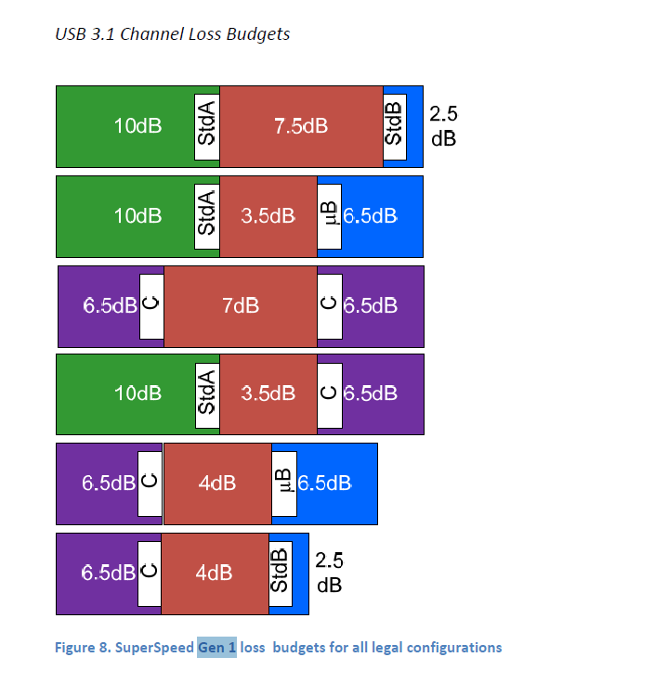
 | USB 3.0 |  |  |  |  |  | Updated: 8/13/18
 | Category |  | Metrics |  | Industry spec | Qcom Guidance | Comments
 | Assumptions | Data Rate |  |  |  | 5Gbps(Gen 1) | USB3 supports only 5Gbps
 |  | Differential Impedance | Diff Z0 | Field Route | Cable impedance 90-Ohm +/- 5 Ohm | 90-Ohm suggested (impedance should be within 70Ω-110Ω including manufacturing variation)
 | Guidance | Channel Insertion Loss Budget (DUT) at 2.5 GHz |  |  | Depending on connector configuration | -4.5 dB | Insertion Loss from BGA to USB Connector assuming TX de-emphasis is 3.5dB, 1dB for SIP
 |  | PCB Bus length (in mm) |  |  |  |  | Bus length is set based on channel Insertion Loss and AU stack-up
 |  | Isolation | Tx (aggressor) to Rx (victim) |  |  | -40dB at 2.5 GHz | Tx lane to Rx lane differential isolation - Mostly in package/far lesser in PCB. If package meets this number PCB is better. - May be informative.
 |  | Length Match | Intra-lane match |  |  | 5ps (700um)
 |  |  | Inter-lane match (required for DP over USB) |  |  | 70ps (10mm) | Required for DP over USB. No USB_SS RX to TX matching required if supporting USB only.
 |  |  | EDP_AUX intra-lane match |  |  | 50ps (7mm) | Required for DP over USB
 |  | Spacing | Rx to Tx | Field Route |  | 3x line width | Sweep TX to RX spacing?
 |  |  | space to other signals |  |  | 4x line width | Switch to 3X can we go lower?
 |  | Component | DC blocking capacitor |  |  | 75 - 200nF

 | USB 2.0 with QCOM Model |  |  |  |  |  | Updated: 6/26/2018
 | category |  | metrics |  | Industry spec | Qcom guidance | comments
 |  |  | Data Rate |  | 480 Mbps | 480Mbps
 | Quantitative Design Guidance | Impedance | Diff Z0 | Field Route |  | 90-Ohm nominal (impedance should be within 70Ω-110Ω including manufacturing variation)
 |  | PCB Length | Insertion loss at 720MHz |  |  | -1.5dB | Due to the fast rise time, IL is measured at 3*fh = 720MHz, 0.5dB for SIP
 |  | Length Match | Intra-lane match |  |  | 2mm (14ps)
 |  |  | Max trace length |  |  | 250 mm with AU like stackup | Guideline based on representative stackup. For detail, refer to DoE report.
 |  | Spacing | to other signals | Field Route |  | 3x line width

