Sheet1
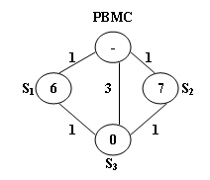
node | 0 | 1 | 2 | 3
visited | 0 | 0 | 0 | 0
trace | -1 | -1 | -1 | -1
D | inf | inf | inf | inf
back | 0 | 0 | 0 | 0
need | 0 | 0 | 0 | 0

visited | 1 | 0 | 0 | 0
trace | -1 | 0 | 0 | 0
D | 0 | 1 | 1 | 3
back | 0 | 1 | 2 | 0
need | 0 | 0 | 0 | 5

visited | 1 | 1 | 0 | 0
trace | -1 | 0 | 0 | 1
D | 0 | 1 | 1 | 2
back | 0 | 1 | 2 | 0
need | 0 | 0 | 0 | 4

visited | 1 | 1 | 1 | 0
trace | -1 | 0 | 0 | 2
D | 0 | 1 | 1 | 2
back | 0 | 1 | 2 | 0
need | 0 | 0 | 0 | 3

visited | 1 | 1 | 1 | 1
trace | -1 | 0 | 0 | 2
D | 0 | 1 | 1 | 2
back | 0 | 1 | 2 | 0
need | 0 | 0 | 0 | 3

