Sheet1
node name | ROM | GDN | PRS | BLN | PKN | HZH
node id | 0 | 1 | 2 | 3 | 4 | 5
visited | FALSE | FALSE | FALSE | FALSE | FALSE | FALSE
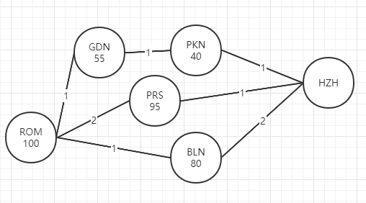
cost | inf | inf | inf | inf | inf | 0
happness cumulation | 0 | 0 | 0 | 0 | 0 | 0
trace | -1 | -1 | -1 | -1 | -1 | -1
pass | 0 | 0 | 0 | 0 | 0 | 0
average happiness

node name | ROM | GDN | PRS | BLN | PKN | HZH
node id | 0 | 1 | 2 | 3 | 4 | 5
visited | FALSE | FALSE | FALSE | FALSE | FALSE | TRUE
cost | inf | inf | 1 | 1 | 1 | 0
happness cumulation | 0 | 0 | 95 | 80 | 40 | 0
trace | -1 | -1 | 5 | 5 | 5 | -1
pass | 0 | 0 | 1 | 1 | 1 | 0
average happiness | FALSE | FALSE | 95 | 80 | 40 | FALSE

node name | ROM | GDN | PRS | BLN | PKN | HZH
node id | 0 | 1 | 2 | 3 | 4 | 5
visited | FALSE | FALSE | TRUE | FALSE | FALSE | TRUE
cost | 3 | inf | 1 | 1 | 1 | 0
happness cumulation | 195 | 0 | 95 | 80 | 40 | 0
trace | 2 | -1 | 5 | 5 | 5 | -1
pass | 2 | 0 | 1 | 1 | 1 | 0
average happiness | 97.5 | FALSE | 95 | 80 | 40 | FALSE

…

