Charts explanation
Background: This is the data of all the purchase request a company has received and processed in the last year or so. So, we are building a dashboard for the customer to view the same

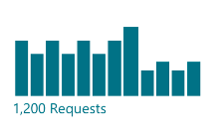
Chart 1 | This chart shows the number of request

X Axis | Request Date (Column C)
Y Axis | Distinct Count of Request Number (Column B)
Statistic | Total Distinct Count of Request Number (Column B)
Filters | No Filters
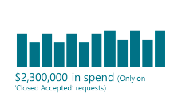
Chart 2 | This chart shows the amount of spend purchase

X Axis | Request Date (Column C)
Y Axis | Sum of Total Quote Price ( Column AB)
Statistic | Total Sum of Total Quote Price ( Column AB)
Filters | Quote Selected (Column AD) = Yes

Chart 3 | This chart shows the how long we took to provide quote to the user

X Axis | Request to Quote Cycle Time (Column AM)
Y Axis | Distinct Count of Request Number (Column B)
Statistic | Average of Request to Quote Cycle Time (Column AM)
Filters | Quote Selected (Column AD) = Yes

Chart 4 | This chart shows all the requests which are closed in the system
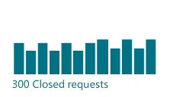
X Axis | Request Date (Column C)
Y Axis | Distinct Count of Request Number (Column B)
Statistic | Total Distinct Count of Request Number (Column B)
Filters | Status (Column Q) = Closed Accepted

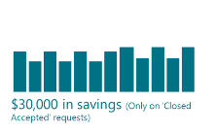
Chart 5 | This chart shows the amount of savings achieved

X Axis | Request Date (Column C)
Y Axis | Sum of Savings amount (Column AJ)
Statistic | Total sum of Savings Amount (Column AJ)
Filters | Status (Column Q) = Closed Accepted

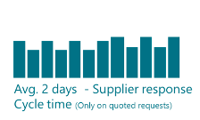
Chart 6 | This charts shows how long did suppliers take to respond to the request for quotes.

X Axis | Supplier Response Cycle Time (Column AN)
Y Axis | Distinct Count of Request Number (Column B)
Statistic | Average of Supplier Response Cycle Time (Column AN)
Filters | Status (Column Q) = Closed Accepted

