Scenario names
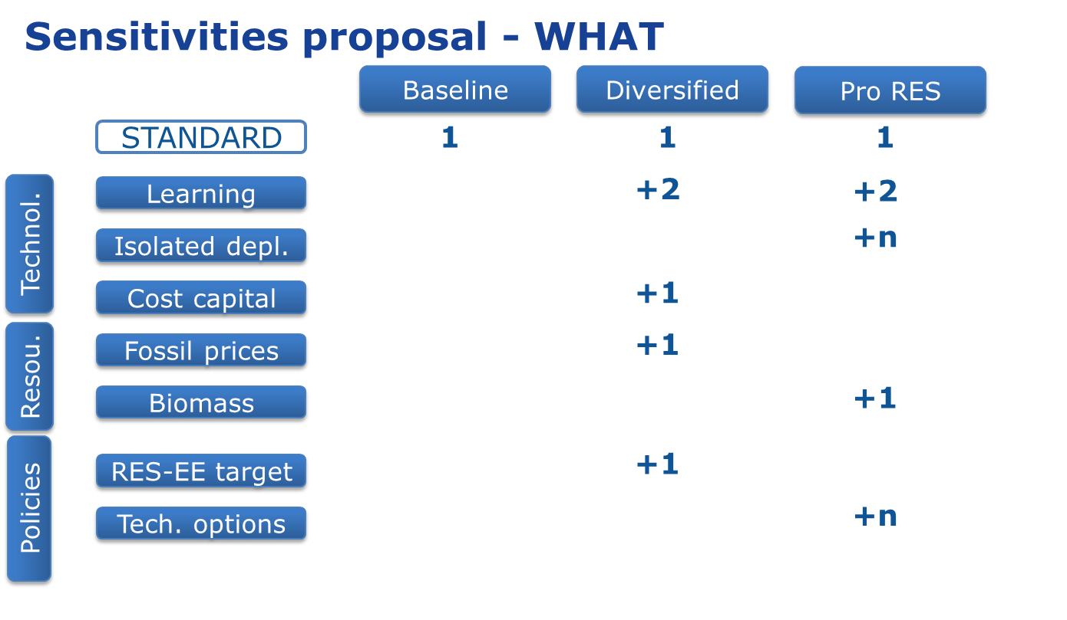

01_ | Baseline_RefL | 01_Baseline_RefL
02_ | Diversified_LowL | 02_Diversified_LowL
03_ | Diversified_RefL | 03_Diversified_RefL
04_ | Diversified_HighL | 04_Diversified_HighL
05_ | Diversified_CCS_IND_Only | 05_Diversified_CCS_IND_Only
06_ | Diversified_CostCapital | 06_Diversified_CostCapital | Most probable result is like 03
07_ | Diversified_LowFossilPrice | 07_Diversified_LowFossilPrice | Even more fossil ?
08_ | Diversified_RES_EE | 08_Diversified_RES_EE
09_ | PRORes_LowL | 09_PRORes_LowL
10_ | PRORes_RefL | 10_PRORes_RefL
11_ | PRORes_HighL | 11_PRORes_HighL
12_ | PRORes_SET | 12_PRORes_SET | Include Lifetime PV as well as SET-plan CSP
13_ | PRORes_OffshoreDepl | 13_PRORes_OffshoreDepl | Maybe already in HighL ?
14_ | PRORes_HighForest | 14_PRORes_HighForest
15_ | PRORes_NoCCU | 15_PRORes_NoCCU
16_ | PRORes_MaxBiofuel | 16_PRORes_MaxBiofuel

?? | PRORes_CSP | ONLY CSP without the PV reduction | entry CAPEX derived from other runs

Biofuels_SET Plan
SET Plan scenario in biofuels should have also production of 2.15 Mtoe of advanced biofuels by 2020.
LCEO Technology Group 1 | LCEO Technology Group 2 | Process | Process Description | Attribute | Unit - activity | Year | CommGrp | LimType | Curr | TimeSlice | Scenario | ValField | ValField
LCEO Sustainable advanced biofuels |  | BRF2_ETHLGC | Ethanol production from lignocellulosic biomass.2GenBiofuel. | ACT_COST | kt | 2010 | - | - | EUR07 | - | IFP_BioRefineries | 0.011406844106 | 0.2218
LCEO Sustainable advanced biofuels |  | BRF2_ETHLGC | Ethanol production from lignocellulosic biomass.2GenBiofuel. | ACT_COST | kt | 2020 |  |  | EUR14 |  |  |  | 0.1302
LCEO Sustainable advanced biofuels |  | BRF2_ETHLGC | Ethanol production from lignocellulosic biomass.2GenBiofuel. | ACT_COST | kt | 2030 |  |  | EUR14 |  |  |  | 0.0912
LCEO Sustainable advanced biofuels |  | BRF2_ETHLGC | Ethanol production from lignocellulosic biomass.2GenBiofuel. | NCAP_COST | kt | 2014 | - | - | EUR07 | - | IFP_BioRefineries | 2.81 | 2.81
LCEO Sustainable advanced biofuels |  | BRF2_ETHLGC | Ethanol production from lignocellulosic biomass.2GenBiofuel. | NCAP_COST | kt | 2020 |  |  | EUR14 |  |  |  | 1.65
LCEO Sustainable advanced biofuels |  | BRF2_ETHLGC | Ethanol production from lignocellulosic biomass.2GenBiofuel. | NCAP_COST | kt | 2030 |  |  | EUR14 |  |  |  | 1.15
LCEO Sustainable advanced biofuels |  | BRF2_ETHLGC | Ethanol production from lignocellulosic biomass.2GenBiofuel. | NCAP_FOM | kt | 2010 | - | - | EUR07 | - | IFP_BioRefineries | 0.20245330798 | 0.126
LCEO Sustainable advanced biofuels |  | BRF2_ETHLGC | Ethanol production from lignocellulosic biomass.2GenBiofuel. | NCAP_FOM | kt | 2020 |  |  | EUR14 |  |  |  | 0.074
LCEO Sustainable advanced biofuels |  | BRF2_ETHLGC | Ethanol production from lignocellulosic biomass.2GenBiofuel. | NCAP_FOM | kt | 2030 |  |  | EUR14 |  |  |  | 0.052
LCEO Sustainable advanced biofuels |  | BRF2_ETHLGC | Ethanol production from lignocellulosic biomass.2GenBiofuel. | NCAP_START | kt | - | - | - | - | - | IFP_BioRefineries | 2020
LCEO Sustainable advanced biofuels |  | BRF2_ETHLGC | Ethanol production from lignocellulosic biomass.2GenBiofuel. | NCAP_TLIFE | kt | 2010 | - | - | - | - | IFP_BioRefineries | 20
LCEO Sustainable advanced biofuels |  | BRF2_ETHLGC | Ethanol production from lignocellulosic biomass.2GenBiofuel. | VDA_FLOP | kt | 2010 | BIOLGCFS | - | - | ANNUAL | IFP_BioRefineries | 4.3 | 5.5
LCEO Sustainable advanced biofuels |  | BRF2_ETHLGC | Ethanol production from lignocellulosic biomass.2GenBiofuel. | VDA_FLOP | kt | 2020 | BIOLGCFS | - | EUR14 | ANNUAL | IFP_BioRefineries |  | 5.5
LCEO Sustainable advanced biofuels |  | BRF2_ETHLGC | Ethanol production from lignocellulosic biomass.2GenBiofuel. | VDA_FLOP | kt | 2030 | BIOLGCFS | - | EUR14 | ANNUAL | IFP_BioRefineries |  | 3.85
LCEO Sustainable advanced biofuels |  | BRF2_ETHLGC | Ethanol production from lignocellulosic biomass.2GenBiofuel. | VDA_FLOP | kt | 2010 | BRFEZ4 | - | - | ANNUAL | IFP_BioRefineries | 0.42 | 0.243
LCEO Sustainable advanced biofuels |  | BRF2_ETHLGC | Ethanol production from lignocellulosic biomass.2GenBiofuel. | VDA_FLOP | kt | 2010 | BRFWAT | - | - | ANNUAL | IFP_BioRefineries | 0.358
LCEO Sustainable advanced biofuels |  | BRF2_ETHLGC | Ethanol production from lignocellulosic biomass.2GenBiofuel. | VDA_FLOP | kt | 2010 | BRFCO2 | - | - | ANNUAL | IFP_BioRefineries | 0.95
LCEO Sustainable advanced biofuels |  | BRF2_ETHLGC | Ethanol production from lignocellulosic biomass.2GenBiofuel. | VDA_FLOP | kt | 2010 | ELCHIG | - | - | ANNUAL | IFP_BioRefineries | 0.0018
LCEO Sustainable advanced biofuels |  | BRF2_BTLFTDSL | FT-diesel production from lignocellulosic biomass.2GenBiofuel. | ACT_COST | kt | 2010 | - | - | EUR07 | - | IFP_BioRefineries | 0.016 | 0.011
LCEO Sustainable advanced biofuels |  | BRF2_BTLFTDSL | FT-diesel production from lignocellulosic biomass.2GenBiofuel. | ACT_COST | kt | 2020 | - | - | EUR14 |  |  |  | 0.009
LCEO Sustainable advanced biofuels |  | BRF2_BTLFTDSL | FT-diesel production from lignocellulosic biomass.2GenBiofuel. | ACT_COST | kt | 2030 | - | - | EUR14 |  |  |  | 0.007
LCEO Sustainable advanced biofuels |  | BRF2_BTLFTDSL | FT-diesel production from lignocellulosic biomass.2GenBiofuel. | NCAP_COST | kt | 2014 | - | - | EUR07 | - | IFP_BioRefineries | 7.95 | 5.55
LCEO Sustainable advanced biofuels |  | BRF2_BTLFTDSL | FT-diesel production from lignocellulosic biomass.2GenBiofuel. | NCAP_COST | kt | 2020 | - | - | EUR14 | - | IFP_BioRefineries |  | 2.71
LCEO Sustainable advanced biofuels |  | BRF2_BTLFTDSL | FT-diesel production from lignocellulosic biomass.2GenBiofuel. | NCAP_COST | kt | 2030 | - | - | EUR14 | - | IFP_BioRefineries |  | 1.89
LCEO Sustainable advanced biofuels |  | BRF2_BTLFTDSL | FT-diesel production from lignocellulosic biomass.2GenBiofuel. | NCAP_FOM | kt | 2010 | - | - | EUR07 | - | IFP_BioRefineries | 0.552 | 0.386
LCEO Sustainable advanced biofuels |  | BRF2_BTLFTDSL | FT-diesel production from lignocellulosic biomass.2GenBiofuel. | NCAP_FOM | kt | 2020 | - | - | EUR14 | - | IFP_BioRefineries |  | 0.326
LCEO Sustainable advanced biofuels |  | BRF2_BTLFTDSL | FT-diesel production from lignocellulosic biomass.2GenBiofuel. | NCAP_FOM | kt | 2030 | - | - | EUR14 | - | IFP_BioRefineries |  | 0.228
LCEO Sustainable advanced biofuels |  | BRF2_BTLFTDSL | FT-diesel production from lignocellulosic biomass.2GenBiofuel. | NCAP_START | kt | - | - | - | - | - | IFP_BioRefineries | 2020
LCEO Sustainable advanced biofuels |  | BRF2_BTLFTDSL | FT-diesel production from lignocellulosic biomass.2GenBiofuel. | NCAP_TLIFE | kt | 2010 | - | - | - | - | IFP_BioRefineries | 20
LCEO Sustainable advanced biofuels |  | BRF2_BTLFTDSL | FT-diesel production from lignocellulosic biomass.2GenBiofuel. | VDA_FLOP | kt | 2010 | BIOLGCFS | - | - | ANNUAL | IFP_BioRefineries | 5 | 6.1
LCEO Sustainable advanced biofuels |  | BRF2_BTLFTDSL | FT-diesel production from lignocellulosic biomass.2GenBiofuel. | VDA_FLOP | kt | 2010 | SUPGAS | - | - | ANNUAL | IFP_BioRefineries | 0.00093 | 0
LCEO Sustainable advanced biofuels |  | BRF2_BTLFTDSL | FT-diesel production from lignocellulosic biomass.2GenBiofuel. | VDA_FLOP | kt | 2010 | ELCHIG | - | - | ANNUAL | IFP_BioRefineries | 0.0018 | 0.011
LCEO Sustainable advanced biofuels |  | BRF2_BTLFTDSL | FT-diesel production from lignocellulosic biomass.2GenBiofuel. | VDA_FLOP | kt | 2010 | OILNAP | - | - | ANNUAL | IFP_BioRefineries | 0.0114224 | 0
LCEO Sustainable advanced biofuels |  | BRF1_HVO | Hydrotreated vegetable oil.1GenBiofuel. | ACT_COST | kt | 2010 | - | - | EUR07 | - | IFP_BioRefineries | 0.0023992911185
LCEO Sustainable advanced biofuels |  | BRF1_HVO | Hydrotreated vegetable oil.1GenBiofuel. | NCAP_COST | kt | 2015 | - | - | EUR07 | - | IFP_BioRefineries | 0.25628791493 | 0.63
LCEO Sustainable advanced biofuels |  | BRF1_HVO | Hydrotreated vegetable oil.1GenBiofuel. | NCAP_COST | kt | 2020 | - | - | EUR07 | - | IFP_BioRefineries | 0.24603639834 | 0.63
LCEO Sustainable advanced biofuels |  | BRF1_HVO | Hydrotreated vegetable oil.1GenBiofuel. | NCAP_COST | kt | 2025 | - | - | EUR07 | - | IFP_BioRefineries | 0.2075932111 | 0.63
LCEO Sustainable advanced biofuels |  | BRF1_HVO | Hydrotreated vegetable oil.1GenBiofuel. | NCAP_COST | kt | 2030 | - | - | EUR07 | - | IFP_BioRefineries | 0.18452729875 | 0.63
LCEO Sustainable advanced biofuels |  | BRF1_HVO | Hydrotreated vegetable oil.1GenBiofuel. | NCAP_FOM | kt | 2010 | - | - | EUR07 | - | IFP_BioRefineries | 0.053561870356 | 0.02
LCEO Sustainable advanced biofuels |  | BRF1_HVO | Hydrotreated vegetable oil.1GenBiofuel. | NCAP_START | kt | - | - | - | - | - | IFP_BioRefineries | 2015
LCEO Sustainable advanced biofuels |  | BRF1_HVO | Hydrotreated vegetable oil.1GenBiofuel. | NCAP_TLIFE | kt | 2010 | - | - | - | - | IFP_BioRefineries | 20
LCEO Sustainable advanced biofuels |  | BRF1_HVO | Hydrotreated vegetable oil.1GenBiofuel. | VDA_FLOP | kt | 2010 | BIOOILFS | - | - | ANNUAL | IFP_BioRefineries | 1.1587485516 | 1.22
LCEO Sustainable advanced biofuels |  | BRF1_HVO | Hydrotreated vegetable oil.1GenBiofuel. | VDA_FLOP | kt | 2010 | BRFCA3 | - | - | ANNUAL | IFP_BioRefineries | 0.00024
LCEO Sustainable advanced biofuels |  | BRF1_HVO | Hydrotreated vegetable oil.1GenBiofuel. | VDA_FLOP | kt | 2010 | BRFH2 | - | - | ANNUAL | IFP_BioRefineries | 0.0051 | 0.0037
LCEO Sustainable advanced biofuels |  | BRF1_HVO | Hydrotreated vegetable oil.1GenBiofuel. | VDA_FLOP | kt | 2010 | OILHFO | - | - | ANNUAL | IFP_BioRefineries | 0.005971634735 | 0
LCEO Sustainable advanced biofuels |  | BRF1_HVO | Hydrotreated vegetable oil.1GenBiofuel. | VDA_FLOP | kt | 2010 | SUPELC | - | - | ANNUAL | IFP_BioRefineries | 0.00022392 | 0.0000704
LCEO Sustainable advanced biofuels |  | BRF1_HVO | Hydrotreated vegetable oil.1GenBiofuel. | VDA_FLOP | kt | 2010 | SUPHTH | - | - | ANNUAL | IFP_BioRefineries | 0.0000504 | 0.0003476
LCEO Sustainable advanced biofuels |  | BRF1_HVO | Hydrotreated vegetable oil.1GenBiofuel. | VDA_FLOP | kt | 2010 | BIOPROP | - | - | ANNUAL | IFP_BioRefineries | 0.058 | 0

STE SET
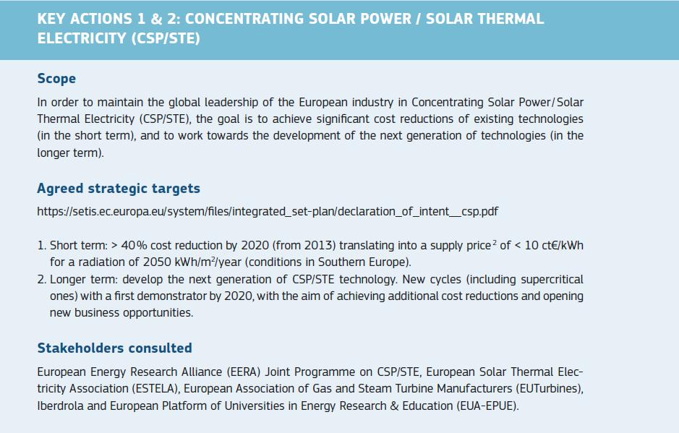
1. 40 % cost reduction applied on CAPEX 2015 instead of LCOE 2013.
The reason is that we estimate for 10 ct/kWh in 2020 all things being equal (CF, DR, irradiation), CAPEX would need to be about 2,000 Eur/kW which seems quite ambitious.
2. SET Plan target on next generation of STE technologies not taken into account as no parameters are available
 |  |  |  | 2015 | 2020 | 2025 | 2030 | 2035 | 2040 | 2045 | 2050
1 | Reference | CAPEX | Parabolic trough w storage | 6000 | 5650 | 5350 | 5100 | 4800 | 4530 | 4360 | 4200
 |  |  | Solar tower w storage | 5280 | 4970 | 4710 | 4480 | 4220 | 3990 | 3840 | 3690 | FIXOM
 | SET Plan | CAPEX: 40 % cost reduction by 2020 | Parabolic trough w storage | 6000 | 3600 | 3410 | 3250 | 3060 | 2890 | 2780 | 2670 | 1.7%
 |  |  | Solar tower w storage | 5280 | 3170 | 3000 | 2860 | 2690 | 2540 | 2440 | 2350 | 1.7%

PV SET
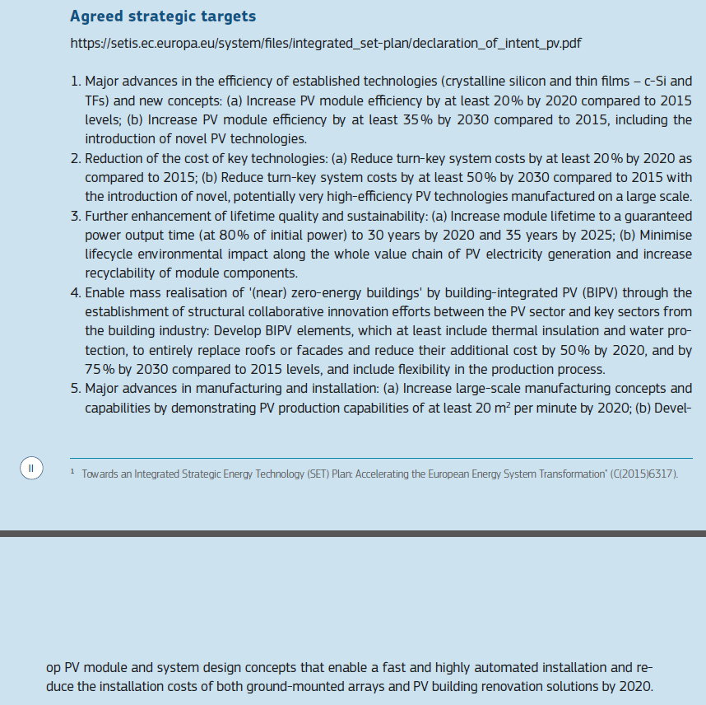
1. In JRC-EU-TIMES, efficiency of PV translates to surface area. Hence, improved efficiency leads to lower surface area used.
Q; What to assume as efficiency improvement beyond 2030? Currently , reference values are used
2. The generated CAPEX from 2030 onwards assume reference learning rate and lifetime improvement as in 3a
3a. the guaranteed lifetime does not take into account the application to 80% of power output but assumes 100% of output
SET Plan targets 3b, 4 and 5 not included
 |  |  |  | 2010 | 2015 | 2020 | 2025 | 2030 | 2035 | 2040 | 2045 | 2050
1 | Reference | Efficiency | Utility c-Si, tracking | 14% | 15% | 17% | 18% | 20% | 22% | 25% | 27% | 30%
 |  |  | Utility c-Si, flat | 14% | 15% | 17% | 18% | 20% | 22% | 25% | 27% | 30%
 |  |  | Commercial c-Si, flat | 14% | 15% | 16% | 18% | 19% | 22% | 24% | 27% | 30%
 |  |  | Commercial PVT, flat | 14% | 15% | 16% | 18% | 19% | 22% | 24% | 27% | 30%
 |  |  | Residential c-Si, inclined | 14% | 15% | 16% | 18% | 19% | 22% | 24% | 27% | 30%
 |  |  | Residential PVT, inclined | 14% | 15% | 16% | 18% | 19% | 22% | 24% | 27% | 30%
 | SET Plan | Efficiency improvement by at least 20% by 2020 and 30% by 2030 compared to 2015 | Utility c-Si, tracking | 14% | 15% | 19% | 19% | 20.1% | 22% | 25% | 27% | 30%
 |  |  | Utility c-Si, flat | 14% | 15% | 19% | 19% | 20.1% | 22% | 25% | 27% | 30%
 |  |  | Commercial c-Si, flat | 14% | 15% | 18% | 19% | 19.9% | 22% | 24% | 27% | 30%
 |  |  | Commercial PVT, flat | 14% | 15% | 18% | 19% | 19.9% | 22% | 24% | 27% | 30%
 |  |  | Residential c-Si, inclined | 14% | 15% | 18% | 19% | 19.9% | 22% | 24% | 27% | 30%
 |  |  | Residential PVT, inclined | 14% | 15% | 18% | 19% | 19.9% | 22% | 24% | 27% | 30%
2 | Reference | CAPEX | Utility c-Si, tracking |  | 1120 | 910 | 840 | 790 | 750 | 640 | 580 | 550
 |  |  | Utility c-Si, flat |  | 1020 | 830 | 760 | 720 | 680 | 580 | 530 | 500
 |  |  | Commercial c-Si, flat |  | 1140 | 920 | 850 | 810 | 760 | 650 | 590 | 560
 |  |  | Commercial PVT, flat |  | 2760 | 2230 | 2070 | 1950 | 1840 | 1580 | 1430 | 1360
 |  |  | Residential c-Si, inclined |  | 1360 | 1100 | 1020 | 960 | 910 | 780 | 700 | 670
 |  |  | Residential PVT, inclined |  | 3290 | 2660 | 2460 | 2320 | 2190 | 1880 | 1700 | 1620 | FIXOM
 | SET Plan | CAPEX: reduction of CAPEX by 20% in 2020 and 50% in 2030 compared to 2015 | Utility c-Si, tracking |  | 1120 | 900 | 730 | 560 | 530 | 450 | 430 | 400 | 2.3%
 |  |  | Utility c-Si, flat |  | 1020 | 820 | 660 | 510 | 480 | 410 | 390 | 360 | 1.7%
 |  |  | Commercial c-Si, flat |  | 1140 | 910 | 740 | 570 | 540 | 460 | 440 | 400 | 2.5%
 |  |  | Commercial PVT, flat |  | 2760 | 2210 | 1790 | 1380 | 1300 | 1120 | 1050 | 980 | 1.5%
 |  |  | Residential c-Si, inclined |  | 1360 | 1090 | 880 | 680 | 640 | 550 | 520 | 480 | 2.0%
 |  |  | Residential PVT, inclined |  | 3290 | 2630 | 2140 | 1650 | 1550 | 1330 | 1260 | 1170 | 1.5%
3a | Reference | Lifetime | Utility c-Si, tracking |  | 25 | 25 | 25 | 25 | 25 | 25 | 25 | 25
 |  |  | Utility c-Si, flat |  | 25 | 25 | 25 | 25 | 25 | 25 | 25 | 25
 |  |  | Commercial c-Si, flat |  | 25 | 25 | 25 | 25 | 25 | 25 | 25 | 25
 |  |  | Commercial PVT, flat |  | 25 | 25 | 25 | 25 | 25 | 25 | 25 | 25
 |  |  | Residential c-Si, inclined |  | 25 | 25 | 25 | 25 | 25 | 25 | 25 | 25
 |  |  | Residential PVT, inclined |  | 25 | 25 | 25 | 25 | 25 | 25 | 25 | 25
 | SET Plan | Increase liftime to 30 years by 2020 and 35 years by 2025 | Utility c-Si, tracking |  | 25 | 30 | 35 | 35 | 35 | 35 | 35 | 35
 |  |  | Utility c-Si, flat |  | 25 | 30 | 35 | 35 | 35 | 35 | 35 | 35
 |  |  | Commercial c-Si, flat |  | 25 | 30 | 35 | 35 | 35 | 35 | 35 | 35
 |  |  | Commercial PVT, flat |  | 25 | 30 | 35 | 35 | 35 | 35 | 35 | 35
 |  |  | Residential c-Si, inclined |  | 25 | 30 | 35 | 35 | 35 | 35 | 35 | 35
 |  |  | Residential PVT, inclined |  | 25 | 30 | 35 | 35 | 35 | 35 | 35 | 35

