STOCK 2010
Source: http://stats.ehpa.org/hp_sales/cockpit/ |  |  |  |  |  |  | Simplification

 | Exhaust air | H-air/water | H-ground/water | Reversible air-air w/heating | Reversible other | Sanitary hot water |  | AIR | AIR REVERSIBLE | AIR Sanitary Hot Water | GROUND
LT | 0 | 302 | 769 | 0 | 0 | 0 | AT | 21063 | 0 | 80685 | 69213
HU | 71 | 164 | 520 | 268 | 664 | 38 | BE | 2879 | 0 | 1611 | 1954
SK | 71 | 650 | 500 | 59 | 100 | 0 | CH | 59579 | 0 | 1487 | 45733
IE | 90 | 927 | 1279 | 0 | 0 | 3 | CZ | 9724 | 0 | 10 | 8747
BE | 135 | 2879 | 1954 | 0 | 0 | 1611 | DE | 130781 | 1372 | 102515 | 216821
CZ | 0 | 9724 | 8747 | 0 | 55 | 10 | DK | 4226 | 42163 | 6580 | 13528
PL | 95 | 1200 | 4120 | 0 | 770 | 2060 | EE | 1520 | 34320 | 0 | 3735
NL | 922 | 9070 | 18653 | 131 | 361 | 5901 | ES | 0 | 67230 | 0 | 0
EE | 176 | 1520 | 3735 | 34320 | 0 | 0 | FI | 6326 | 297948 | 0 | 34934
PT | 0 | 0 | 0 | 49669 | 4589 | 427 | FR | 366053 | 217551 | 29000 | 84737
UK | 8770 | 25245 | 16160 | 0 | 0 | 0 | HU | 164 | 268 | 38 | 520
DK | 4224 | 4226 | 13528 | 42163 | 0 | 6580 | IE | 927 | 0 | 3 | 1279
CH | 478 | 59579 | 45733 | 0 | 0 | 1487 | IT | 1240 | 715201 | 0 | 357
AT | 4036 | 21063 | 69213 | 0 | 0 | 80685 | LT | 302 | 0 | 0 | 769
ES | 0 | 0 | 0 | 67230 | 3259 | 0 | NL | 9070 | 131 | 5901 | 18653
FI | 12707 | 6326 | 34934 | 297948 | 0 | 0 | NO | 20941 | 504182 | 0 | 25248
DE | 0 | 130781 | 216821 | 1372 | 3313 | 102515 | PL | 1200 | 0 | 2060 | 4120
NO | 7632 | 20941 | 25248 | 504182 | 0 | 0 | PT | 0 | 49669 | 427 | 0
IT | 0 | 1240 | 357 | 715201 | 62038 | 0 | SE | 96565 | 402543 | 0 | 372685
FR | 0 | 366053 | 84737 | 217551 | 33122 | 29000 | SK | 650 | 59 | 0 | 500
SE | 176180 | 96565 | 372685 | 402543 | 0 | 0 | UK | 25245 | 0 | 0 | 16160

STOCK 2014
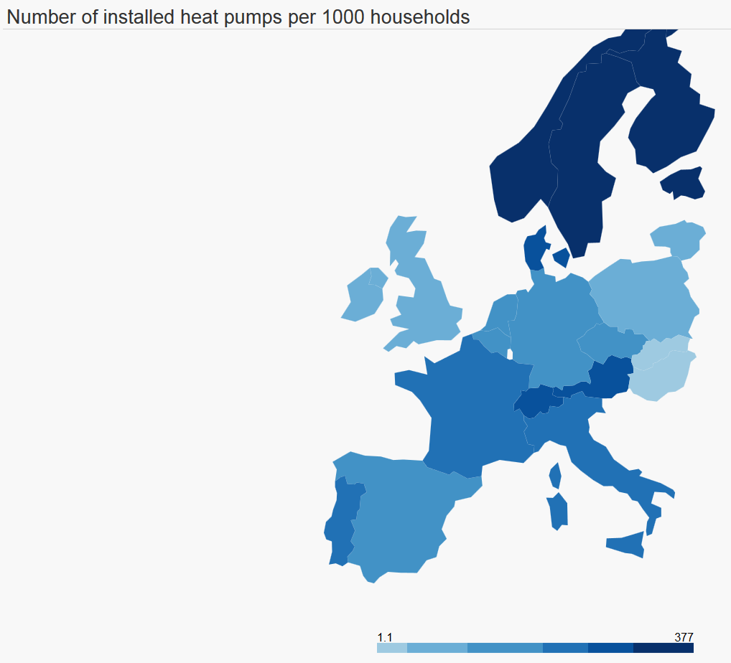
 |  |  |  |  |  |  |  |  |  |  |  |  | MARKET
Source: http://stats.ehpa.org/hp_sales/cockpit/ |  |  |  |  |  |  | Simplification |  |  |  |  |  | Absolute growth per year

 | Exhaust air | H-air/water | H-ground/water | Reversible air-air w/heating | Reversible other | Sanitary hot water |  | AIR | AIR REVERSIBLE | AIR Sanitary Hot Water | GROUND | AIR TOT | AIR | AIR REVERSIBLE | AIR Sanitary Hot Water | GROUND
LT |  | 1175 | 2868 |  | 45 |  | LT | 1175 | 0 | 0 | 2868 | #REF! | #REF! | #REF! | #REF! | #REF! | #REF!
HU | 195 | 552 | 1845 | 614 | 1181 | 71 | HU | 552 | 614 | 71 | 1845 | -4974 | -5128 | 153 | -20154 | -16842 | -41970
SK | 105 | 1499 | 1426 | 169 | 1090 | 72 | SK | 1499 | 169 | 72 | 1426 | #REF! | #REF! | #REF! | #REF! | #REF! | #REF!
IE | 142 | 5432 | 3119 |  |  | 15 | IE | 5432 | 0 | 15 | 3119 | #REF! | #REF! | #REF! | #REF! | #REF! | #REF!
BE | 135 | 19544 | 6996 | 1820 |  | 12489 | BE | 19544 | 1820 | 12489 | 6996 | 4621 | 4166 | 455 | 2720 | 1261 | 8601
CZ | 675 | 28948 | 17469 | 0 | 55 | 20 | CZ | 28948 | 0 | 20 | 17469 | #REF! | #REF! | #REF! | #REF! | #REF! | #REF!
PL | 361 | 6533 | 22750 | 2686 | 4450 | 28457 | PL | 6533 | 2686 | 28457 | 22750 | #REF! | #REF! | #REF! | #REF! | #REF! | #REF!
NL | 922 | 23527 | 35861 | 131 | 361 | 7155 | NL | 23527 | 131 | 7155 | 35861 | -8980 | -9013 | 33 | 1417 | -2468 | -10031
EE | 357 | 4820 | 8875 | 81520 |  |  | EE | 4820 | 81520 | 0 | 8875 | #REF! | #REF! | #REF! | #REF! | #REF! | #REF!
PT |  | 202 | 54 | 85780 | 6469 | 2772 | PT | 202 | 85780 | 2772 | 54 | #REF! | #REF! | #REF! | #REF! | #REF! | #REF!
UK | 13300 | 84481 | 24875 |  |  | 230 | UK | 84481 | 0 | 230 | 24875 | 18689 | 18689 | 0 | 55 | 4032 | 22776
DK | 8934 | 14122 | 25814 | 115755 |  | 15463 | DK | 14122 | 115755 | 15463 | 25814 | #REF! | #REF! | #REF! | #REF! | #REF! | #REF!
CH | 549 | 105523 | 75879 | 0 |  | 12446 | CH | 105523 | 0 | 12446 | 75879 | -6657 | -6315 | -343 | -22517 | -35236 | -64410
AT | 4938 | 49974 | 89852 |  |  | 75277 | AT | 49974 | 0 | 75277 | 89852 | #REF! | #REF! | #REF! | #REF! | #REF! | #REF!
ES |  | 2090 | 1144 | 278896 | 18722 | 2187 | ES | 2090 | 278896 | 2187 | 1144 | 58649 | -534 | 59183 | -1098 | -3096 | 54455
FI | 20308 | 11055 | 85294 | 496910 |  |  | FI | 11055 | 496910 | 0 | 85294 | #REF! | #REF! | #REF! | #REF! | #REF! | #REF!
DE |  | 277894 | 296129 | 1372 | 3313 | 144174 | DE | 277894 | 1372 | 144174 | 296129 | 60856 | 69094 | -8237 | 36044 | 73099 | 169998
NO | 9496 | 32157 | 38104 | 749025 |  |  | NO | 32157 | 749025 | 0 | 38104 | #REF! | #REF! | #REF! | #REF! | #REF! | #REF!
IT |  | 2889 | 2759 | 1103936 | 122677 | 1551 | IT | 2889 | 1103936 | 1551 | 2759 | #REF! | #REF! | #REF! | #REF! | #REF! | #REF!
FR |  | 507040 | 103409 | 405640 | 128929 | 209089 | FR | 507040 | 405640 | 209089 | 103409 | 211363 | 126760 | 84603 | 52272 | 25852 | 289487
SE | 214136 | 124437 | 474079 | 619234 |  |  | SE | 124437 | 619234 | 0 | 474079 | #REF! | #REF! | #REF! | #REF! | #REF! | #REF!

