Biofuel 2nd with CCS
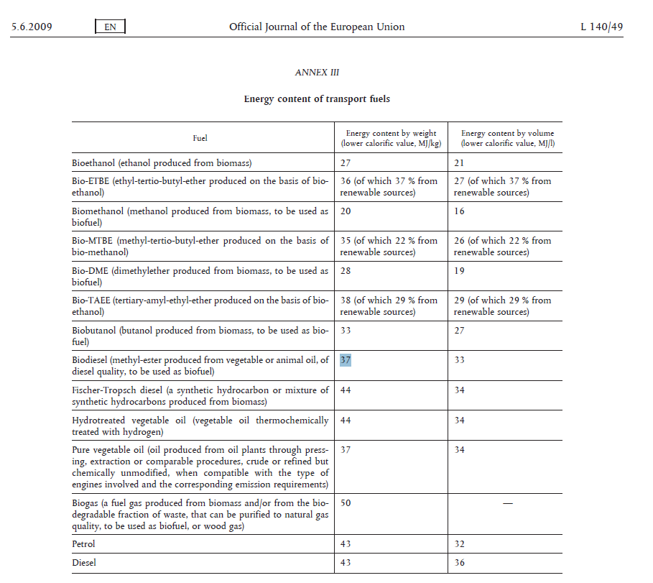
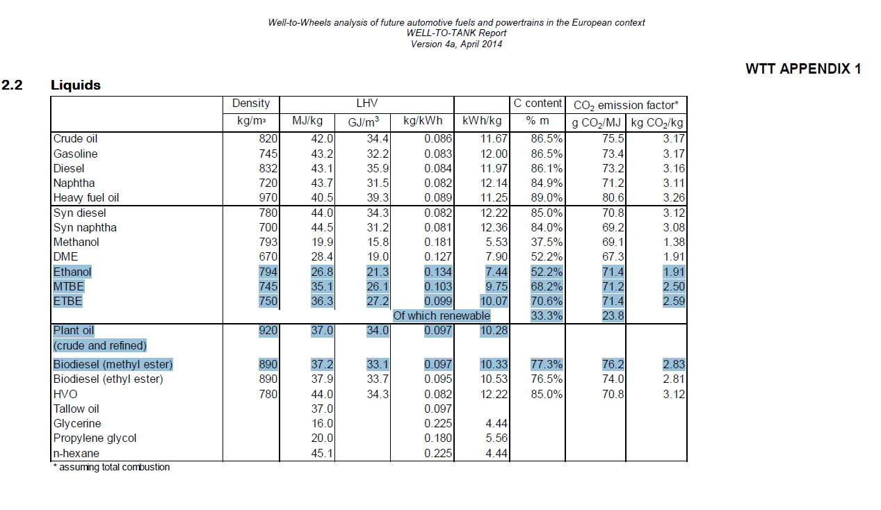
 |  |  |  |  |  |  |  |  | kt/PJ
 |  |  |  | MJ/kg | PJ | kt carbon | kt CO2 | Captured CO2 | Emission factor wood
BRF2_ETHLGC | Wood | 4.3 | kt | 18 | 0.0774 | 2.2 | 7.9 | 6.0 | 102
 | Ethanol | 1 | kt | 26.8 | 0.0268 | 0.52 | 1.9 |  | 71
 |  | 23% |  |  | 35% |  | 24%

 |  |  |  | MJ/kg | PJ | kt carbon | kt CO2 | Captured CO2
BRF2_BTLFTDSL | Wood | 5 | kt | 18 | 0.09 | 2.5 | 9.2 | 6.3 | 102
 | FT Diesel | 1 | kt | 37.2 | 0.0372 | 0.77 | 2.8 |  | 76.2
 |  | 20% |  |  | 41% |  | 31%

