REF2016 Prices
Energy Trends Reference Scenario 2015

Fossil prices PRIMES
USD of 2010 per boe
 | 2010 | 2020 | 2030 | 2040 | 2050
Oil
Reference | 79.5 | 84.7 | 106.7 | 117.9 | 123.4
High prices
Low Prices
Gas
Reference | 50.2 | 54.8 | 64.6 | 71.3 | 73.9
High prices
Low Prices
Coal
Reference | 21.2 | 16.2 | 23.3 | 25.8 | 27.4
High prices
Low Prices

 | 2010 | 2020 | 2030 | 2040 | 2050
Oil P Ref | 79.5 | 84.7 | 106.7 | 117.9 | 123.4
Oil P High | 0.0 | 0.0 | 0.0 | 0.0 | 0.0
Oil P Low | 0.0 | 0.0 | 0.0 | 0.0 | 0.0
Oil T Ref | 73.8 | 84.4 | 98.1 | 112.0 | 114.6
Oil T Base | 73.8 | 90.1 | 113.0 | 153.9 | 165.8
Gas P Ref | 50.2 | 54.8 | 64.6 | 71.3 | 73.9
Gas P High | 0.0 | 0.0 | 0.0 | 0.0 | 0.0
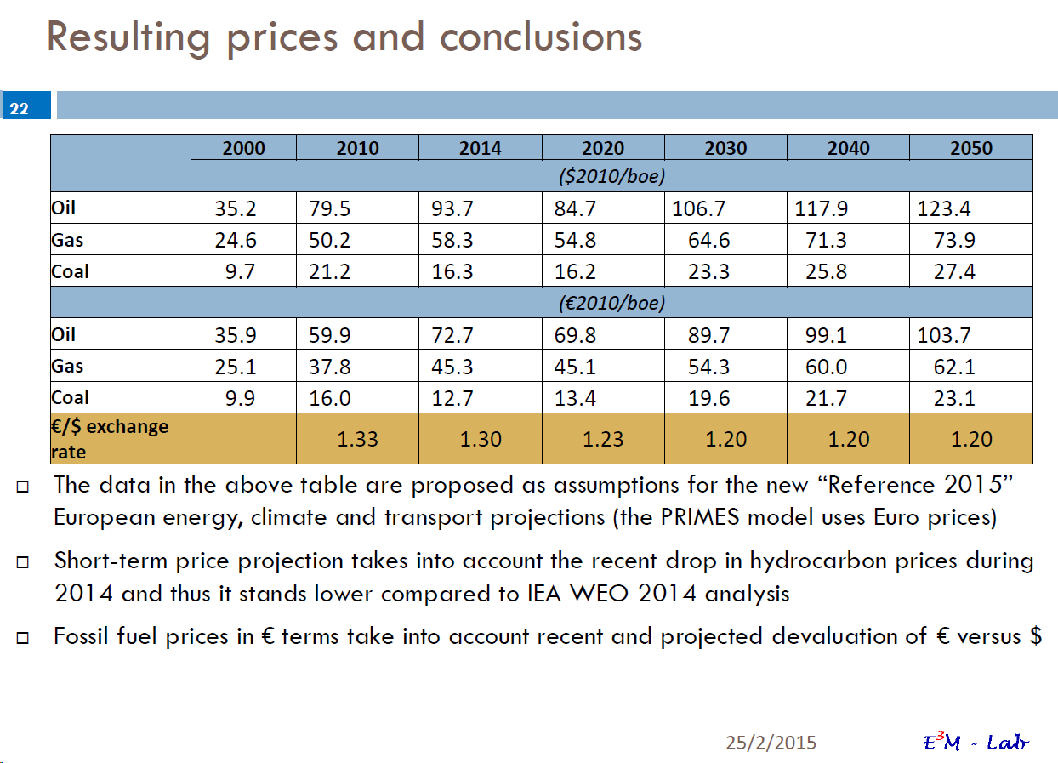
Gas P Low | 0.0 | 0.0 | 0.0 | 0.0 | 0.0
Gas T Ref | 23.1 | 30.9 | 34.3 | 40.1 | 41.1
Gas T Base | 23.2 | 32.5 | 39.1 | 53.9 | 60.1
Coal P Ref | 21.2 | 16.2 | 23.3 | 25.8 | 27.4
Coal P High | 0.0 | 0.0 | 0.0 | 0.0 | 0.0
Coal P Low | 0.0 | 0.0 | 0.0 | 0.0 | 0.0
Coal T Ref | 14.9 | 16.4 | 17.7 | 19.5 | 20.1
Coal T Base | 14.9 | 17.0 | 18.5 | 20.6 | 21.3

PRIMES in eur 2010/GJ
 | 2010 | 2020 | 2030 | 2040 | 2050
Oil
Reference | 9.82 | 11.44 | 14.70 | 16.25 | 17.000000000000000
High prices
Low Prices
Gas
Reference | 6.20 | 7.39 | 8.90 | 9.84 | 10.18
High prices
Low Prices
Coal
Reference | 2.62 | 2.20 | 3.21 | 3.56 | 3.79
High prices
Low Prices
PRIMES in eur 2010/boe
Reference | 2010 | 2020 | 2030 | 2040 | 2050
Oil | 59.90 | 69.80 | 89.70 | 99.10 | 103.70
Gas | 37.80 | 45.10 | 54.30 | 60.00 | 62.10
Coal | 16.00 | 13.40 | 19.60 | 21.70 | 23.10
High prices
Oil | 0.00 | 0.00 | 0.00 | 0.00 | 0.00
Gas | 0.00 | 0.00 | 0.00 | 0.00 | 0.00
Coal | 0.00 | 0.00 | 0.00 | 0.00 | 0.00
Low prices
Oil | 0.00 | 0.00 | 0.00 | 0.00 | 0.00
Gas | 0.00 | 0.00 | 0.00 | 0.00 | 0.00
Coal | 0.00 | 0.00 | 0.00 | 0.00 | 0.00

PRIMESprices SEC 2011
Energy 2050 Roadmap. Impact assessment 1 - including Part 1 of Annex 1 "Scenarios - assumptions and results" [SEC(2011)1565/1]
http://ec.europa.eu/energy/energy2020/roadmap/doc/sec_2011_1565_part1.pdf
Annex 1 Table 3: Energy import prices in the Reference scenario and low and high price variants
Primary Energy Import Prices in EU in TIMES and PRIMES
USD of 2008 per boe
Oil import prices in EU in TIMES and PRIMES
 | 2010 | 2020 | 2030 | 2040 | 2050
Oil
Reference | 84.6 | 88.4 | 105.9 | 116.2 | 126.8
High prices | 84.6 | 132.2 | 149.3 | 148.8 | 162.3
Low Prices | 84.6 | 78.8 | 91.5 | 87.9 | 83.9
Gas
Reference | 53.5 | 62.1 | 76.6 | 86.8 | 98.4
High prices | 53.5 | 85.5 | 101.5 | 111.6 | 129.0
Low Prices | 53.5 | 43.7 | 50.9 | 49.9 | 54.1
Coal
Reference | 22.6 | 28.7 | 32.6 | 32.6 | 33.5
High prices | 22.6 | 39.3 | 45.7 | 42 | 40
Low Prices | 22.6 | 21.9 | 23.8 | 22.2 | 23.1

Gas import prices in EU in TIMES and PRIMES
 | 2010 | 2020 | 2030 | 2040 | 2050
Oil P Ref | 84.6 | 88.4 | 105.9 | 116.2 | 126.8
Oil P High | 84.6 | 132.2 | 149.3 | 148.8 | 162.3
Oil P Low | 84.6 | 78.8 | 91.5 | 87.9 | 83.9
Oil T Ref | 73.8 | 84.4 | 98.1 | 112.0 | 114.6
Oil T Base | 73.8 | 90.1 | 113.0 | 153.9 | 165.8
Gas P Ref | 53.5 | 62.1 | 76.6 | 86.8 | 98.4
Gas P High | 53.5 | 85.5 | 101.5 | 111.6 | 129.0
Gas P Low | 53.5 | 43.7 | 50.9 | 49.9 | 54.1
Gas T Ref | 23.1 | 30.9 | 34.3 | 40.1 | 41.1
Gas T Base | 23.2 | 32.5 | 39.1 | 53.9 | 60.1
Coal P Ref | 22.6 | 28.7 | 32.6 | 32.6 | 33.5
Coal P High | 22.6 | 39.3 | 45.7 | 42.0 | 40.0
Coal P Low | 22.6 | 21.9 | 23.8 | 22.2 | 23.1
Coal T Ref | 14.9 | 16.4 | 17.7 | 19.5 | 20.1
Coal T Base | 14.9 | 17.0 | 18.5 | 20.6 | 21.3

Coal import prices in EU in TIMES and PRIMES
PRIMES in eur 2000/GJ
 | 2010 | 2020 | 2030 | 2040 | 2050
Oil
Reference | 12.19 | 12.74 | 15.26 | 16.74 | 18.27
High prices | 12.19 | 19.05 | 21.51 | 21.44 | 23.38
Low Prices | 12.19 | 11.35 | 13.18 | 12.66 | 12.09
Gas
Reference | 7.71 | 8.95 | 11.04 | 12.51 | 14.18
High prices | 7.71 | 12.32 | 14.62 | 16.08 | 18.59
Low Prices | 7.71 | 6.30 | 7.33 | 7.19 | 7.79
Coal
Reference | 3.26 | 4.13 | 4.70 | 4.70 | 4.83
High prices | 3.26 | 5.66 | 6.58 | 6.05 | 5.76
Low Prices | 3.26 | 3.16 | 3.43 | 3.20 | 3.33
PRIMES in eur 2000/GJ
Reference | 2010 | 2020 | 2030 | 2040 | 2050
Oil | 12.19 | 12.74 | 15.26 | 16.74 | 18.27
Gas | 7.71 | 8.95 | 11.04 | 12.51 | 14.18
Coal | 3.26 | 4.13 | 4.70 | 4.70 | 4.83
High prices
Oil | 12.19 | 19.05 | 21.51 | 21.44 | 23.38
Gas | 7.71 | 12.32 | 14.62 | 16.08 | 18.59
Coal | 3.26 | 5.66 | 6.58 | 6.05 | 5.76
Low prices
Oil | 12.19 | 11.35 | 13.18 | 12.66 | 12.09
Gas | 7.71 | 6.30 | 7.33 | 7.19 | 7.79
Coal | 3.26 | 3.16 | 3.43 | 3.20 | 3.33

