INS
Trans - Insert
 | ~TFM_INS |  |  |  |  |  |  |  | https://www.cell.com/joule/fulltext/S2542-4351(18)30225-3
 | TimeSlice | LimType | Attribute | Year | AllRegions | Pset_PN | Cset_CN | OTHER_INDEXES | A Process for Capturing CO2 from the Atmosphere |  |  |  | Sensitivities included
 |  |  | VDA_FLOP | 2010 | 0.00250 | SNK_DAC_GAS,SNK_DAC_GAS_LowAF | ELCMED |  | 77 | KWh | 366 | KWh |  |  | Heat input | GAS input | ELEC input | CAPEX | VAROM | SNKCO2N | SUPSCO2N
 |  |  | VDA_FLOP | 2020 | 0.00250 | SNK_DAC_GAS,SNK_DAC_GAS_LowAF | ELCMED |  | 277.2 | MJ | 1317.6 | MJ | SNK_DAC | Original data from different sources | 5.89 |  | 356 | 2900 to 1485 |  | 1 |  | Heat as an input may be TOO flexible (as the temperature from CHP heat is for example too low).
 |  |  | VDA_FLOP | 2030 | 0.00198 | SNK_DAC_GAS,SNK_DAC_GAS_LowAF | ELCMED |  | 0.2772 | GJ per ton | 1.3176 | GJ per ton | SNK_DAC | Sensitivity for LCEO | 5.89 |  | 77 | 609 | 23 | 1 |  | This is the variant included in the sensitivity - should only be used in case of P2L (see explanation paper).
 |  |  | VDA_FLOP | 2050 | 0.00132 | SNK_DAC_GAS,SNK_DAC_GAS_LowAF | ELCMED |  | 0.0002772 | TJ per ton | 0.0013176 | TJ per ton | SNK_DAC_GAS | A: Baseline: gas fired → 15 MPa CO2 output |  | 8.81 | 0 | 1,146 |  | 1 | 0.48 | We don’t model this variant to keep freedom of power production (including gas with CCS). Also, without underground storage, you simply have to much positive emissions. Indirect CO2 from electricity may make CO2 price higher in scenarios with underground storage.
 |  |  | VDA_FLOP | 2010 | 0.00525 | SNK_DAC_GAS,SNK_DAC_GAS_LowAF | GASNAT |  | 0.0002772 | PJ per kton | 0.0013176 | PJ per kton | SNK_DAC_GAS | C: Gas and electricity input → 15 MPa CO2 output |  | 5.25 | 366 | 694 |  | 1 | 0.3 | Higher pressure, requires more electricity; not only for P2L (should be used for underground storage)
 |  |  | VDA_FLOP | 2020 | 0.00525 | SNK_DAC_GAS,SNK_DAC_GAS_LowAF | GASNAT |  |  |  |  |  | SNK_DAC_GAS | D: Gas and electricity input → 0.1 MPa CO2 output assuming zero cost O2 |  | 5.25 | 77 | 609 | 23 | 1 | 0.3
 |  |  | VDA_FLOP | 2030 | 0.00525 | SNK_DAC_GAS,SNK_DAC_GAS_LowAF | GASNAT |  |  |  |  |  | SNK_DAC_GAS | All electric (NO REFERENCES ?) - Hydrogen as proxy |  | 5.25 | 366 | 694 |  |  |  | Hydrogen fuelled - most probably more expensive than any competing technology.
 |  |  | VDA_FLOP | 2050 | 0.00525 | SNK_DAC_GAS,SNK_DAC_GAS_LowAF | GASNAT
 |  |  | NCAP_COST | 2010 | 0.694 | SNK_DAC_GAS,SNK_DAC_GAS_LowAF |  |  | Does all CO2 go to ?
 |  |  | NCAP_COST | 2020 | 0.694 | SNK_DAC_GAS,SNK_DAC_GAS_LowAF |  |  | 13.4 t/h CH4 + 6.3 t/h CH4 => 54 t/h CO2. | (Check: 670 GJ/h x 56 = 37.5 t/h CO2)
 |  |  | NCAP_COST | 2030 | 0.694 | SNK_DAC_GAS,SNK_DAC_GAS_LowAF |  |  |  | 13.4 t/h CH4 equals 36.9 t/h CO2.
 |  |  | NCAP_COST | 2050 | 0.694 | SNK_DAC_GAS,SNK_DAC_GAS_LowAF |  |  |  | (44/16)
 |  |  | NCAP_FOM | 2010 | 0 | SNK_DAC_GAS,SNK_DAC_GAS_LowAF |  |  | On a total of 171 t/h that is mostly CO2
 |  |  | NCAP_FOM | 2020 | 0 | SNK_DAC_GAS,SNK_DAC_GAS_LowAF |  |  | 0.06% -0.016% (IN-OUT) on a mass basis with 25100 t/h = 112 t/h CO2
 |  |  | NCAP_FOM | 2030 | 0 | SNK_DAC_GAS,SNK_DAC_GAS_LowAF |  |  |  |  |  |  |  | Gas and electrical inputs as well as levelized cost are all per ton CO2 capture from the atmosphere.
 |  |  | NCAP_FOM | 2050 | 0 | SNK_DAC_GAS,SNK_DAC_GAS_LowAF |  |  |  |  |  |  |  | Scenario | Gas Input | Electricity Input | C-Gas/C-Air | Capital $ per t-CO2/year | O&M | Levelized
 |  |  | ACT_COST | 2010 | 0.026 | SNK_DAC_GAS,SNK_DAC_GAS_LowAF |  |  |  |  |  |  |  |  | a | a |  |  | b | a
 |  |  | ACT_COST | 2020 | 0.026 | SNK_DAC_GAS,SNK_DAC_GAS_LowAF |  |  |  |  |  |  |  |  |  |  |  |  | Non-energy O&M expressed as fixed per unit of capacity with variable costs including cost of make-up streams included and converted equivalent fixed costs using 90% utilization. | Gas and electrical inputs as well as levelized cost are all per ton CO2 capture from the atmosphere.
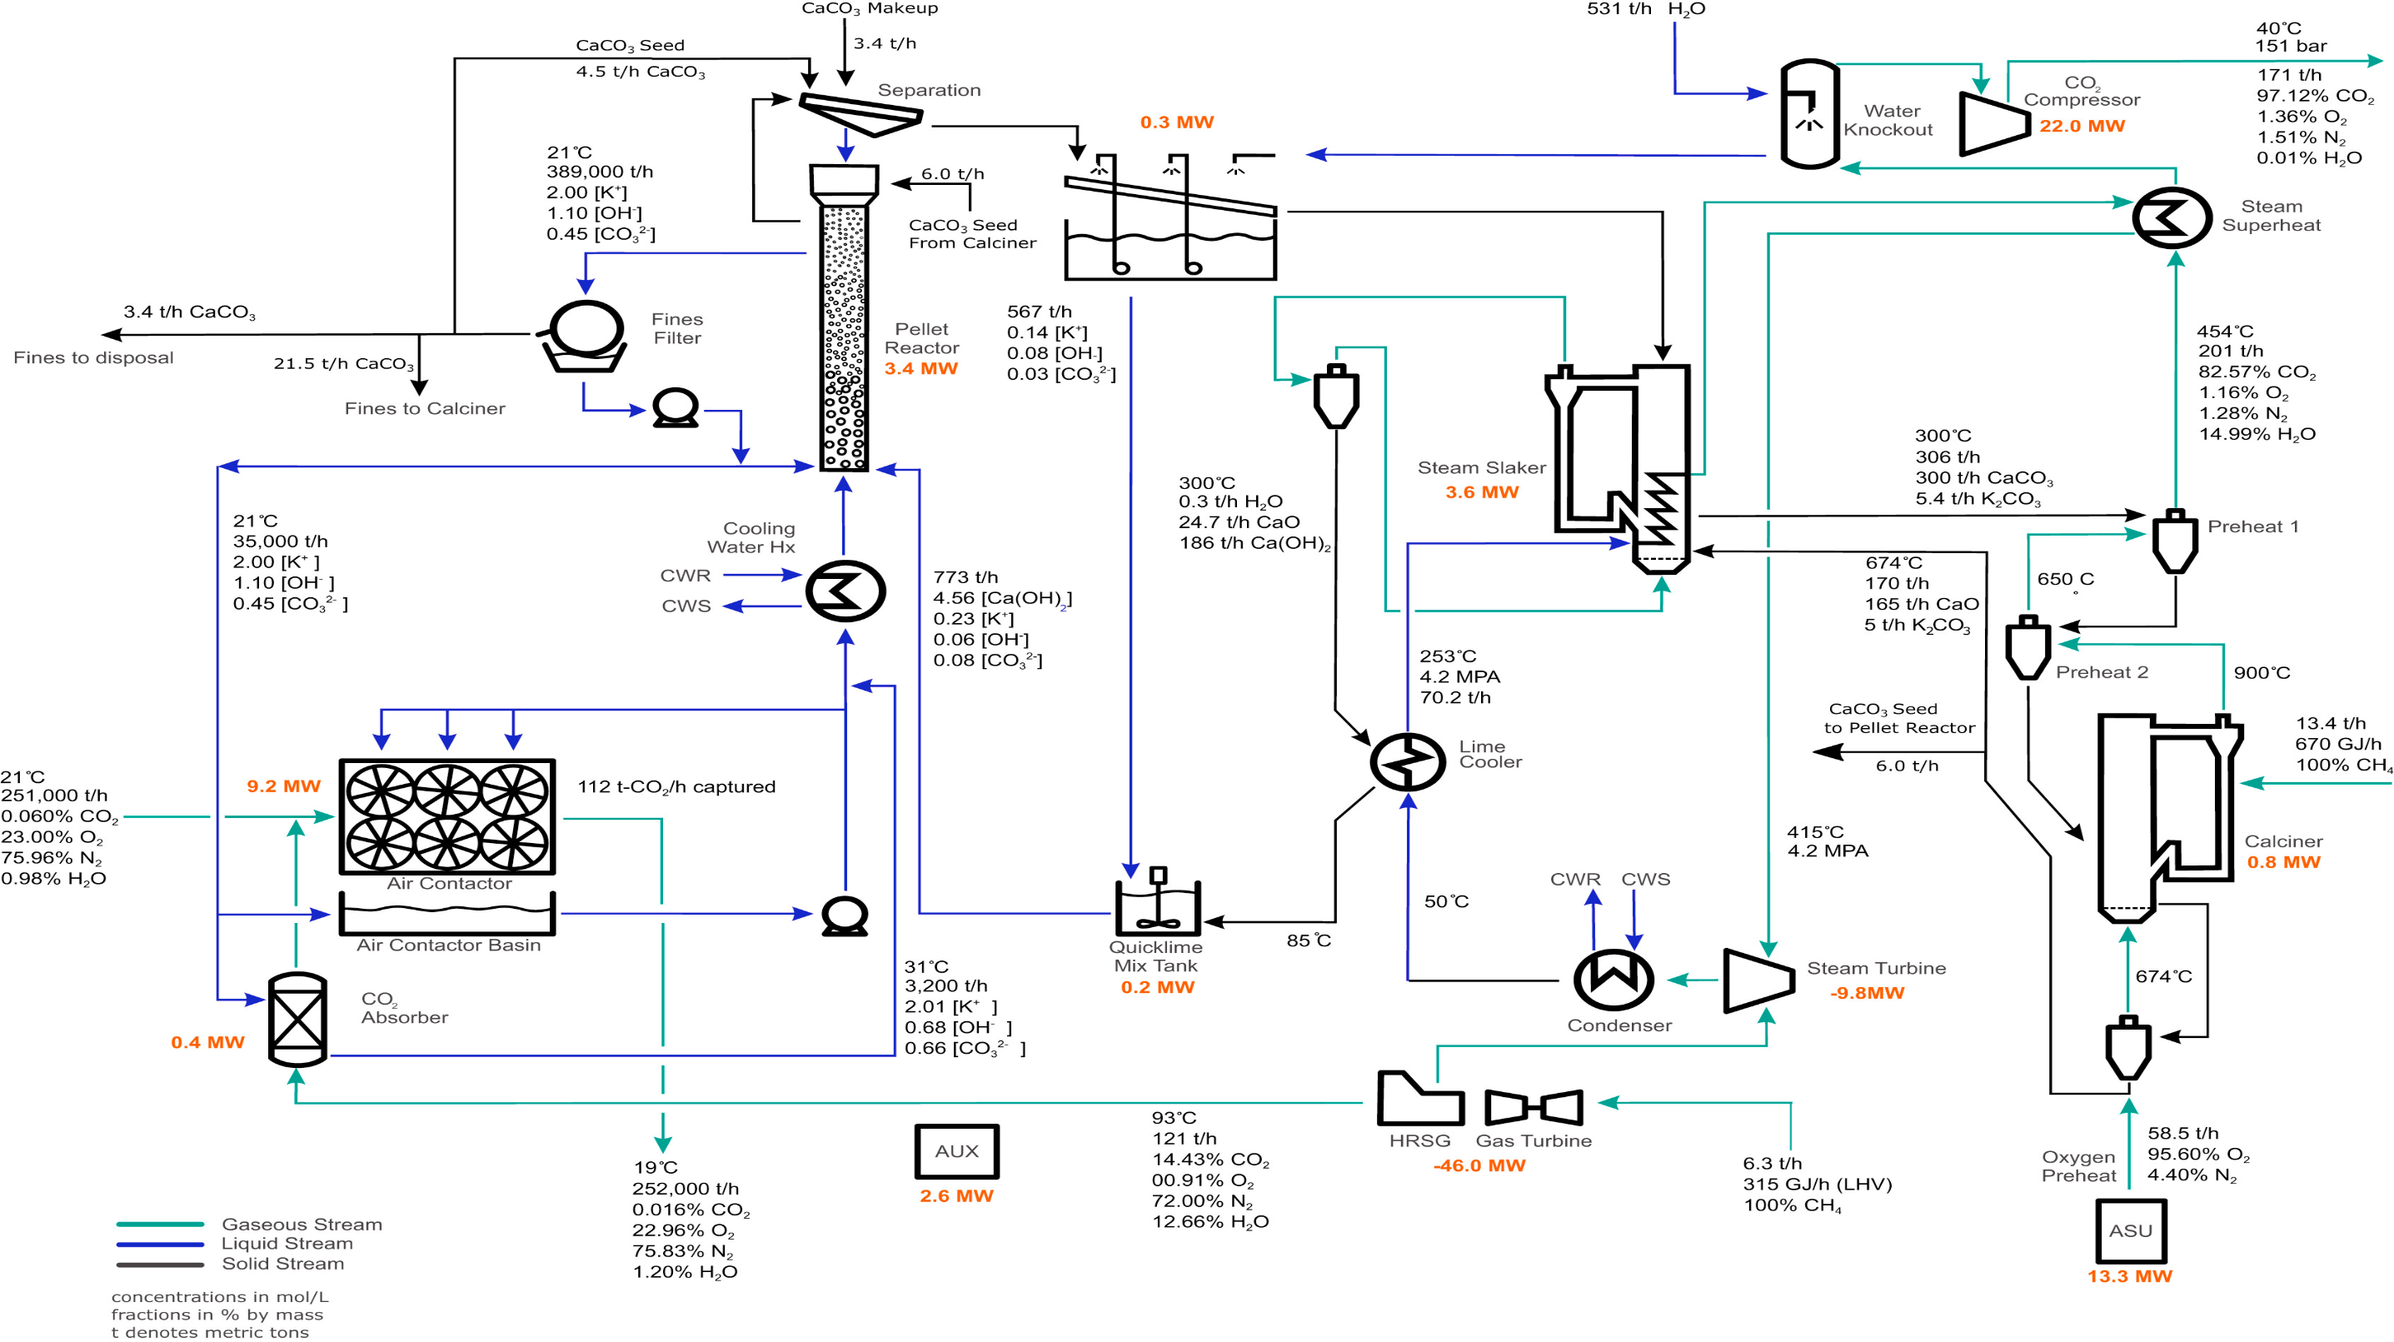
 |  |  | ACT_COST | 2030 | 0.026 | SNK_DAC_GAS,SNK_DAC_GAS_LowAF |  |  |  |  |  |  |  |  | (GJ/t-CO2) | (kWh/t-CO2) |  |  | ($/t-CO2) | ($/t-CO2)
 |  |  | ACT_COST | 2050 | 0.026 | SNK_DAC_GAS,SNK_DAC_GAS_LowAF |  |  |  |  |  |  |  |  |  |  |  |  |  | CRF
 |  |  | FLO_EMIS |  | 56 | SNK_DAC_GAS,SNK_DAC_GAS_LowAF | SUPSCO2N | GASNAT |  |  |  |  |  |  |  |  |  |  |  | c
 |  |  | START |  | 2020 | SNK_DAC_GAS,SNK_DAC_GAS_LowAF |  |  |  |  |  |  |  |  |  |  |  |  |  | CRF is the average capital recovery factor defined in the section on Process Economics. Calculations assume NG at 3.5 $/GJ and a 90% utilization. For the C and D variants levelized costs are shown as a range using electricity at 30 and 60 $/MWhr.
 |  |  |  |  |  |  |  |  |  |  |  |  |  |  |  |  |  |  |  | 7.50% | 12.50%
 | ~TFM_INS |  |  |  |  |  |  |  |  |  |  |  |  | A: Baseline: gas fired → 15 MPa CO2 output | 8.81 | 0 | 0.48 | 1,146 | 42 | 168 | 232 |  | 1.48
 | TimeSlice | LimType | Attribute | Year | AllRegions | Pset_PN |  |  |  |  |  |  |  | B: Baseline with Nth plant financials | 8.81 | 0 | 0.48 | 793 | 30 | 126 | 170 |  | 1.48
 |  |  | START |  | 2100 | SNK_DAC,SNK_DAC_LowAF |  |  |  |  |  |  |  | C: Gas and electricity input → 15 MPa CO2 output | 5.25 | 366 | 0.3 | 694 | 26 | 113–124 | 152–163 |  | 1.3
 |  |  |  |  |  |  |  |  |  |  |  |  |  | D: Gas and electricity input → 0.1 MPa CO2 output assuming zero cost O2 | 5.25 | 77 | 0.3 | 609 | 23 | 94–97 | 128–130 |  | 1.3

 |  |  |  |  |  |  |  |  |  |  |  |  |  |  |  | 289 | kwh/ton
 |  |  |  |  |  |  |  |  |  |  |  |  |  |  |  | 0.1156 | ton CO2 per ton CO2

