Scenario names
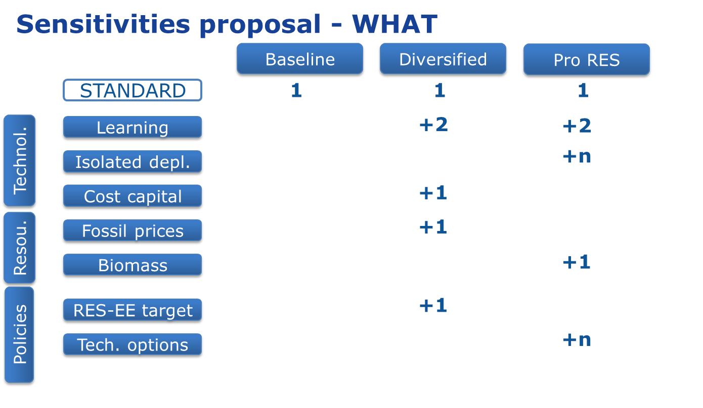

01_ | Baseline_RefL | 01_Baseline_RefL
02_ | Diversified_LowL | 02_Diversified_LowL
03_ | Diversified_RefL | 03_Diversified_RefL
04_ | Diversified_HighL | 04_Diversified_HighL
05_ | Diversified_CCS_IND_Only | 05_Diversified_CCS_IND_Only
06_ | Diversified_CostCapital | 06_Diversified_CostCapital | Most probable result is like 03
07_ | Diversified_LowFossilPrice | 07_Diversified_LowFossilPrice | Even more fossil ?
08_ | Diversified_RES_EE | 08_Diversified_RES_EE
09_ | PRORes_LowL | 09_PRORes_LowL
10_ | PRORes_RefL | 10_PRORes_RefL
11_ | PRORes_HighL | 11_PRORes_HighL
12_ | PRORes_SET | 12_PRORes_SET | Include Lifetime PV as well as SET-plan CSP
13_ | PRORes_OffshoreDepl | 13_PRORes_OffshoreDepl | Maybe already in HighL ?
14_ | PRORes_HighForest | 14_PRORes_HighForest
15_ | PRORes_NoCCU | 15_PRORes_NoCCU
16_ | PRORes_MaxBiofuel | 16_PRORes_MaxBiofuel

?? | PRORes_CSP | ONLY CSP without the PV reduction | entry CAPEX derived from other runs

