OFFSHORE SUMMARY + graph
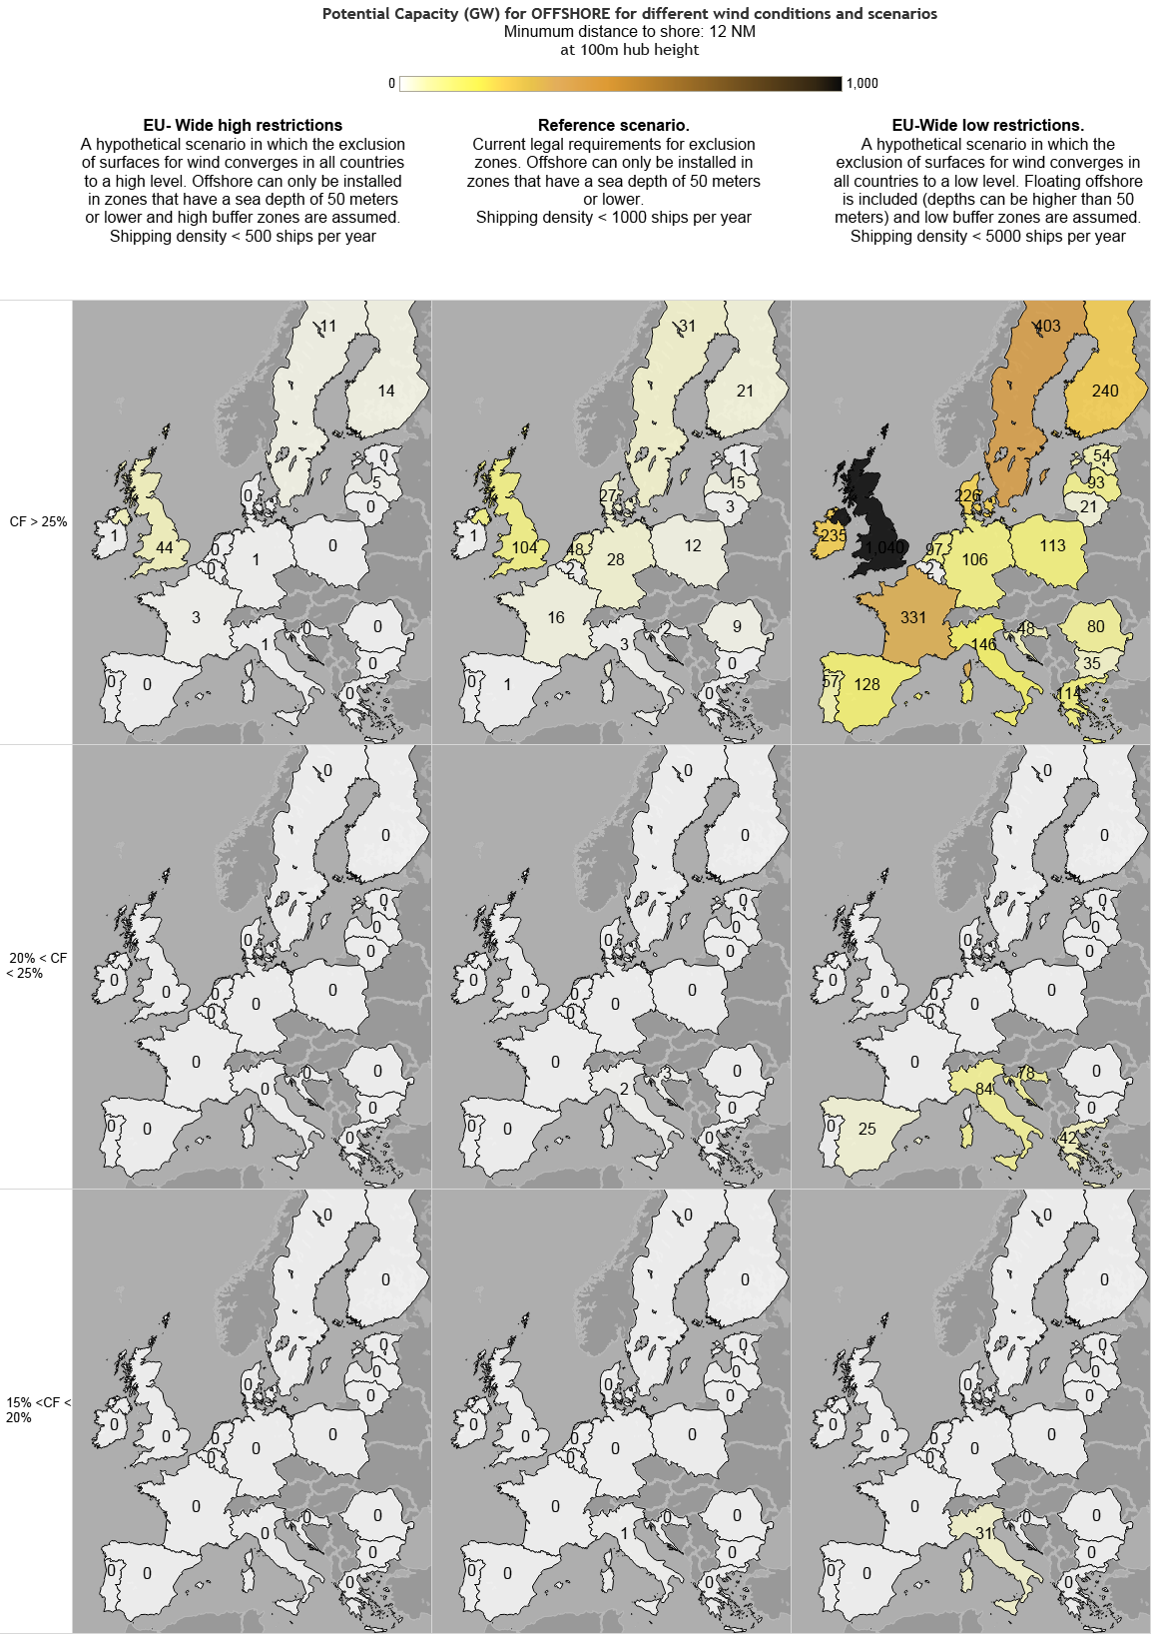
 |  | Table for offshore with capacity factor > 25%
 |  | EU-Wide high restrictions |  |  | Reference - Large turbines |  |  | EU-Wide low restrictions
 | [GW] | Water depth 60-100m Floating | Water depth 30-60m | Water depth 0-30m | Water depth 60-100m Floating | Water depth 30-60m | Water depth 0-30m | Water depth 100-1000m Floating | Water depth 60-100m Floating | Water depth 30-60m | Water depth 0-30m | 12nm zone, water depth 60-100m Floating | 12nm zone, water depth 30-60m | 12nm zone, water depth 0-30m | CF > 25%
BE | Belgium | 0.0 | 0.0 | 0.0 | 0.0 | 0.1 | 1.7 | 0.0 | 0.0 | 0.1 | 0.2 | 0.0 | 0.0 | 1.5 | 46.9% | Belgium
BG | Bulgaria | 0.0 | 0.0 | 0.0 | 0.0 | 0.4 | 0.0 | 27.0 | 11.5 | 1.3 | 0.0 | 3.4 | 12.5 | 6.7 | 33.7% | Bulgaria
HR | Croatia | 0.0 | 0.3 | 0.0 | 0.0 | 2.1 | 0.0 | 20.2 | 7.2 | 8.6 | 0.2 | 12.9 | 12.9 | 6.1 | 27.5% | Croatia
CY | Cyprus | 0.0 | 0.0 | 0.0 | 0.0 | 0.0 | 0.0 | 5.5 | 0.0 | 0.0 | 0.0 | 0.3 | 0.3 | 0.3 | 25.4% | Cyprus
DK | Denmark | 0.0 | 0.0 | 0.0 | 0.0 | 22.3 | 5.0 | 9.4 | 18.6 | 81.3 | 29.0 | 5.0 | 7.8 | 84.4 | 47.1% | Denmark
EE | Estonia | 0.0 | 0.2 | 0.0 | 0.0 | 1.2 | 0.1 | 8.4 | 6.5 | 7.2 | 1.0 | 8.6 | 12.9 | 17.6 | 45.8% | Estonia
FI | Finland | 0.0 | 7.8 | 5.8 | 0.0 | 15.1 | 6.2 | 53.0 | 68.4 | 33.5 | 8.5 | 3.2 | 30.0 | 96.2 | 45.4% | Finland
FR | France | 0.0 | 2.8 | 0.6 | 0.0 | 13.9 | 1.7 | 405.1 | 86.9 | 42.6 | 2.5 | 44.5 | 56.6 | 98.1 | 41.8% | France
DE | Germany | 0.0 | 0.0 | 1.1 | 0.0 | 17.6 | 10.3 | 0.0 | 0.0 | 53.0 | 27.2 | 0.0 | 0.0 | 25.4 | 43.7% | Germany
EL | Greece | 0.0 | 0.0 | 0.0 | 0.0 | 0.0 | 0.0 | 105.5 | 2.2 | 0.0 | 0.0 | 58.4 | 33.0 | 20.7 | 32.5% | Greece
IE | Ireland | 0.0 | 0.8 | 0.0 | 0.0 | 1.0 | 0.0 | 592.4 | 98.1 | 5.1 | 0.0 | 59.9 | 45.5 | 26.7 | 52.7% | Ireland
IT | Italy | 0.0 | 0.5 | 0.0 | 0.0 | 3.0 | 0.4 | 184.1 | 13.9 | 11.8 | 1.8 | 39.4 | 31.4 | 47.5 | 29.1% | Italy
LV | Latvia | 0.0 | 4.5 | 0.2 | 0.0 | 12.8 | 2.2 | 40.2 | 16.3 | 32.3 | 4.1 | 0.1 | 15.1 | 25.6 | 46.4% | Latvia
LT | Lithuania | 0.0 | 0.3 | 0.0 | 0.0 | 2.6 | 0.4 | 0.1 | 7.1 | 7.3 | 0.4 | 0.0 | 2.2 | 4.3 | 45.7% | Lithuania
MT | Malta | 0.0 | 0.0 | 0.0 | 0.0 | 0.0 | 0.0 | 124.9 | 2.3 | 0.0 | 0.0 | 1.1 | 0.3 | 0.0 | 29.7% | Malta
NL | Netherlands | 0.0 | 0.0 | 0.0 | 0.0 | 41.7 | 6.1 | 0.0 | 0.0 | 73.8 | 13.0 | 0.0 | 0.0 | 9.9 | 46.9% | Netherlands
PL | Poland | 0.0 | 0.2 | 0.0 | 0.0 | 6.6 | 5.7 | 5.4 | 46.8 | 24.4 | 8.3 | 4.1 | 4.1 | 25.7 | 45.2% | Poland
PT | Portugal | 0.0 | 0.0 | 0.0 | 0.0 | 0.0 | 0.0 | 57.6 | 7.2 | 0.1 | 0.0 | 18.7 | 20.1 | 11.1 | 33.9% | Portugal
RO | Romania | 0.0 | 0.2 | 0.0 | 0.0 | 8.8 | 0.0 | 29.7 | 38.8 | 29.9 | 0.0 | 0.0 | 7.0 | 4.0 | 35.7% | Romania
ES | Spain | 0.0 | 0.0 | 0.0 | 0.0 | 0.6 | 0.1 | 235.7 | 18.6 | 0.9 | 0.1 | 50.3 | 34.1 | 24.1 | 32.4% | Spain
SE | Sweden | 0.0 | 7.5 | 3.4 | 0.0 | 21.1 | 10.0 | 151.9 | 106.7 | 69.7 | 17.5 | 44.8 | 74.9 | 89.1 | 44.0% | Sweden
UK | United Kingdom | 0.0 | 30.4 | 13.6 | 0.0 | 56.9 | 46.7 | 968.2 | 452.5 | 128.7 | 62.1 | 153.5 | 146.3 | 96.5 | 48.6% | United Kingdom
 | EU28 | 0.0 | 55.4 | 24.7 | 0.0 | 227.6 | 96.6 | 3024.3 | 1009.7 | 611.7 | 175.8 | 508.2 | 546.8 | 721.4

