Max EU INV
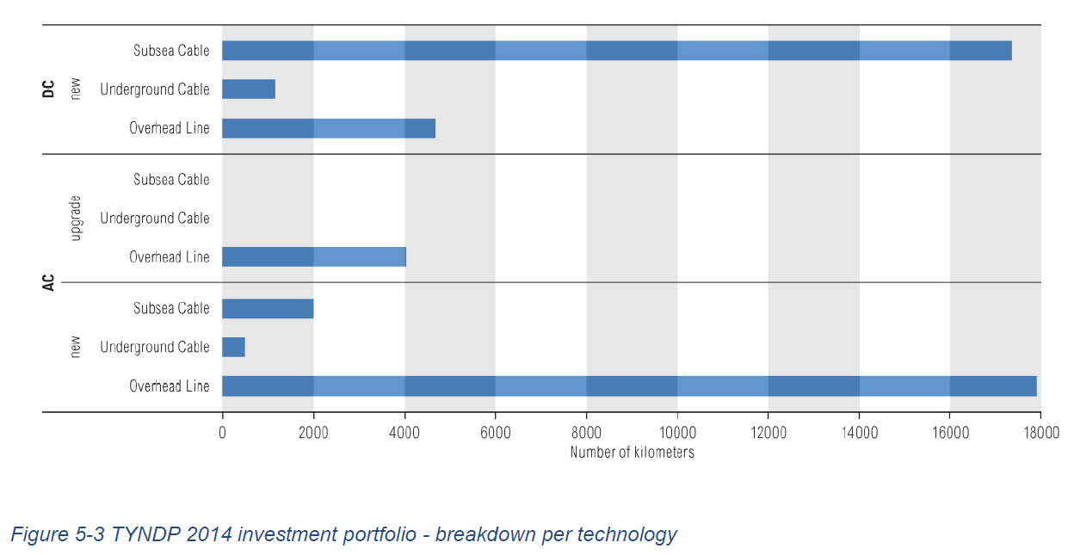
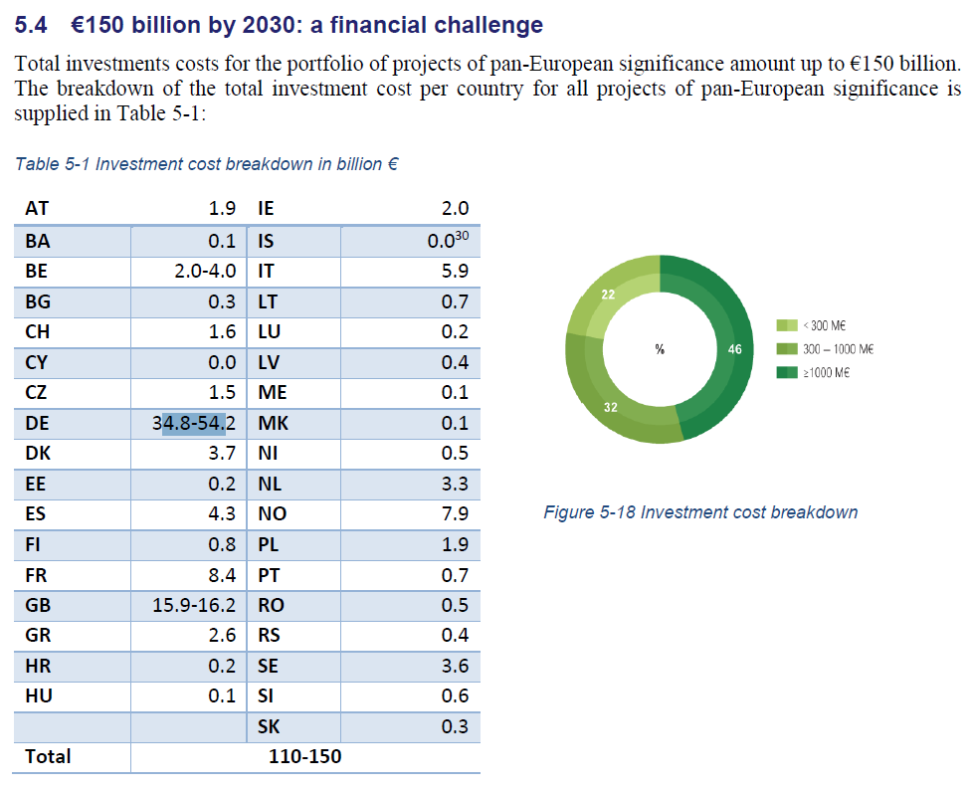
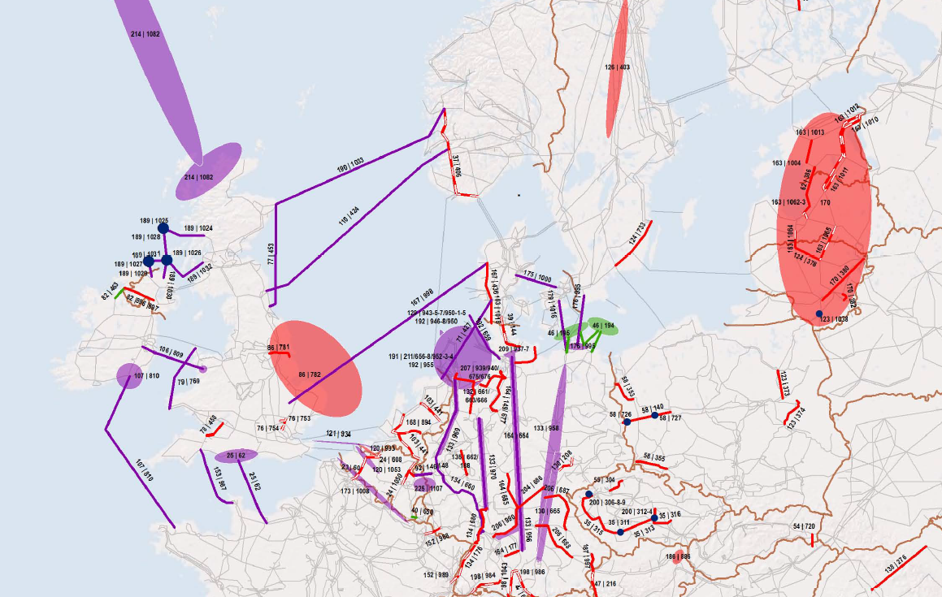
~UC_SETS: R_S: AT,BE,BG,CY,CZ,DE,DK,EE,ES,FI,FR,EL,HU,IE,IT,LT,LU,LV,MT,NL,PL,PT,RO,SE,SI,SK,UK,CH,IS,NO,HR
 |  |  |  |  |  | ~UC_T
UC_N | UC_ATTR~LHS | UC_ATTR~RHS | PSet_CO | PSet_CI | Pset_PN | LimType | UC_NCAP~RHS~2005 | UC_NCAP~LHS~2005 | UC_RHSTS~2025 | UC_RHSTS~2050 | UC_RHSTS~0 | UC_Desc
UC_Interconn_INV_EU | NCAP,INVCOST |  |  |  | TB_ELCHIG*,GI* | UP |  | 1 | 2915 | 3887 | 5 | Max annualised EU investment in transmission interconnectors after 2025
 |  |  |  |  |  |  |  |  |  |  |  |  | UC_RHSTS~2025 | UC_RHSTS~2050 | UC_RHS~0
 |  |  |  |  |  |  |  |  |  |  |  |  | 1800 | 2400 | 5
TYNDP2014 ENTSOE 10 year development plan talks about 150 billion euro of investment for 48000 km of lines. But it includes also MS tranmission lines such as in Germany.
50 billion euros of the 150 billieon EUR is for subsea cables.
Top3 of investments:
DE: 54 billion EUR (including transmission lines inside DE)
UK: 16 billion EUR
FR: 8.4 billion EUR
http://ec.europa.eu/priorities/energy-union/docs/interconnectors_en.pdf
The Commission estimates that some EUR 200 billion are required up to 2020 to build the necessary infrastructure to adequately interconnect all EU Member States, that will ensure security of supply and enhance sustainability. For electricity projects some EUR 105 billion are needed, out of which some EUR 35 billion for the interconnections which acquired a PCI status and are necessary to reach the 10% target across the EU.

MS 15% by 2030 regulation
This is without CY, MT, IE, IS, CH, NO

~UC_SETS: R_E: AT,BE,BG,CZ,DE,DK,EE,ES,FI,FR,EL,HU,IE,IT,LT,LU,LV,NL,PL,PT,RO,SE,SI,SK,UK,HR
 |  |  |  |  | ~UC_T: UC_CAP~LO
UC_N | UC_Desc | PSet_Set | PSet_CO | Pset_PN | Year | UC_RHSRT | Allregions | AT | BE | BG | CZ | DE | DK | EE | EL | ES | FI | FR | HR | HU | IT | LT | LU | LV | NL | PL | PT | RO | SE | SI | SK | UK | IE
UC_Interconn_INV_MS_15pct | Minimum MS transmission interconnectors limits Energy Union |  |  | TB_ELCHIG*,GI* | 2030 |  |  | 0.58 | 0.39 | 0.42 | 0.35 | 0.58 | 0.80 | 0.65 | 0.62 | 0.72 | 0.80 | 0.51 | 0.78 | 0.35 | 0.76 | 0.52 | 0.80 | 0.46 | 0.52 | 0.35 | 0.59 | 0.41 | 0.80 | 0.65 | 0.69 | 0.80 | 0.53
 |  | ELE,CHP | ELCHIG,ELCMED,ELCLOW | -EST* | 2030 | 0 | -0.1
 |  | ELE,CHP | ELCHIG,ELCMED,ELCLOW | -EST* | 2050 |  | -0.15
 |  |  |  |  | 0 | 15

EQUATION | NTC > 0.15 NGC (Net generation capacity, including pumped hydro)
 | A x (TOTAL GRID - B) > 0.15 NGC (Net generation capacity, including pumped hydro)
 | TOTAL GRID - 0.15 NGC > B/A
with
A the percentage of total capacity that is NTC. We take A = 67%
B is country dependent based on data below

The data below show that the NTC is much lower than the actual capacity of the interconnectors (see also Tradeparameters for more information).
NTC does not include trade over the counter.
Still, the EC uses this methodology.
 |  |  |  |  |  |  |  | Capacity (not all being used as AFA, see also TradeParameters) |  |  |  |  |  |  | TOTAL interconnectors capacity from VEDA in 2015
 |  | Net Generating Capacity | NTC import capacity |  | Numbers from Energy Union Communication | Difference with 15% |  | JRC-EU-TIMES | RATIO to be used - capped between 35% and 80% |  | Capacity based on 15% |  |  |  | Table Name: T_240517_101117
 | AT | 25.1 | 7.3 |  | 29% |  |  | 12.7 | 58% |  |  |  |  |  | Active Unit:
 | BE | 21.8 | 3.5 | 16% | 17% |  |  | 9.1 | 39% |  |  |  |  |  |  |  |  | TimeSlice | -
 | BG | 13.8 | 1.7 | 12% | 11% | 4% |  | 3.9 | 42% |  |  |  |  |  | Scenario | Region | Attribute | UserConstraint\Period | 2015
 | CH | 18.9 | 6.5 | 34% | 34% |  |  | 16.5 | 39% |  |  |  |  |  | Baseline_HRE19 | AT | VAR_Cap | - | 12.7
 | CY | 2.1 | 0.0 | 0% |  |  |  | OK |  |  |  |  |  |  | Baseline_HRE19 | BE | VAR_Cap | - | 9.1
 | CZ | 20.9 | 3.4 | 16% | 17% |  |  | 13.6 | 35% |  |  |  |  |  | Baseline_HRE19 | BG | VAR_Cap | - | 3.9
 | DE | 195.5 | 17.9 | 9% | 10% | 5% |  | 31.0 | 58% |  |  |  |  |  | Baseline_HRE19 | CH | VAR_Cap | - | 16.5
 | DK | 11.6 | 6.1 | 53% | 44% |  |  | 6.6 | 80% |  |  |  |  |  | Baseline_HRE19 | CZ | VAR_Cap | - | 13.6
 | EE | 3.0 | 1.3 | 44% | 4% | 11% |  | 2.0 | 65% |  |  |  |  |  | Baseline_HRE19 | DE | VAR_Cap | - | 31.0
GR | EL | 17.5 | 1.8 | 10% | 11% | 4% |  | 2.9 | 62% |  |  |  |  |  | Baseline_HRE19 | DK | VAR_Cap | - | 6.6
 | ES | 102.5 | 4.2 | 4% | 3% | 12% |  | 5.8 | 72% |  |  |  |  |  | Baseline_HRE19 | EE | VAR_Cap | - | 2.0
 | FI | 18.0 | 5.3 | 29% | 30% |  |  | 4.6 | 80% |  |  |  |  |  | Baseline_HRE19 | EL | VAR_Cap | - | 2.9
 | FR | 123.7 | 12.4 | 10% | 10% | 5% |  | 24.3 | 51% |  |  |  |  |  | Baseline_HRE19 | ES | VAR_Cap | - | 5.8
 | HR | 4.6 | 3.1 | 67% | 69% |  |  | 4.0 | 78% |  |  |  |  |  | Baseline_HRE19 | FI | VAR_Cap | - | 4.6
 | HU | 8.1 | 2.5 | 31% | 29% |  |  | 7.2 | 35% |  |  |  |  |  | Baseline_HRE19 | FR | VAR_Cap | - | 24.3
 | IE | 9.7 | 0.8 | 8% | 9% | 6% |  | 1.5 | 53% |  |  |  |  |  | Baseline_HRE19 | HR | VAR_Cap | - | 4.0
 | IS | 2.8 | 0.0 | 0% |  |  |  | OK |  |  |  |  |  |  | Baseline_HRE19 | HU | VAR_Cap | - | 7.2
 | IT | 123.0 | 8.4 | 7% | 7% | 8% |  | 11.1 | 76% |  |  |  |  |  | Baseline_HRE19 | IE | VAR_Cap | - | 1.5
 | LT | 4.0 | 1.3 | 32% | 4% | 11% |  | 2.5 | 52% |  |  |  |  |  | Baseline_HRE19 | IT | VAR_Cap | - | 11.1
 | LU | 1.9 | 4.1 | 216% | 245% |  |  | 2.7 | 80% |  |  |  |  |  | Baseline_HRE19 | LT | VAR_Cap | - | 2.5
 | LV | 3.0 | 1.4 | 47% | 4% | 11% |  | 3.0 | 46% |  |  |  |  |  | Baseline_HRE19 | LU | VAR_Cap | - | 2.7
 | Mt | #REF! | #REF! | #REF! |  | 15% |  | 0.2 |  |  |  |  |  |  | Baseline_HRE19 | LV | VAR_Cap | - | 3.0
 | NL | 32.9 | 5.5 | 17% | 17% |  |  | 10.4 | 52% |  |  |  |  |  | Baseline_HRE19 | Mt | VAR_Cap | - | 0.2
 | NO | 33.7 | 5.5 | 16% |  |  |  | 6.9 | 80% |  |  |  |  |  | Baseline_HRE19 | NL | VAR_Cap | - | 10.4
 | PL | 36.1 | 0.8 | 2% | 2% | 13% |  | 7.7 | 35% |  |  |  |  |  | Baseline_HRE19 | NO | VAR_Cap | - | 6.9
 | PT | 18.2 | 1.8 | 10% | 7% | 8% |  | 3.0 | 59% |  |  |  |  |  | Baseline_HRE19 | PL | VAR_Cap | - | 7.7
 | RO | 21.4 | 1.5 | 7% | 7% | 8% |  | 3.7 | 41% |  |  |  |  |  | Baseline_HRE19 | PT | VAR_Cap | - | 3.0
 | SE | 38.8 | 10.3 | 27% | 26% |  |  | 9.7 | 80% |  |  |  |  |  | Baseline_HRE19 | RO | VAR_Cap | - | 3.7
 | SI | 3.5 | 2.1 | 61% | 65% |  |  | 3.3 | 65% |  |  |  |  |  | Baseline_HRE19 | SE | VAR_Cap | - | 9.7
 | SK | 8.2 | 4.9 | 59% | 61% |  |  | 7.0 | 69% |  |  |  |  |  | Baseline_HRE19 | SI | VAR_Cap | - | 3.3
GB | UK | 72.1 | 4.2 | 6% | 6% | 9% |  | 4.5 | 80% |  |  |  |  |  | Baseline_HRE19 | SK | VAR_Cap | - | 7.0
 |  |  |  |  |  |  |  |  |  |  |  |  |  |  | Baseline_HRE19 | UK | VAR_Cap | - | 4.5

http://eur-lex.europa.eu/resource.html?uri=cellar:a5bfdc21-bdd7-11e4-bbe1-01aa75ed71a1.0003.01/DOC_1&format=PDF |  |  |  |  |  |  |  |  |  | http://ec.europa.eu/invest-in-research/pdf/download_en/barcelona_european_council.pdf
Data used in the calculations are the from SO&AF 2014-2030 Dataset of ENTSO-E and all refer to January 2014 and Scenario A (“Conservative”) that is derived from Scenario B („Best Estimate”), taking into account only the generating capacity developments which are considered secure.
https://www.entsoe.eu/documents/sdc%20documents/SOAF/140602_SOAF%202014_dataset.zip
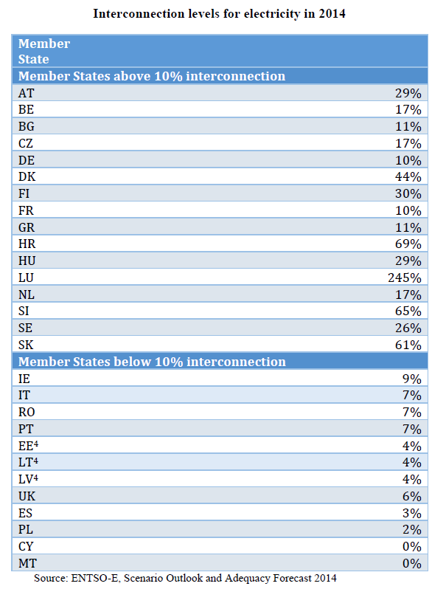

(4) The three Baltic States – Estonia, Latvia and Lithuania – are not yet synchronised with the European grid and need therefore to be taken as one entity. While fully integrated amongst themselves, the value of 4% for the three Baltic States provides their level of interconnection with the European electricity market (i.e.: via Finland). The value is provided for early 2014, before the Estlink2 interconnection was put into operation. With the completion of this project, the Baltic States' interconnection level substantially increased to around 10%.

