Interconnectors comparison
 | Changed GB > UK

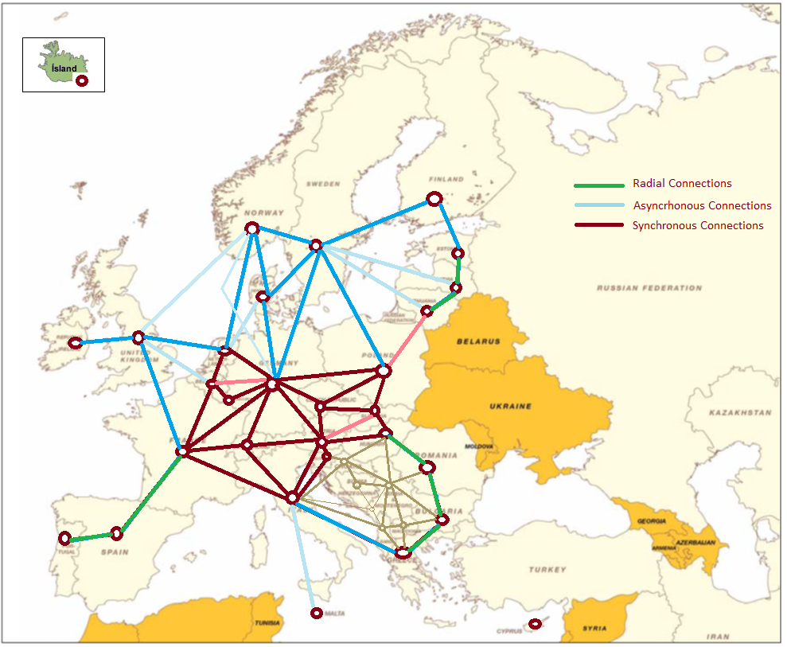
 |  |  | Data from JRC-EU-TIMES
 |  |  | MVA | Max usage |  |  |  |  | Entsoe Maximum flow 2015 |  |  | Entsoe TYDP
 |  | Dispaset | 2015 | 2015 | SYNCHR ? | OVER | UNDER |  |  | OVER |  | 2020 | 2030
 | AL -> EL | 250 | 300 | 210 |  |  | -40 |  | 344 | 94 |  | 250 | 250 | -50
 | AL -> RS | 250 | 500 | 350 |  | 100 |  |  | 193 |  |  | 760 | 760 | 260
 | AT -> CH | 1200 | 2400 | 1200 | AT -> CH | 0 |  |  | 6811 | 5611 |  | 1700 | 1700 | -700
 | AT -> CZ | 900 | 3400 | 1700 | AT -> CZ | 800 |  |  | 76 |  |  | 1000 | 1000 | -2400
 | AT -> DE | 2000 | 4200 | 2100 | AT -> DE | 100 |  |  | 1430 |  |  | 5000 | 7500 | 3300
 | AT -> HU | 800 | 1400 | 700 | AT -> HU |  | -100 |  | 1106 | 306 |  | 1200 | 1200 | -200
 | AT -> IT | 316 | 250 | 225 | AT -> IT |  | -91 |  | 285 |  |  | 555 | 1655 | 1405
 | AT -> SI | 950 | 1000 | 900 | AT -> SI |  | -50 |  | 1323 | 373 |  | 1200 | 1200 | 200
 | BA -> HR | 800 | 900 | 630 |  |  | -170 |  | 1348 | 548 |  | 1344 | 1844 | 944
 | BA -> RS | 600 | 700 | 490 |  |  | -110 |  | 185 |  |  | 1100 | 1100 | 400
 | BE -> FR | 1600 | 5100 | 3400 | BE -> FR | 1800 |  |  | 2072 | 472 |  | 2800 | 2800 | -2300
 | BE -> NL | 1501 | 3600 | 2400 | BE -> NL | 899 |  |  | 1599 | 98 |  | 2400 | 2400 | -1200
 | BG -> EL | 400 | 1500 | 1050 |  | 650 |  |  | 617 | 217 |  | 1728 | 1728 | 228
 | BG -> RO | 400 | 950 | 665 |  | 265 |  |  | 502 | 102 |  | 1400 | 1400 | 450
 | BG -> RS | 600 | 1000 | 700 |  | 100 |  |  | 787 | 187 |  | 600 | 600 | -400
 | CH -> AT | 1200 | 2400 | 1200 | CH -> AT | 0 |  |  | 693 |  |  | 1700 | 1700 | -700
 | CH -> DE | 4000 | 5100 | 3400 | CH -> DE |  | -600 | OK comes from AF assumption | 2568 |  |  | 4700 | 4700 | -400
 | CH -> FR | 1400 | 4800 | 3200 | CH -> FR | 1800 |  |  | 2025 | 625 |  | 1300 | 1300 | -3500
 | CH -> IT | 4240 | 4200 | 2800 | CH -> IT |  | -1440 | OK comes from AF assumption | 5088 | 848 |  | 6240 | 6240 | 2040
 | CZ -> AT | 800 | 3400 | 1700 | CZ -> AT | 900 |  |  | 2800 | 2000 |  | 1200 | 1200 | -2200
 | CZ -> DE | 3000 | 3400 | 1700 | CZ -> DE |  | -1300 | We have a rather low AF | 2062 |  |  | 2100 | 2600 | -800
 | CZ -> PL | 600 | 3400 | 1700 | CZ -> PL | 1100 |  |  | 170 |  |  | #N/A | #N/A | #N/A
 | CZ -> SK | 2000 | 3400 | 1700 | CZ -> SK |  | -300 |  | 2578 | 578 |  | 2100 | 2100 | -1300
 | DE -> an | 0 | 0 | 0 |  | 0 |  |  | 0 | 0 |  | #N/A | #N/A | #N/A
 | DE -> AT | 2000 | 4200 | 2100 | DE -> AT | 100 |  |  | 4301 | 2301 |  | 5000 | 7500 | 3300
 | DE -> CH | 4000 | 5100 | 3400 | DE -> CH |  | -600 |  | 4524 | 524 |  | 3286 | 3286 | -1814
 | DE -> CZ | 1400 | 3400 | 1700 | DE -> CZ | 300 |  |  | 1875 | 475 |  | 1500 | 2000 | -1400
 | DE -> DK | 2100 | 2550 | 2550 |  | 450 |  |  | 2221 | 121 |  | #N/A | #N/A | #N/A
 | DE -> NL | 924 | 5100 | 3400 | DE -> NL | 2476 |  |  | 5033 | 4109 |  | 4450 | 5000 | -100
 | DK -> DE | 2185 | 2550 | 2550 |  | 365 |  |  | 2186 | 1 |  | #N/A | #N/A | #N/A
 | EL -> AL | 250 | 300 | 210 |  |  | -40 |  | 454 | 204 |  | 250 | 250 | -50
 | EL -> BG | 350 | 1500 | 1050 |  | 700 |  |  | 21 |  |  | 1032 | 1032 | -468
 | EL -> IT | 500 | 500 | 500 |  | 0 |  |  | 515 | 15 |  | #N/A | #N/A | #N/A
 | EL -> MK | 350 | 600 | 420 |  | 70 |  |  | 571 | 221 |  | 350 | 350 | -250
 | EL -> TR | 218 | 0 | 0 |  |  | -218 | OK we don’t need that | 29 |  |  | #N/A | #N/A | #N/A
 | ES -> FR | 2450 | 2800 | 1960 |  |  | -490 |  | 2307 |  |  | 5000 | 8000 | 5200
 | ES -> PT | 3600 | 3000 | 2100 |  |  | -1500 |  | 3060 |  |  | 4200 | 4200 | 1200
 | FR -> BE | 2500 | 5100 | 3400 | FR -> BE | 900 |  |  | 3710 | 1210 |  | 4300 | 4300 | -800
 | FR -> CH | 3200 | 4800 | 3200 | FR -> CH | 0 |  |  | 2638 |  |  | 3700 | 3700 | -1100
 | FR -> ES | 2950 | 2800 | 1960 |  |  | -990 |  | 2986 | 36 |  | 5000 | 8000 | 5200
FR -> GB | FR -> UK | 2000 | 2000 | 2000 |  | 0 |  |  | 2024 | 24 |  | 5400 | 5400 | 3400
 | FR -> IT | 3150 | 3600 | 2400 | FR -> IT |  | -750 |  | 3085 |  |  | #N/A | #N/A | #N/A
GB -> FR | UK -> FR | 2000 | 2000 | 2000 |  | 0 |  | Good to have full capacity ! | 1672 |  |  | 5400 | 5400 | 3400
GB -> IE | UK -> IE | 1030 | 1500 | 1500 |  | 470 |  |  | 781 |  |  | 500 | 500 | -1000
GB -> NIE | UK -> NIE | 250 | 0 | 0 |  |  | -250 | We combine it within IE | #N/A | #N/A |  | #N/A | #N/A | #N/A
GB -> NL | UK -> NL | 1016 | 1000 | 1000 |  |  | -16 | THIS was build before 2015 so date was changed | 768 |  |  | 1000 | 1000 | 0
 | HR -> BA | 800 | 900 | 630 |  |  | -170 |  | 650 |  |  | 1312 | 1812 | 912
 | HR -> HU | 1000 | 1000 | 700 |  |  | -300 |  | 218 |  |  | 2000 | 2000 | 1000
 | HR -> RS | 600 | 600 | 420 |  |  | -180 |  | 200 |  |  | 600 | 600 | 0
 | HR -> SI | 1500 | 1500 | 1050 |  |  | -450 |  | 1416 |  |  | 2000 | 2000 | 500
 | HU -> AT | 800 | 1400 | 700 | HU -> AT |  | -100 |  | 590 |  |  | 800 | 800 | -600
 | HU -> HR | 1200 | 1000 | 700 |  |  | -500 |  | 1569 | 369 |  | 2000 | 2000 | 1000
 | HU -> RO | 1000 | 1400 | 980 |  |  | -20 |  | 474 |  |  | 1300 | 1300 | -100
 | HU -> RS | 1000 | 600 | 420 |  |  | -580 |  | 506 |  |  | 600 | 600 | 0
 | HU -> SK | 800 | 2800 | 1400 | HU -> SK | 600 |  |  | 4 |  |  | 2000 | 2000 | -800
 | HU -> UA_WEPS | 450 | 0 | 0 |  |  | -450 | OK we don’t need that | #N/A | #N/A |  | #N/A | #N/A | #N/A
IE -> GB | IE -> UK | 1000 | 1500 | 1500 |  | 500 |  |  | 518 |  |  | 500 | 500 | -1000
 | IT -> AT | 145 | 250 | 225 | IT -> AT | 80 |  |  | 87 |  |  | 385 | 1385 | 1135
 | IT -> CH | 1910 | 4200 | 2800 | IT -> CH | 890 |  |  | 1492 |  |  | 3860 | 3860 | -340
 | IT -> EL | 500 | 500 | 500 |  | 0 |  |  | 494 |  |  | 500 | 500 | 0
 | IT -> FR | 1160 | 3600 | 2400 | IT -> FR | 1240 |  |  | 971 |  |  | 2160 | 2160 | -1440
 | IT -> SI | 680 | 762 | 381 | IT -> SI |  | -299 |  | 1109 | 429 |  | 1380 | 1380 | 618
 | ME -> RS | 700 | 450 | 315 |  |  | -385 |  | 350 |  |  | 1000 | 1000 | 550
 | MK -> EL | 300 | 600 | 420 |  | 120 |  |  | 689 | 389 |  | 400 | 400 | -200
 | MK -> RS | 600 | 850 | 595 |  |  | -5 |  | 314 |  |  | 1050 | 1050 | 200
NIE -> GB | NIE -> UK | 250 | 0 | 0 |  |  | -250 | We combine it within IE | #N/A | #N/A |  | #N/A | #N/A | #N/A
 | NL -> BE | 1501 | 3600 | 2400 | NL -> BE | 899 |  |  | 3919 | 2418 |  | 2400 | 2400 | -1200
 | NL -> DE | 924 | 5100 | 3400 | NL -> DE | 2476 |  |  | 1344 | 420 |  | 4450 | 5000 | -100
NL -> GB | NL -> UK | 1016 | 1000 | 1000 |  |  | -16 |  | 1088 | 72 |  | 1000 | 1000 | 0
 | NL -> NO | 700 | 700 | 700 |  | 0 |  |  | 718 | 18 |  | 700 | 700 | 0
 | NO -> NL | 700 | 700 | 700 |  | 0 |  |  | 732 | 32 |  | 700 | 700 | 0
 | PL -> CZ | 800 | 3400 | 1700 | PL -> CZ | 900 |  |  | 2396 | 1596 |  | 600 | 600 | -2800
 | PL -> SK | 550 | 833 | 750 | PL -> SK | 200 |  |  | 1282 | 732 |  | 990 | 990 | 157
 | PT -> ES | 4000 | 3000 | 2100 |  |  | -1900 | Maybe OK to have full capacity because radial ? | 3010 |  | I keep 3000 for PT-ES | 3500 | 3500 | 500
 | RO -> BG | 400 | 950 | 665 |  | 265 |  |  | 1338 | 938 |  | 1500 | 1500 | 550
 | RO -> HU | 1000 | 1400 | 980 |  |  | -20 |  | 696 |  |  | 1400 | 1400 | 0
 | RO -> RS | 700 | 1300 | 910 |  | 210 |  |  | 780 | 80 |  | 1450 | 1450 | 150
 | RO -> UA_WEPS | 200 | 0 | 0 |  |  | -200 |  | #N/A | #N/A |  | #N/A | #N/A | #N/A
 | RS -> AL | 250 | 500 | 350 |  | 100 |  |  | 174 |  |  | 330 | 330 | -170
 | RS -> BA | 600 | 700 | 490 |  |  | -110 |  | 683 | 83 |  | 1200 | 1200 | 500
 | RS -> BG | 250 | 1000 | 700 |  | 450 |  |  | 168 |  |  | 350 | 350 | -650
 | RS -> HR | 600 | 600 | 420 |  |  | -180 |  | 671 | 71 |  | 600 | 600 | 0
 | RS -> HU | 1000 | 600 | 420 |  |  | -580 |  | 509 |  |  | 600 | 600 | 0
 | RS -> ME | 700 | 450 | 315 |  |  | -385 |  | 501 |  |  | 1100 | 1100 | 650
 | RS -> MK | 700 | 850 | 595 |  |  | -105 |  | 616 |  |  | 950 | 950 | 100
 | RS -> RO | 800 | 1300 | 910 |  | 110 |  |  | 360 |  |  | 1050 | 1050 | -250
 | SI -> AT | 950 | 1000 | 900 | SI -> AT |  | -50 |  | 497 |  |  | 1200 | 1200 | 200
 | SI -> HR | 1500 | 1500 | 1050 |  |  | -450 |  | 1033 |  |  | 2000 | 2000 | 500
 | SI -> IT | 730 | 762 | 381 | SI -> IT |  | -349 |  | 1314 | 584 |  | #N/A | #N/A | #N/A
 | SK -> CZ | 1200 | 3400 | 1700 | SK -> CZ | 500 |  |  | 337 |  |  | 1100 | 1100 | -2300
 | SK -> HU | 1200 | 2800 | 1400 | SK -> HU | 200 |  |  | 2220 | 1020 |  | 2000 | 2000 | -800
 | SK -> PL | 500 | 833 | 750 | SK -> PL | 250 |  |  | 49 |  |  | #N/A | #N/A | #N/A
 | TR -> EL | 166 | 0 | 0 |  |  | -166 |  | 716 | 550 |  | #N/A | #N/A | #N/A
 | UA_WEPS -> HU | 650 | 0 | 0 |  |  | -650 |  | #N/A | #N/A |  | #N/A | #N/A | #N/A
 | UA_WEPS -> RO | 300 | 0 | 0 |  |  | -300 |  | #N/A | #N/A |  | #N/A | #N/A | #N/A

Example BE interconnectors
These data are coming from the ENTSO-e reference case, situation as of 20150915. X-node is in the electrical middle of the line.
These data will be updated when ENTSO-e reference case is updated.

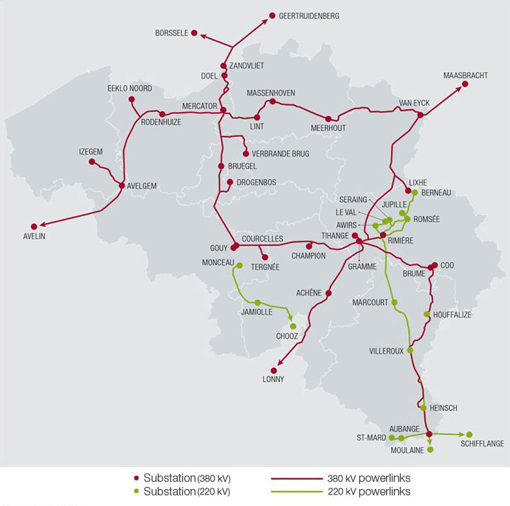
Country | Substation 1 | Substation 1 - Full name | X-node | Substation 2 - Full name | U | U/Nr. | Length | Pnom
 |  |  |  |  |  | (kV) | (Km) | (MVA)
FR | MONCE | MONCEAU | XMO_CH21 | CHOOZ | 220 | 220 / 48 | 29.4 | 403
FR | AUBAN | AUBANGE | XAU_SA21 | SANEM | 220 | 220 / 512 | 5.8 | 400
FR | AUBAN | AUBANGE | XAU_MO22 | MOULAINE | 220 | 220 / 513 | 7.8 | 442
FR | AUBAN | AUBANGE | XAU_M.21 | MOULAINE | 220 | 220 / 514 | 1.9 | 442
FR | ACHEN | ACHENE | XAC_LO11 | LONNY | 380 | 380 / 19 | 31.5 | 1316
FR | AVLGM | AVELGEM | XAV_MA11 | MASTAING | 380 | 380 / 79 | 38.5 | 1316
FR | AVLGM | AVELGEM | XAV_AV11 | AVELIN | 380 | 380 / 80 | 21.6 | 1528
TOTAL |  |  |  |  |  |  |  | 5847

NL | VANYK | VAN EYCK | XVY_MB12 | MAASBRACHT | 380 | 380 / 27 | 5.5 | 1420
NL | VANYK | VAN EYCK | XVY_MB11 | MAASBRACHT | 380 | 380 / 28 | 5.5 | 1350
NL | ZANDV | ZANDVLIET | XZA_BS11 | BORSSELE | 380 | 380 / 29 | 23.7 | 1645
NL | ZANDV | ZANDVLIET | XZA_GT11 | GEERTRUIDENBERG | 380 | 380 / 30 | 33.5 | 1645

Within BE | DOEL | DOEL | ZANDV | ZANDVLIET | 380 | 380 / 25 | 6.8 | 1316

TOTAL |  |  |  |  |  |  |  | 4086

