Nuclear
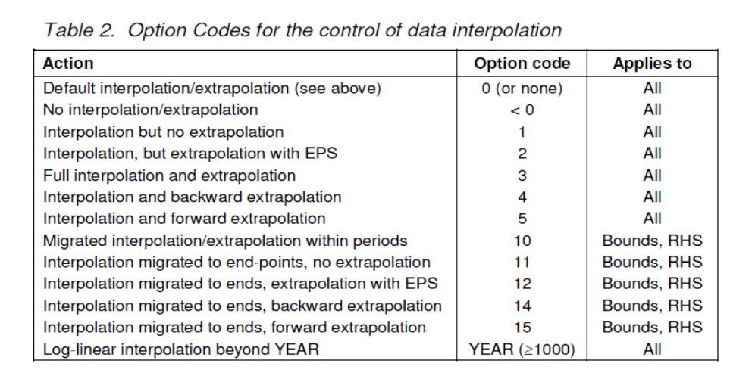
Trans - Insert
 | ~TFM_INS
 | TimeSlice | LimType | Attribute | Year | SHR | Pset_PN
 | *Unit |  |  |  | PJ or I/E rule
 |  | UP | ACT_BND | 2050 | 0 | IMPURN
 |  | UP | ACT_BND | 0 | 4 | IMPURN

