TRA_Buses
 |  |  | ~FI_T
TechName | Comm-IN | Comm-OUT | CURR | Start | EFF | LIFE | VAROM | INVCOST
*Unit |  |  | Currency year | Available from year | Efficiency index | Years | M€/(kvehicle*km) | M€/kvehicle
TPBELC1N | TRAELC | TPB | MEUR2012 | 2012 | 304 | 6 | 0.0000 | 49
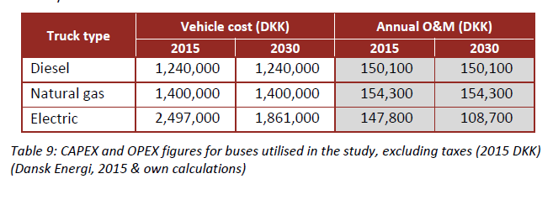
TPBDSL1H | TRADSL | TPB | MEUR2012 | 2012 | 125 | 6 | 0.0000 | 32
TPBDSL1N | TRADSL | TPB | MEUR2012 | 2012 | 87 | 6 | 0.0000 | 24
TPBNGA1N | TRANGA | TPB | MEUR2012 | 2012 | 66 | 6 | 0.0000 | 27

~FI_Process
Sets | TechName | TechDesc | Tact | Tcap | Tslvl | PrimaryCG | Vintage
*Process Set Membership | Technology Name | Technology Description | Activity Unit | Capacity Unit | TimeSlice level of Process Activity | Primary Commodity Group | Vintage Tracking
DMD | TPBELC1N | Transport Passengers Public Buses - Electric - New | Mpass-km | kvehicles |  |  | YES
 | TPBDSL1H | Transport Passengers Public Buses - Diesel Hybrid - New | Mpass-km | kvehicles
 | TPBDSL1N | Transport Passengers Public Buses - Diesel Engine - New | Mpass-km | kvehicles
 | TPBNGA1N | Transport Passengers Public Buses - Gas Engine - New | Mpass-km | kvehicles

