Potentials biomass
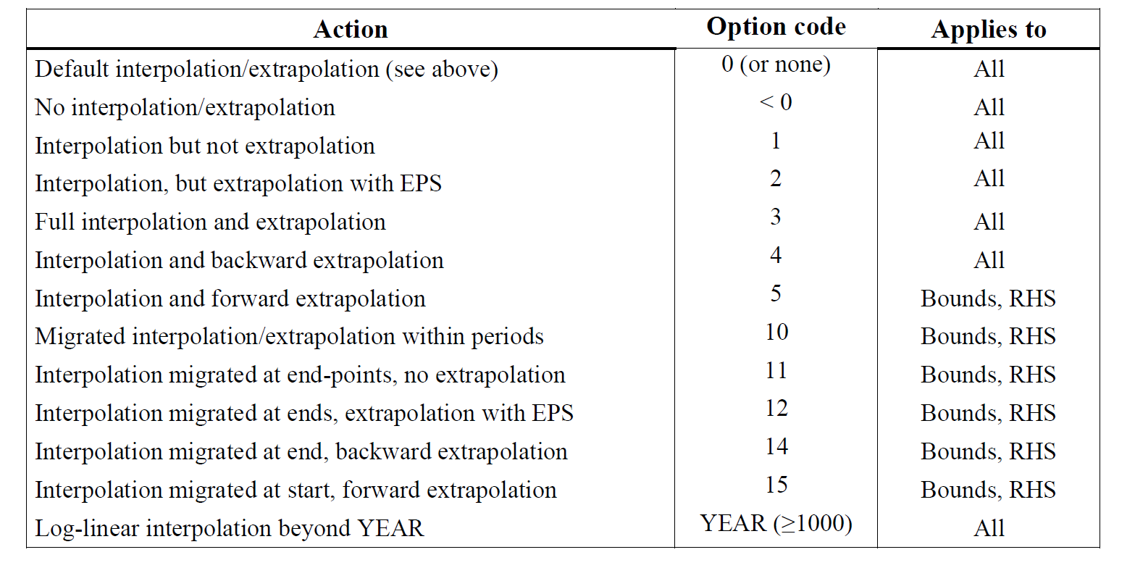
~TFM_INS
Attribute | Year | Pset_PN | AllRegions | LimType | Year~0
*Unit |  |  | PJ
ACT_BND | 2050 | IMPCRN | 30 | UP | 4
ACT_BND | 2050 | IMPMNR | 8 | UP | 4
ACT_BND | 2050 | IMPRPS | 15 | UP | 4
ACT_BND | 2050 | IMPSGB | 15 | UP | 4
ACT_BND | 2050 | IMPSTR | 20 | UP | 4
ACT_BND | 2050 | IMPWCH | 25 | UP | 4
ACT_BND | 2050 | IMPWST | 3 | UP | 4

Potentials wind and wave
The attribute CAP_BND can be alternatively used to constrain the capacity (MW) of a specific process. Check the Attribute Master in VEDA for details on required inputs for constructing the insert table.
~TFM_INS
Attribute | Year | Pset_PN | AllRegions | LimType | Year~0
*Unit |  |  | PJ
ACT_BND | 2015 | IMPWIN | 30000 | UP | 5
ACT_BND | 2050 | IMPWIN | 60000 | UP
ACT_BND | 2015 | IMPWAV | 3000 | UP | 5
ACT_BND | 2050 | IMPWAV | 5000 | UP

