Tech
Notes: This space can be used by modellers to track down notes/assumptions and general toughts on the modelling part
 |  |  |  |  |  |  | Ref.

 |  |  |  |  |  |  | TOPWASTE
 |  |  |  |  |  |  | "Technology Data for Energy Plants" by Energinet
 |  |  |  |  |  |  | TIMES-DK
 |  |  |  |  |  |  | TIMES-NordPool
 |  |  |  |  |  |  | PLATTS
 |  |  |  |  |  |  | Austrian Statistics
 |  |  |  |  |  |  | Eurostat

Technologies | Technologies operating in 2012.
 |  |  |  |  |  | ~FI_T
TechName | *TechDesc | Year | Region | Comm-IN | Comm-OUT | CURR | EFF | CEFF | CHPR | LIFE | STOCK | FIXOM | VAROM | CAP2ACT | AFA | Peak
*PlantName |  |  | Power Region Name |  |  |  |  |  |  |  | Installed Capacity
*Unit |  |  |  |  |  | Currency unit |  |  |  | Years | MW | MEuros/MW | MEuros/PJ | Factor | Factor | Factor
ETCOASTM1E | Thermal electric: Steam condensing turbine - Coal | 2012 |  | ELCCOA | ELCC | MEuros10 | 0.44 |  |  | 40 | 108.2 | 0.0215 | 0.931 | 0.032 | 0.85 | 1

Fuel Tech
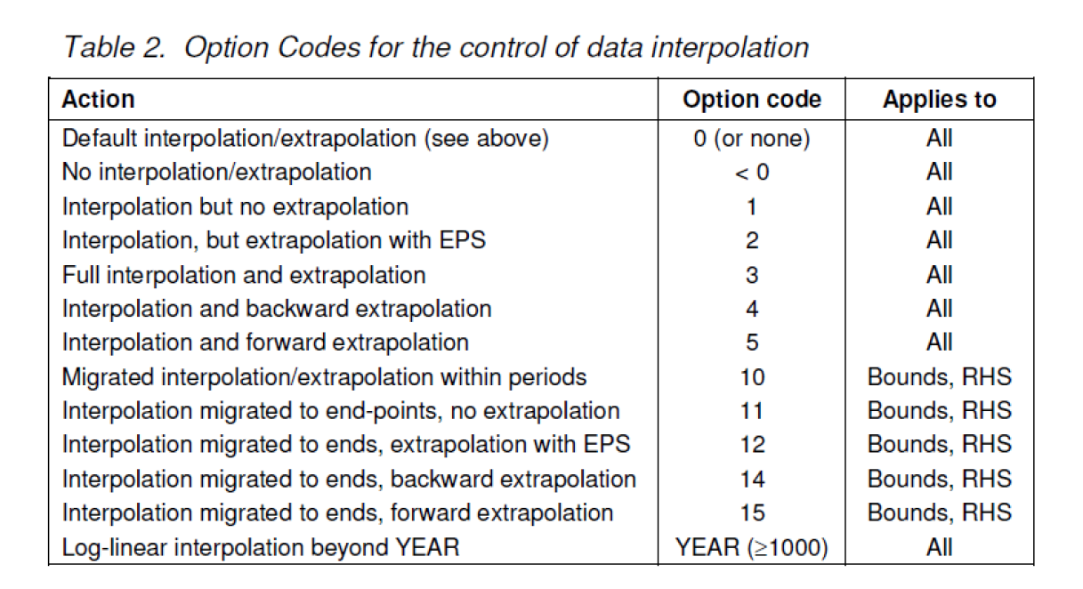
 |  |  | ~FI_T
TechName | *TechDesc | Comm-IN | Comm-OUT | EFF
*Fuel Tech
*Unit
FT-ELCCOA | Fuel Technology Coal ELC | COA | ELCCOA | 1

