Distribution of Questions
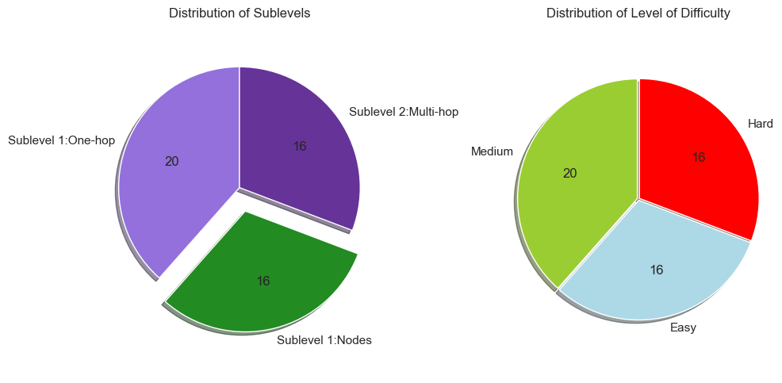
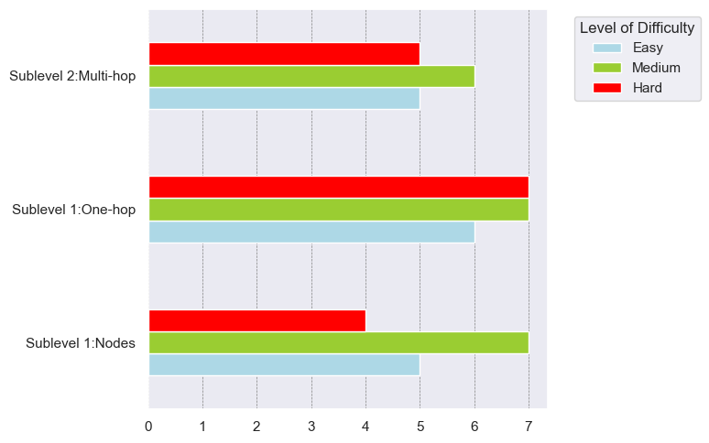
COUNTA of Level of Difficulty |  | Level of Difficulty
Level | Sublevel | Easy | Hard | Medium | (κενό) | Γενικό Άθροισμα
Level A: Explict Facts | Sublevel 1:Nodes | 5 | 4 | 7 |  | 16
Level A: Explict Facts Άθροισμα |  | 5 | 4 | 7 |  | 16
Level B: Implicit Facts | Sublevel 1:One-hop | 6 | 7 | 7 |  | 20
 | Sublevel 2:Multi-hop | 5 | 5 | 6 |  | 16
Level B: Implicit Facts Άθροισμα |  | 11 | 12 | 13 |  | 36
(κενό)
Γενικό Άθροισμα |  | 16 | 16 | 20 |  | 52

Cypher Cheat Sheet
Operators | Clauses | Functions - Cypher Manual

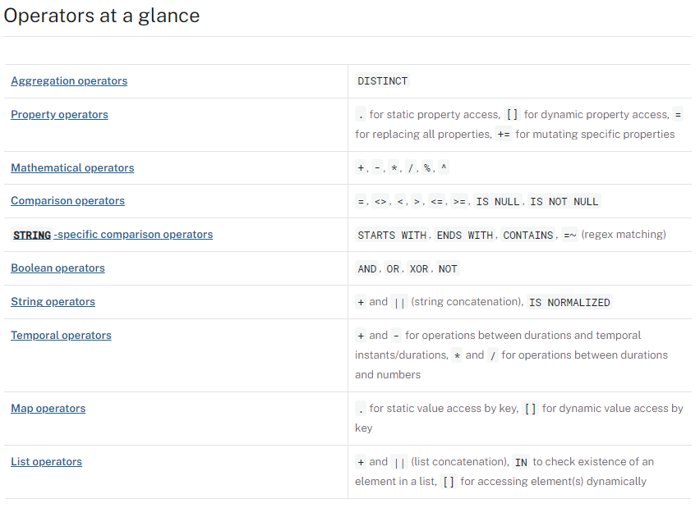
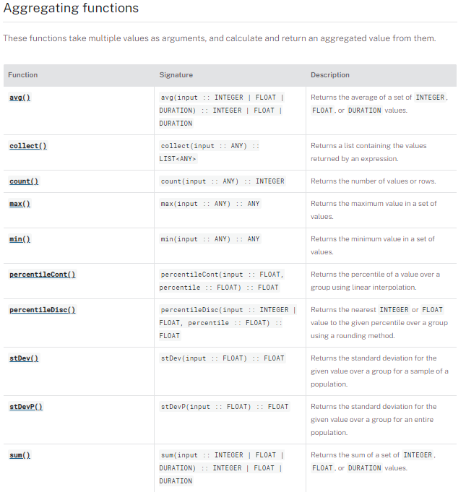

https://neo4j.com/docs/cypher-cheat-sheet/5/aura-dbe/

