Summary
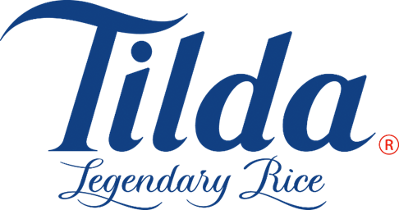
 |  | Claim Summary Report

Supplier Name: | Tilda

Supplier Number: | 815916

Audit Year: | 2022

Retailer: | Asda

Claim Ref :

Claim Type: | Overfunded Retro

Summary: | According to our records the P7 Tilda Steamed Basmati was overfunded. As per the attached 13.06-26.06 CAD, Tilda agreed to fund a deeper £1 promotion during P7 promotion from 13/06/2022 to 26/06/2022 with a £0.54 unit retro. As per the attached 27.06-05.07 CAD, Tilda agreed to fund a £1 promotion from 27/06/2022 to 05/07/2022 with a £0.36 unit retro. However, products between these dates have been incorrectly invoiced at the previous £0.54 retro. The correct amount due for the promotion has been recalculated and the claim is for the difference.

Promotion(s) : | P7 Micro

Evidence: | Calculations, EPOS, Invoices, 01.07-05.07 Invoice Sheet, 01.07-05.07 Invoice CAD, 09.06-05.07 P7 CAD, 13.06-26.06 Retro Amend CAD, 27.06-05.07 Retro Revert CAD

Value: | £86.59

