attribute.bytes
 | Normally to get the size block, you do [total bytes - 4] / [total entries (uint32 from the first four bytes)] |  |  |  |  |  |  |  |  |  | Total bytes | 1187 | (= 1191-4)
 | Sometimes though, it does not work out, especially if you have strings or arrays involved |  |  |  |  |  |  |  |  |  | total entries (uint32 at start) | 9
 |  |  |  |  |  |  |  |  |  |  | Expected size/block | 131.88888889
AttributeId = idval, |  |  |  |  | 4 | 4 |  | Required
Uqid = br.ReadUInt32(), |  |  |  |  | 4 | 8 |  | Required
SpriteName = br.ReadString(), |  |  |  |  | 27 | 35 |  | Required
SpriteNameSmall = br.ReadString(), |  |  |  |  | 27 | 62 |  | Required
DefSpriteName = br.ReadString(), |  |  |  |  | 36 | 98 |  | Required
ProtectSpriteNamePop = br.ReadString(), |  |  |  |  | 35 | 133 |  | Required | 133 matched fine
TextID = br.ReadUInt32(), |  |  |  |  | 4 | 137 |  |  | Block end: | 150
DefTextID = br.ReadUInt32(), |  |  |  |  | 4 | 141 |  |  |  | Need 17 more after this point
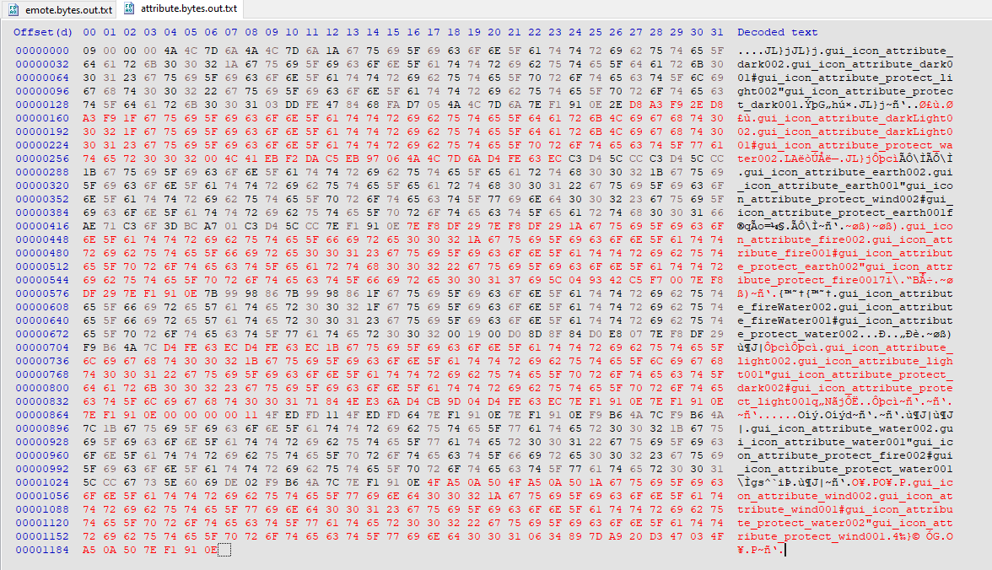
HitEffectID = br.ReadUInt32(), |  |  |  |  | 4 | 145
SortNum = br.ReadByte(), |  |  |  |  | 1 | 146
EquipSortNum = br.ReadByte(), |  |  |  |  | 1 | 147
MainAttrID = br.ReadUInt32(), |  |  |  |  | 4 | 151
SubAttrID = br.ReadUInt32(), |  |  |  |  | 4 | 155
GuardAttrID = br.ReadUInt32() |  |  |  |  | 4 | 159

 |  |  |  | block size | 8 | 1272 | <-- need 1187
 |  | Block | 1 | 151
 |  | Block | 2 | 125
 |  | Block | 3 | 152
 |  | Block | 4 | 150
 |  | Block | 5 | 126
 |  | Block | 6 | 165
 |  | Block | 7 | 168
 |  | Block | 8 | 150
 |  | Block | 9 | 0

