Data Analysis (Preperation) SQL
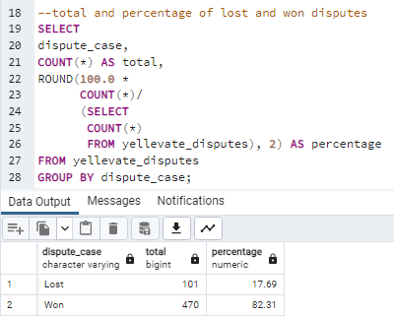
1. Total number of invoices

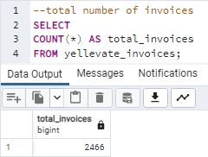

2. Total and percentage of disputes

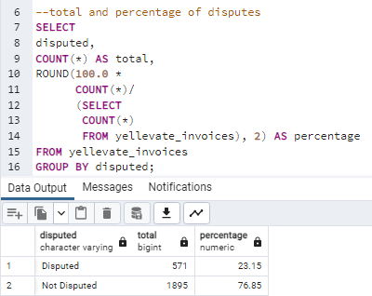

3. Total and percentage of lost and won disputes

Data Analysis (Goals) SQL
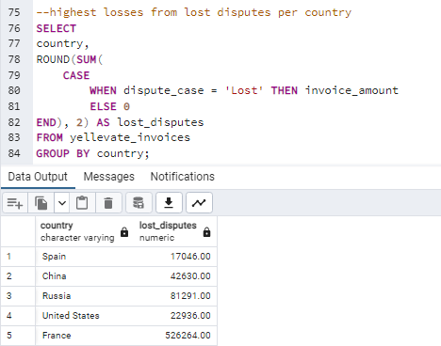
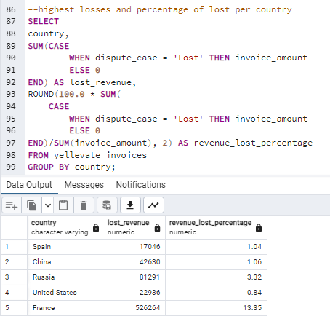
1. The processing time in which invoices are settled (average # of days rounded to a whole number)

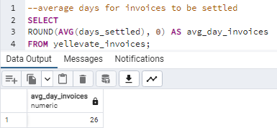
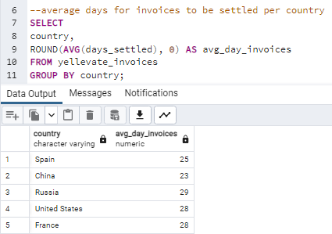

2. The processing time for the company to settle disputes (average # of days rounded to a whole number)

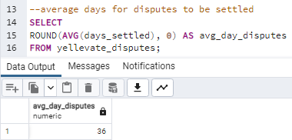
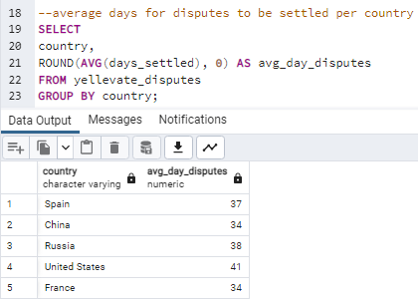

3. Percentage of disputes received by the company that were lost (within two decimal places)

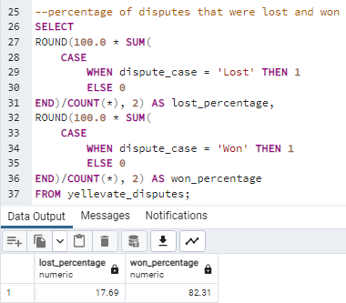
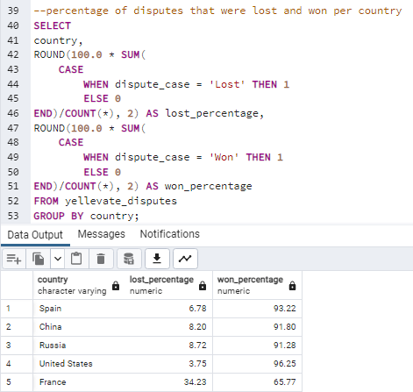

4. Percentage of revenue lost from disputes (within two decimal places)

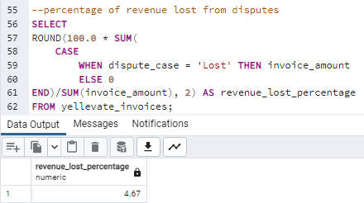
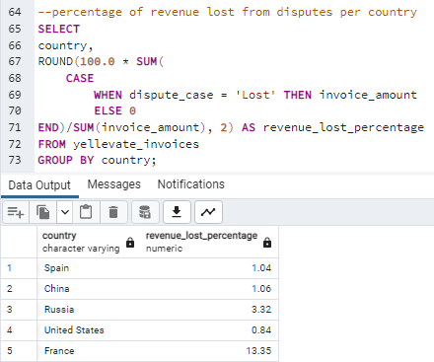

5. The country where the company reached the highest losses from lost disputes (in USD)

Data Analysis (Additional) SQL
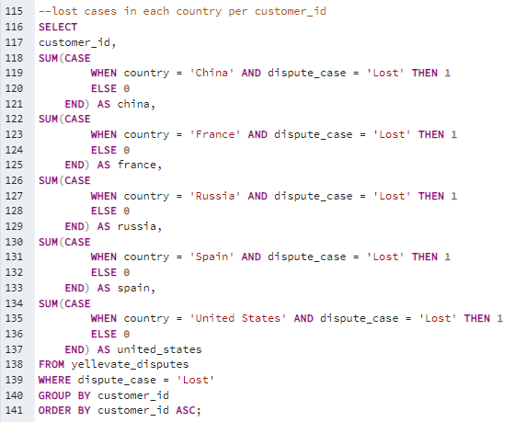
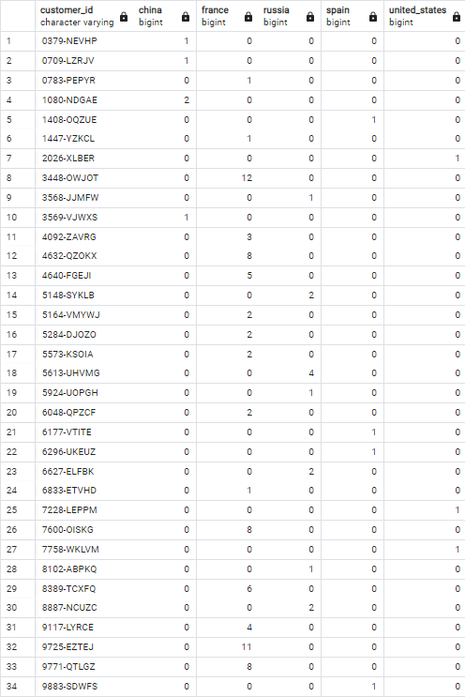
1. Total and percentage of disputes per country

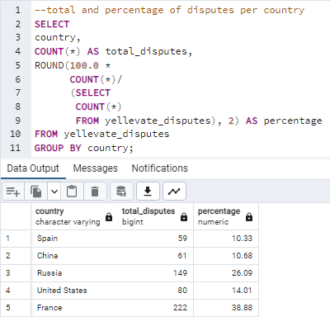

2. Total and percentage of disputes that were lost and won per country

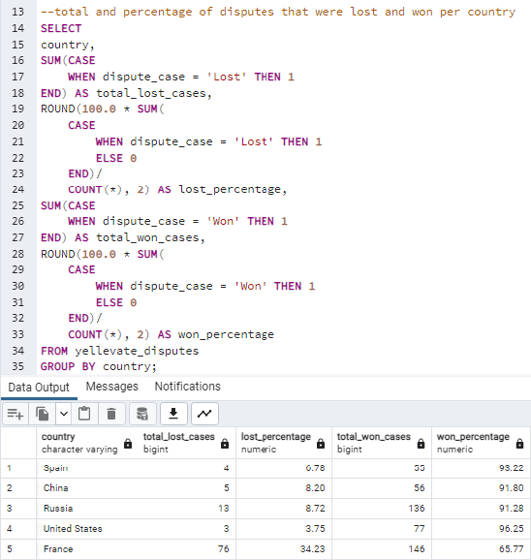

3. Total and percentage of revenue lost and won

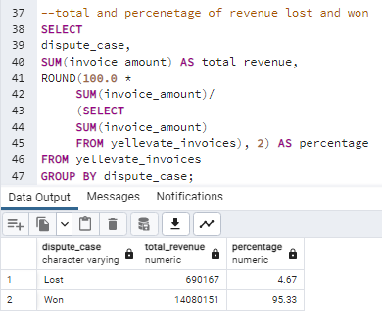

4. Total and percentage of settlement settled on time and late

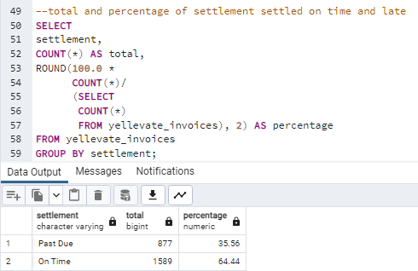

5. Total and percentage of on time and late settlemetns per country

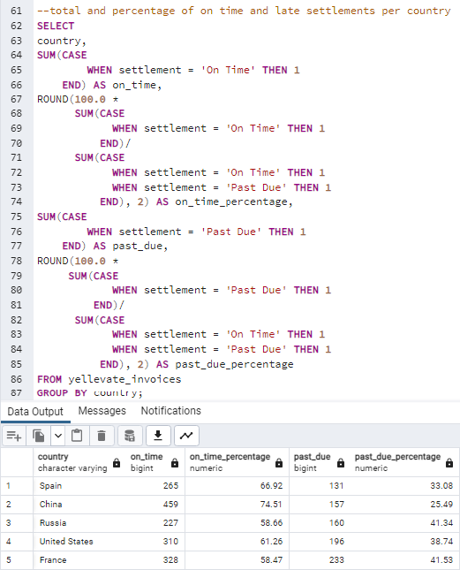

6. Total number of customers

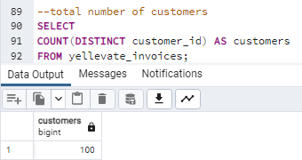

7. Total and percentage of customers with disputed cases

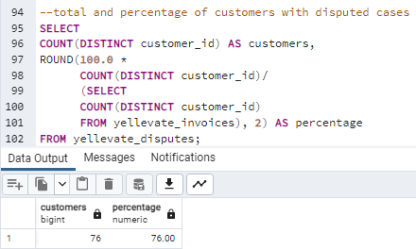

8. Total and percentage of customers who have won cases

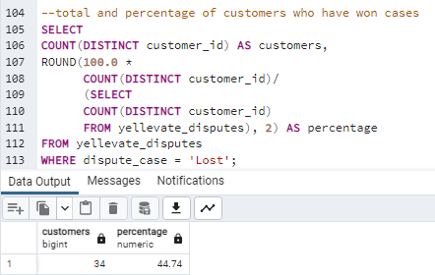

9. Lost cases in each country per customer_id

Other Graphs
Category | Total | (%)
Disputed | 571 | 23.15%
Not Disputed | 1895 | 76.85%
Grand Total | 2466 | 100.00%

Category | Total | (%)
Not Disputed | 1895 | 76.85%
Lost | 101 | 17.69%
Won | 470 | 82.31%
Disputed | 571 | 23.15%

disputed | Disputed

Country | Total Disputes | (%)
Spain | 59 | 10.33%
China | 61 | 10.68%
United States | 80 | 14.01%
Russia | 149 | 26.09%
France | 222 | 38.88%
Grand Total | 571 | 100.00%

France

disputed | Disputed

Total Disputes | Column Labels
Country | Lost | Won | Grand Total | Lost (%) | Won (%)
France | 76 | 146 | 222 | 34.23% | 65.77%
Russia | 13 | 136 | 149 | 8.72% | 91.28%
China | 5 | 56 | 61 | 8.20% | 91.80%
Spain | 4 | 55 | 59 | 6.78% | 93.22%
United States | 3 | 77 | 80 | 3.75% | 96.25%
Grand Total | 101 | 470 | 571 | 17.69% | 82.31%

Case | Revenue | (%)
Lost | 690167 | 4.67%
Won | 14080151 | 95.33%
Grand Total | 14770318 | 100.00%

Settlement | Total | (%)
On Time | 1589 | 64.44%
Past Due | 877 | 35.56%
Grand Total | 2466 | 100.00%

Total | Column Labels
Settlement | On Time | Past Due | Grand Total | On Time (%) | Past Due (%)
France | 328 | 233 | 561 | 58.47% | 41.53%
United States | 310 | 196 | 506 | 61.26% | 38.74%
Russia | 227 | 160 | 387 | 58.66% | 41.34%
China | 459 | 157 | 616 | 74.51% | 25.49%
Spain | 265 | 131 | 396 | 66.92% | 33.08%
Grand Total | 1589 | 877 | 2466 | 64.44% | 35.56%

Category | Total | (%)
With Disputes | 76 | 76.00%
Without Disputes | 24 | 24.00%

Cases | Total | (%)
Lost | 42 | 55.26%
Won | 34 | 44.74%

Answers
Total Revenue Lost:
$690,167.00
Total Invoices:
2466
Total Disputes:
571 (4.67 %)
Total Disputes Won: 470 (82.31 %)
Total Disputes Lost: 101 (17.69 %)
YELLEVATE DISPUTE ANALYSIS

1
5
France
Country with the Highest Losses from Disputes
26 Days
Average Processing Time to Settle Invoices
3
17.69 %
Percentage of Disputes Recieved by the Company that were Lost

Country | Days | Country | Lost (%) | Country | Lost Revenue (USD) | Lost (%)
China | 23 | United States | 3.75% | Spain | $17,046.00 | 1.04%
Spain | 25 | Spain | 6.78% | United States | $22,936.00 | 0.84%
France | 28 | China | 8.20% | China | $42,630.00 | 1.06%
United States | 28 | Russia | 8.72% | Russia | $81,291.00 | 3.32%
Russia | 29 | France | 34.23% | France | $526,264.00 | 13.35%
Russia has the longest days to processing time to settle invoices with 29 days, which is 26.09 % longer than China which has the shortest processing time of 23 days
France has the highest percentage of lost disputes with 34.23 %, which is more than 8 times higher than the United States which has the lowest percentage of lost with 3.75 %

2
36 Days
Average Processing Time to Settle Disputes
4
4.67 %
Percentage of Revenue Lost from Disputes

Country | Days | Country | Lost (%)
China | 34 | United States | 0.84%
France | 34 | Spain | 1.04%
Spain | 37 | China | 1.06%
Russia | 38 | Russia | 3.32%
The United States has the longest days to processing time to settle disputes with 41 days, which is 25.59 % longer than China and France which has the shortest processing time of 34 days
France has the highest percentage of revenue lost with 13.35 %, which is almost 15 times higher than the United States which has the lowest percentage of lost with 0.84 %
United States | 41 | France | 13.35%
Since France has the highest rate of lost disputes, the country with the biggest losses from lost disputes should be France.

