Title page
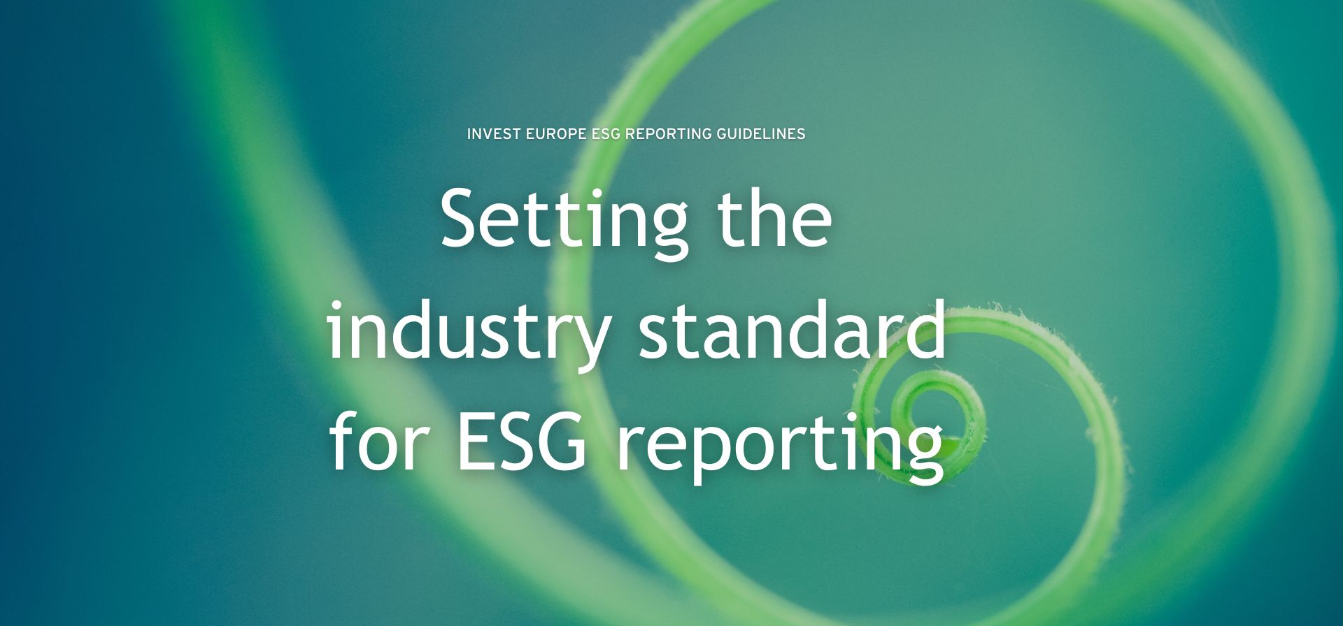



in partnership with VentureESG

About Invest Europe
Invest Europe is the association representing Europe’s private equity, venture capital and infrastructure sectors, as well as their investors.
Our members take a long-term approach to investing in privately held companies, from start-ups to established firms. They inject not only capital but also dynamism, innovation and expertise. This commitment helps deliver strong and sustainable growth, resulting in healthy returns for Europe’s leading pension funds and insurers, to the benefit of the millions of European citizens who depend on them.
Invest Europe aims to make a constructive contribution to policy affecting private capital investment in Europe. We provide information to the public on our members’ role in the economy. Our research provides the most authoritative source of data on trends and developments in our industry. Invest Europe is the guardian of the industry’s professional standards, demanding accountability, good governance and transparency from our members.
Invest Europe is a non-profit organisation with 28 employees in Brussels, Belgium. For more information please visit www.investeurope.eu.

VERSION As of 26/11/2024

