Analysis
 |  | APO |  |  |  | DNA
 | DMSO | 44.17483 | 44.04492 | 44.304737 | 44.434647 | 61.322742 | 61.45265 | 61.192833 | 61.062923
 | ST-0176773 | 39.108402 | 38.32895 | 38.45886 | 37.289684 | 60.413383 | 60.023655 | 60.023655 | 60.283474
 | ST-0136751 | 43.265472 | 43.265472 | 43.135563 | 43.655197 | 60.413383 | 60.413383 | 60.413383 | 60.283474
 | ST-0176936 | 42.48602 | 42.61593 | 42.096294 | 43.135563 | 60.80311 | 60.933014 | 60.6732 | 60.933014
 | ST-0136747 | 40.277576 | 41.057026 | 41.186935 | 41.83648 | 62.2321 | 62.2321 | 62.2321 | 62.2321

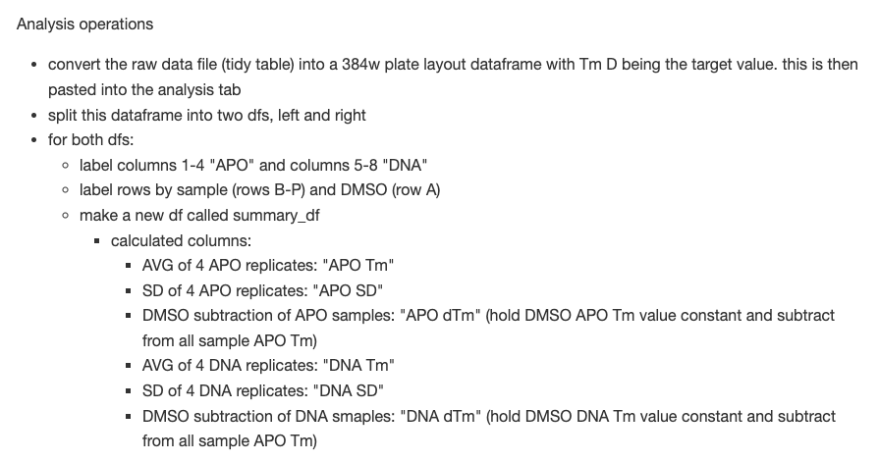

 |  | APO Tm | APO SD | APO dTm | DNA Tm | DNA SD | DNA dTm
 | DMSO | 44.24 | 0.17 | 0.00 | 61.26 | 0.17 | 0.00
 | ST-0176773 | 38.30 | 0.75 | -5.94 | 60.19 | 0.19 | -1.07
 | ST-0136751 | 43.33 | 0.23 | -0.91 | 60.38 | 0.06 | -0.88
 | ST-0176936 | 42.58 | 0.43 | -1.66 | 60.84 | 0.12 | -0.42
 | ST-0136747 | 41.09 | 0.64 | -3.15 | 62.23 | 0.00 | 0.97
 | 0 | #DIV/0! | #DIV/0! | #DIV/0! | #DIV/0! | #DIV/0! | #DIV/0!
 | 0 | #DIV/0! | #DIV/0! | #DIV/0! | #DIV/0! | #DIV/0! | #DIV/0!
 | 0 | #DIV/0! | #DIV/0! | #DIV/0! | #DIV/0! | #DIV/0! | #DIV/0!
 | 0 | #DIV/0! | #DIV/0! | #DIV/0! | #DIV/0! | #DIV/0! | #DIV/0!
 | 0 | #DIV/0! | #DIV/0! | #DIV/0! | #DIV/0! | #DIV/0! | #DIV/0!
 | 0 | #DIV/0! | #DIV/0! | #DIV/0! | #DIV/0! | #DIV/0! | #DIV/0!
 | 0 | #DIV/0! | #DIV/0! | #DIV/0! | #DIV/0! | #DIV/0! | #DIV/0!
 | 0 | #DIV/0! | #DIV/0! | #DIV/0! | #DIV/0! | #DIV/0! | #DIV/0!
 | 0 | #DIV/0! | #DIV/0! | #DIV/0! | #DIV/0! | #DIV/0! | #DIV/0!
 | 0 | #DIV/0! | #DIV/0! | #DIV/0! | #DIV/0! | #DIV/0! | #DIV/0!
 | 0 | #DIV/0! | #DIV/0! | #DIV/0! | #DIV/0! | #DIV/0! | #DIV/0!

ST-0176773 |  |  |  |  | 0.0

