5. Adding Images to your page
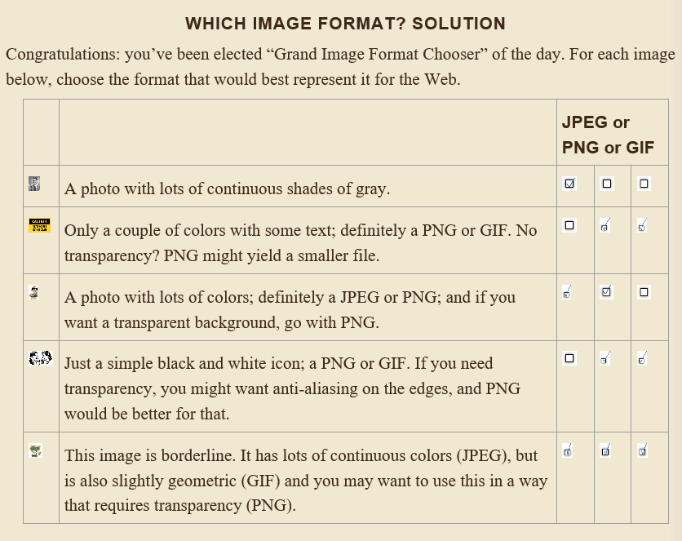
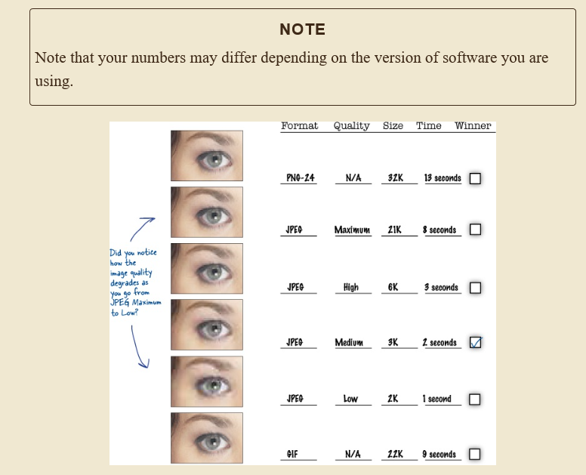
 |  |  |  |  | 2
 |  | 1 | Q | U | A | L | I | T | Y
 |  |  |  |  | C |  |  |  |  |  |  |  |  | 4
 |  |  |  | 3 | C | O | N | C | U | R | R | E | N | T | L | Y
 |  |  |  |  | E |  | 6 |  |  |  |  |  |  | H
5 | T | R | A | N | S | P | A | R | E | N | C | Y |  | U |  | 7
 |  |  |  |  | S |  | N |  |  |  |  |  |  | M |  | L
 |  | 8 | T | H | I | R | T | Y | F | I | V | E |  | B |  | O
 | 9 |  |  |  | B |  | I |  |  |  |  |  |  | N |  | N
 | J |  |  | 10 | I | M | A | G | E |  |  |  |  | A |  | G
11 | P | I | X | E | L |  | L |  |  | 12 | R | E | S | I | Z | E
 | E |  |  |  | I | 13 | I | P | O | D |  |  |  | L |  | R
14 | G | I | F |  | T |  | A |  |  |  |  |  |  | S
 |  |  |  |  | Y |  | S

