5. Adding Images to your page
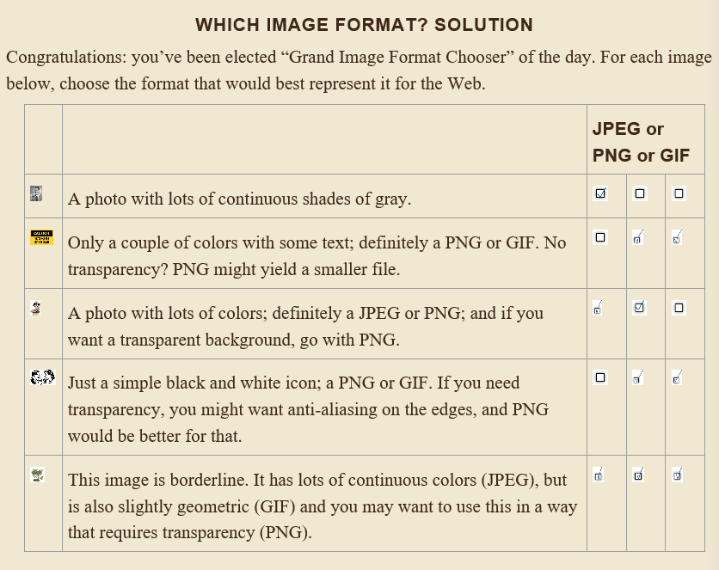
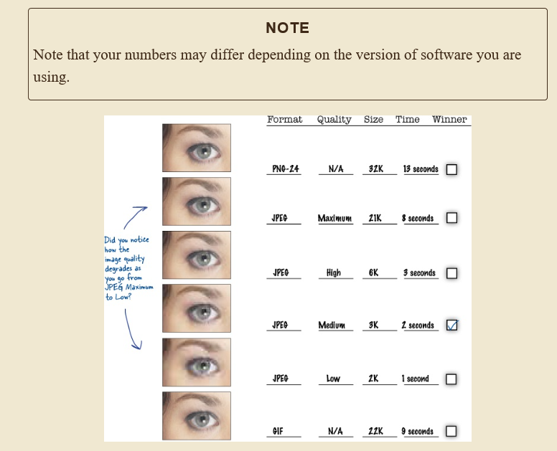
 |  |  |  |  | 2
 |  | 1 | Q | U | A | L | I | T | Y
 |  |  |  |  | C |  |  |  |  |  |  |  |  | 4
 |  |  |  | 3 | C | O | N | C | U | R | R | E | N | T | L | Y
 |  |  |  |  | E |  | 6 |  |  |  |  |  |  | H
5 | T | R | A | N | S | P | A | R | E | N | C | Y |  | U |  | 7
 |  |  |  |  | S |  | N |  |  |  |  |  |  | M |  | L
 |  | 8 | T | H | I | R | T | Y | F | I | V | E |  | B |  | O
 | 9 |  |  |  | B |  | I |  |  |  |  |  |  | N |  | N
 | J |  |  | 10 | I | M | A | G | E |  |  |  |  | A |  | G
11 | P | I | X | E | L |  | L |  |  | 12 | R | E | S | I | Z | E
 | E |  |  |  | I | 13 | I | P | O | D |  |  |  | L |  | R
14 | G | I | F |  | T |  | A |  |  |  |  |  |  | S
 |  |  |  |  | Y |  | S

7. Getting started w CSS
 |  |  | html |  |  |  |  |  |  |  |  |  |  |  |  |  |  |  |  | 1 |  | 2
 |  |  |  |  |  |  |  |  |  |  |  |  |  |  |  |  | 4 |  |  | S |  | S
 | head |  |  |  | body |  |  |  |  |  |  | 3 | R | U | L | E | S |  |  | A |  | T
 |  |  |  |  |  |  |  |  |  |  |  |  |  |  |  |  | T |  |  | N |  | Y |  | 6 |  |  | 7
meta | title | style |  | h1 | p | p | h2 | p |  |  |  |  |  |  |  |  | Y |  |  | S | E | L | E | C | T | O | R |  | 9
 |  |  |  |  |  |  |  |  |  |  |  |  |  | 8 | V | A | L | U | E | S |  | E |  | H |  |  | A |  | L
 |  |  |  | img | img | a, em |  | a |  |  |  |  |  |  |  |  | E |  |  | E |  |  |  | I |  |  | D |  | O
 |  |  |  |  |  |  |  |  |  |  |  |  | 10 | C | L | A | S | S |  | R |  |  |  | L |  |  | W |  | U
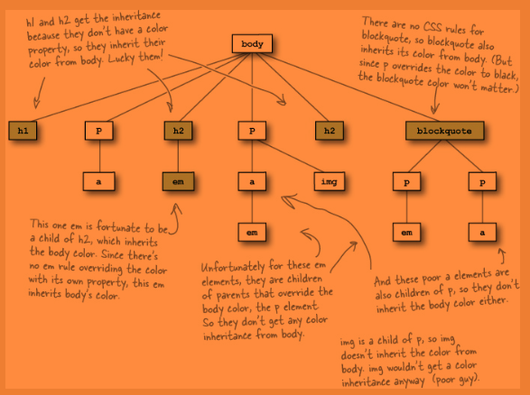
 |  |  |  |  |  |  |  |  |  |  |  | 12 |  |  |  |  | H |  |  | I |  |  |  | D |  |  | E |  | N
 |  |  |  |  |  |  |  |  | 11 | C | O | L | O | R | 13 | S | E | R | I | F |  |  |  | R |  |  | B |  | G
 |  |  |  |  |  |  |  |  |  |  |  | I |  |  |  |  | E |  |  |  |  |  |  | E |  |  | D |  | E
 |  |  |  |  |  |  |  |  |  | 14 | I | N | H | E | R | I | T | A | N | C | E |  |  | N |  |  | E |  | G
 |  |  |  |  |  |  |  |  |  |  |  | K |  |  |  |  |  |  |  |  |  |  |  |  |  |  | S |  | U
 |  |  |  |  |  |  |  |  |  |  |  |  |  |  |  |  |  | 15 | F | O | N | T | - | F | A | M | I | L | Y
 |  |  |  |  |  |  |  |  |  |  |  |  |  |  |  |  |  |  |  |  |  |  |  |  |  |  | G |  | S
 |  |  |  |  |  |  |  |  |  |  |  |  |  |  |  |  |  |  |  |  |  |  |  |  |  |  | N

12. Modern HTML
own test
 | Safari | chrome | firefox | Mobile webkit | opera | IE9+ | IE8 | IE7 or <
H264 |  | ok but no autoplay | ok but no autoplay |  |  | ok
WebM |  | ok | ok but no autoplay |  |  | INVALID
Ogg Theora |  | ok but no autoplay | ok but no autoplay |  |  | INVALID

From book
 | Safari | chrome | firefox | Mobile webkit | opera | IE9+ | IE8 | IE7 or <
H264 | OK | SOME |  | IOS |  | OK
WebM |  | OK | OK | ANDROID | OK
Ogg Theora |  | OK | OK |  | OK

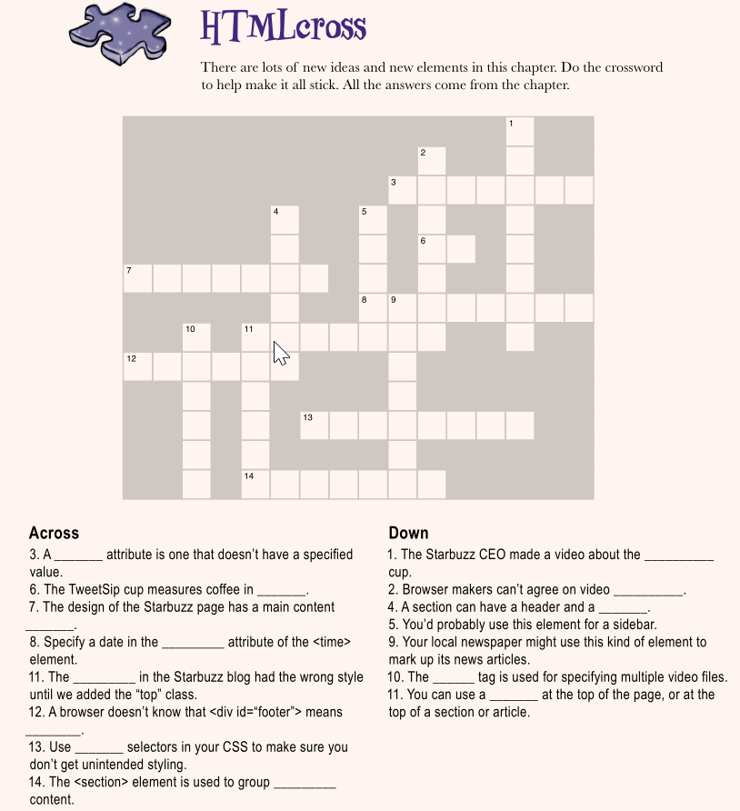

 |  |  |  |  |  |  |  |  |  |  |  |  |  |  |  |  |  |  |  |  |  |  | 1
 |  |  |  |  |  |  |  |  |  |  |  |  |  |  |  |  |  |  |  | 2 |  |  | T
 |  |  |  |  |  |  |  |  |  |  |  |  |  |  |  |  |  | 3 |  | F |  |  | W
 |  |  |  |  |  |  |  |  |  |  |  |  |  |  | 4 |  |  | 5 | B | O | O | L | E | A | N
 |  |  |  |  |  |  |  |  |  |  |  |  |  |  | F |  |  | A |  | R |  |  | E
 |  |  |  |  |  |  |  |  |  |  |  |  |  |  | O |  |  | S | 6 | M | L |  | T
 |  |  |  |  |  |  |  |  | 7 | S | E | C | T | I | O | N |  | I | 9 | A |  |  | S
 |  |  |  |  |  |  |  |  |  |  |  | 10 |  |  | T |  | 8 | D | A | T | E | T | I | M | E
 |  |  |  |  |  |  |  |  |  |  |  | S | 11 | H | E | A | D | E | R | S |  |  | P
 |  |  |  |  |  |  |  |  | 12 | F | O | O | T | E | R |  |  |  | T
 |  |  |  |  |  |  |  |  |  |  |  | U |  | A |  |  |  |  | I
 |  |  |  |  |  |  |  |  |  |  |  | R |  | D | 13 | S | P | E | C | I | F | I | C
 |  |  |  |  |  |  |  |  |  |  |  | C |  | E |  |  |  |  | L
 |  |  |  |  |  |  |  |  |  |  |  | E | 14 | R | E | L | A | T | E | D

13. Getting Tabular
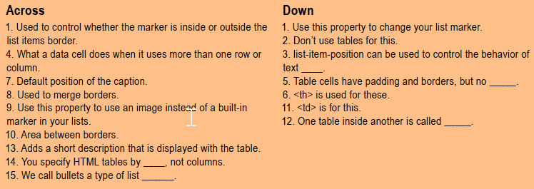
 | 1
1 | L | I | S | T | S | T | Y | L | E | P | O | S | I | T | I | O | N
 | I |  |  |  |  | 2 |  |  |  |  |  |  |  |  |  | 3
 | S |  |  |  |  | L |  |  |  | 5 |  |  |  |  |  | W
 | T |  | 4 | S | P | A | N | S |  | M |  |  |  |  |  | R |  | 6
 | S |  |  |  |  | Y |  |  |  | A |  |  |  |  |  | A |  | H
7 | T | O | P | 8 | B | O | R | D | E | R | C | O | L | L | A | P | S | E
 | Y |  |  |  |  | U |  |  |  | G |  |  |  |  |  | P |  | A
9 | L | I | S | T | S | T | Y | L | E | I | M | A | G | E |  | I |  | D
 | E |  |  |  |  |  | 11 |  |  | N |  |  |  |  | 12 | N |  | I
 | T |  | 10 | B | O | R | D | E | R | S | P | A | C | I | N | G |  | N
 | Y |  |  |  |  |  | A |  |  |  |  |  |  |  | E |  |  | G
 | P |  | 13 | C | A | P | T | I | O | N | 14 | R | O | W | S |  |  | S
 | E |  |  |  |  |  | A |  |  |  |  |  |  |  | T
 |  |  |  |  |  |  |  |  |  | 15 | M | A | R | K | E | R
 |  |  |  |  |  |  |  |  |  |  |  |  |  |  | D

