INPUTS
1547 Milligan Hwy, Johnson City, TN 37604 |  |  |  |  |  |  |  |  |  |  |  | Sources & Uses
SUMMARY |  |  |  | PHOTOS |  |  |  |  |  |  |  |  |  | Loans | Equity | Total
Asking Price | 2,650,000 | Offer Price | 2,400,000 | 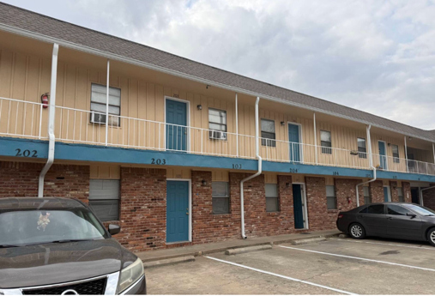 |  |  | 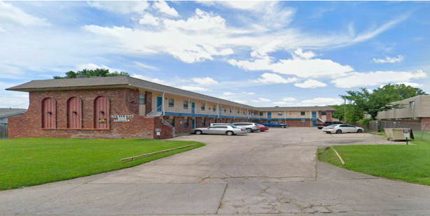 |  |  |  |  | Price |  | 1,440,000.00 | 960,000.00 | 2,400,000.00
Down Payment |  | 40% | 960,000 |  |  |  |  |  |  |  |  | Renovation | 80% | - | 50,000.00 | 50,000.00
Number Of Units |  |  | 28 |  |  |  |  |  |  |  |  | Closing Costs | 10% | 14,400.00 | $129,600.00 | 144,000.00
Price Per Unit |  |  | 85,714 |  |  |  |  |  |  |  |  | Seller Financing |  | -
Repair Budget |  |  | 50,000 |  |  |  |  |  |  |  |  |  |  | 1,454,400.00 | 1,139,600 | 2,594,000.00
Reno In Loan? |  |  | no
Purchase CAP |  |  | 5.32%
Yr 1 Proforma CAP |  |  | 8.47% | FINANCING
Building Age |  |  | 1975 | LTV | 60% | Senior I/O | 2 |  | Month |  | Year
Lot Size |  |  |  | Senior Loan | 1,454,400 |  | Principle & Int |  | 10,390 |  | 124,685 | Refinancing
Net RSF |  |  | 10,528 | Interest Rate | 6.75% |  |  |  |  |  |  | Refinancing? |  |  |  | Yes
Cost Per Net RSF |  |  | 227.96 | Seller Financing | - |  | Interest Only |  | 8,181 |  | 98,172 | Refinance Year (2-6, or enter "0" for no refinance) |  |  |  | Year 3
Closing Costs |  | 6% | $144,000 | Seller Rate | 0.00% |  | Seller financing | paid | - |  |  | Refinance Cap Rate |  |  |  | 6.50%
Total Equity |  |  | $1,139,600 | Pmt i/o | 0 | Pay % | 0.00% | Accrue | - |  |  | Market Value |  |  |  | $3,175,546
SCHEDULED INCOME |  |  |  |  |  |  | ANNUALIZED EXPENSES |  |  |  |  | Refinance LTV (%) |  |  |  | 60.00%
 |  | CURRENT RENTS |  |  | PROFORMA RENTS |  |  |  | Current |  | Proforma | Loan Amount |  |  |  | $1,905,328
UNITS | UNIT TYPE | Monthly Rent/Unit | Monthly Income | SQFT | Monthly Rent/Unit | Monthly Income | Estimated | /unit |  | /Unit |  | Years Interest Only (0-9) |  |  |  | Year 2
11 | 1BD1BA | 743 | 8,173 | 616 | 932 | 10,252 | Taxes | 1.37% | 32,860 |  | 33,846 | Interest Rate |  |  |  | 6.25%
4 | 2BD1BA | 800 | 3,200 | 938 | 1,150 | 4,600 | Insurance | 1,500 | 42,000 | 1,500 | 42,000 | Loan Amortization (YRS) |  |  |  | 25
13 | 2BD1.5BA | 1,023 | 13,299 |  | 1,250 | 16,250 | Maint/Repair | 1,059 | 29,663 | 700 | 19,600 | Closing Costs |  |  |  | 2.00%
 |  |  | - |  |  | - | Turnover | - | - | 450 | 12,600 | Costs of Refinance |  |  |  | $(38,107)
 |  |  | - |  |  | - | Utilities | 1,550 | 43,406 | 1,597 | 44,708 | Senior Loan Pay-Off |  |  |  | $(1,427,051)
 |  |  | - |  |  | - | Gen/Admin | 109 | 3,042 | 112 | 3,133 | Cash Out Amount (Net Cash from REFI) |  |  |  | $440,170
 |  |  | - |  |  | - | Contract Serv | 296 | 8,281 | 305 | 8,529 | Amount to investors |  |  |  | $440,170
 |  |  | - |  |  | - | Marketing | 490 | 13,725 | - | - | Profits (if any) |  |  |  | $(699,430)
 |  |  | - |  |  | - | Landscape / Pest | 436 | 12,213 | 449 | 12,580 | Remaining Investor Capital |  |  |  | $699,430
 |  |  | - |  |  | - | Management | 6% | 20,418 |  | 24,717
 |  |  | - |  |  | - | Reserves | $250 | 7,000 |  | 7,000
 |  |  | - |  |  | - | Total |  | 212,608 |  | 208,713
 |  |  | - |  |  | - | Expense Ratio |  | 62% |  | 51% | Sale Inputs
 |  |  | - |  |  | - | Per Unit |  | 7,593 |  | 7,454
28 |  |  | 24,672 | 10,528 |  | 31,102 | Per RSF |  | 20.19 |  | 19.82 | Sale Year |  |  |  | Year 6
APOD (ANNUAL PROPERTY OPERATING DATA |  |  |  |  |  |  |  |  |  |  |  | Sales Price |  |  |  | $3,537,683
 |  |  | Current |  |  | Proforma |  |  |  |  |  | Exit/Refi Cap Rate |  |  |  | 6.50%
Gross Income: |  |  | 296,064 |  |  | 373,224 |  |  |  |  |  | Sales Costs |  |  |  | 5.00%
(less) Vacancy/Credit loss: |  | 10% | (29,606) |  | 10% | (37,322) |  |  |  |  |  | Price per unit |  |  |  | $126,346
Other Income: |  |  | 73,841 |  |  | 76,056 |  |  |  |  |  | SALE - DETAILS
EGI (Operating Income): |  |  | 340,299 |  |  | 411,958 |  |  |  |  |  | Sale Price |  |  |  | $3,537,683
(Less) Expenses: |  | 62% | (212,608) |  | 51% | (208,713) |  |  |  |  |  | Less: Principal Remaining On Loan |  |  |  | $(1,866,963)
Net Operating Income NOI: |  |  | 127,691 |  |  | 203,244 |  |  |  |  |  | Less: Disposition Fee |  |  |  | $(176,884)
(Less) Loan: | DCR | 1.30 | (98,172) |  | 2.07 | (98,172) |  |  |  |  |  | Less: Costs of Sale (0% Sale Price)
(Less) seller/2nd loan |  |  | - |  |  | - |  |  |  |  |  | Gross Profit |  |  |  | $1,493,835
Cash Flow: |  |  | 29,519 |  |  | 105,072
TOTAL RETURN BEFORE TAX: |  |  | 29,519 |  |  | 105,072

METRICS |  |  |  |  |  |  |  |  |  |  |  | GP Fees
Cash/Cash yr1: |  |  | 2.59% |  | Cash/Cash yr1: | 9.22% |  |  |  |  |  | AQ Fee |  |  | 2.00% | 48,000.00
Avg COC |  |  |  |  | Avg COC | 7.13% |  |  |  |  |  | Asset Management Fee (Monthly) |  |  | 1.00% | 316.33
Cap Rate |  | Purchase Cap | 5.32% |  | Sale Cap | 6.50% |  |  | Yr 6 Cap Rate |  | 9.58% | Refi Fee |  |  | 1.00% | $19,053.28
Equity Multiple |  |  |  |  | Equity Multiple | 1.74 |  |  |  | Sale Cap | 6.50% | Disposition Fee |  |  | 0.00% | $-
IRR |  |  | N/A |  | IRR | 16.94% |  |  |  | Diff | 3.08% | Renovation Fee. |  |  | 7.00% | 3,500.00
1% Rule |  |  |  |  |  | 1.30%
Return On Cost (% Return On Renovation) |  |  |  |  |  | 154.32%
NOTES
*ALL THE AREAS IN BLUE ARE FILLABLE CELLS. OTHER CELLS ARE FORMULAS. |  |  |  |  |  |  |  |  |  |  |  | Total One Time Fees |  |  |  | 70,553.28
* WORKBOOK IS NOT PROTECTED SO YOU CAN EDIT ALL YOU WANT. |  |  |  |  |  |  |  |  |  |  |  | Total Monthly Fees |  |  |  | 316.33

