Sheet2
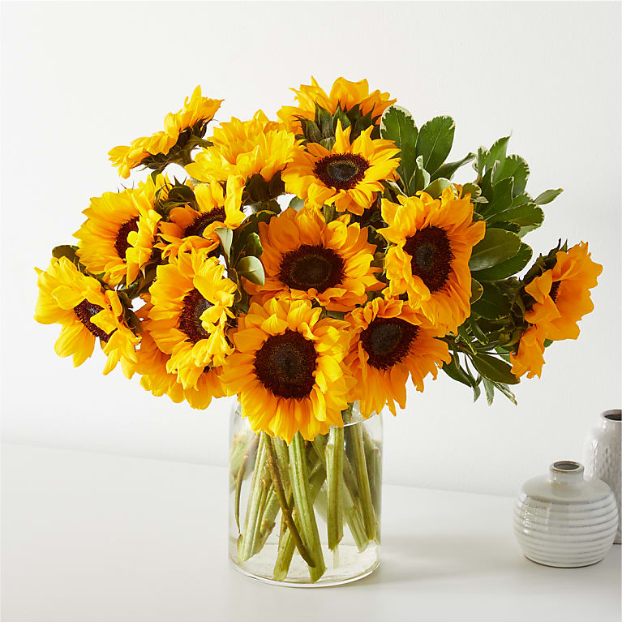
Clear Skies Bouquet | Let this uplifting arrangement be reminders of the clear skies ahead. Capturing the feeling of hope that a new day brings, this bouquet is composed of voluminous hydrangea blooms and vibrant belladonna delphinium to refresh their mood.
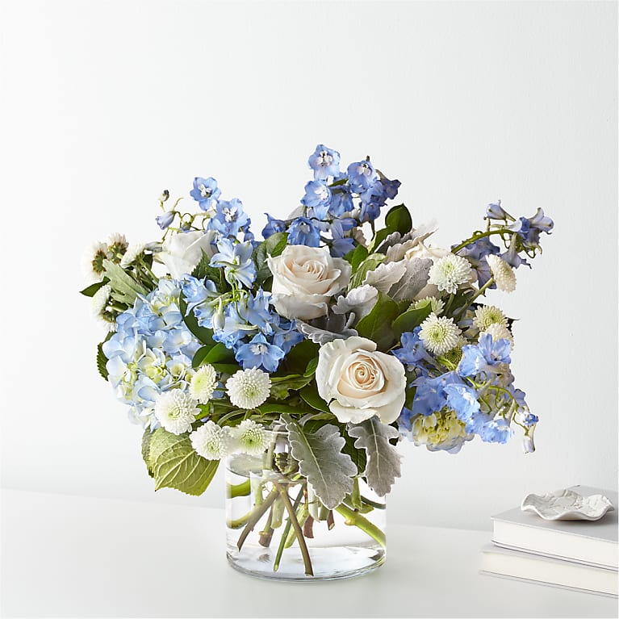

Smiles & Sunshine | Bring a rainbow of color to any home with this bouquet. Blooming with an assortment of alstroemeria and roses, this vibrant beauty makes the perfect expression for all your special occasions this season.

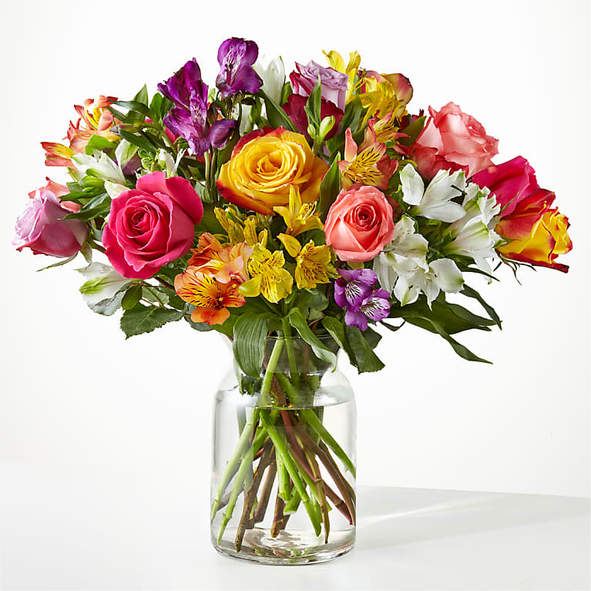

Beautiful Spirit Basket | Let them know how much you care with a gorgeous bouquet that features carnations, stock, roses, lilies and Fuji mums. Each bloom is a thoughtful reminder of your support and love, while sitting in a beautifully crafted basket.
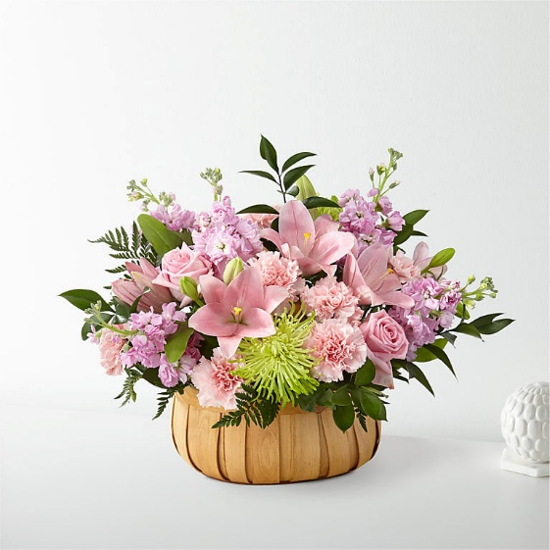

Birthday Brights Bouquet | The Birthday Brights Bouquet is a true celebration of color and life to surprise and delight your special recipient on their big day! Hot pink gerbera daisies and orange roses take center stage surrounded by purple statice, yellow cushion poms, green button poms, and lush greens to create party perfect birthday display. Presented in a modern rectangular ceramic vase with colorful striping at the bottom, "Happy Birthday" lettering at the top, and a bright pink bow at the center, this unforgettable fresh flower arrangement is then accented with a striped happy birthday pick to create a fun and festive gift.

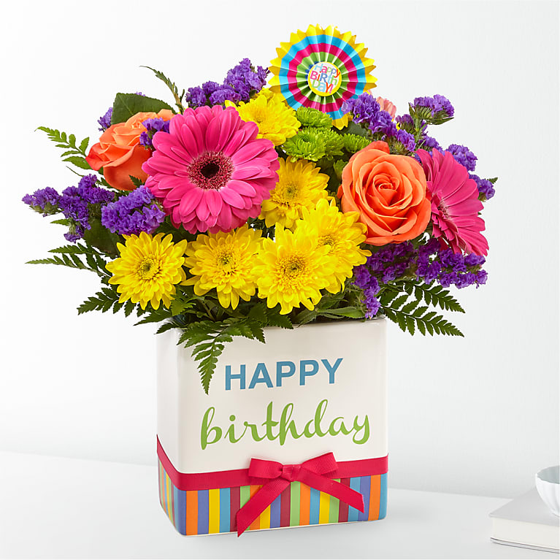

Best Day Bouquet | Make this day their best day. Our local florist handcraft a colorful array of flowers in a clear glass vase to create a celebration in bloom. Perfect to give for a special reason or to simply share a smile.

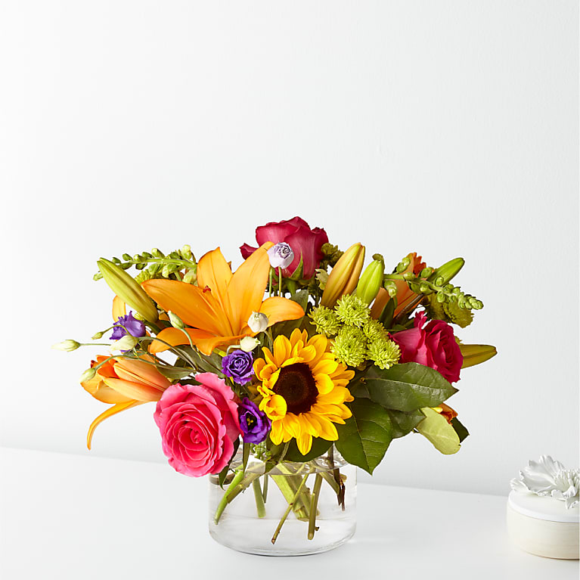

Faithful Blessings Bouquet | The Faithful Blessings Bouquet is an incredible way to celebrate a communion, confirmation, or wedding, as well as send your sympathy for the loss of a loved one. Bringing together stems of fragrant Oriental Lilies, boasting multiple blooms on each stem to create a full and lush flower bouquet, this offering of flowers will bring peace and beauty to any of life's special moments and occasions. Presented in a keepsake designer white ceramic vase with a stunning cross on the front, this exquisite flower arrangement exudes heartfelt blessings with each eye–catching, star–shaped lily.
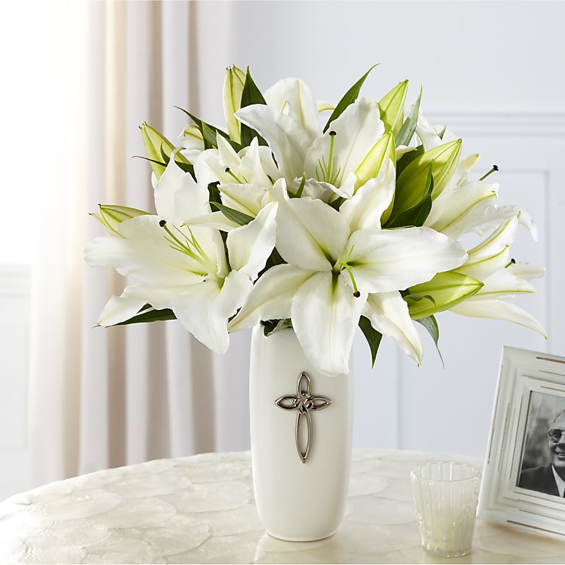

Three Dozen Long Stem Red Roses | Red roses are timeless, classic and iconic. Whether it's a romantic gesture or a meaningful gift to share how much you care, this bouquet of two dozen roses is bound to make your loved one swoon.
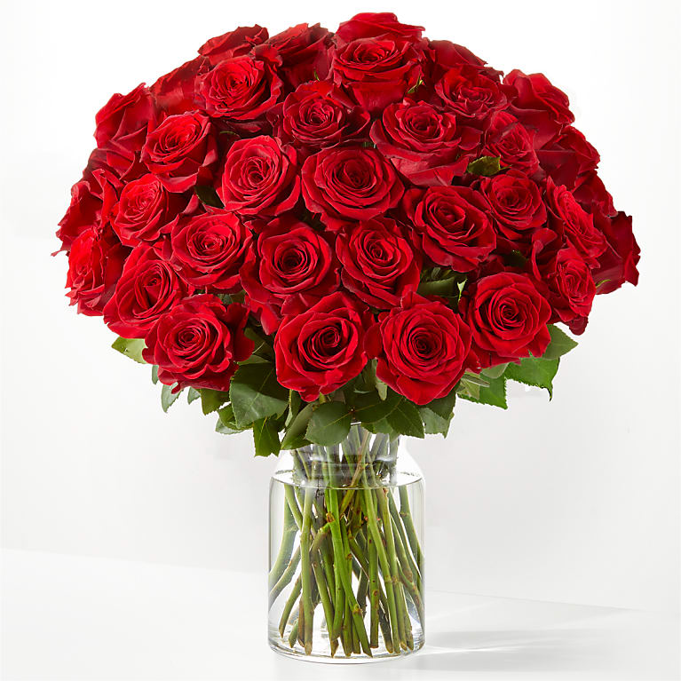

Mixed Roses | Colorful and blooming, this vibrant bouquet of two dozen roses is an instant mood booster. An abundance of the freshest roses is paired with touches of lush greenery to delight everyone from your special someone to your best friend for any occasion or sentiment.

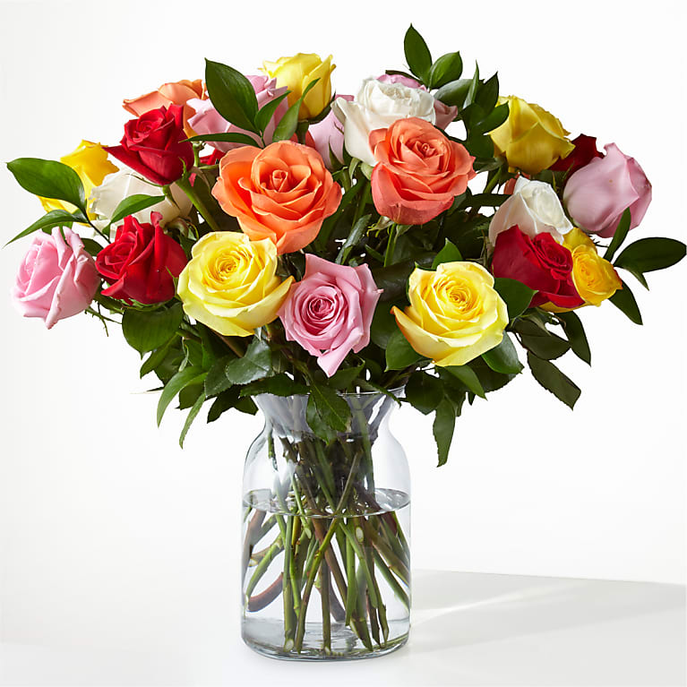

Sweet & Pretty Bouquet | The true beauty of this bouquet is within the sweet colors of the flowers. An array of hot pink roses, pale pink alstroemeria and more are set in a glass cylinder vase, making a wonderful gift to light up the face of its recipient.

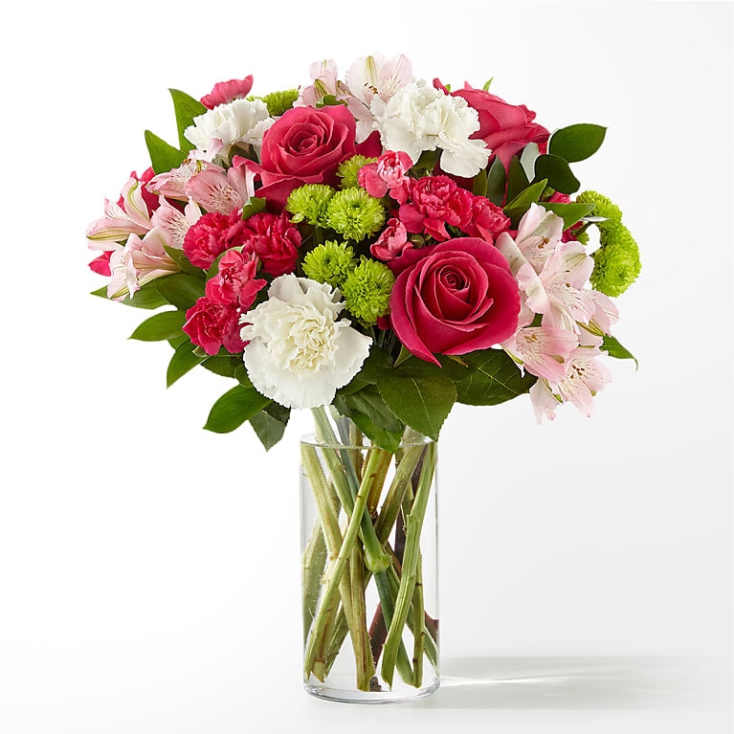

Harvest Sunflower Basket | Rustic, natural beauty and vibrant shades fill this arrangement. Our Harvest Sunflower Basket is the perfect mix of bold sunflowers, roses and dianthus in a natural woven basket.
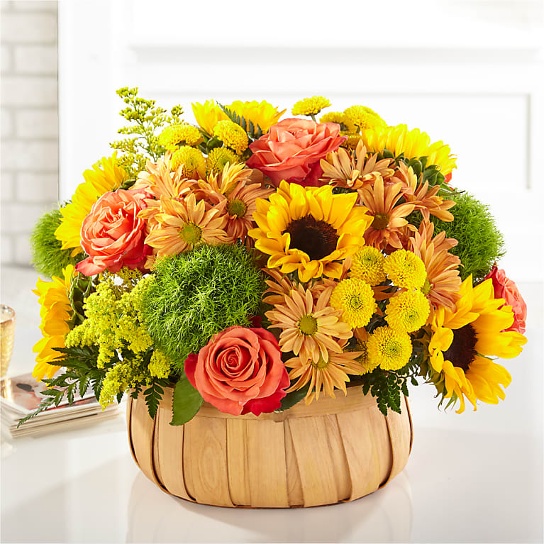

Blush Crush Bouquet | It's just, a little blush! Whoever you're sending this bouquet to, your loved ones are sure to crush hard on these gorgeous pink and white shades.
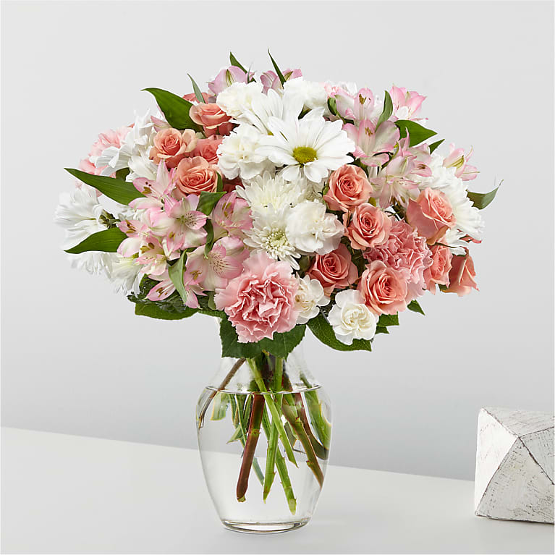

Honey Bee Sunflower Bouquet | Your recipient will be buzzing the moment these sunflowers arrive. This radiant bouquet features twenty sunny blooms for celebrations, just because, and every moment in between.

