Enrollment
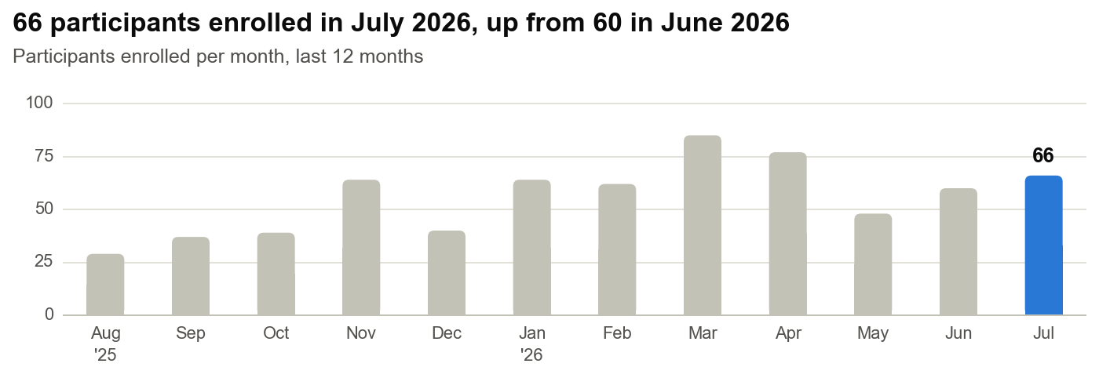
Enrollment
Reporting month July 2026 · Data to 31 Jul 2026 · Citrus export 03 Aug 2026 13:57 UTC · Inventory report 03AUG2026
Enrollment activity in July 2026 and cumulative to month end.
Recruitment summary
Counts use the date of each event. Citrus holds no pre-screening date, so pre-screening is not shown.
Measure | July 2026 | To date (to 31 Jul 2026)
Consented | 72 | 974
Enrolled | 66 | 884
Screen failures | 2 | 49
Withdrawals | 2 | 20
Completed study | 44 | 678

Consent to enrollment
Measure | n | Denominator | %
Consented in Jul 2026 and enrolled by month end | 63 | 72 consented in Jul 2026 | 88%
Enrolled to date | 884 | 974 consented to date | 91%
Screen failures to date | 49 | 974 consented to date | 5%

Participant status at month end (31 Jul 2026)
Denominator: 974 participants consented to date.
Status | Participants | % of consented
Consented, not yet enrolled | 41 | 4%
Enrolled, active | 186 | 19%
Completed | 678 | 70%
Withdrawn | 20 | 2%
Screen failed | 49 | 5%
Total consented | 974 | 100%

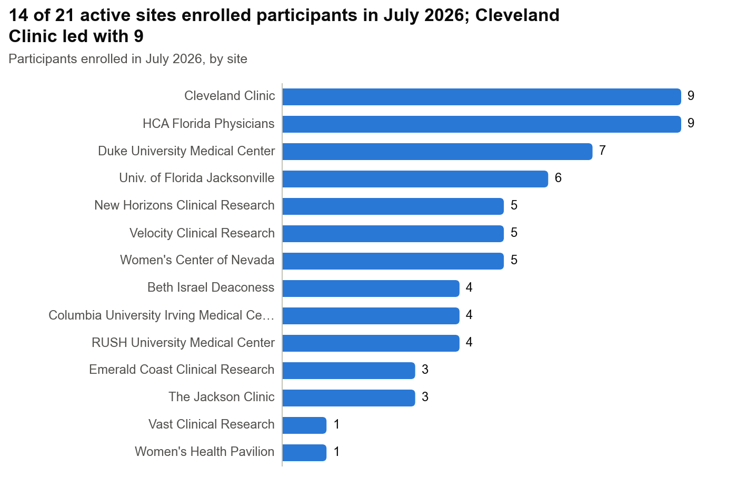

Enrollments by site and week, July 2026
Weeks run Monday to Sunday. * Part week: only days inside the month count. Per week = month total ÷ 4.43 weeks. Per month since activation = enrolled to date ÷ months since the site activation date. Activation dates and site types come from the site lookup table.
Site | Type | 29 Jun–5 Jul* | 6 Jul–12 Jul | 13 Jul–19 Jul | 20 Jul–26 Jul | 27 Jul–2 Aug* | Jul 2026 total | Per week | Enrolled to date | Months active | Per month since activation
AP Medical Research | General Onc | 0 | 0 | 0 | 0 | 0 | 0 | 0.00 | 2 | 16.5 | 0.12
Beth Israel Deaconess | Gyn/Onc | 0 | 1 | 1 | 1 | 1 | 4 | 0.90 | 59 | 9.8 | 6.05
Cleveland Clinic | Gyn/Onc | 1 | 2 | 2 | 1 | 3 | 9 | 2.03 | 63 | 9.7 | 6.52
Columbia University Irving Medical Center | Gyn/Onc | 0 | 2 | 0 | 1 | 1 | 4 | 0.90 | 68 | 9.7 | 7.04
Duke University Medical Center | Gyn/Onc | 2 | 2 | 1 | 0 | 2 | 7 | 1.58 | 60 | 10.4 | 5.78
ES Clinical Research Group (terminated) | General Gyn | 0 | 0 | 0 | 0 | 0 | 0 | 0.00 | 1 | – | –
Eastern Carolina Women's | General Gyn | 0 | 0 | 0 | 0 | 0 | 0 | 0.00 | 1 | 15.5 | 0.06
Emerald Coast Clinical Research | General Gyn | 0 | 0 | 2 | 0 | 1 | 3 | 0.68 | 68 | 19.4 | 3.51
HCA Florida Physicians | Gyn/Onc | 1 | 1 | 1 | 4 | 2 | 9 | 2.03 | 54 | 5.3 | 10.21
Maximos Obgyn | General Gyn | 0 | 0 | 0 | 0 | 0 | 0 | 0.00 | 29 | 15.1 | 1.92
New Horizons Clinical Research | General Gyn | 1 | 0 | 1 | 1 | 2 | 5 | 1.13 | 100 | 23.3 | 4.30
Next Innovative Clinical Research | General Gyn | 0 | 0 | 0 | 0 | 0 | 0 | 0.00 | 17 | 22.3 | 0.76
Prime Clinical Research | General Gyn | 0 | 0 | 0 | 0 | 0 | 0 | 0.00 | 17 | 21.9 | 0.78
RUSH University Medical Center | Gyn/Onc | 0 | 2 | 2 | 0 | 0 | 4 | 0.90 | 44 | 9.4 | 4.67
Springfield Clinic | Gyn/Onc | 0 | 0 | 0 | 0 | 0 | 0 | 0.00 | 40 | 14.6 | 2.74
The Jackson Clinic | General Gyn | 1 | 1 | 1 | 0 | 0 | 3 | 0.68 | 43 | 18.8 | 2.29
Univ. of Florida Jacksonville | Gyn/Onc | 0 | 2 | 0 | 1 | 3 | 6 | 1.35 | 39 | 13.6 | 2.87
Vast Clinical Research | General Gyn | 1 | 0 | 0 | 0 | 0 | 1 | 0.23 | 14 | 22.8 | 0.61
Velocity Clinical Research | Gyn/Onc | 1 | 1 | 1 | 0 | 2 | 5 | 1.13 | 40 | 14.8 | 2.71
Virginia Women's Health Associates | General Gyn | 0 | 0 | 0 | 0 | 0 | 0 | 0.00 | 17 | 18.2 | 0.94
Women's Center of Nevada | Gyn/Onc | 0 | 2 | 0 | 1 | 2 | 5 | 1.13 | 90 | 22.9 | 3.94
Women's Health Pavilion | General Gyn | 1 | 0 | 0 | 0 | 0 | 1 | 0.23 | 18 | 15.3 | 1.18
All sites |  | 9 | 16 | 12 | 10 | 19 | 66 | 14.90 | 884 | – | –
Average per active site (21 sites) |  | 0.43 | 0.76 | 0.57 | 0.48 | 0.90 | 3.14 | 0.71 | 42.10 | – | –

Enrollment by site type
Denominator for %: 884 participants enrolled to date. Month rates use active sites only. Enrolled to date includes terminated sites. Site types come from the CLEO-001 site list.
Group | Active sites | Enrolled Jul 2026 | Per site per month | Per site per week | Enrolled to date | % of all enrolled to date
General Gyn | 10 | 13 | 1.30 | 0.29 | 325 | 37%
Gyn/Onc | 10 | 53 | 5.30 | 1.20 | 557 | 63%
General Onc | 1 | 0 | 0.00 | 0.00 | 2 | <1%
Academic | 6 | 34 | 5.67 | 1.28 | 333 | 38%
Non-academic | 15 | 32 | 2.13 | 0.48 | 551 | 62%

Enrollments by month
Month | Consented | Enrolled | Cumulative enrolled
Sep 2024 | 9 | 6 | 6
Oct 2024 | 8 | 8 | 14
Nov 2024 | 9 | 9 | 23
Dec 2024 | 8 | 5 | 28
Jan 2025 | 20 | 18 | 46
Feb 2025 | 21 | 19 | 65
Mar 2025 | 14 | 12 | 77
Apr 2025 | 25 | 22 | 99
May 2025 | 43 | 38 | 137
Jun 2025 | 38 | 36 | 173
Jul 2025 | 41 | 40 | 213
Aug 2025 | 29 | 29 | 242
Sep 2025 | 42 | 37 | 279
Oct 2025 | 50 | 39 | 318
Nov 2025 | 67 | 64 | 382
Dec 2025 | 46 | 40 | 422
Jan 2026 | 72 | 64 | 486
Feb 2026 | 71 | 62 | 548
Mar 2026 | 98 | 85 | 633
Apr 2026 | 77 | 77 | 710
May 2026 | 53 | 48 | 758
Jun 2026 | 61 | 60 | 818
Jul 2026 | 72 | 66 | 884

Post-surgical
Post-surgical findings
Reporting month July 2026 · Data to 31 Jul 2026 · Citrus export 03 Aug 2026 13:57 UTC · Inventory report 03AUG2026
Surgeries, pathology report uploads and turnaround for enrolled participants.
Surgery and pathology reports
Surgery complete = a surgery date is entered. Report uploaded = Post-Surgical Findings form complete with a report file.
Measure | July 2026 | To date | Denominator (to date) | % (to date)
Participants enrolled | 66 | 884 |  | –
Surgery complete | 40 | 797 | 884 enrolled | 90%
Pathology report uploaded | 48 | 687 | 797 with surgery complete | 86%
Awaiting pathology report | – | 110 | 797 with surgery complete | 14%

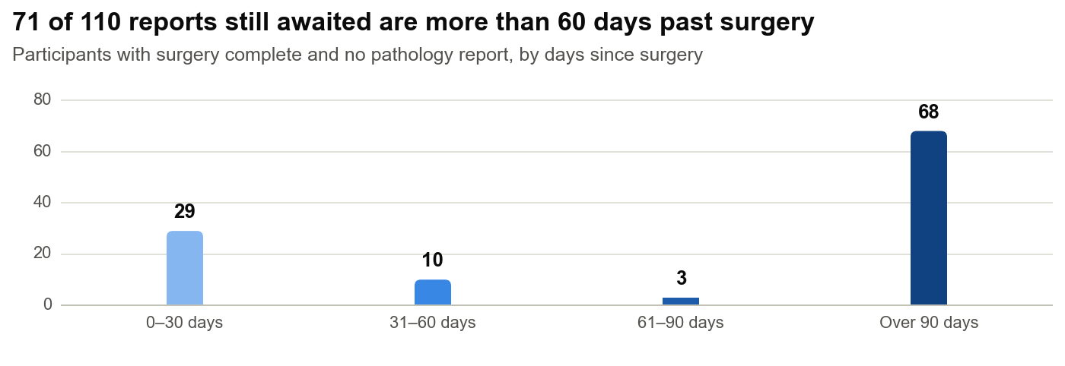

Days from enrollment to pathology report upload
Upload date = 'Completed At' on the Post-Surgical Findings form.
Reports uploaded | Reports | Mean days | Median days | Shortest | Longest
In July 2026 | 48 | 48.0 | 44.9 | 21.9 | 91.8
To date | 687 | 46.3 | 45.1 | 17.9 | 91.8

Surgery and pathology reports by site
Site | Enrolled | Surgery complete | % of enrolled | Report uploaded | % of surgeries | Awaiting report | Median days to upload | Mean days to upload
AP Medical Research | 2 | 2 | 100% | 2 | 100% | 0 | 51.1 | 51.1
Beth Israel Deaconess | 59 | 56 | 95% | 48 | 86% | 8 | 46.0 | 47.0
Cleveland Clinic | 63 | 50 | 79% | 41 | 82% | 9 | 45.0 | 45.5
Columbia University Irving Medical Center | 68 | 65 | 96% | 57 | 88% | 8 | 45.1 | 45.3
Duke University Medical Center | 60 | 50 | 83% | 35 | 70% | 15 | 45.9 | 48.1
ES Clinical Research Group | 1 | 0 | 0% | 0 | – | 0 | – | –
Eastern Carolina Women's | 1 | 1 | 100% | 0 | 0% | 1 | – | –
Emerald Coast Clinical Research | 68 | 65 | 96% | 64 | 98% | 1 | 48.0 | 48.2
HCA Florida Physicians | 54 | 44 | 81% | 40 | 91% | 4 | 39.5 | 42.6
Maximos Obgyn | 29 | 29 | 100% | 27 | 93% | 2 | 54.9 | 50.4
New Horizons Clinical Research | 100 | 92 | 92% | 78 | 85% | 14 | 45.6 | 48.0
Next Innovative Clinical Research | 17 | 17 | 100% | 12 | 71% | 5 | 38.0 | 43.2
Prime Clinical Research | 17 | 17 | 100% | 15 | 88% | 2 | 47.9 | 51.4
RUSH University Medical Center | 44 | 41 | 93% | 36 | 88% | 5 | 47.0 | 45.4
Springfield Clinic | 40 | 37 | 93% | 34 | 92% | 3 | 42.4 | 44.6
The Jackson Clinic | 43 | 39 | 91% | 31 | 79% | 8 | 44.2 | 44.2
Univ. of Florida Jacksonville | 39 | 29 | 74% | 27 | 93% | 2 | 46.3 | 48.8
Vast Clinical Research | 14 | 13 | 93% | 13 | 100% | 0 | 46.0 | 45.6
Velocity Clinical Research | 40 | 34 | 85% | 28 | 82% | 6 | 47.1 | 45.1
Virginia Women's Health Associates | 17 | 17 | 100% | 15 | 88% | 2 | 43.0 | 45.2
Women's Center of Nevada | 90 | 82 | 91% | 68 | 83% | 14 | 41.8 | 44.6
Women's Health Pavilion | 18 | 17 | 94% | 16 | 94% | 1 | 45.0 | 45.3
All sites | 884 | 797 | 90% | 687 | 86% | 110 | 45.1 | 46.3

Participants awaiting a pathology report
Days since surgery counted to 31 Jul 2026.
Participant | Site | Enrolled | Surgery date | Days since surgery
USA-005 | New Horizons Clinical Research | 2024-09-16 | 2024-09-21 | 678
USA-001 | New Horizons Clinical Research | 2024-09-11 | 2024-10-15 | 654
USA-014 | Women's Center of Nevada | 2024-10-03 | 2024-10-26 | 643
USA-034 | Next Innovative Clinical Research | 2024-11-29 | 2025-01-06 | 571
USA-042 | New Horizons Clinical Research | 2025-01-03 | 2025-01-21 | 556
USA-065 | The Jackson Clinic | 2025-02-19 | 2025-03-19 | 499
USA-102 | Next Innovative Clinical Research | 2025-03-20 | 2025-04-30 | 457
USA-107 | Women's Center of Nevada | 2025-04-01 | 2025-04-30 | 457
USA-138 | Eastern Carolina Women's | 2025-05-02 | 2025-06-04 | 422
USA-206 | Virginia Women's Health Associates | 2025-05-29 | 2025-06-12 | 414
USA-163 | Next Innovative Clinical Research | 2025-05-20 | 2025-06-21 | 405
USA-259 | New Horizons Clinical Research | 2025-07-01 | 2025-07-08 | 388
USA-248 | New Horizons Clinical Research | 2025-06-23 | 2025-07-16 | 380
USA-223 | Velocity Clinical Research | 2025-06-13 | 2025-07-18 | 378
USA-231 | Prime Clinical Research | 2025-06-27 | 2025-07-18 | 378
USA-273 | Prime Clinical Research | 2025-07-16 | 2025-07-28 | 368
USA-239 | New Horizons Clinical Research | 2025-07-04 | 2025-08-03 | 362
USA-271 | The Jackson Clinic | 2025-07-29 | 2025-08-08 | 357
USA-285 | Maximos Obgyn | 2025-07-31 | 2025-08-11 | 354
USA-309 | Virginia Women's Health Associates | 2025-07-31 | 2025-08-29 | 336
USA-350 | New Horizons Clinical Research | 2025-08-26 | 2025-08-30 | 335
USA-310 | Springfield Clinic | 2025-08-28 | 2025-09-13 | 321
USA-329 | New Horizons Clinical Research | 2025-08-13 | 2025-09-20 | 314
USA-363 | New Horizons Clinical Research | 2025-09-04 | 2025-09-23 | 311
USA-349 | Next Innovative Clinical Research | 2025-09-01 | 2025-09-28 | 306
USA-321 | New Horizons Clinical Research | 2025-08-29 | 2025-09-30 | 304
USA-337 | Women's Health Pavilion | 2025-09-10 | 2025-10-19 | 285
USA-400 | Beth Israel Deaconess | 2025-10-09 | 2025-10-25 | 279
USA-438 | Next Innovative Clinical Research | 2025-10-20 | 2025-10-30 | 274
USA-407 | Duke University Medical Center | 2025-10-10 | 2025-11-02 | 271
USA-453 | Beth Israel Deaconess | 2025-10-27 | 2025-11-11 | 262
USA-411 | Beth Israel Deaconess | 2025-11-05 | 2025-11-13 | 260
USA-475 | Univ. of Florida Jacksonville | 2025-11-03 | 2025-11-17 | 256
USA-430 | The Jackson Clinic | 2025-11-06 | 2025-11-19 | 254
USA-497 | Velocity Clinical Research | 2025-11-11 | 2025-11-20 | 253
USA-417 | Cleveland Clinic | 2025-11-06 | 2025-11-28 | 245
USA-515 | Duke University Medical Center | 2025-11-13 | 2025-11-28 | 245
USA-500 | Cleveland Clinic | 2025-11-17 | 2025-12-02 | 241
USA-547 | Cleveland Clinic | 2025-11-21 | 2025-12-03 | 240
USA-541 | Women's Center of Nevada | 2025-11-19 | 2025-12-06 | 237
USA-524 | New Horizons Clinical Research | 2025-11-24 | 2025-12-11 | 232
USA-485 | Cleveland Clinic | 2025-11-19 | 2025-12-15 | 228
USA-542 | RUSH University Medical Center | 2025-12-04 | 2025-12-17 | 226
USA-605 | Beth Israel Deaconess | 2025-12-24 | 2026-01-01 | 211
USA-578 | The Jackson Clinic | 2025-12-12 | 2026-01-03 | 209
USA-551 | Maximos Obgyn | 2025-12-26 | 2026-01-09 | 203
USA-587 | Columbia University Irving Medical Center | 2025-12-15 | 2026-01-18 | 194
USA-636 | Cleveland Clinic | 2026-01-19 | 2026-02-02 | 179
USA-618 | Univ. of Florida Jacksonville | 2026-01-13 | 2026-02-07 | 174
USA-632 | Velocity Clinical Research | 2026-01-08 | 2026-02-08 | 173
USA-612 | Duke University Medical Center | 2026-01-08 | 2026-02-10 | 171
USA-642 | Beth Israel Deaconess | 2026-01-06 | 2026-02-12 | 169
USA-630 | Beth Israel Deaconess | 2026-01-15 | 2026-02-14 | 167
USA-677 | New Horizons Clinical Research | 2026-01-28 | 2026-02-16 | 165
USA-696 | Duke University Medical Center | 2026-02-12 | 2026-02-26 | 155
USA-768 | Women's Center of Nevada | 2026-02-27 | 2026-03-05 | 148
USA-703 | Emerald Coast Clinical Research | 2026-02-19 | 2026-03-09 | 144
USA-738 | Velocity Clinical Research | 2026-02-19 | 2026-03-14 | 139
USA-709 | Women's Center of Nevada | 2026-02-10 | 2026-03-22 | 131
USA-832 | Columbia University Irving Medical Center | 2026-03-10 | 2026-03-23 | 130
USA-771 | Duke University Medical Center | 2026-03-13 | 2026-03-29 | 124
USA-746 | Women's Center of Nevada | 2026-02-17 | 2026-03-31 | 122
USA-785 | Duke University Medical Center | 2026-03-09 | 2026-04-04 | 118
USA-776 | HCA Florida Physicians | 2026-03-02 | 2026-04-08 | 114
USA-879 | Duke University Medical Center | 2026-03-26 | 2026-04-13 | 109
USA-855 | Beth Israel Deaconess | 2026-03-24 | 2026-04-20 | 102
USA-922 | Columbia University Irving Medical Center | 2026-04-20 | 2026-04-30 | 92
USA-901 | The Jackson Clinic | 2026-04-09 | 2026-05-01 | 91
USA-1004 | RUSH University Medical Center | 2026-04-24 | 2026-05-20 | 72
USA-1045 | The Jackson Clinic | 2026-05-06 | 2026-05-20 | 72
USA-1013 | Duke University Medical Center | 2026-05-14 | 2026-05-24 | 68
USA-1024 | Women's Center of Nevada | 2026-05-11 | 2026-06-02 | 59
USA-1049 | Columbia University Irving Medical Center | 2026-05-20 | 2026-06-04 | 57
USA-1066 | RUSH University Medical Center | 2026-05-27 | 2026-06-12 | 49
USA-1051 | Duke University Medical Center | 2026-05-07 | 2026-06-13 | 48
USA-1056 | Women's Center of Nevada | 2026-05-27 | 2026-06-16 | 45
USA-1087 | Duke University Medical Center | 2026-06-05 | 2026-06-23 | 38
USA-1110 | Women's Center of Nevada | 2026-06-15 | 2026-06-24 | 37
USA-1141 | Columbia University Irving Medical Center | 2026-06-24 | 2026-06-28 | 33
USA-1068 | Cleveland Clinic | 2026-05-28 | 2026-06-30 | 31
USA-1106 | HCA Florida Physicians | 2026-06-18 | 2026-06-30 | 31
USA-1072 | Duke University Medical Center | 2026-06-03 | 2026-07-01 | 30
USA-1082 | Springfield Clinic | 2026-06-16 | 2026-07-01 | 30
USA-1123 | HCA Florida Physicians | 2026-06-11 | 2026-07-04 | 27
USA-1157 | Cleveland Clinic | 2026-06-18 | 2026-07-04 | 27
USA-1153 | Velocity Clinical Research | 2026-06-17 | 2026-07-05 | 26
USA-1161 | RUSH University Medical Center | 2026-06-24 | 2026-07-06 | 25
USA-1084 | Cleveland Clinic | 2026-06-05 | 2026-07-08 | 23
USA-1160 | The Jackson Clinic | 2026-06-26 | 2026-07-09 | 22
USA-1166 | New Horizons Clinical Research | 2026-06-26 | 2026-07-09 | 22
USA-1133 | Women's Center of Nevada | 2026-06-12 | 2026-07-10 | 21
USA-1140 | Columbia University Irving Medical Center | 2026-06-26 | 2026-07-11 | 20
USA-1168 | Duke University Medical Center | 2026-06-24 | 2026-07-11 | 20
USA-1158 | Women's Center of Nevada | 2026-06-18 | 2026-07-12 | 19
USA-1139 | New Horizons Clinical Research | 2026-07-02 | 2026-07-13 | 18
USA-1176 | Duke University Medical Center | 2026-06-25 | 2026-07-13 | 18
USA-1170 | Springfield Clinic | 2026-06-24 | 2026-07-14 | 17
USA-1095 | Cleveland Clinic | 2026-06-16 | 2026-07-15 | 16
USA-1143 | HCA Florida Physicians | 2026-06-29 | 2026-07-16 | 15
USA-1150 | Duke University Medical Center | 2026-07-10 | 2026-07-16 | 15
USA-1159 | Columbia University Irving Medical Center | 2026-07-09 | 2026-07-17 | 14
USA-1122 | RUSH University Medical Center | 2026-06-30 | 2026-07-18 | 13
USA-1154 | Duke University Medical Center | 2026-07-02 | 2026-07-19 | 12
USA-1216 | Velocity Clinical Research | 2026-07-10 | 2026-07-20 | 11
USA-1192 | Beth Israel Deaconess | 2026-07-09 | 2026-07-22 | 9
USA-1152 | Columbia University Irving Medical Center | 2026-07-08 | 2026-07-23 | 8
USA-1167 | Women's Center of Nevada | 2026-06-23 | 2026-07-26 | 5
USA-1164 | Women's Center of Nevada | 2026-06-24 | 2026-07-28 | 3
USA-1125 | Women's Center of Nevada | 2026-06-30 | 2026-07-30 | 1
USA-1220 | The Jackson Clinic | 2026-07-14 | 2026-07-30 | 1

Blood samples
Blood samples
Reporting month July 2026 · Data to 31 Jul 2026 · Citrus export 03 Aug 2026 13:57 UTC · Inventory report 03AUG2026
Central lab registration from the LabConnect inventory report dated 03AUG2026.
Sample registration at the central lab
July 2026 counts samples registered in the month. Each DX1 must be registered within 14 days of collection and each DX2 within 28 days. DX1 and DX2 must ship separately, so a same-day registration is a deviation.
Measure | Jul 2026 n | Jul 2026 denominator | Jul 2026 % | To date n | To date denominator | To date %
Samples registered (DX1 + DX2) | 124 | – | – | 1,655 | – | –
DX1 registered within 14 days of collection | 55 | 61 | 90% | 759 | 851 | 89%
DX2 registered within 28 days of collection | 53 | 63 | 84% | 666 | 804 | 83%
All samples within their window | 108 | 124 | 87% | 1,425 | 1,655 | 86%
Samples outside their window | 16 | 124 | 13% | 230 | 1,655 | 14%
DX1 and DX2 registered on the same day (pairs) | 4 | – | – | 42 | – | –

Sample registration by month
Samples registered at the central lab in each month, last 12 months. Denominator for %: samples registered that month.
Month | Registered | Within window | Outside window | % within window
Aug 2025 | 63 | 54 | 9 | 86%
Sep 2025 | 65 | 58 | 7 | 89%
Oct 2025 | 75 | 66 | 9 | 88%
Nov 2025 | 106 | 94 | 12 | 89%
Dec 2025 | 96 | 80 | 16 | 83%
Jan 2026 | 105 | 92 | 13 | 88%
Feb 2026 | 106 | 96 | 10 | 91%
Mar 2026 | 154 | 129 | 25 | 84%
Apr 2026 | 167 | 140 | 27 | 84%
May 2026 | 124 | 105 | 19 | 85%
Jun 2026 | 98 | 86 | 12 | 88%
Jul 2026 | 124 | 108 | 16 | 87%

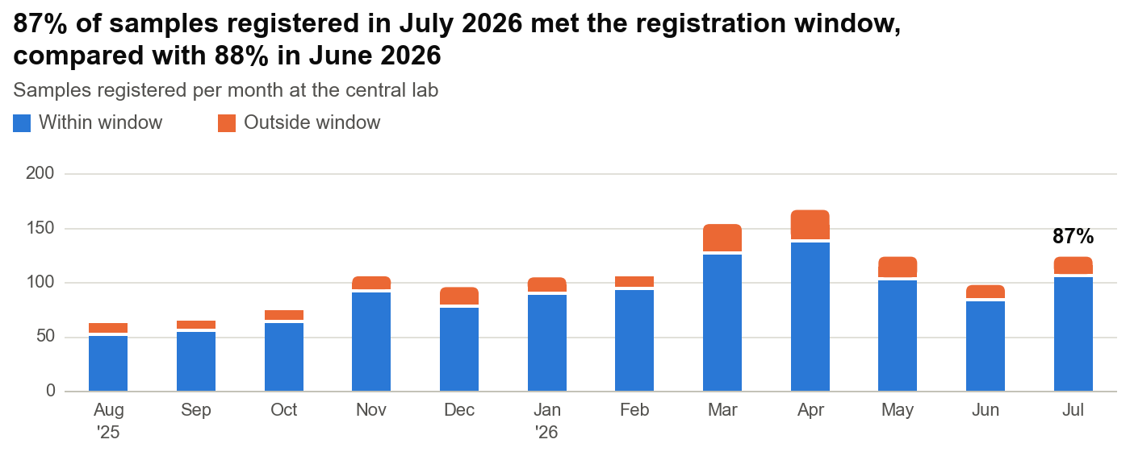

Sample pair status at month end
Denominator: 884 participants enrolled to date. Overdue = the registration window for the missing sample has passed. Pending = still inside the window.
Status | Participants | % of enrolled
Both samples registered | 798 | 90%
DX2 missing: pending | 23 | 3%
DX2 missing: overdue | 30 | 3%
DX1 missing: pending | 0 | 0%
DX1 missing: overdue | 6 | 1%
No sample registered: pending | 19 | 2%
No sample registered: overdue | 4 | <1%
No sample: withdrawn, sample not obtained | 4 | <1%
Total enrolled | 884 | 100%

Sample registration by site, to date
Site | Samples registered | DX1 registered | DX1 within 14 days | % DX1 in window | DX2 registered | DX2 within 28 days | % DX2 in window | Same-day pairs | Missing pair: overdue
AP Medical Research | 4 | 2 | 2 | 100% | 2 | 2 | 100% | 0 | 0
Beth Israel Deaconess | 113 | 58 | 49 | 84% | 55 | 41 | 75% | 1 | 1
Cleveland Clinic | 111 | 57 | 50 | 88% | 54 | 47 | 87% | 2 | 2
Columbia University Irving Medical Center | 129 | 66 | 57 | 86% | 63 | 50 | 79% | 2 | 2
Duke University Medical Center | 112 | 58 | 50 | 86% | 54 | 44 | 81% | 4 | 1
ES Clinical Research Group | 2 | 1 | 1 | 100% | 1 | 1 | 100% | 0 | 0
Eastern Carolina Women's | 2 | 1 | 1 | 100% | 1 | 0 | 0% | 0 | 0
Emerald Coast Clinical Research | 129 | 66 | 57 | 86% | 63 | 51 | 81% | 2 | 3
HCA Florida Physicians | 97 | 50 | 44 | 88% | 47 | 39 | 83% | 4 | 0
Maximos Obgyn | 58 | 29 | 25 | 86% | 29 | 25 | 86% | 1 | 0
New Horizons Clinical Research | 184 | 95 | 85 | 89% | 89 | 74 | 83% | 9 | 7
Next Innovative Clinical Research | 33 | 17 | 17 | 100% | 16 | 13 | 81% | 0 | 1
Prime Clinical Research | 33 | 17 | 16 | 94% | 16 | 14 | 88% | 1 | 1
RUSH University Medical Center | 83 | 43 | 40 | 93% | 40 | 30 | 75% | 2 | 2
Springfield Clinic | 77 | 40 | 37 | 93% | 37 | 32 | 86% | 3 | 3
The Jackson Clinic | 83 | 42 | 38 | 90% | 41 | 35 | 85% | 2 | 2
Univ. of Florida Jacksonville | 67 | 33 | 30 | 91% | 34 | 31 | 91% | 4 | 2
Vast Clinical Research | 27 | 14 | 13 | 93% | 13 | 12 | 92% | 0 | 1
Velocity Clinical Research | 73 | 38 | 28 | 74% | 35 | 25 | 71% | 3 | 2
Virginia Women's Health Associates | 34 | 17 | 16 | 94% | 17 | 13 | 76% | 1 | 0
Women's Center of Nevada | 169 | 89 | 85 | 96% | 80 | 70 | 88% | 1 | 5
Women's Health Pavilion | 35 | 18 | 18 | 100% | 17 | 17 | 100% | 0 | 1
All sites | 1,655 | 851 | 759 | 89% | 804 | 666 | 83% | 42 | 36

Where registered samples are now
Status from the inventory report dated 03AUG2026. Denominator: 1655 samples registered to month end.
Current status | Samples | % of registered
In Inventory | 642 | 39%
Transferred | 1,001 | 60%
Destroyed | 12 | 1%

Samples missing their pair
Requisition | Participant | Site | Collected | Registered | Missing | Days since collection | Status
48390767 | USA-022 | Women's Center of Nevada | 2024-11-18 | DX1 | DX2 | 620 | Overdue
48390799 | USA-030 | Prime Clinical Research | 2024-12-11 | DX1 | DX2 | 597 | Overdue
48391037 | USA-092 | New Horizons Clinical Research | 2025-02-28 | DX1 | DX2 | 518 | Overdue
48391088 | USA-109 | Emerald Coast Clinical Research | 2025-04-01 | DX1 | DX2 | 486 | Overdue
48391156 | USA-133 | Emerald Coast Clinical Research | 2025-04-17 | DX2 | DX1 | 470 | Overdue
48391171 | USA-136 | Emerald Coast Clinical Research | 2025-04-21 | DX1 | DX2 | 466 | Overdue
48391097 | USA-113 | Next Innovative Clinical Research | 2025-04-22 | DX1 | DX2 | 465 | Overdue
48391372 | USA-192 | Springfield Clinic | 2025-06-11 | DX1 | DX2 | 415 | Overdue
48391478 | USA-224 | Velocity Clinical Research | 2025-06-11 | DX1 | DX2 | 415 | Overdue
48391409 | USA-211 | Women's Health Pavilion | 2025-06-17 | DX1 | DX2 | 409 | Overdue
48391394 | USA-201 | Women's Center of Nevada | 2025-06-24 | DX1 | DX2 | 402 | Overdue
48391538 | USA-239 | New Horizons Clinical Research | 2025-07-04 | DX1 | DX2 | 392 | Overdue
48391869 | USA-335 | The Jackson Clinic | 2025-08-18 | DX2 | DX1 | 347 | Overdue
48391840 | USA-327 | Univ. of Florida Jacksonville | 2025-08-26 | DX2 | DX1 | 339 | Overdue
48392129 | USA-410 | Vast Clinical Research | 2025-10-03 | DX1 | DX2 | 301 | Overdue
48392388 | USA-481 | New Horizons Clinical Research | 2025-11-04 | DX2 | DX1 | 269 | Overdue
48392446 | USA-497 | Velocity Clinical Research | 2025-11-11 | DX1 | DX2 | 262 | Overdue
48392596 | USA-541 | Women's Center of Nevada | 2025-11-19 | DX1 | DX2 | 254 | Overdue
48392395 | USA-482 | New Horizons Clinical Research | 2025-11-25 | DX1 | DX2 | 248 | Overdue
48392689 | USA-569 | RUSH University Medical Center | 2025-12-05 | DX1 | DX2 | 238 | Overdue
48392609 | USA-546 | Cleveland Clinic | 2025-12-12 | DX1 | DX2 | 231 | Overdue
48392509 | USA-518 | New Horizons Clinical Research | 2025-12-15 | DX1 | DX2 | 228 | Overdue
48392965 | USA-642 | Beth Israel Deaconess | 2026-01-06 | DX1 | DX2 | 206 | Overdue
48393080 | USA-677 | New Horizons Clinical Research | 2026-01-28 | DX1 | DX2 | 184 | Overdue
48393300 | USA-734 | Springfield Clinic | 2026-02-19 | DX1 | DX2 | 162 | Overdue
48393249 | USA-716 | Cleveland Clinic | 2026-02-20 | DX1 | DX2 | 161 | Overdue
48393238 | USA-711 | Women's Center of Nevada | 2026-02-26 | DX1 | DX2 | 155 | Overdue
48393330 | USA-748 | Columbia University Irving Medical Center | 2026-03-05 | DX1 | DX2 | 148 | Overdue
48393886 | USA-917 | Springfield Clinic | 2026-03-30 | DX1 | DX2 | 123 | Overdue
48393736 | USA-872 | Univ. of Florida Jacksonville | 2026-03-31 | DX2 | DX1 | 122 | Overdue
48394214 | USA-1035 | RUSH University Medical Center | 2026-05-01 | DX1 | DX2 | 91 | Overdue
48394243 | USA-1040 | Women's Center of Nevada | 2026-05-21 | DX1 | DX2 | 71 | Overdue
48394329 | USA-1065 | New Horizons Clinical Research | 2026-05-28 | DX1 | DX2 | 64 | Overdue
48394584 | USA-1141 | Columbia University Irving Medical Center | 2026-06-24 | DX2 | DX1 | 37 | Overdue
48394718 | USA-1174 | Duke University Medical Center | 2026-06-25 | DX1 | DX2 | 36 | Overdue
48394608 | USA-1146 | The Jackson Clinic | 2026-06-30 | DX1 | DX2 | 31 | Overdue
48394733 | USA-1179 | HCA Florida Physicians | 2026-07-03 | DX1 | DX2 | 28 | Pending
48394639 | USA-1152 | Columbia University Irving Medical Center | 2026-07-08 | DX1 | DX2 | 23 | Pending
48394666 | USA-1159 | Columbia University Irving Medical Center | 2026-07-09 | DX1 | DX2 | 22 | Pending
48394830 | USA-1204 | The Jackson Clinic | 2026-07-09 | DX1 | DX2 | 22 | Pending
48394866 | USA-1212 | Duke University Medical Center | 2026-07-09 | DX1 | DX2 | 22 | Pending
48394627 | USA-1150 | Duke University Medical Center | 2026-07-10 | DX1 | DX2 | 21 | Pending
48394630 | USA-1151 | Women's Center of Nevada | 2026-07-10 | DX1 | DX2 | 21 | Pending
48394883 | USA-1216 | Velocity Clinical Research | 2026-07-10 | DX1 | DX2 | 21 | Pending
48394777 | USA-1195 | RUSH University Medical Center | 2026-07-13 | DX1 | DX2 | 18 | Pending
48394869 | USA-1214 | Cleveland Clinic | 2026-07-13 | DX1 | DX2 | 18 | Pending
48394620 | USA-1148 | Emerald Coast Clinical Research | 2026-07-15 | DX1 | DX2 | 16 | Pending
48394747 | USA-1185 | Beth Israel Deaconess | 2026-07-15 | DX1 | DX2 | 16 | Pending
48394912 | USA-1227 | Emerald Coast Clinical Research | 2026-07-16 | DX1 | DX2 | 15 | Pending
48394799 | USA-1198 | Duke University Medical Center | 2026-07-17 | DX1 | DX2 | 14 | Pending
48394905 | USA-1226 | New Horizons Clinical Research | 2026-07-20 | DX1 | DX2 | 11 | Pending
48394973 | USA-1240 | Columbia University Irving Medical Center | 2026-07-20 | DX1 | DX2 | 11 | Pending
48394690 | USA-1165 | HCA Florida Physicians | 2026-07-21 | DX1 | DX2 | 10 | Pending
48394952 | USA-1234 | Women's Center of Nevada | 2026-07-21 | DX1 | DX2 | 10 | Pending
48394976 | USA-1242 | HCA Florida Physicians | 2026-07-21 | DX1 | DX2 | 10 | Pending
48394786 | USA-1196 | Univ. of Florida Jacksonville | 2026-07-23 | DX1 | DX2 | 8 | Pending
48394981 | USA-1244 | Beth Israel Deaconess | 2026-07-23 | DX1 | DX2 | 8 | Pending
48395002 | USA-1252 | Women's Center of Nevada | 2026-07-27 | DX1 | DX2 | 4 | Pending
48395005 | USA-1259 | Women's Center of Nevada | 2026-07-28 | DX1 | DX2 | 3 | Pending

Enrolled participants with no sample registered
Participant | Site | Enrolled | Days since enrollment | Status
USA-005 | New Horizons Clinical Research | 2024-09-16 | 683 | Overdue
USA-031 | New Horizons Clinical Research | 2024-11-27 | 611 | Withdrawn: sample not obtained
USA-509 | Cleveland Clinic | 2025-11-19 | 254 | Withdrawn: sample not obtained
USA-589 | New Horizons Clinical Research | 2025-12-22 | 221 | Withdrawn: sample not obtained
USA-963 | Univ. of Florida Jacksonville | 2026-04-15 | 107 | Withdrawn: sample not obtained
USA-1122 | RUSH University Medical Center | 2026-06-30 | 31 | Overdue
USA-1158 | Women's Center of Nevada | 2026-06-18 | 43 | Overdue
USA-1194 | HCA Florida Physicians | 2026-07-22 | 9 | Pending
USA-1199 | HCA Florida Physicians | 2026-07-10 | 21 | Overdue
USA-1206 | Columbia University Irving Medical Center | 2026-07-28 | 3 | Pending
USA-1211 | Cleveland Clinic | 2026-07-30 | 1 | Pending
USA-1215 | Velocity Clinical Research | 2026-07-31 | 0 | Pending
USA-1221 | Univ. of Florida Jacksonville | 2026-07-31 | 0 | Pending
USA-1222 | HCA Florida Physicians | 2026-07-30 | 1 | Pending
USA-1229 | Cleveland Clinic | 2026-07-17 | 14 | Pending
USA-1232 | Beth Israel Deaconess | 2026-07-31 | 0 | Pending
USA-1233 | Cleveland Clinic | 2026-07-30 | 1 | Pending
USA-1235 | New Horizons Clinical Research | 2026-07-31 | 0 | Pending
USA-1236 | Emerald Coast Clinical Research | 2026-07-31 | 0 | Pending
USA-1237 | Velocity Clinical Research | 2026-07-28 | 3 | Pending
USA-1246 | Cleveland Clinic | 2026-07-24 | 7 | Pending
USA-1249 | Cleveland Clinic | 2026-07-30 | 1 | Pending
USA-1261 | HCA Florida Physicians | 2026-07-30 | 1 | Pending
USA-1263 | Duke University Medical Center | 2026-07-28 | 3 | Pending
USA-1264 | Duke University Medical Center | 2026-07-31 | 0 | Pending
USA-1272 | Univ. of Florida Jacksonville | 2026-07-31 | 0 | Pending
USA-1273 | Univ. of Florida Jacksonville | 2026-07-31 | 0 | Pending

Samples registered outside their window, July 2026
Barcode | Participant | Site | Collected | Registered | Days to register | Limit (days)
48394334-CLEODX2 | USA-1066 | RUSH University Medical Center | 2026-05-27 | 2026-07-18 | 52 | 28
48394401-CLEODX2 | USA-1085 | HCA Florida Physicians | 2026-06-10 | 2026-07-28 | 48 | 28
48394431-CLEODX2 | USA-1094 | Columbia University Irving Medical Center | 2026-05-29 | 2026-07-15 | 47 | 28
48394408-CLEODX2 | USA-1087 | Duke University Medical Center | 2026-06-05 | 2026-07-20 | 45 | 28
48394428-CLEODX2 | USA-1093 | HCA Florida Physicians | 2026-06-16 | 2026-07-31 | 45 | 28
48394408-CLEODX1 | USA-1087 | Duke University Medical Center | 2026-06-05 | 2026-07-18 | 43 | 14
48394470-CLEODX2 | USA-1106 | HCA Florida Physicians | 2026-06-18 | 2026-07-26 | 38 | 28
48394350-CLEODX2 | USA-1072 | Duke University Medical Center | 2026-06-03 | 2026-07-09 | 36 | 28
48394439-CLEODX2 | USA-1095 | Cleveland Clinic | 2026-06-16 | 2026-07-21 | 35 | 28
48394718-CLEODX1 | USA-1174 | Duke University Medical Center | 2026-06-25 | 2026-07-29 | 34 | 14
48394551-CLEODX2 | USA-1127 | New Horizons Clinical Research | 2026-06-17 | 2026-07-19 | 32 | 28
48394534-CLEODX2 | USA-1121 | Cleveland Clinic | 2026-06-12 | 2026-07-11 | 29 | 28
48394439-CLEODX1 | USA-1095 | Cleveland Clinic | 2026-06-16 | 2026-07-14 | 28 | 14
48394534-CLEODX1 | USA-1121 | Cleveland Clinic | 2026-06-12 | 2026-07-06 | 24 | 14
48394374-CLEODX1 | USA-1080 | Columbia University Irving Medical Center | 2026-06-09 | 2026-07-02 | 23 | 14
48394421-CLEODX1 | USA-1090 | Columbia University Irving Medical Center | 2026-06-08 | 2026-07-01 | 23 | 14

Pairs registered on the same day, to date
Requisition | Participant | Site | Collected | Registered
48394843 | USA-1207 | HCA Florida Physicians | 2026-07-22 | 2026-07-31
48394822 | USA-1203 | New Horizons Clinical Research | 2026-07-27 | 2026-07-28
48394756 | USA-1189 | New Horizons Clinical Research | 2026-07-15 | 2026-07-22
48394737 | USA-1180 | Springfield Clinic | 2026-06-29 | 2026-07-06
48394601 | USA-1145 | Univ. of Florida Jacksonville | 2026-06-22 | 2026-06-24
48394315 | USA-1060 | Columbia University Irving Medical Center | 2026-06-08 | 2026-06-13
48394280 | USA-1051 | Duke University Medical Center | 2026-05-07 | 2026-05-10
48394119 | USA-994 | RUSH University Medical Center | 2026-04-24 | 2026-04-26
48393947 | USA-931 | Duke University Medical Center | 2026-04-14 | 2026-04-24
48394079 | USA-979 | Beth Israel Deaconess | 2026-04-20 | 2026-04-23
48393942 | USA-930 | The Jackson Clinic | 2026-04-14 | 2026-04-22
48393689 | USA-860 | HCA Florida Physicians | 2026-04-10 | 2026-04-14
48393733 | USA-871 | New Horizons Clinical Research | 2026-04-01 | 2026-04-11
48393714 | USA-867 | Velocity Clinical Research | 2026-03-25 | 2026-04-03
48393802 | USA-888 | RUSH University Medical Center | 2026-03-24 | 2026-04-03
48393426 | USA-779 | Cleveland Clinic | 2026-03-20 | 2026-03-21
48393625 | USA-838 | HCA Florida Physicians | 2026-03-17 | 2026-03-20
48393659 | USA-847 | Duke University Medical Center | 2026-03-12 | 2026-03-14
48393296 | USA-730 | Emerald Coast Clinical Research | 2026-02-26 | 2026-03-05
48393344 | USA-754 | Univ. of Florida Jacksonville | 2026-02-23 | 2026-03-01
48393421 | USA-778 | New Horizons Clinical Research | 2026-02-25 | 2026-02-26
48393338 | USA-750 | HCA Florida Physicians | 2026-02-20 | 2026-02-25
48393286 | USA-728 | Cleveland Clinic | 2026-02-05 | 2026-02-13
48393176 | USA-699 | Duke University Medical Center | 2026-02-11 | 2026-02-12
48392886 | USA-620 | The Jackson Clinic | 2026-01-15 | 2026-01-20
48392785 | USA-599 | Columbia University Irving Medical Center | 2026-01-08 | 2026-01-16
48392346 | USA-470 | Univ. of Florida Jacksonville | 2025-11-14 | 2025-11-23
48392199 | USA-426 | Virginia Women's Health Associates | 2025-10-15 | 2025-10-20
48392070 | USA-387 | New Horizons Clinical Research | 2025-09-26 | 2025-10-01
48391949 | USA-359 | Women's Center of Nevada | 2025-09-16 | 2025-09-24
48391858 | USA-333 | Springfield Clinic | 2025-08-27 | 2025-09-05
48391929 | USA-350 | New Horizons Clinical Research | 2025-08-26 | 2025-09-02
48391882 | USA-339 | Univ. of Florida Jacksonville | 2025-08-22 | 2025-09-01
48391890 | USA-340 | New Horizons Clinical Research | 2025-08-20 | 2025-08-27
48391873 | USA-336 | Emerald Coast Clinical Research | 2025-08-18 | 2025-08-20
48391845 | USA-329 | New Horizons Clinical Research | 2025-08-13 | 2025-08-17
48391494 | USA-229 | Velocity Clinical Research | 2025-07-16 | 2025-07-22
48391486 | USA-228 | Maximos Obgyn | 2025-07-02 | 2025-07-05
48391312 | USA-174 | Velocity Clinical Research | 2025-05-16 | 2025-05-24
48391216 | USA-151 | Springfield Clinic | 2025-05-13 | 2025-05-18
48391018 | USA-087 | Prime Clinical Research | 2025-02-26 | 2025-03-03
48390933 | USA-063 | New Horizons Clinical Research | 2025-02-13 | 2025-02-19

Data queries
Data queries
Reporting month July 2026 · Data to 31 Jul 2026 · Citrus export 03 Aug 2026 13:57 UTC · Inventory report 03AUG2026
Query status at month end, built from each query's creation and last-update dates.
Query status at month end
Denominator: 1004 queries raised to month end. Reviewing = the site responded and a reviewer is checking it.
Measure | Queries | % of all queries raised
Open | 129 | 13%
Reviewing | 52 | 5%
Closed | 823 | 82%
Total raised to date | 1,004 | 100%
Raised in July 2026 | 133 | –
Closed in July 2026 | 105 | –
Open or reviewing for more than 90 days | 93 | –

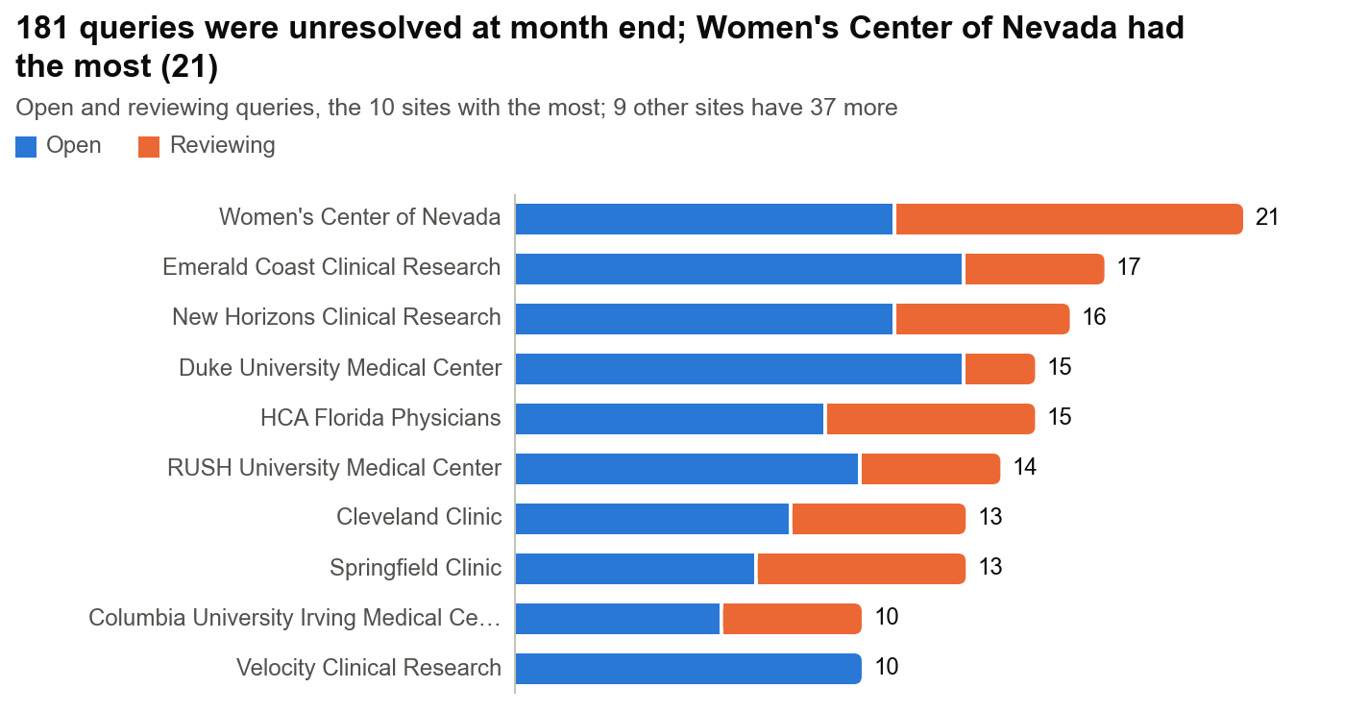

Days open for unresolved queries
Days open = days from creation to the end of 31 Jul 2026.
Status at month end | Queries | Mean days open | Median days open | Shortest | Longest
Open | 129 | 153.7 | 89.7 | 0.0 | 673.1
Reviewing | 52 | 168.1 | 128.1 | 0.2 | 607.2
Open and reviewing | 181 | 157.8 | 97.2 | 0.0 | 673.1

Queries by site
Percentages use the group's total queries. Days open covers open and reviewing queries.
Site | Total | Open | % open | Reviewing | % reviewing | Closed | % closed | Mean days open | Median days open | Range of days open
AP Medical Research | 1 | 0 | 0% | 0 | 0% | 1 | 100% | – | – | –
Beth Israel Deaconess | 68 | 6 | 9% | 1 | 1% | 61 | 90% | 137.4 | 182.5 | 1–269
Cleveland Clinic | 71 | 8 | 11% | 5 | 7% | 58 | 82% | 88.9 | 71.3 | 2–237
Columbia University Irving Medical Center | 68 | 6 | 9% | 4 | 6% | 58 | 85% | 141.2 | 150.9 | 6–251
Duke University Medical Center | 63 | 13 | 21% | 2 | 3% | 48 | 76% | 54.3 | 12.5 | 1–230
ES Clinical Research Group | 2 | 0 | 0% | 0 | 0% | 2 | 100% | – | – | –
Eastern Carolina Women's | 1 | 0 | 0% | 0 | 0% | 1 | 100% | – | – | –
Emerald Coast Clinical Research | 70 | 13 | 19% | 4 | 6% | 53 | 76% | 273.8 | 309.6 | 1–546
HCA Florida Physicians | 63 | 9 | 14% | 6 | 10% | 48 | 76% | 36.0 | 10.2 | 0–128
Maximos Obgyn | 41 | 3 | 7% | 1 | 2% | 37 | 90% | 90.2 | 38.7 | 12–271
New Horizons Clinical Research | 117 | 11 | 9% | 5 | 4% | 101 | 86% | 294.1 | 325.7 | 9–619
Next Innovative Clinical Research | 18 | 2 | 11% | 1 | 6% | 15 | 83% | 302.2 | 237.7 | 157–512
Prime Clinical Research | 19 | 2 | 11% | 0 | 0% | 17 | 89% | 342.7 | 342.7 | 320–365
RUSH University Medical Center | 55 | 10 | 18% | 4 | 7% | 41 | 75% | 88.7 | 94.6 | 7–229
Springfield Clinic | 54 | 7 | 13% | 6 | 11% | 41 | 76% | 137.9 | 78.7 | 0–376
The Jackson Clinic | 53 | 8 | 15% | 1 | 2% | 44 | 83% | 200.9 | 102.1 | 0–547
Univ. of Florida Jacksonville | 37 | 2 | 5% | 0 | 0% | 35 | 95% | 37.1 | 37.1 | 3–71
Vast Clinical Research | 23 | 5 | 22% | 0 | 0% | 18 | 78% | 537.7 | 627.8 | 262–673
Velocity Clinical Research | 44 | 10 | 23% | 0 | 0% | 34 | 77% | 143.7 | 81.7 | 5–420
Virginia Women's Health Associates | 24 | 1 | 4% | 1 | 4% | 22 | 92% | 309.5 | 309.5 | 202–417
Women's Center of Nevada | 97 | 11 | 11% | 10 | 10% | 76 | 78% | 108.9 | 41.5 | 1–436
Women's Health Pavilion | 15 | 2 | 13% | 1 | 7% | 12 | 80% | 140.2 | 143.1 | 124–154
All | 1,004 | 129 | 13% | 52 | 5% | 823 | 82% | 157.8 | 97.2 | 0–673

Queries by type
Percentages use the group's total queries. Days open covers open and reviewing queries.
Query type | Total | Open | % open | Reviewing | % reviewing | Closed | % closed | Mean days open | Median days open | Range of days open
Missing Data | 773 | 102 | 13% | 35 | 5% | 636 | 82% | 137.9 | 83.7 | 0–651
Standard | 231 | 27 | 12% | 17 | 7% | 187 | 81% | 219.8 | 179.1 | 1–673
All | 1,004 | 129 | 13% | 52 | 5% | 823 | 82% | 157.8 | 97.2 | 0–673

Queries by form
Percentages use the group's total queries. Days open covers open and reviewing queries.
Form | Total | Open | % open | Reviewing | % reviewing | Closed | % closed | Mean days open | Median days open | Range of days open
Adverse Events | 64 | 11 | 17% | 5 | 8% | 48 | 75% | 206.5 | 172.2 | 5–598
CA 125 Test, Pre-Surgery | 140 | 13 | 9% | 7 | 5% | 120 | 86% | 175.7 | 30.1 | 10–651
Enrollment | 62 | 6 | 10% | 4 | 6% | 52 | 84% | 158.1 | 140.4 | 1–417
Exclusion Criteria | 80 | 13 | 16% | 2 | 3% | 65 | 81% | 119.3 | 72.0 | 0–488
Health Information Collection | 145 | 16 | 11% | 8 | 6% | 121 | 83% | 143.1 | 91.9 | 0–546
Inclusion Criteria | 75 | 11 | 15% | 2 | 3% | 62 | 83% | 205.6 | 152.4 | 1–628
Informed Consent | 74 | 14 | 19% | 4 | 5% | 56 | 76% | 208.4 | 235.0 | 1–547
Medical History | 65 | 13 | 20% | 3 | 5% | 49 | 75% | 57.5 | 15.8 | 0–212
Post-Surgical Findings | 116 | 19 | 16% | 4 | 3% | 93 | 80% | 139.8 | 114.2 | 3–396
Protocol Deviations | 62 | 5 | 8% | 2 | 3% | 55 | 89% | 114.9 | 21.7 | 1–619
Study Blood Sample Collection & Processing | 63 | 5 | 8% | 10 | 16% | 48 | 76% | 188.0 | 103.4 | 11–673
Study Completion | 58 | 3 | 5% | 1 | 2% | 54 | 93% | 189.8 | 161.0 | 65–372
All | 1,004 | 129 | 13% | 52 | 5% | 823 | 82% | 157.8 | 97.2 | 0–673

