TOC
Cedant XYZ

2024 Reinsurance Submission

Table of Contents

1.A
 | Exhibit 1 | Company Overview & Proposal
 |  | A. | Executive Summary

2.A.1
2.A.2
 | Exhibit 2 | Exposure and Rating Information
 |  | A. | Modeling Data
 |  |  | 1 | Modeling Assumptions
 |  |  | 2 | Modeled Output
2.B.1
 |  | B. | 2/23/2024 In-Force Exposure Information
2.B.2
 |  |  | 1 | Wind Coverages by Line of Business
2.B.3
 |  |  | 2 | Wind Data Quality
2.B.4
 |  |  | 3 | Limits Profile
2.B.5
 |  |  | 4 | Wind Exposures by County
2.B.6
 |  |  | 5 | Wind Exposure by County Map
2.B.7
 |  |  | 6 | Renewal Policy TIV Comparison
2.B.8
 |  |  | 7 | Hurricane Deducible Profile $
 |  |  | 8 | Hurricane Deducible Profile %
2.B.9
 |  |  | 9 | Distance to Coast by Geocoding Profile
2.B.10
2.B.11
 |  |  | 10 | Wind Building Characteristics
 |  |  | 11 | Secondary Modifer Profile
2.C.1
 |  | C. | Reinsurance Overview
 |  |  | 1 | 2024 Catastrophe Excess of Loss Program
2.C.2
 |  |  | 2 | 2024 Projected Inuring FHCF Cover

2.D.1
 |  | D. | Historical Cat Losses

2.A.1 - Modeling Assumptions
Cedant XYZ
0

Return to TOC
2024 Reinsurance Submission
0

Modeling Assumptions

● A total of 125K policies were provided, all of which have wind coverage.
● Insurance-to-value was assumed to be 100%
● Building construction, occupancy, age, height and square footage were all modeled.
● Secondary modifiers were included in the loss models, as provided by the client.
● X base rate tables by business type, deductible, construction, and rating region were used to obtain X base premiums.
● X relativities by business type, year built, roof shape, roofing deck attachment, and opening protection were used to modify the base premiums, and capped according to specification.
l Modeled output based on exposure data as of February 23, 2024 less scheduled non-renewals to October 1, 2024.
l Cedant XYZ is projecting 12% overall growth to October 1, 2024. This is expected to be split 7.5% exposure growth and 4.5% increase related to inflation guard. The exposure growth is expected to mirror the current distribution of the portfolio.

2.B.1 - Wind Exp by LOB
Cedant XYZ

Return to TOC
2024 Reinsurance Submission
0

Line of Business Profile

 | 2024-02-23 |  |  |  |  |  | 2023-01-15 |  |  |  |  | % Change
Form | Risk Count | Cov. A | Cov. C | Cov. D | TIV |  | Risk Count | Cov. A | Cov. C | Cov. D | TIV | Risk Count | TIV
DP3 | 1,727 | 890 | 219 | 89 | 1,198 | 0 | 0 | 0 | 0 | 0 | 0 | NA | NA
HO3 | 147,035 | 63,662 | 20,732 | 6,362 | 90,756 | 0 | 97,461 | 39,640 | 13,496 | 3,960 | 57,096 | 50.9% | 59.0%
HO4 | 623 | 0 | 25 | 3 | 28 | 0 | 681 | 0 | 29 | 3 | 31 | (8.5%) | (11.4%)
HO6 | 26,873 | 2,444 | 1,169 | 234 | 3,847 | 0 | 22,688 | 1,862 | 954 | 191 | 3,007 | 18.4% | 27.9%
Total | 176,258 | 66,996 | 22,145 | 6,688 | 95,829 |  | 120,830 | 41,502 | 14,479 | 4,154 | 60,135 | 45.9% | 59.4%
US $ in Millions, Risk Count in Ones
* TIV values throughout Section 2.B do not include coverage B

2.B.2 - Data Quality
Cedant XYZ

Return to TOC
2024 Reinsurance Submission
0

Data Quality for Wind Exposures

 | 2024-02-23 |  |  | 2023-01-15 |  |  | % Change
Address Resolution | Risk Count | TIV | % Total | Risk Count | TIV | % Total | Risk Count | TIV
Street Level | 122,638 | 66,571 | 97.3% | 84,509 | 42,025 | 97.8% | 45.1% | 58.4%
Block Group/Census Tract | 1,578 | 873 | 1.3% | 747 | 356 | 0.8% | 111.3% | 145.4%
Zip Level | 1,684 | 1,005 | 1.5% | 1,052 | 573 | 1.3% | 60.0% | 75.4%
City | 0 | 0 | 0.0% | 0 | 0 | 0.0% | 0.0% | 0.0%
Total | 125,899 | 68,449 | 100.0% | 86,307 | 42,954 | 100.0% | 45.9% | 59.4%
US $ in Millions, Risk Count in Ones
* TIV values throughout Section 2.B do not include coverage B

2.B.3 - Limits Profile
Cedant XYZ

Return to TOC
2024 Reinsurance Submission
0

Limits Profile

 | 2024-02-23 |  | 2023-01-15 |  | % Change
Limit Band | Risk Count | TIV | Risk Count | TIV | Risk Count | TIV
0 - 10,000 | 2 | 0 | 3 | 0 | (40.0%) | (44.2%)
10,001 - 50,000 | 708 | 22 | 836 | 26 | (15.4%) | (16.5%)
50,001 - 100,000 | 6,589 | 543 | 6,181 | 504 | 6.6% | 7.7%
100,001 - 250,000 | 12,032 | 1,821 | 10,426 | 1,625 | 15.4% | 12.1%
250,001 - 500,000 | 46,449 | 18,326 | 33,525 | 12,956 | 38.6% | 41.4%
500,001 - 1,000,000 | 50,726 | 33,991 | 29,616 | 19,707 | 71.3% | 72.5%
1,000,001 - 2,000,000 | 8,215 | 10,710 | 5,166 | 6,733 | 59.0% | 59.1%
2,000,001 - 3,000,000 | 973 | 2,281 | 475 | 1,103 | 104.8% | 106.8%
3,000,001 - 4,000,000 | 153 | 519 | 60 | 203 | 156.3% | 155.7%
4,000,001 - 5,000,000 | 53 | 235 | 22 | 96 | 140.9% | 144.0%
5,000,001 - 6,000,000 | 1 | 3 | 0 | 0 | NA | NA
All Limit Bands | 125,899 | 68,449 | 86,307 | 42,954 | 45.9% | 59.4%
US $ in Millions, Risk Count in Ones
* TIV values throughout Section 2.B do not include coverage B

2.B.4 - Wind Exp by County
Cedant XYZ

Return to TOC
2024 Reinsurance Submission
0

Wind Exposure by County

 | 2024-02-23 |  | 2023-01-15 |  | % Change
County | Risk Count | TIV | Risk Count | TIV | Risk Count | TIV
PALM BEACH COUNTY | 15,152 | 9,174 | 10,411 | 5,809 | 45.5% | 57.9%
BROWARD COUNTY | 14,037 | 8,702 | 9,065 | 5,311 | 54.8% | 63.9%
MIAMI-DADE COUNTY | 14,990 | 7,298 | 9,247 | 4,273 | 62.1% | 70.8%
HILLSBOROUGH COUNTY | 8,473 | 4,868 | 4,730 | 2,492 | 79.1% | 95.4%
PINELLAS COUNTY | 8,906 | 4,282 | 7,021 | 2,930 | 26.8% | 46.2%
COLLIER COUNTY | 6,477 | 3,660 | 4,904 | 2,616 | 32.1% | 39.9%
LEE COUNTY | 6,038 | 3,389 | 6,594 | 3,272 | (8.4%) | 3.6%
ORANGE COUNTY | 4,145 | 2,240 | 2,124 | 1,027 | 95.1% | 118.1%
ST. LUCIE COUNTY | 4,476 | 2,127 | 2,902 | 1,262 | 54.2% | 68.6%
DUVAL COUNTY | 3,660 | 1,874 | 1,956 | 965 | 87.1% | 94.2%
SARASOTA COUNTY | 3,294 | 1,756 | 2,633 | 1,210 | 25.1% | 45.1%
BREVARD COUNTY | 3,499 | 1,683 | 3,180 | 1,315 | 10.0% | 28.0%
MANATEE COUNTY | 2,822 | 1,634 | 1,902 | 940 | 48.4% | 73.7%
PASCO COUNTY | 2,931 | 1,518 | 1,872 | 865 | 56.6% | 75.6%
VOLUSIA COUNTY | 2,803 | 1,348 | 2,035 | 891 | 37.7% | 51.3%
ESCAMBIA COUNTY | 2,265 | 1,129 | 1,715 | 799 | 32.1% | 41.3%
MARTIN COUNTY | 1,939 | 1,108 | 1,237 | 665 | 56.8% | 66.6%
BAY COUNTY | 2,162 | 1,042 | 1,729 | 793 | 25.0% | 31.3%
ST. JOHNS COUNTY | 1,446 | 1,007 | 872 | 586 | 65.8% | 72.0%
POLK COUNTY | 1,859 | 901 | 936 | 430 | 98.7% | 109.5%
Top 20 Subtotal | 111,369 | 60,741 | 77,062 | 38,451 | 44.5% | 58.0%
Grand Total | 251,797 | 136,898 | 172,614 | 85,907 | 45.9% | 59.4%
US $ in Millions, Risk Count in Ones
* TIV values throughout Section 2.B do not include coverage B

2.B.5 - Wind Exp County Maps
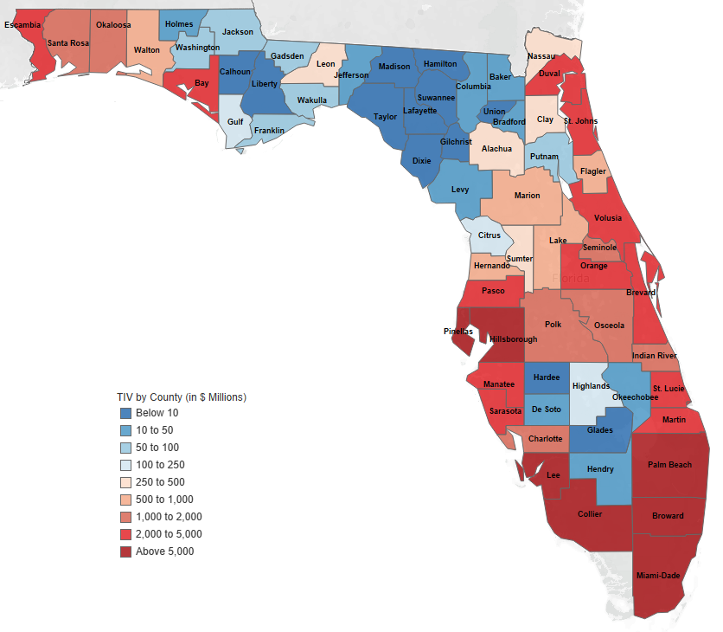
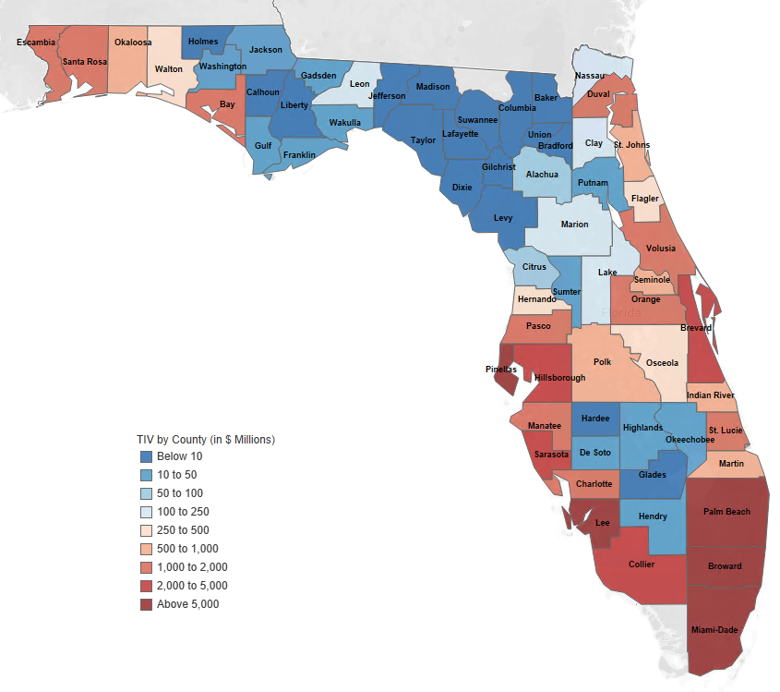
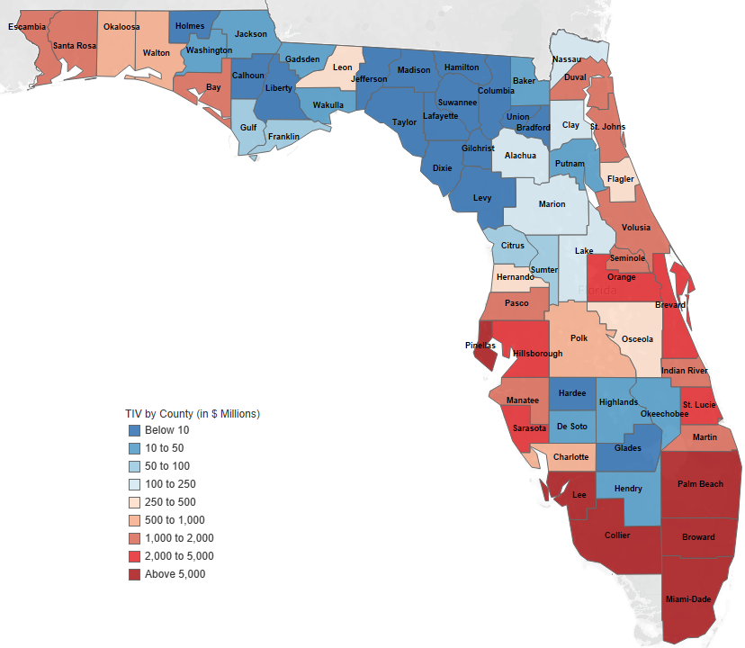
Cedant XYZ

Return to TOC
2024 Reinsurance Submission
0

Wind Exposure by County Maps

 | Combined as of February 23, 2024 | Combined as of January 15, 2023

2.B.6 Renewal Policy TIV Comp
Cedant XYZ

Return to TOC
2024 Reinsurance Submission
0

Renewal Policy TIV Comparison

 | [1] | [2] | [2] to [1]
County | 2024-02-23 | 2023-01-15
Alachua | 50 | 46 | 9.89%
Baker | 5 | 4 | 9.78%
Bay | 650 | 605 | 7.38%
Bradford | 1 | 1 | 9.55%
Brevard | 1,022 | 932 | 9.59%
Broward | 4,534 | 4,101 | 10.55%
Calhoun | 2 | 2 | 2.67%
Charlotte | 453 | 400 | 13.17%
Citrus | 29 | 26 | 9.35%
Clay | 73 | 67 | 9.51%
Collier | 2,155 | 1,974 | 9.15%
Columbia | 3 | 3 | 10.70%
DeSoto | 8 | 7 | 11.27%
Dixie | 1 | 1 | 9.75%
Duval | 772 | 708 | 8.94%
Escambia | 646 | 593 | 8.98%
Flagler | 174 | 157 | 11.00%
Franklin | 22 | 20 | 9.68%
Gadsden | 12 | 11 | 9.76%
Gilchrist | 1 | 1 | 8.62%
Glades | 1 | 1 | 10.32%
Gulf | 27 | 25 | 7.53%
Hardee | 1 | 1 | 12.25%
Hendry | 8 | 7 | 10.08%
Hernando | 132 | 120 | 10.08%
Highlands | 17 | 16 | 9.64%
Hillsborough | 2,055 | 1,845 | 11.34%
Holmes | 2 | 2 | 8.77%
Indian River | 437 | 397 | 10.00%
Jackson | 14 | 13 | 9.11%
Jefferson | 2 | 2 | 4.25%
Layfayette | 1 | 1 | 10.71%
Lake | 67 | 59 | 12.24%
Lee | 2,861 | 2,536 | 12.82%
Leon | 107 | 99 | 8.40%
Levy | 2 | 2 | 12.03%
Liberty | 1 | 0 | 9.03%
Madison | 1 | 1 | 8.90%
Manatee | 769 | 694 | 10.90%
Marion | 76 | 68 | 11.20%
Martin | 495 | 445 | 11.12%
Miami-Dade | 3,465 | 3,157 | 9.75%
Nassau | 92 | 85 | 8.03%
Okaloosa | 333 | 307 | 8.53%
Okeechobee | 9 | 8 | 11.05%
Orange | 744 | 678 | 9.70%
Osceola | 148 | 136 | 9.20%
Palm Beach | 4,725 | 4,308 | 9.67%
Pasco | 665 | 596 | 11.61%
Pinellas | 2,388 | 2,198 | 8.64%
Polk | 314 | 290 | 8.37%
Putnam | 12 | 11 | 8.63%
Santa Rosa | 455 | 417 | 8.94%
Sarasota | 1,055 | 957 | 10.21%
Seminole | 371 | 334 | 11.12%
St. Johns | 474 | 435 | 8.87%
St. Lucie | 960 | 872 | 10.14%
Sumter | 34 | 31 | 10.33%
Suwannee | 1 | 1 | 9.89%
Taylor | 2 | 1 | 10.36%
Union | 0 | 0 | 8.31%
Volusia | 718 | 647 | 10.92%
Wakulla | 14 | 13 | 10.42%
Walton | 190 | 177 | 7.37%
Washington | 19 | 17 | 10.75%
Bi County | 7,999 | 7,258 | 10.21%
Tri County | 12,724 | 11,566 | 10.01%
Total | 34,876 | 31,672 | 10.12%
US $ in Millions

2.B.7 HU Deductible $Bands
Cedant XYZ

Return to TOC
2024 Reinsurance Submission
0

Hurricane Deductible Profile

 | 2024-02-23 |  |  |  |  | 2023-01-15
 | Risk Count by Policy Form |  |  |  |  | Risk Count by Policy Form |  |  |  |  | % Change
HU Deductible | DP3 | HO3 | HO4 | HO6 | All Forms | DP3 | HO3 | HO4 | HO6 | All Forms | Total Risk Count
$500 or less | - | 2 | 256 | 2,754 | 3,011 | - | 2 | 270 | 2,825 | 3,096 | (2.7%)
$500 to $1,000 | - | - | 104 | 10,606 | 10,710 | - | - | 123 | 9,166 | 9,289 | 15.3%
$1,000 to $1,500 | - | - | 27 | 2,869 | 2,895 | - | - | 27 | 2,253 | 2,279 | 27.0%
$1,500 to $2,000 | - | 1 | 34 | 1,083 | 1,117 | - | 1 | 43 | 722 | 765 | 46.1%
$2,000 to $2,500 | 1 | 4 | 6 | 451 | 461 | - | 21 | 5 | 320 | 346 | 33.4%
$2,500 to $3,000 | - | 195 | 8 | 687 | 890 | - | 267 | 8 | 461 | 735 | 21.1%
$3,000 to $3,500 | 3 | 739 | 2 | 121 | 864 | - | 1,166 | 1 | 54 | 1,220 | (29.2%)
$3,500 to $4,000 | 5 | 1,937 | 4 | 161 | 2,106 | - | 2,283 | 6 | 125 | 2,413 | (12.7%)
$4,000 to $4,500 | 10 | 3,103 | 5 | 33 | 3,150 | - | 3,220 | 1 | 21 | 3,242 | (2.8%)
$4,500 to $5,000 | 35 | 5,241 | 2 | 168 | 5,445 | - | 4,405 | 3 | 112 | 4,520 | 20.5%
$5,000 to $7,500 | 311 | 34,349 | 1 | 124 | 34,784 | - | 23,978 | 2 | 78 | 24,058 | 44.6%
$7,500 to $10,000 | 279 | 23,850 | 1 | 61 | 24,190 | - | 14,555 | 2 | 36 | 14,593 | 65.8%
$10,000 to $12,500 | 158 | 12,134 | - | 18 | 12,309 | - | 6,894 | - | 7 | 6,901 | 78.4%
$12,500 to $15,000 | 108 | 7,104 | - | 19 | 7,231 | - | 3,931 | - | 9 | 3,940 | 83.5%
$15,000 to $20,000 | 127 | 7,056 | - | 16 | 7,199 | - | 4,058 | - | 8 | 4,066 | 77.0%
$20,000 to $30,000 | 102 | 5,656 | - | 23 | 5,781 | - | 2,902 | 1 | 8 | 2,910 | 98.6%
$30,000 to $40,000 | 50 | 1,736 | - | 4 | 1,789 | - | 893 | - | 1 | 894 | 100.2%
$40,000 to $50,000 | 18 | 699 | - | 2 | 719 | - | 406 | - | 3 | 408 | 76.1%
$50,000 or greater | 31 | 1,222 | - | 1 | 1,253 | - | 637 | - | - | 637 | 96.7%
Total | 1,234 | 105,025 | 445 | 19,195 | 125,899 | 0 | 69,615 | 487 | 16,206 | 86,307 | 45.9%
Risk Count in Ones

2.B.8 HU Deductible %
Cedant XYZ

Return to TOC
2024 Reinsurance Submission
0

Hurricane Deductible Profile

 | 2024-02-23 |  |  |  |  | 2023-01-15
 | Risk Count by Policy Form |  |  |  |  | Risk Count by Policy Form |  |  |  |  | % Change
HU Deductible | DP3 | HO3 | HO4 | HO6 | All Forms | DP3 | HO3 | HO4 | HO6 | All Forms | Total Risk Count
1% | 0 | 38 | 0 | 10,034 | 10,072 | 0 | 46 | 0 | 7,993 | 8,038 | 25.3%
2% | 981 | 90372.5 | 123 | 2,937 | 94,413 | 0 | 61,640 | 245.5 | 2,879 | 64,764 | 45.8%
3% | 0 | 2 | 0 | 753 | 755 | 0 | 4 | 0 | 532 | 535 | 41.1%
4% | 0 | 12 | 0 | 312 | 324 | 0 | 14 | 0 | 210 | 223 | 45.1%
5% | 231 | 13275.5 | 7 | 298 | 13,811 | 0 | 7,120 | 100.5 | 273 | 7,493 | 84.3%
10% | 22 | 1320.5 | 3.5 | 199 | 1,545 | 0 | 789 | 6.5 | 145 | 940 | 64.3%
15% | 0 | 0 | 0 | 0 | 0 | 0 | 2 | 0 | 1 | 2 | (100.0%)
500 | 0 | 2 | 255.5 | 2,753 | 3,011 | 0 | 2 | 134 | 2,619 | 2,755 | 9.3%
1,000 | 0 | 0 | 49 | 1,613 | 1,662 | 0 | 0 | 0 | 1,342 | 1,342 | 23.9%
1,250 | 0 | 0 | 4 | 26 | 30 | 0 | 0 | 0 | 29 | 29 | 3.4%
2,500 | 1 | 3 | 3 | 271 | 278 | 0 | 0 | 0 | 187 | 187 | 48.4%
Total | 1,234 | 105,025 | 445 | 19,195 | 125,899 | 0 | 69,615 | 487 | 16,206 | 86,307 | 45.9%
Risk Count in Ones

2.B.9 DTC by Geocoding
Cedant XYZ

Return to TOC
2024 Reinsurance Submission
0

Distance to Coast Profile for Wind Exposures

 | 2024-02-23 |  |  |  |  |  | 2023-01-15
 | TIV by Geocoding Resolution |  |  |  |  |  | TIV by Geocoding Resolution |  |  |  |  |  | % Change
Distance | Street | Block | Postal |  |  |  | Street | Block | Postal
to Coast | Level | Group | Code | City | Total | % Total | Level | Group | Code | City | Total | % Total | Total TIV
< 1/2 mile | 7,291 | 21 | 35 | 0 | 7,347 | 10.7% | 5,536 | 10 | 25 | 0 | 5,571 | 13.0% | 31.9%
1/2 - 1 mile | 3,206 | 11 | 47 | 0 | 3,264 | 4.8% | 2,590 | 5 | 21 | 0 | 2,616 | 6.1% | 24.8%
1 - 3 miles | 9,783 | 98 | 123 | 0 | 10,004 | 14.6% | 7,252 | 52 | 78 | 0 | 7,383 | 17.2% | 35.5%
3 - 5 miles | 9,397 | 131 | 133 | 0 | 9,662 | 14.1% | 5,956 | 56 | 75 | 0 | 6,087 | 14.2% | 58.7%
5 - 10 miles | 17,356 | 308 | 287 | 0 | 17,951 | 26.2% | 9,929 | 151 | 210 | 0 | 10,290 | 24.0% | 74.4%
>=10 miles | 19,537 | 305 | 379 | 0 | 20,222 | 29.5% | 10,761 | 81 | 164 | 0 | 11,006 | 25.6% | 83.7%
Total | 66,571 | 873 | 1,005 | 0 | 68,449 | 100.0% | 42,025 | 356 | 573 | 0 | 42,954 | 100.0% | 59.4%
US $ in Millions
* TIV values throughout Section 2.B do not include coverage B

2.B.10 Wind Bldg Characteristic
Cedant XYZ

Return to TOC
2024 Reinsurance Submission
0

Wind Exposure Building Characteristics
as of February 23, 2024

Construction | Risk Count | TIV | % of Total TIV
Frame | 18,672 | 9,947 | 14.5% | 14.5%
Masonry | 100,448 | 57,317 | 83.7% | 83.7%
Structural Masonry | 1,987 | 329 | 0.5% | 0.5%
Reinforced Concrete with Concrete Roof | 4,793 | 856 | 1.3% | 1.3%
Total | 125,899 | 68,449 | 100.0%

Occupancy | Risk Count | TIV | % of Total TIV
Single-Family | 105,792 | 65,460 | 95.6% | 95.6%
Multi-Family | 20,107 | 2,989 | 4.4% | 4.4%
Total | 125,899 | 68,449 | 100.0%

Year Built | Risk Count | TIV | % of Total TIV
Before 1995 | 30,400 | 14,662 | 42.8% | 42.8%
1995 - 2001 | 11,837 | 6,999 | 20.5% | 20.5%
After 2001 | 20,713 | 12,563 | 36.7% | 36.7%
Total | 62,949 | 34,225 | 100.0%

Number of Stories | Risk Count | TIV | % of Total TIV
One Story | 86,216 | 47,444 | 69.3% | 69.3%
Two to Three Stories | 33,221 | 19,892 | 29.1% | 29.1%
Four to Seven Stories | 2,555 | 381 | 0.6% | 0.6%
Eight to Fourteen Stories | 1,580 | 267 | 0.4% | 0.4%
Fifteen or more Stories | 2,328 | 466 | 0.7% | 0.7%
Total | 125,899 | 68,449 | 100.0%

Square Footage | Risk Count | TIV | % of Total TIV
< 1,500 | 23,191 | 8,532 | 12.5% | 12.5%
1,500 - 2,499 | 58,306 | 31,921 | 46.6% | 46.6%
2,500 - 4,999 | 23,891 | 23,211 | 33.9% | 33.9%
5,000 + | 872 | 2,018 | 2.9% | 2.9%
Unknown | 19,640 | 2,767 | 4.0% | 4.0%
Total | 125,899 | 68,449 | 100.0%
US $ in Millions, Risk Count in Ones
* TIV values throughout Section 2.B do not include coverage B

2.B.11 - Secondary Modifiers
Cedant XYZ

Return to TOC
2024 Reinsurance Submission
0

Wind Exposure Building Secondary Modifiers
as of February 23, 2024

Roof System | Risk Count | TIV | % of Total TIV
Shingle rated for high wind speeds (110 mph) | 115,451 | 64,929 | 94.9% | 94.9% | 57725.25 | 32464683645
Normal shingle (55 mph) | 2,674 | 1,606 | 2.3% | 2.3% | 1336.75 | 802785593.75
Unknown | 1,775 | 530 | 0.8% | 0.8% | 887.25 | 264970141.25
Shingle rated for high wind speeds (110 mph) w SWR | 1,137 | 495 | 0.7% | 0.7% | 568.5 | 247284508.75
Built-up roof or single-ply membrane roof w/o gutter | 4,863 | 890 | 1.3% | 1.3% | 2431.5 | 444838536.25
Total | 125,899 | 68,449 | 100.0%

Roof Geometry | Risk Count | TIV | % of Total TIV
Hip roof with slope less than or equal to 6:12 | 45,197 | 29,935 | 43.7% | 43.7%
Gable roof with slope less than or equal to 6:12 | 39,163 | 18,899 | 27.6% | 27.6%
Braced gable roof with slope <= 6:12 | 25,140 | 13,557 | 19.8% | 19.8%
Unknown | 16,399 | 6,058 | 8.8% | 8.8%
Total | 125,899 | 68,449 | 100.0%

Roof to Wall Connection | Risk Count | TIV | % of Total TIV
Double wraps | 44,970 | 28,249 | 41.3% | 41.3%
Single wraps | 28,526 | 16,514 | 24.1% | 24.1%
Clips | 21,980 | 12,111 | 17.7% | 17.7%
Unknown | 17,556 | 6,770 | 9.9% | 9.9%
Toe nailing / No anchorage | 8,075 | 3,950 | 5.8% | 5.8%
Structural | 4,793 | 856 | 1.3% | 1.3%
Total | 125,899 | 68,449 | 100.0%

Roof Age | Risk Count | TIV | % of Total TIV
Unknown | 1,036 | 338 | 0.5% | 0.5%
0 - 5 years | 70,468 | 37,472 | 54.7% | 54.7%
6 -10 years | 23,290 | 13,086 | 19.1% | 19.1%
11+ years | 31,105 | 17,554 | 25.6% | 25.6%
Total | 125,899 | 68,449 | 100.0%
US $ in Millions, Risk Count in Ones
* TIV values throughout Section 2.B do not include coverage B

2.C.2 - Est. FHCF Coverage
Cedant XYZ

Return to TOC
2024 Reinsurance Submission
0

Coverage Estimate

 | Premium (estimated) | 36,441,173
 | Limit (90% of) | 454,980,195 | (12.485 x premium)
 | Retention | 221,314,533 | (6.073 x premium)

2.D.1 - Cat Losses
Cedant XYZ
Return to TOC

2024 Reinsurance Submission
0

Cat losses greater than $5M
as of Feb 28th, 2024
 |  |  |  |  |  |  |  | Paid |  |  | Case Reserves |  |  | Total
Year | Description | PCS Cat No. | # of Closed with Payment Claims | # of Closed without Payment Claims | # of Closed Claims | # of Open Claims | # Total Claims | Indemnity | Expense | Total | Indemnity | Expense | Total | Indemnity | Expense | Incurred
2016 | Hurricane Matthew | 1650 | 846 | 671 | 1,517 | 1 | 1,517 | 11,518,449 | 2,449,458 | 13,967,906 | 25,000 | - | 25,000 | 5,771,724 | 1,224,729 | 13,992,906
2017 | Hurricane Irma | 1744 | 9,689 | 3,818 | 13,507 | 30 | 13,537 | 254,258,809 | 63,554,662 | 317,813,471 | 1,531,668 | - | 1,531,668 | 127,895,239 | 31,777,331 | 319,345,139
2018 | PCS 1817 | 1817 | 195 | 22 | 217 | 1 | 217 | 4,635,746 | 606,382 | 5,242,128 | 30,000 | - | 30,000 | 2,332,873 | 303,191 | 5,272,128
2018 | Hurricane Michael | 1857 | 1,165 | 88 | 1,253 | 4 | 1,256 | 95,010,444 | 9,237,394 | 104,247,838 | 113,333 | - | 113,333 | 47,561,888 | 4,618,697 | 104,361,171
2018 | Non-PCS Event - DEC18 | NA | 183 | 45 | 228 | - | 228 | 5,226,624 | 895,964 | 6,122,588 | - | - | - | 2,613,312 | 447,982 | 6,122,588
2019 | PCS 1921 | 1921 | 600 | 48 | 648 | - | 648 | 13,897,300 | 1,252,847 | 15,150,147 | - | - | - | 6,948,650 | 626,423 | 15,150,147
2020 | PCS 2014 | 2014 | 302 | 38 | 340 | 1 | 341 | 6,433,781 | 544,338 | 6,978,119 | 22,500 | - | 22,500 | 3,228,140 | 272,169 | 7,000,619
2020 | PCS 2021 | 2021 | 129 | 20 | 149 | 1 | 149 | 2,389,751 | 291,616 | 2,681,367 | 12,500 | - | 12,500 | 1,201,125 | 145,808 | 2,693,867
2020 | PCS 2023 | 2023 | 83 | 27 | 110 | 2 | 112 | 3,390,072 | 710,306 | 4,100,378 | 97,500 | - | 97,500 | 1,743,786 | 355,153 | 4,197,878
2020 | Hurricane Sally | 2063 | 710 | 263 | 973 | 12 | 984 | 14,580,553 | 2,892,920 | 17,473,474 | 466,658 | - | 466,658 | 7,523,606 | 1,446,460 | 17,940,132
2020 | Hurricane Eta | 2076 | 273 | 209 | 482 | 16 | 497 | 10,604,530 | 2,925,308 | 13,529,838 | 499,671 | - | 499,671 | 5,552,101 | 1,462,654 | 14,029,509
2020 | PCS 2029 | 2029 | 99 | 17 | 115 | 1 | 116 | 2,419,587 | 231,892 | 2,651,479 | 27,500 | - | 27,500 | 1,223,543 | 115,946 | 2,678,979
2021 | PCS 2125 | 2125 | 296 | 54 | 350 | 9 | 359 | 8,650,894 | 1,212,958 | 9,863,852 | 372,500 | - | 372,500 | 4,511,697 | 606,479 | 10,236,352
2021 | PCS 2179 | 2179 | 112 | 17 | 129 | 2 | 131 | 2,968,255 | 283,351 | 3,251,606 | 44,583 | - | 44,583 | 1,506,419 | 141,675 | 3,296,189
2022 | PCS 2212 | 2212 | 103 | 18 | 121 | 8 | 129 | 3,117,128 | 503,418 | 3,620,547 | 206,950 | - | 206,950 | 1,662,039 | 251,709 | 3,827,497
2022 | Non-PCS Event - MAR22 | NA | 89 | 11 | 100 | 3 | 102 | 3,034,671 | 179,818 | 3,214,489 | 75,001 | - | 75,001 | 1,554,836 | 89,909 | 3,289,489
2022 | Huricane Ian | 2301 | 5,250 | 2,463 | 7,712 | 1,052 | 8,764 | 140,390,485 | 29,666,239 | 170,056,724 | 41,735,866 | - | 41,735,866 | 91,063,175 | 14,833,120 | 211,792,590
2023 | PCS 2339 | 2339 | 130 | 21 | 151 | 16 | 167 | 3,520,113 | 166,642 | 3,686,755 | 232,419 | - | 232,419 | 1,876,266 | 83,321 | 3,919,174

Year | Description | PCS Cat No. | Average Indemnity Per Claim | Average LAE Per Claim | Average Incurred Per Claim | LAE as a % of Indemnity | LAE as a % of Total Incurred
2016 | Hurricane Matthew | 1650 | $3,805 | $807 | $9,224 | 21.22% | 8.75%
2017 | Hurricane Irma | 1744 | $9,448 | $2,348 | $23,591 | 24.85% | 9.95%
2018 | PCS 1817 | 1817 | $10,751 | $1,397 | $24,296 | 13.00% | 5.75%
2018 | Hurricane Michael | 1857 | $37,868 | $3,677 | $83,090 | 9.71% | 4.43%
2018 | Non-PCS Event - DEC18 | NA | $11,462 | $1,965 | $26,853 | 17.14% | 7.32%
2019 | PCS 1921 | 1921 | $10,723 | $967 | $23,380 | 9.02% | 4.13%
2020 | PCS 2014 | 2014 | $9,481 | $799 | $20,560 | 8.43% | 3.89%
2020 | PCS 2021 | 2021 | $8,061 | $979 | $18,080 | 12.14% | 5.41%
2020 | PCS 2023 | 2023 | $15,639 | $3,185 | $37,649 | 20.37% | 8.46%
2020 | Hurricane Sally | 2063 | $7,646 | $1,470 | $18,232 | 19.23% | 8.06%
2020 | Hurricane Eta | 2076 | $11,171 | $2,943 | $28,228 | 26.34% | 10.43%
2020 | PCS 2029 | 2029 | $10,593 | $1,004 | $23,195 | 9.48% | 4.33%
2021 | PCS 2125 | 2125 | $12,585 | $1,692 | $28,553 | 13.44% | 5.92%
2021 | PCS 2179 | 2179 | $11,499 | $1,081 | $25,162 | 9.40% | 4.30%
2022 | PCS 2212 | 2212 | $12,934 | $1,959 | $29,786 | 15.14% | 6.58%
2022 | Non-PCS Event - MAR22 | NA | $15,243 | $881 | $32,250 | 5.78% | 2.73%
2022 | Huricane Ian | 2301 | $10,391 | $1,693 | $24,166 | 16.29% | 7.00%
2023 | PCS 2339 | 2339 | $11,269 | $500 | $23,539 | 4.44% | 2.13%

