1. Title Page
Instacart Data Analysis

Project Name: Project Name: Instacart Data Analysis
Date: 17.01.2025
Analyst Name: Olga Niekrasova
Date:
Analyst Name:

Contents:
Population Flow
Consistency checks
Wrangling steps
Column derivations
Visualizations
Recommendations

2. Population Flow
Title page

Population flow

Exclusion flag
Condition: max_order < 5
Obervations to be removed: 1,444,295
Final total count of order_products_all: 30,964,564

Orders_products_combined
Orders_products_merged
Orders_products_all

Total: 32,404,858
Total:32,434,488
Total: 32,404,858

1.) The grey boxes in the first row of the population flow represent the original data sets as they were when you downloaded them. In the Total fields you need to add the count of the rows when you imported the data set into Jupyter.
2.) The second row of boxes (coloured) represents the data sets after you manipulated them, e.g., removed missing values and duplicates. In the Total fields you need to add the count of the rows after conducting these operations. This offers a visual oveview of how the data flows throughout the data consistency checks.
3.) The third row, where also the arrows are coloured, represents the merges you performed between the datasets. In the Total fields you need to add the count of the rows in the merged datasets, so that you end up with the final dataset (in the red box). Keep in mind the final dataset should be without exclusions (based on the exclusion flag).

3. Consistency checks
 |  |  |  | Title page
Consistency checks

Dataset | Missing values | Missing values treatment | Duplicates
orders | 206,209 in the 'days_since_prior_order' | Flagged as first_order | No duplicates
products | 16 missing 'product_name' | Deleted rows missing data | 5 duplicates, deleted
orders_products_prior | None | None | No duplicates
customers | None | None | No duplicates
orders_products_customers | prices over $100 marked as missing | changed to Nan

4. Wrangling steps
 |  |  |  | Title page
Wrangling steps

Columns dropped | Columns renamed | Columns' type changed | Comment/Reason
 |  | order_id | data type change, integer to string
 |  | user_id | data type change, integer to string
 | order_dow to orders_day_of_week |  | clarity
 | First Name to first_name |  | maintain naming convention
 | Surnam to last_name |  | maintain naming convention
 | Gender to gender |  | maintain naming convention
 | STATE to state |  | maintain naming convention
 | Age to age |  | maintain naming convention
 |  | first_name | data type change, mixed to string
Unnamed xx |  |  | not needed
_merged |  |  | not needed

5. Column derivations
 |  |  |  | Title page

Column derivations and aggregations

In this tab you should add tables below that the frequences of flags/label variables that you produced after deriving them. NB: don't do this for continuous variables, only for flags.
Dataset | New column | Column/s it was derived from | Conditions
orders | first_order | days_since_prior_order' | NaN
ords_prods_merge | price_range | prices | if prices <= 5 then 'low-range product' if prices >5 & <= 15 then 'mid-range product' if prices > 15 then 'high-range product' else 'not enough data'
ords_prods_merge | busiest_day | orders_day_of_week | if value == 0 then 'busiest day' if value == 4 then 'least busy' else 'regularly busy'
ords_prods_merge | busiest_days | orders_day_of_week | if value == 0 or 1 then 'busiest days' if value == 3 or 4 then 'slowest days' else 'regularly busy'
ords_prods_merge | busiest_period_of_day | hour_of_day | if value == 10 or 11 then 'most orders' if value == 3 or 4 then 'fewest orders' else 'average orders'
ords_prods_merge | loyalty_flag | max_order | if value > 40 then 'loyal customer' if value <= 40 & > 10 then 'regular customer' if value < 10 then 'new customer'
ords_prods_merge | mean_spend | prices | average price per customer
ords_prods_merge | spender_flag | mean_spend | if value > 10 then 'low spender' if value >= 10 then 'high customer'
ords_prods_merge | customer_frequency | days_since_prior_order | if value < 20 then 'non_frequent_customer' if value <= 20 & > 10 then 'regular customer' if value > 10 then 'frequent customer'
orders_products_customers | region | state | State defined into regions according to this List of regions of the United States
orders_products_customers | activity_flag | max_order | if value < 5 then 'low-activity customer' if value >= 5 then 'high-activity customer'
low_activity_excluded | income_group | income | if value > 150000 then 'high income' if value >= 55000 & < 150000 then 'middle income' if value < 55000 then 'low income'
low_activity_excluded | age_group | age | if value > 64 then 'senior' if value > 44 & <= 64 then 'middle-aged' if value > 25 & <= 44 then 'adult' if value <= 25 then 'young adult'
low_activity_excluded | dependants_flag | n_dependants | if value == 0 then 'no dependants' if value >= 1 then 'has dependants'

6. Visualizations
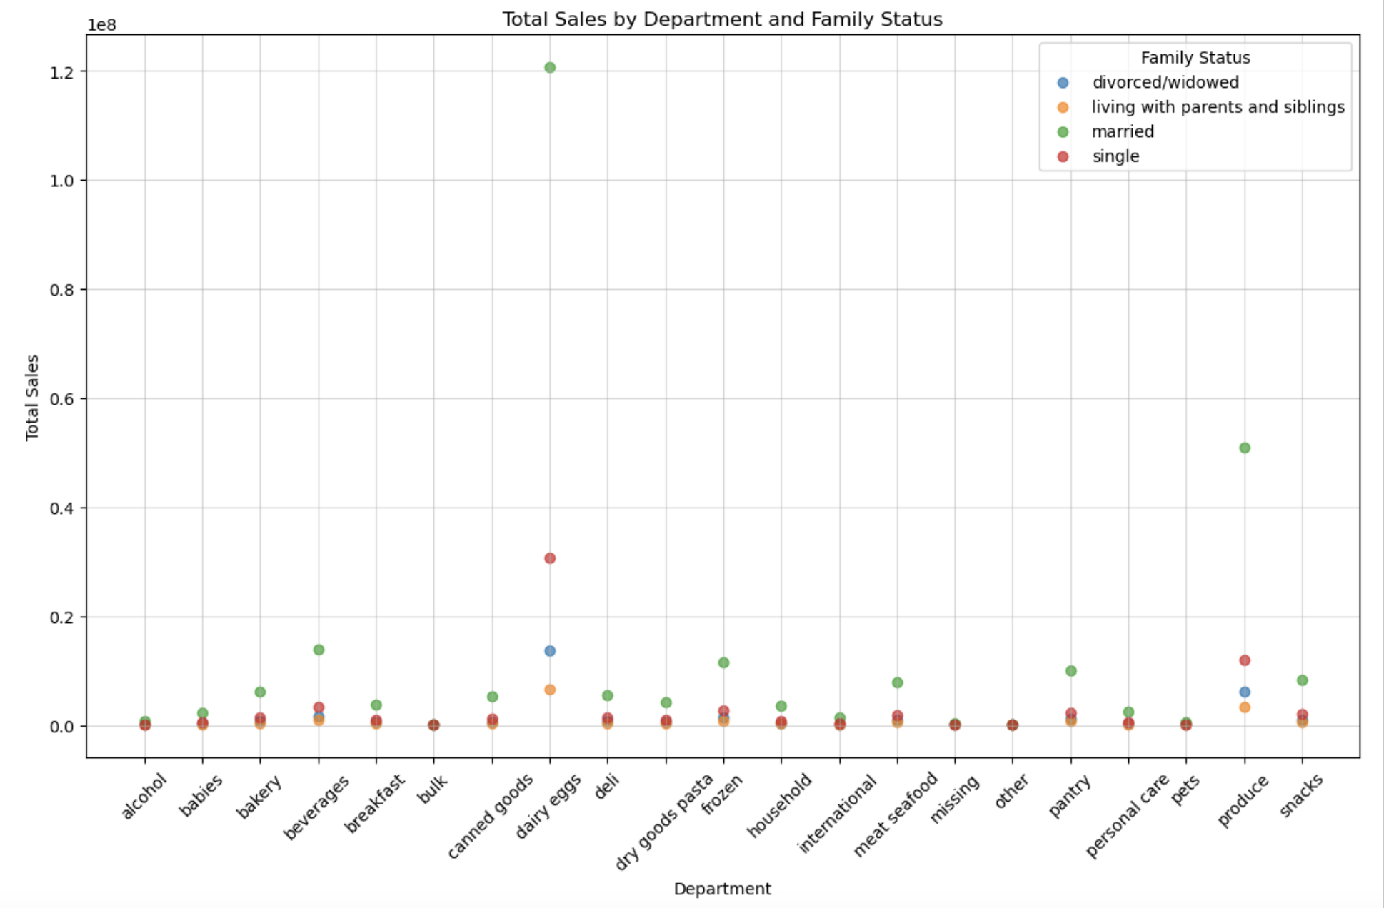
 | Title page

Visualisations

In this tab you should include all the visualtions from Exercises 4.9 and 4.10, alongside the questions from the project brief that they answer. Include any commentary on the relationship between different variables.

Question from the Sales Team:
What are the busiest days of the week and the peak hours of the day?

Commentary:
Saturday and Sunday are the busiest days of the week, while Tuesday and Wednesday experience the least activity. Most orders are placed between 9:00 AM and 4:00 PM, with a peak occurring between 10:00 AM and 11:00 AM.
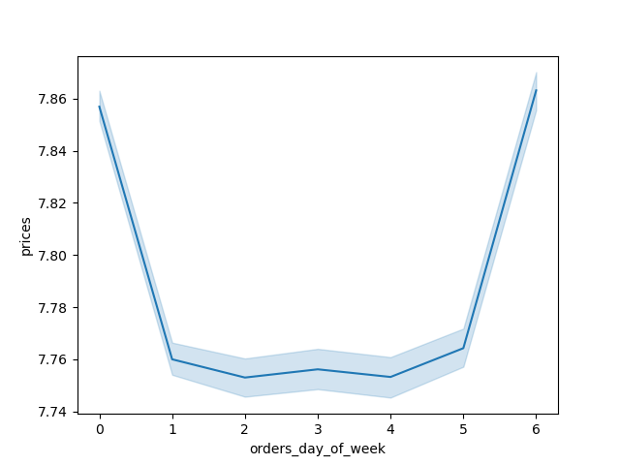


Question from the Sales Team:
Are there specific times of day when people tend to spend the most money?

Commentary:
Sales are higher in the morning, additionally, weekends see higher overall sales compared to weekdays.
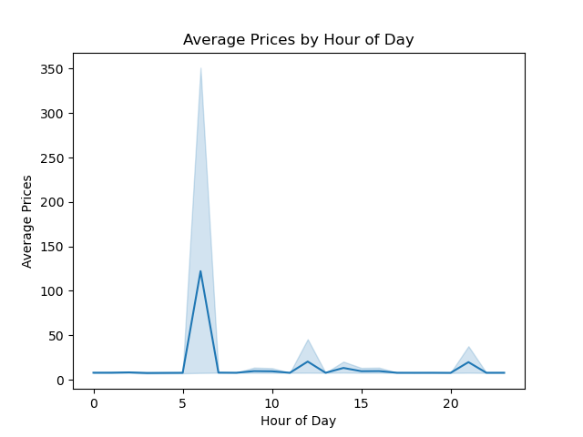

Question from the Marketing and Sales Team:
Are certain products more popular than others?

Commentary:
Produce, dairy/eggs, snacks, and beverages are the top-selling categories across departments. This trend is consistent across both age groups and regional breakdowns.

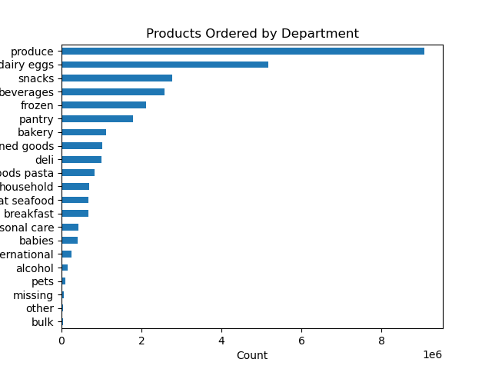

Question from the Sales and Marketing Department:
Which region has the highest total spend by regular customers, and how does it compare to the spend by loyal customers in the same region?

Answer:
The South region has the highest total spend by regular customers, with approximately 69,038,528.3. In comparison, the spend by loyal customers in the South region is significantly higher, at approximately 35,111,406.4, demonstrating that loyal customers contribute more to the total spend in this region than regular customers.

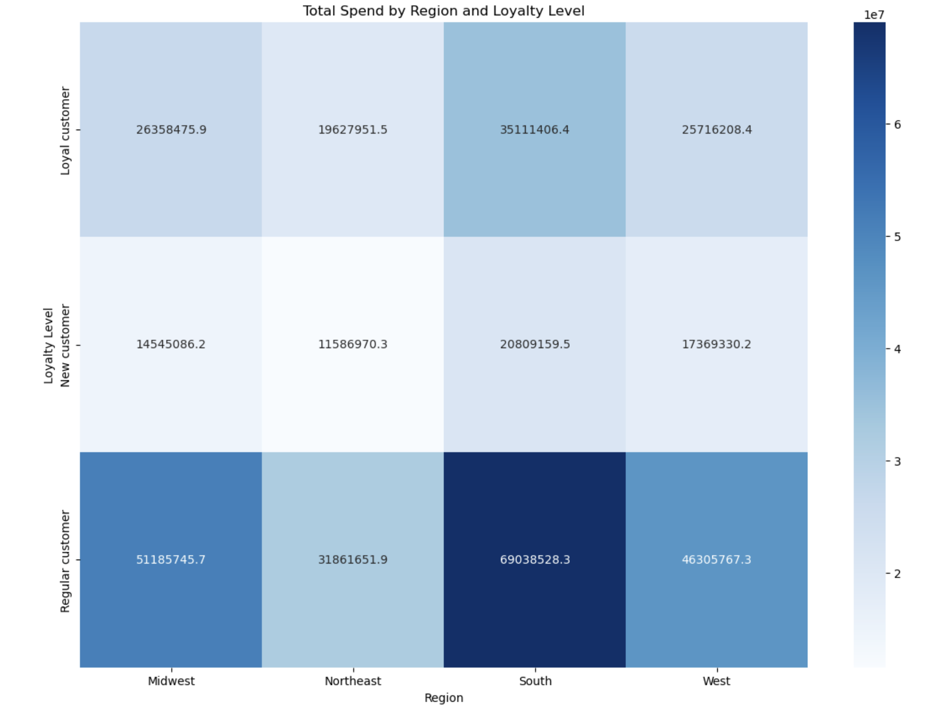

Question from the Sales and Marketing Department:
Which department has the highest total sales in the South region, and how does it compare to the sales of the same department in other regions?

Answer:
The produce department has the highest total sales in the South region, with approximately 6 million in sales.
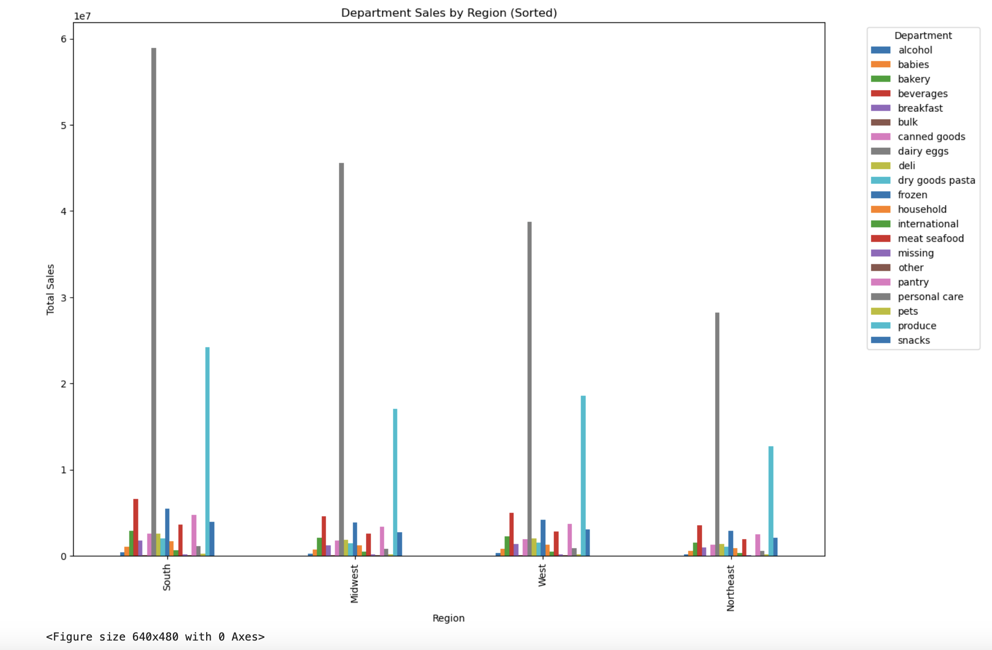

Question from the Sales and Marketing Department:
Which age group has the highest total sales, and which department contributes the most to their sales?

Answer:
The Elderly age group has the highest total sales. Among all departments, the produce and personal care departments contributes the most to their sales, followed by the dairy/eggs department.
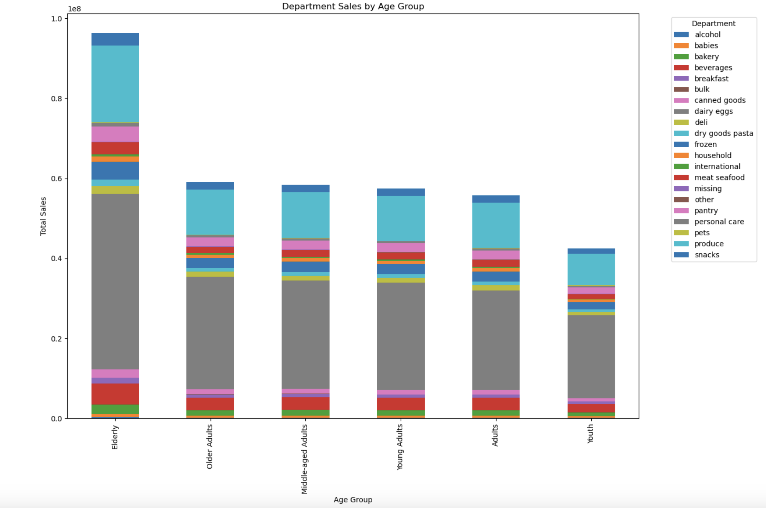

Question from the Sales and Marketing Department:
Which family status group contributes the most to total sales in the produce department?

Answer:
The married group contributes the most to total sales in the produce department. This is significantly higher than their spending in other departments.

7. Recommendations
 |  | Title page

Recommendations

In this tab you should include any recommendations you would made to Instcart in terms of their marketing strategy based on the questions posed in the brief. Every key question has been covered in the Tasks of the Exercises - here you need to add an item - a visualisation or table/crosstable that is showing the answer in the data, acompanied by a comment from you. Please, list the questions below and add the answer underneath.

Question | Recommendations
What are the busiest days of the week and the peak hours of the day? | Use discounts on slow days (Tuesday, Wednesday) and special deals during peak hours (10-11 AM).
Are there specific times of day when people tend to spend the most money? | Offer morning-only deals and focus weekend promotions on family-friendly items.
Are certain products more popular than others? | Promote top items like produce and dairy, and run deals to boost interest in less popular goods.
Which region has the highest total spend by regular customers? | Increase loyalty rewards in the South to encourage more spending from loyal customers.
Which department has the highest total sales in the South region? | Focus on keeping South produce quality high and run regional campaigns to grow sales elsewhere.
Which age group has the highest total sales, and which department contributes the most to their sales? | Promote fresh, health-focused produce for elderly customers with easy-to-prepare options.
Which family status group contributes the most to total sales in the produce department? | Offer family-sized produce bundles and cross-promote other items to diversify purchases.

