Theory and code
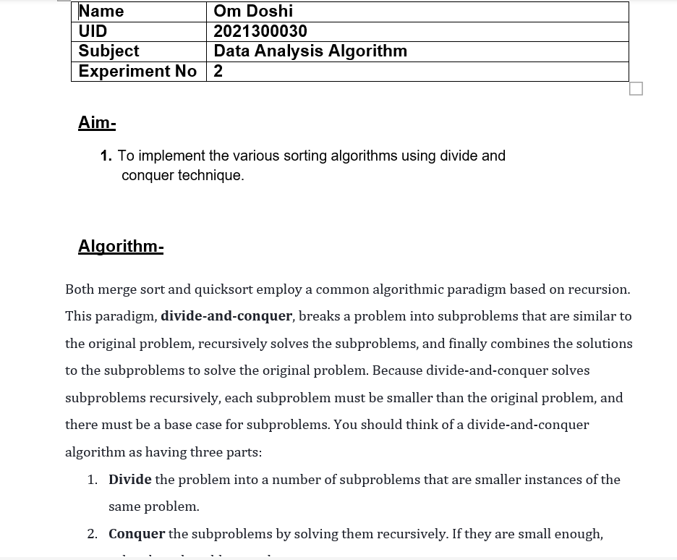

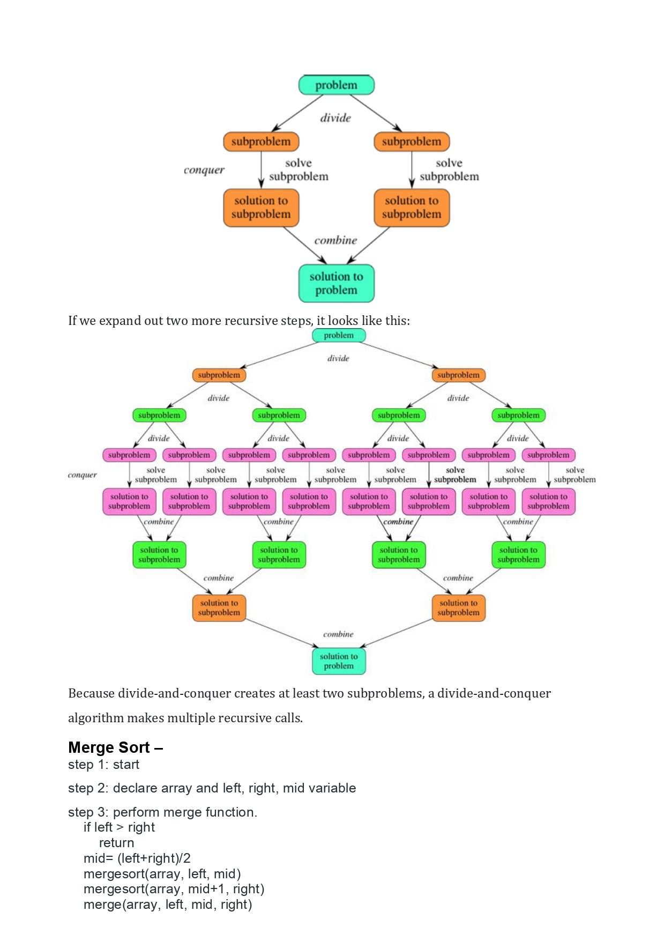

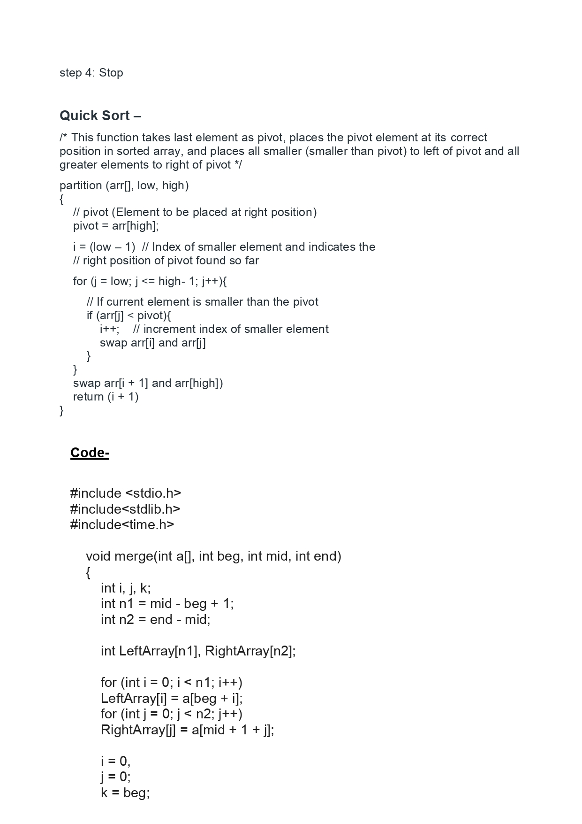

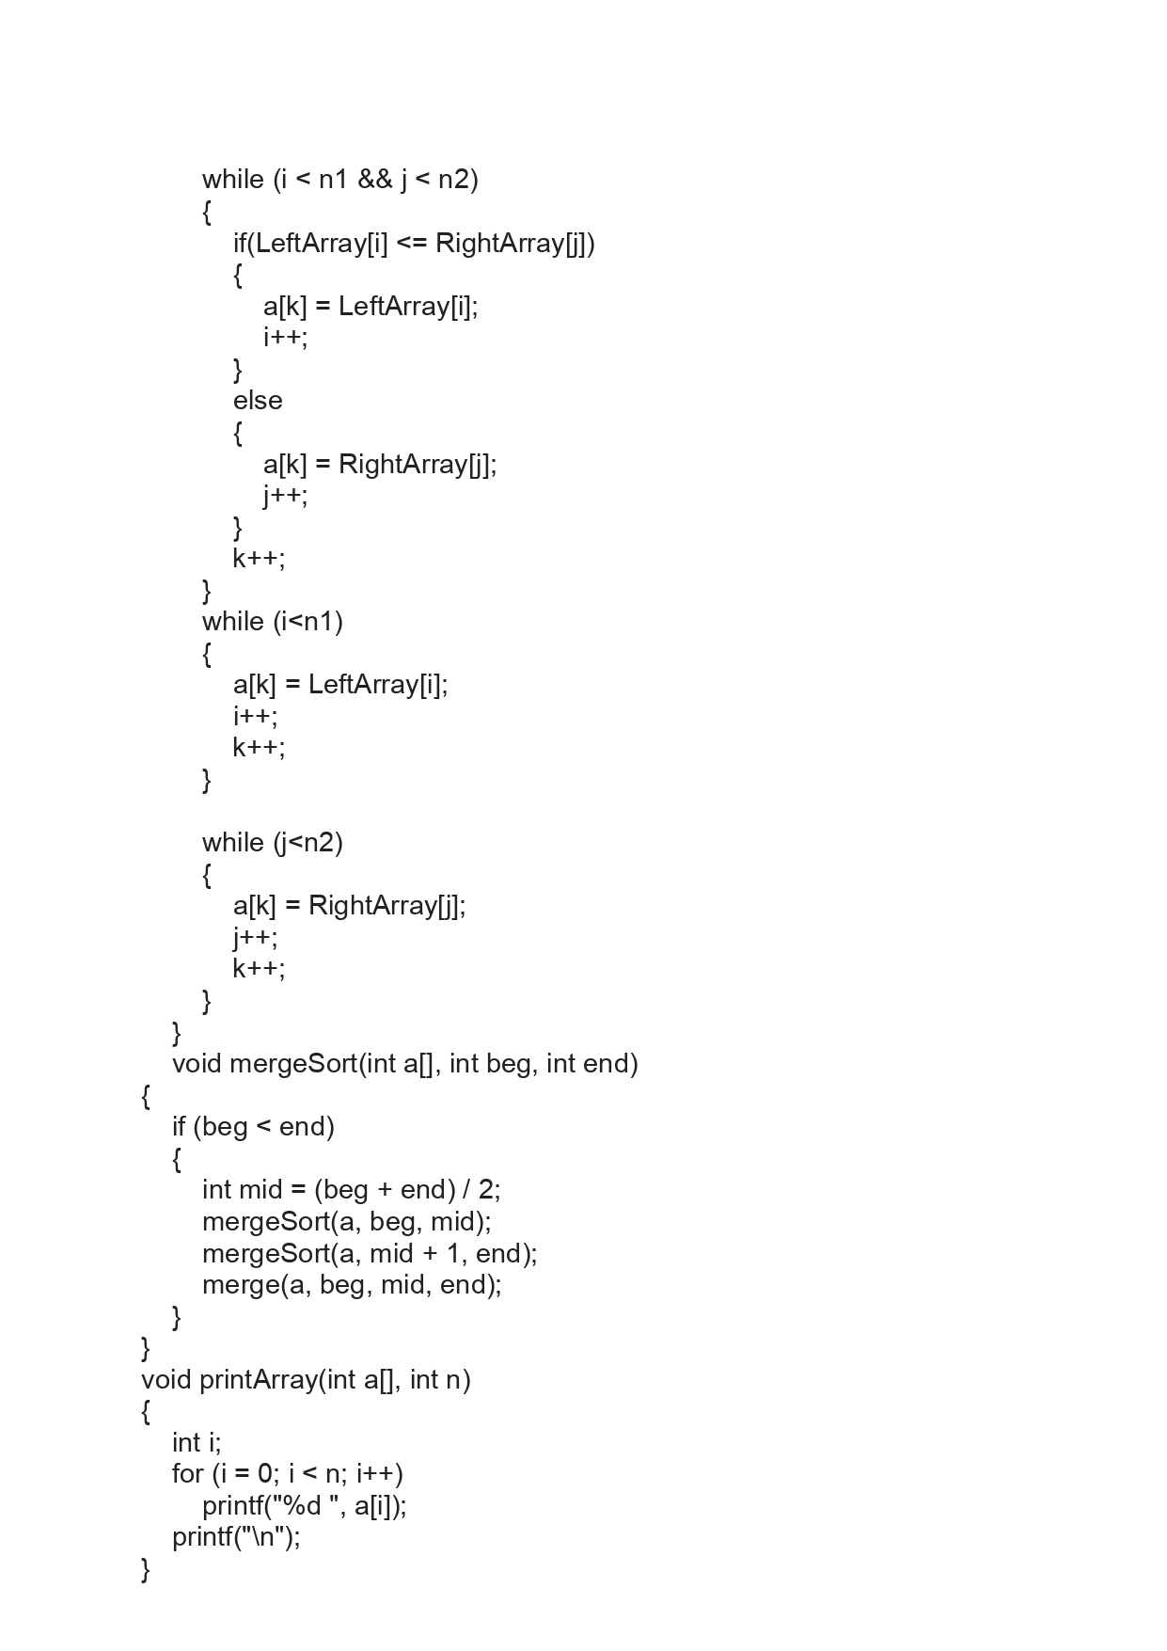

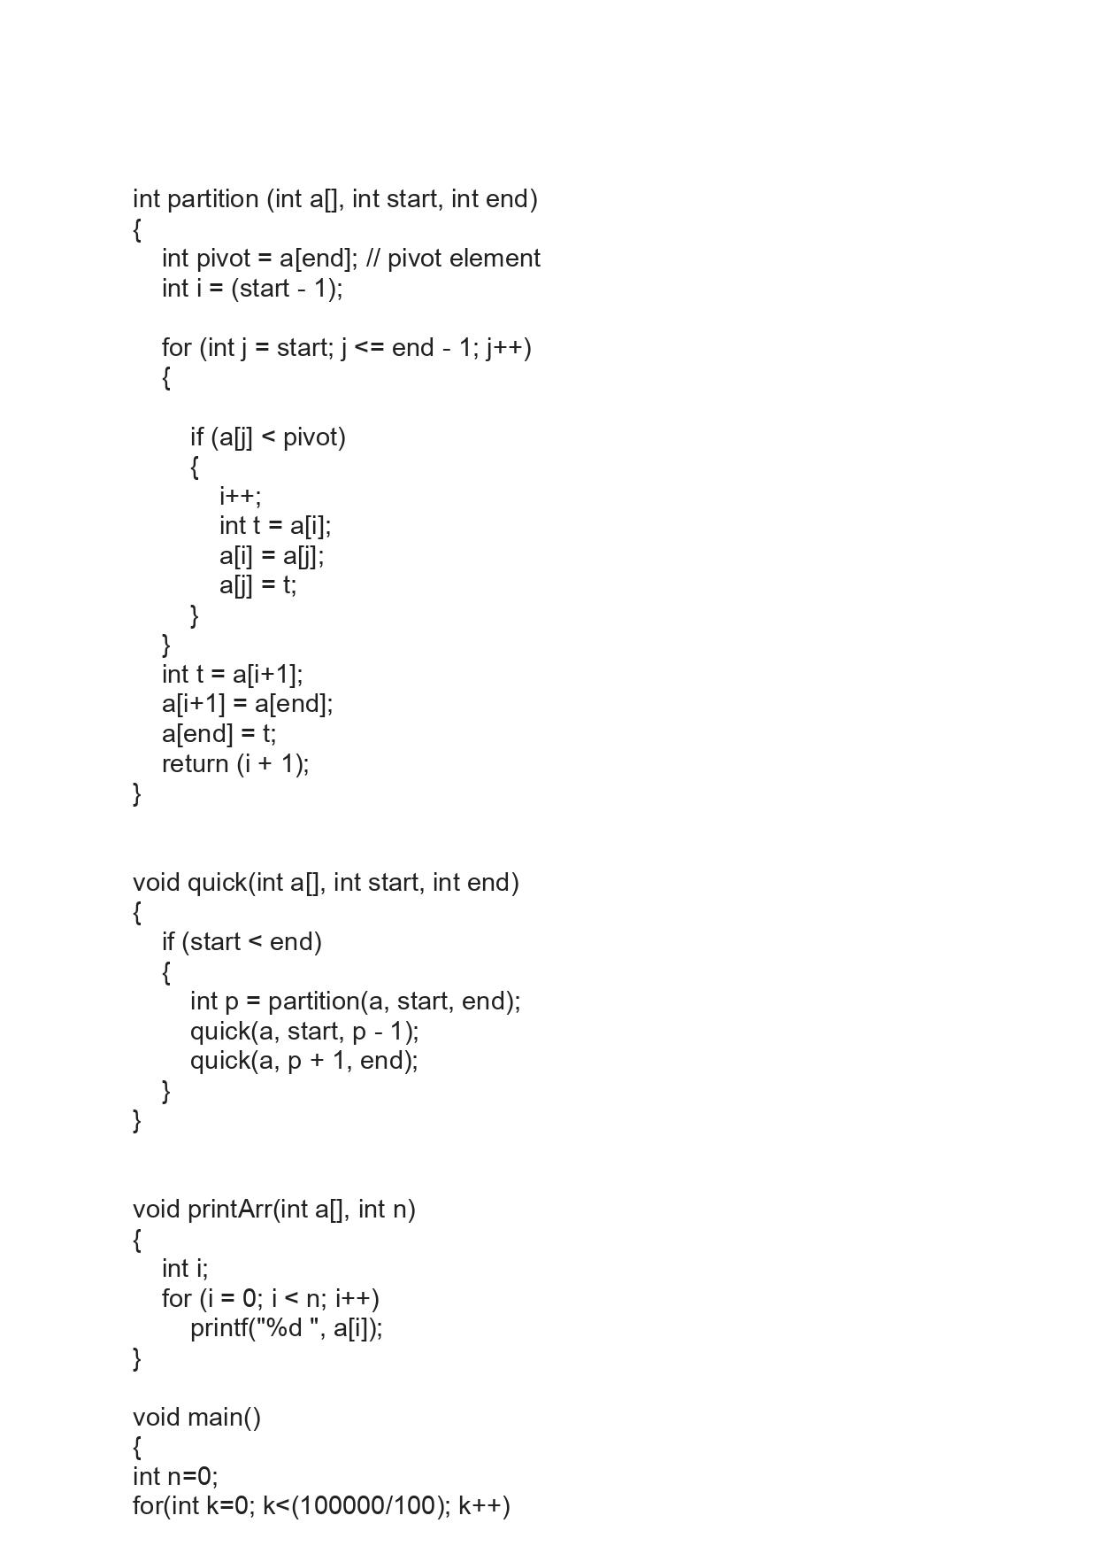

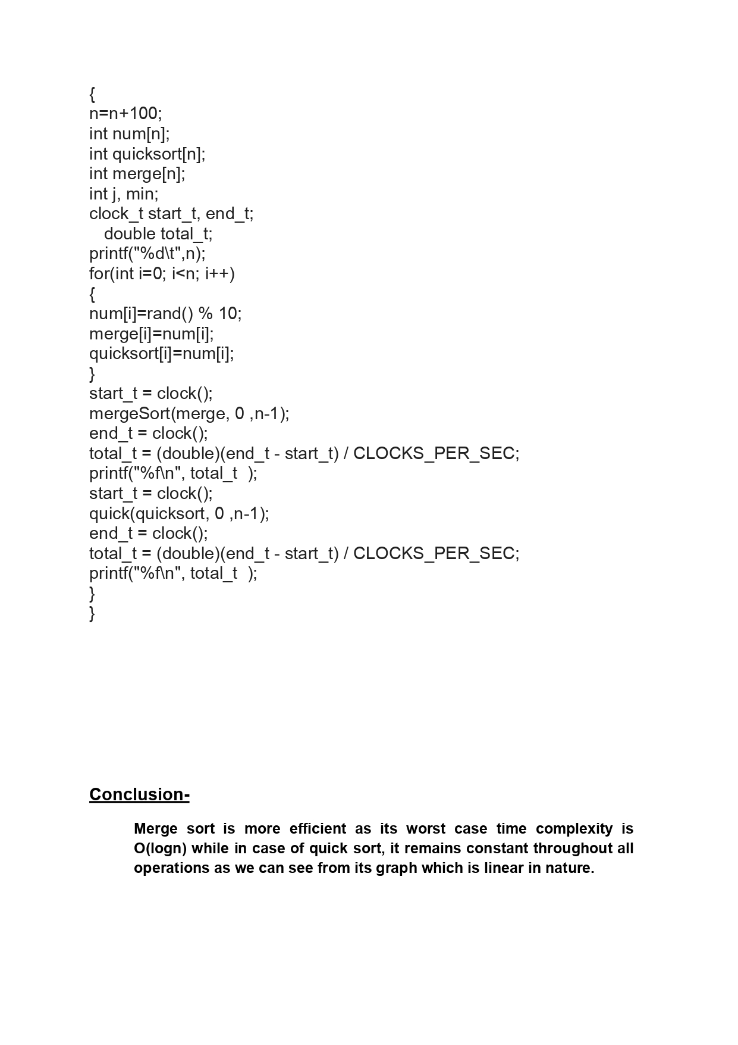

Value and Graph
 | Merge Sort
100 | 0.00003
200 | 0.000052
300 | 0.000079
400 | 0.000104
500 | 0.000129
600 | 0.000159
700 | 0.000184
800 | 0.00021
900 | 0.000234
1000 | 0.000263
1100 | 0.000251
1200 | 0.000162
1300 | 0.000169
1400 | 0.000186
1500 | 0.000197
1600 | 0.000209
1700 | 0.00022
1800 | 0.000229
1900 | 0.000227
2000 | 0.000234
2100 | 0.000294
2200 | 0.000257
2300 | 0.000304
2400 | 0.000281
2500 | 0.000283
2600 | 0.000294
2700 | 0.00031
2800 | 0.000322
2900 | 0.000334
3000 | 0.000344
3100 | 0.000355
3200 | 0.000383
3300 | 0.000388
3400 | 0.000402
3500 | 0.000408
3600 | 0.000414
3700 | 0.000435
3800 | 0.000442
3900 | 0.000454
4000 | 0.000463
4100 | 0.000472
4200 | 0.000488
4300 | 0.000534
4400 | 0.000519
4500 | 0.000548
4600 | 0.000576
4700 | 0.000552
4800 | 0.000583
4900 | 0.000578
5000 | 0.000589
...
Intervals | Merge Sort | Quick Sort
100 | 0.00003 | 0.000016
200 | 0.000052 | 0.000032
300 | 0.000079 | 0.000053
400 | 0.000104 | 0.000081
500 | 0.000129 | 0.000115
600 | 0.000159 | 0.000157
700 | 0.000184 | 0.000209
800 | 0.00021 | 0.000252
900 | 0.000234 | 0.000304
1000 | 0.000263 | 0.00038
1100 | 0.000251 | 0.00018
1200 | 0.000162 | 0.000213
1300 | 0.000169 | 0.000239
1400 | 0.000186 | 0.000275
 | Quick Sort
100 | 0.000016
200 | 0.000032
300 | 0.000053
400 | 0.000081
500 | 0.000115
600 | 0.000157
700 | 0.000209
800 | 0.000252
900 | 0.000304
1000 | 0.00038
1100 | 0.00018
1200 | 0.000213
1300 | 0.000239
1400 | 0.000275
1500 | 0.000314
1600 | 0.000353
1700 | 0.000393
1800 | 0.00053
1900 | 0.00047
2000 | 0.000515
2100 | 0.000562
2200 | 0.000615
2300 | 0.000664
2400 | 0.000739
2500 | 0.0008
2600 | 0.0009
2700 | 0.000925
2800 | 0.000988
2900 | 0.001103
3000 | 0.001124
3100 | 0.001203
3200 | 0.001294
3300 | 0.001407
3400 | 0.001498
3500 | 0.001496
3600 | 0.001673
3700 | 0.001815
3800 | 0.001818
3900 | 0.001889
4000 | 0.001956
4100 | 0.002047
4200 | 0.002156
4300 | 0.002286
4400 | 0.002426
4500 | 0.002595
4600 | 0.002585
4700 | 0.002625
4800 | 0.002836
4900 | 0.003008
5000 | 0.003093
...
1500 | 0.000197 | 0.000314
1600 | 0.000209 | 0.000353
1700 | 0.00022 | 0.000393
1800 | 0.000229 | 0.00053
1900 | 0.000227 | 0.00047
2000 | 0.000234 | 0.000515
2100 | 0.000294 | 0.000562
2200 | 0.000257 | 0.000615
2300 | 0.000304 | 0.000664
2400 | 0.000281 | 0.000739
2500 | 0.000283 | 0.0008
2600 | 0.000294 | 0.0009
2700 | 0.00031 | 0.000925
2800 | 0.000322 | 0.000988
2900 | 0.000334 | 0.001103
3000 | 0.000344 | 0.001124
3100 | 0.000355 | 0.001203
Conclusion - Merge sort is more efficient as its worst case time complexity is O(logn) while in case of quick sort, it remains constant throughout all operations as we can see from its graph which is linear in nature.
3200 | 0.000383 | 0.001294
3300 | 0.000388 | 0.001407
3400 | 0.000402 | 0.001498
3500 | 0.000408 | 0.001496
3600 | 0.000414 | 0.001673
3700 | 0.000435 | 0.001815
3800 | 0.000442 | 0.001818
3900 | 0.000454 | 0.001889
4000 | 0.000463 | 0.001956
4100 | 0.000472 | 0.002047
4200 | 0.000488 | 0.002156
4300 | 0.000534 | 0.002286
4400 | 0.000519 | 0.002426
4500 | 0.000548 | 0.002595
4600 | 0.000576 | 0.002585
4700 | 0.000552 | 0.002625
4800 | 0.000583 | 0.002836
4900 | 0.000578 | 0.003008
5000 | 0.000589 | 0.003093
5100 | 0.000592 | 0.003159
5200 | 0.000645 | 0.003321
5300 | 0.000621 | 0.003397
5400 | 0.000664 | 0.003773
5500 | 0.000649 | 0.003642
5600 | 0.000665 | 0.003875
5700 | 0.000711 | 0.003945
5800 | 0.000681 | 0.003993
5900 | 0.000692 | 0.004157
6000 | 0.000732 | 0.004473
6100 | 0.000777 | 0.004546
6200 | 0.00073 | 0.004553
6300 | 0.000744 | 0.004691
6400 | 0.000759 | 0.004805
6500 | 0.000772 | 0.004955
6600 | 0.000801 | 0.005575
6700 | 0.000791 | 0.005363
6800 | 0.000814 | 0.005492
6900 | 0.000819 | 0.005636
7000 | 0.000828 | 0.005764
7100 | 0.000954 | 0.00615
7200 | 0.000883 | 0.006245
7300 | 0.000863 | 0.006382
7400 | 0.000881 | 0.006422
7500 | 0.000892 | 0.006888
7600 | 0.000908 | 0.007056
7700 | 0.000918 | 0.007067
7800 | 0.000927 | 0.007181
7900 | 0.001026 | 0.007508
8000 | 0.000985 | 0.007675
8100 | 0.000958 | 0.007854
8200 | 0.001016 | 0.00812
8300 | 0.00097 | 0.008696
8400 | 0.001016 | 0.008473
8500 | 0.001048 | 0.008719
8600 | 0.001049 | 0.008809
8700 | 0.001103 | 0.008814
8800 | 0.001061 | 0.009414
8900 | 0.001058 | 0.009335
9000 | 0.001085 | 0.009596
9100 | 0.001095 | 0.009967
9200 | 0.001195 | 0.010118
9300 | 0.001114 | 0.010217
9400 | 0.001164 | 0.010798
9500 | 0.001198 | 0.010558
9600 | 0.001192 | 0.010902
9700 | 0.001179 | 0.011301
9800 | 0.001167 | 0.011393
9900 | 0.001182 | 0.011823
10000 | 0.00121 | 0.011759
10100 | 0.001249 | 0.012421
10200 | 0.001206 | 0.012365
10300 | 0.00127 | 0.012862
10400 | 0.001271 | 0.012792
10500 | 0.001312 | 0.013053
10600 | 0.001266 | 0.013349
10700 | 0.001295 | 0.013488
10800 | 0.001383 | 0.013872
10900 | 0.001333 | 0.014
11000 | 0.001351 | 0.014578
11100 | 0.001334 | 0.015081
11200 | 0.001415 | 0.014985
11300 | 0.001402 | 0.015158
11400 | 0.001408 | 0.015268
11500 | 0.00138 | 0.015848
11600 | 0.001426 | 0.015759
11700 | 0.001423 | 0.016436
11800 | 0.001417 | 0.016596
11900 | 0.001423 | 0.017206
12000 | 0.001512 | 0.017324
12100 | 0.00149 | 0.017353
12200 | 0.001454 | 0.017921
12300 | 0.001504 | 0.017834
12400 | 0.001539 | 0.018073
12500 | 0.001534 | 0.018549
12600 | 0.001595 | 0.01873
12700 | 0.001659 | 0.018964
12800 | 0.00154 | 0.019547
12900 | 0.001581 | 0.019646
13000 | 0.001672 | 0.020411
13100 | 0.001759 | 0.020743
13200 | 0.001719 | 0.020792
13300 | 0.001714 | 0.022005
13400 | 0.001704 | 0.021482
13500 | 0.00175 | 0.022141
13600 | 0.001726 | 0.022312
13700 | 0.00172 | 0.022554
13800 | 0.001824 | 0.023074
13900 | 0.001737 | 0.023238
14000 | 0.001809 | 0.02362
14100 | 0.001797 | 0.024186
14200 | 0.001766 | 0.024101
14300 | 0.00172 | 0.024167
14400 | 0.001762 | 0.024433
14500 | 0.001851 | 0.024945
14600 | 0.001858 | 0.024952
14700 | 0.001856 | 0.025439
14800 | 0.001797 | 0.026056
14900 | 0.001807 | 0.026255
15000 | 0.001824 | 0.026804
15100 | 0.001936 | 0.027029
15200 | 0.001939 | 0.02791
15300 | 0.001914 | 0.02836
15400 | 0.001965 | 0.028422
15500 | 0.001974 | 0.028684
15600 | 0.001932 | 0.029114
15700 | 0.001909 | 0.029093
15800 | 0.00198 | 0.029355
15900 | 0.002012 | 0.030073
16000 | 0.001993 | 0.030309
16100 | 0.001966 | 0.030526
16200 | 0.001959 | 0.031037
16300 | 0.001968 | 0.031406
16400 | 0.002009 | 0.032733
16500 | 0.002051 | 0.033327
16600 | 0.002118 | 0.033102
16700 | 0.002037 | 0.033161
16800 | 0.002051 | 0.033376
16900 | 0.002127 | 0.034087
17000 | 0.002141 | 0.034923
17100 | 0.002165 | 0.036151
17200 | 0.002173 | 0.035606
17300 | 0.002235 | 0.035803
17400 | 0.002133 | 0.03627
17500 | 0.002227 | 0.036191
17600 | 0.002214 | 0.03648
17700 | 0.00229 | 0.036614
17800 | 0.002194 | 0.037645
17900 | 0.002269 | 0.037867
18000 | 0.002219 | 0.038226
18100 | 0.002239 | 0.038823
18200 | 0.002299 | 0.03888
18300 | 0.002307 | 0.039795
18400 | 0.002296 | 0.040077
18500 | 0.002261 | 0.040601
18600 | 0.002518 | 0.040358
18700 | 0.002334 | 0.041479
18800 | 0.002404 | 0.041538
18900 | 0.002374 | 0.042236
19000 | 0.002555 | 0.042667
19100 | 0.002384 | 0.042725
19200 | 0.002405 | 0.043493
19300 | 0.002389 | 0.044188
19400 | 0.002487 | 0.044221
19500 | 0.002468 | 0.045343
19600 | 0.002474 | 0.045064
19700 | 0.002472 | 0.045642
19800 | 0.002475 | 0.045821
19900 | 0.002503 | 0.046923
20000 | 0.002495 | 0.046991
20100 | 0.002525 | 0.047864
20200 | 0.002481 | 0.048379
20300 | 0.002491 | 0.048762
20400 | 0.002549 | 0.049098
20500 | 0.002551 | 0.049498
20600 | 0.002525 | 0.049662
20700 | 0.002543 | 0.050307
20800 | 0.002619 | 0.050633
20900 | 0.002602 | 0.051486
21000 | 0.002773 | 0.051334
21100 | 0.002643 | 0.052296
21200 | 0.002918 | 0.052432
21300 | 0.002676 | 0.053483
21400 | 0.002814 | 0.054117
21500 | 0.002695 | 0.054724
21600 | 0.002737 | 0.054851
21700 | 0.002763 | 0.055215
21800 | 0.002745 | 0.055927
21900 | 0.002754 | 0.056467
22000 | 0.002741 | 0.056856
22100 | 0.002755 | 0.057726
22200 | 0.002768 | 0.058188
22300 | 0.002818 | 0.058409
22400 | 0.002848 | 0.059346
22500 | 0.002941 | 0.059251
22600 | 0.002813 | 0.060021
22700 | 0.002862 | 0.060845
22800 | 0.00289 | 0.061257
22900 | 0.002879 | 0.061725
23000 | 0.002864 | 0.062412
23100 | 0.002942 | 0.062746
23200 | 0.002884 | 0.063112
23300 | 0.002933 | 0.064012
23400 | 0.003001 | 0.06462
23500 | 0.002984 | 0.064735
23600 | 0.002967 | 0.065639
23700 | 0.002979 | 0.068002
23800 | 0.003213 | 0.067747
23900 | 0.002996 | 0.06782
24000 | 0.002977 | 0.068181
24100 | 0.003045 | 0.068396
24200 | 0.003033 | 0.072896
24300 | 0.003133 | 0.069134
24400 | 0.003013 | 0.069754
24500 | 0.003133 | 0.070472
24600 | 0.003066 | 0.070675
24700 | 0.003082 | 0.071575
24800 | 0.003078 | 0.072024
24900 | 0.003133 | 0.074135
25000 | 0.003376 | 0.077037
25100 | 0.003313 | 0.077006
25200 | 0.003396 | 0.075308
25300 | 0.003267 | 0.075794
25400 | 0.00318 | 0.076107
25500 | 0.003191 | 0.076562
25600 | 0.003201 | 0.079503
25700 | 0.003342 | 0.078126
25800 | 0.00332 | 0.078517
25900 | 0.003282 | 0.078228
26000 | 0.003284 | 0.078975
26100 | 0.003271 | 0.079801
26200 | 0.003316 | 0.080373
26300 | 0.003346 | 0.081209
26400 | 0.003335 | 0.081557
26500 | 0.003348 | 0.082384
26600 | 0.003349 | 0.083027
26700 | 0.003346 | 0.083231
26800 | 0.003355 | 0.083636
26900 | 0.003404 | 0.084931
27000 | 0.003416 | 0.084887
27100 | 0.003427 | 0.085743
27200 | 0.003606 | 0.086724
27300 | 0.003463 | 0.086671
27400 | 0.003475 | 0.087839
27500 | 0.003503 | 0.088514
27600 | 0.003501 | 0.089046
27700 | 0.003506 | 0.089534
27800 | 0.0035 | 0.091333
27900 | 0.00351 | 0.090742
28000 | 0.003545 | 0.09171
28100 | 0.003554 | 0.0926
28200 | 0.003538 | 0.092892
28300 | 0.003542 | 0.093666
28400 | 0.003583 | 0.094452
28500 | 0.003558 | 0.095311
28600 | 0.003601 | 0.095538
28700 | 0.003612 | 0.096111
28800 | 0.003644 | 0.09637
28900 | 0.003647 | 0.097177
29000 | 0.003664 | 0.098745
29100 | 0.003657 | 0.098723
29200 | 0.0037 | 0.098807
29300 | 0.003715 | 0.100285
29400 | 0.003727 | 0.100641
29500 | 0.003789 | 0.101943
29600 | 0.003764 | 0.102496
29700 | 0.003801 | 0.102407
29800 | 0.003871 | 0.103809
29900 | 0.003815 | 0.10384
30000 | 0.003822 | 0.105405
30100 | 0.003853 | 0.104989
30200 | 0.003854 | 0.106823
30300 | 0.003909 | 0.107278
30400 | 0.003872 | 0.108858
30500 | 0.00386 | 0.10858
30600 | 0.003869 | 0.109956
30700 | 0.003919 | 0.109961
30800 | 0.00395 | 0.111464
30900 | 0.004024 | 0.113726
31000 | 0.00403 | 0.114564
31100 | 0.003965 | 0.112688
31200 | 0.003985 | 0.113025
31300 | 0.003958 | 0.113196
31400 | 0.003996 | 0.11468
31500 | 0.003983 | 0.11577
31600 | 0.004014 | 0.116464
31700 | 0.004002 | 0.117238
31800 | 0.004011 | 0.11658
31900 | 0.004058 | 0.117968
32000 | 0.004032 | 0.118885
32100 | 0.00407 | 0.120098
32200 | 0.004081 | 0.12092
32300 | 0.00422 | 0.12161
32400 | 0.004106 | 0.122159
32500 | 0.004109 | 0.122549
32600 | 0.004104 | 0.123792
32700 | 0.004119 | 0.12462
32800 | 0.004128 | 0.124595
32900 | 0.004166 | 0.125225
33000 | 0.004145 | 0.126703
33100 | 0.004183 | 0.126976
33200 | 0.004193 | 0.128356
33300 | 0.004282 | 0.128368
33400 | 0.004254 | 0.128661
33500 | 0.004259 | 0.129827
33600 | 0.004246 | 0.13175
33700 | 0.004377 | 0.13153
33800 | 0.00431 | 0.132596
33900 | 0.004333 | 0.13292
34000 | 0.00434 | 0.134066
34100 | 0.00437 | 0.13466
34200 | 0.00435 | 0.135726
34300 | 0.004365 | 0.138292
34400 | 0.004445 | 0.13971
34500 | 0.004574 | 0.138829
34600 | 0.004453 | 0.138604
34700 | 0.004438 | 0.141311
34800 | 0.004527 | 0.141231
34900 | 0.004493 | 0.142185
35000 | 0.004496 | 0.143183
35100 | 0.004513 | 0.142955
35200 | 0.004511 | 0.144093
35300 | 0.004512 | 0.144434
35400 | 0.00456 | 0.145701
35500 | 0.004587 | 0.145915
35600 | 0.004575 | 0.146506
35700 | 0.004609 | 0.148137
35800 | 0.004581 | 0.148109
35900 | 0.004626 | 0.149162
36000 | 0.004678 | 0.150158
36100 | 0.004626 | 0.152267
36200 | 0.004631 | 0.151469
36300 | 0.004687 | 0.15252
36400 | 0.00465 | 0.15329
36500 | 0.004693 | 0.155319
36600 | 0.004661 | 0.154613
36700 | 0.0047 | 0.155789
36800 | 0.004698 | 0.15702
36900 | 0.004676 | 0.157767
37000 | 0.004777 | 0.158765
37100 | 0.004745 | 0.159476
37200 | 0.004775 | 0.16113
37300 | 0.004821 | 0.161589
37400 | 0.004798 | 0.161149
37500 | 0.004808 | 0.163366
37600 | 0.004868 | 0.166272
37700 | 0.004856 | 0.165629
37800 | 0.004848 | 0.166985
37900 | 0.004862 | 0.165821
38000 | 0.004859 | 0.167823
38100 | 0.004933 | 0.167849
38200 | 0.004946 | 0.167903
38300 | 0.004932 | 0.16975
38400 | 0.005055 | 0.170123
38500 | 0.005078 | 0.171496
38600 | 0.004974 | 0.172047
38700 | 0.004984 | 0.174127
38800 | 0.00503 | 0.173851
38900 | 0.005001 | 0.175195
39000 | 0.005047 | 0.176992
39100 | 0.005043 | 0.176561
39200 | 0.005055 | 0.177898
39300 | 0.005063 | 0.178306
39400 | 0.005073 | 0.179005
39500 | 0.005058 | 0.179778
39600 | 0.0051 | 0.182217
39700 | 0.005117 | 0.18357
39800 | 0.005098 | 0.183542
39900 | 0.005113 | 0.183986
40000 | 0.00522 | 0.185784
40100 | 0.00516 | 0.185697
40200 | 0.005169 | 0.188761
40300 | 0.005202 | 0.188645
40400 | 0.00515 | 0.188524
40500 | 0.005221 | 0.190721
40600 | 0.005211 | 0.190981
40700 | 0.005201 | 0.191649
40800 | 0.005354 | 0.193529
40900 | 0.005182 | 0.193736
41000 | 0.005197 | 0.194105
41100 | 0.005245 | 0.196119
41200 | 0.005241 | 0.197206
41300 | 0.005294 | 0.198758
41400 | 0.00528 | 0.197764
41500 | 0.005294 | 0.1996
41600 | 0.005319 | 0.1999
41700 | 0.005339 | 0.200477
41800 | 0.005353 | 0.202284
41900 | 0.005424 | 0.202917
42000 | 0.005517 | 0.20328
42100 | 0.005403 | 0.205014
42200 | 0.005477 | 0.205315
42300 | 0.005486 | 0.206729
42400 | 0.005447 | 0.207852
42500 | 0.005491 | 0.208161
42600 | 0.005483 | 0.20955
42700 | 0.005628 | 0.210686
42800 | 0.005579 | 0.211583
42900 | 0.005525 | 0.214084
43000 | 0.005667 | 0.218704
43100 | 0.005679 | 0.216158
43200 | 0.005573 | 0.217551
43300 | 0.005586 | 0.21793
43400 | 0.005626 | 0.221113
43500 | 0.005804 | 0.221573
43600 | 0.005656 | 0.220919
43700 | 0.00567 | 0.220106
43800 | 0.005695 | 0.221594
43900 | 0.005707 | 0.222371
44000 | 0.005701 | 0.224154
44100 | 0.005818 | 0.225002
44200 | 0.00578 | 0.224989
44300 | 0.005735 | 0.227589
44400 | 0.005763 | 0.227292
44500 | 0.005748 | 0.227831
44600 | 0.005814 | 0.230398
44700 | 0.005846 | 0.23124
44800 | 0.005832 | 0.231524
44900 | 0.005801 | 0.232632
45000 | 0.005853 | 0.233655
45100 | 0.00582 | 0.234693
45200 | 0.005866 | 0.236767
45300 | 0.005856 | 0.237684
45400 | 0.005889 | 0.238222
45500 | 0.005869 | 0.2382
45600 | 0.005883 | 0.239695
45700 | 0.005943 | 0.242235
45800 | 0.005929 | 0.243408
45900 | 0.00602 | 0.247923
46000 | 0.006465 | 0.251254
46100 | 0.006197 | 0.254882
46200 | 0.006224 | 0.249837
46300 | 0.006063 | 0.250611
46400 | 0.006006 | 0.247131
46500 | 0.006035 | 0.250233
46600 | 0.006059 | 0.250871
46700 | 0.006041 | 0.251727
46800 | 0.006116 | 0.252323
46900 | 0.006086 | 0.253624
47000 | 0.006074 | 0.256081
47100 | 0.006087 | 0.255058
47200 | 0.006231 | 0.257274
47300 | 0.006122 | 0.257298
47400 | 0.00612 | 0.259428
47500 | 0.006153 | 0.259818
47600 | 0.006145 | 0.260476
47700 | 0.006183 | 0.261461
47800 | 0.006158 | 0.263632
47900 | 0.00621 | 0.267959
48000 | 0.006361 | 0.273803
48100 | 0.006482 | 0.272158
48200 | 0.006472 | 0.269073
48300 | 0.006361 | 0.283648
48400 | 0.006514 | 0.282174
48500 | 0.006493 | 0.27825
48600 | 0.00655 | 0.275944
48700 | 0.006521 | 0.288523
48800 | 0.006872 | 0.290044
48900 | 0.006329 | 0.28192
49000 | 0.006463 | 0.281289
49100 | 0.006429 | 0.282628
49200 | 0.00666 | 0.280135
49300 | 0.006314 | 0.281803
49400 | 0.006425 | 0.280892
49500 | 0.006376 | 0.283318
49600 | 0.006443 | 0.284458
49700 | 0.006431 | 0.284951
49800 | 0.006837 | 0.286079
49900 | 0.006479 | 0.287261
50000 | 0.006573 | 0.287364
50100 | 0.00651 | 0.289874
50200 | 0.006576 | 0.289946
50300 | 0.006557 | 0.292314
50400 | 0.006594 | 0.292122
50500 | 0.00655 | 0.293968
50600 | 0.006622 | 0.29547
50700 | 0.006749 | 0.296525
50800 | 0.006664 | 0.297748
50900 | 0.006668 | 0.299861
51000 | 0.006734 | 0.299906
51100 | 0.00666 | 0.303816
51200 | 0.006804 | 0.301754
51300 | 0.006755 | 0.302893
51400 | 0.006694 | 0.303909
51500 | 0.006726 | 0.30582
51600 | 0.006764 | 0.306247
51700 | 0.006886 | 0.315208
51800 | 0.006898 | 0.309277
51900 | 0.006753 | 0.310008
52000 | 0.006794 | 0.312268
52100 | 0.006813 | 0.31319
52200 | 0.006793 | 0.313004
52300 | 0.006971 | 0.314483
52400 | 0.006832 | 0.316078
52500 | 0.006845 | 0.317763
52600 | 0.006913 | 0.317911
52700 | 0.006868 | 0.322216
52800 | 0.006956 | 0.321837
52900 | 0.007056 | 0.322635
53000 | 0.006902 | 0.322916
53100 | 0.006899 | 0.324688
53200 | 0.006926 | 0.325223
53300 | 0.006909 | 0.328015
53400 | 0.006945 | 0.328657
53500 | 0.006986 | 0.32937
53600 | 0.006968 | 0.330895
53700 | 0.007014 | 0.333904
53800 | 0.007046 | 0.334154
53900 | 0.007058 | 0.333683
54000 | 0.007095 | 0.336176
54100 | 0.007095 | 0.337015
54200 | 0.007274 | 0.338247
54300 | 0.007232 | 0.33965
54400 | 0.007107 | 0.34048
54500 | 0.007142 | 0.342905
54600 | 0.00713 | 0.342711
54700 | 0.007139 | 0.345083
54800 | 0.007217 | 0.345992
54900 | 0.00718 | 0.346328
55000 | 0.007263 | 0.348297
55100 | 0.007206 | 0.348794
55200 | 0.007284 | 0.351476
55300 | 0.007257 | 0.351947
55400 | 0.007291 | 0.353295
55500 | 0.007353 | 0.35415
55600 | 0.00725 | 0.355704
55700 | 0.007289 | 0.357712
55800 | 0.007309 | 0.358214
55900 | 0.007321 | 0.360165
56000 | 0.007333 | 0.360177
56100 | 0.007356 | 0.361287
56200 | 0.007333 | 0.363538
56300 | 0.007346 | 0.365073
56400 | 0.007342 | 0.365744
56500 | 0.007371 | 0.368348
56600 | 0.007436 | 0.368586
56700 | 0.007462 | 0.370752
56800 | 0.007367 | 0.371675
56900 | 0.007384 | 0.372195
57000 | 0.007387 | 0.375043
57100 | 0.007419 | 0.375533
57200 | 0.007404 | 0.376488
57300 | 0.007397 | 0.37761
57400 | 0.00741 | 0.378514
57500 | 0.007469 | 0.379914
57600 | 0.00751 | 0.382184
57700 | 0.007502 | 0.383285
57800 | 0.007682 | 0.387979
57900 | 0.007908 | 0.390332
58000 | 0.007573 | 0.387233
58100 | 0.007544 | 0.388577
58200 | 0.007567 | 0.389268
58300 | 0.007606 | 0.3907
58400 | 0.007786 | 0.393668
58500 | 0.00774 | 0.397576
58600 | 0.007784 | 0.400964
58700 | 0.007683 | 0.40091
58800 | 0.007972 | 0.404309
58900 | 0.007865 | 0.405321
59000 | 0.007743 | 0.401951
59100 | 0.007783 | 0.403653
59200 | 0.007767 | 0.403362
59300 | 0.00778 | 0.404687
59400 | 0.007789 | 0.404785
59500 | 0.007788 | 0.408298
59600 | 0.007843 | 0.40963
59700 | 0.007839 | 0.409453
59800 | 0.007852 | 0.411276
59900 | 0.0079 | 0.413188
60000 | 0.007936 | 0.419098
60100 | 0.008144 | 0.416126
60200 | 0.007925 | 0.416843
60300 | 0.007936 | 0.41802
60400 | 0.007969 | 0.418939
60500 | 0.007931 | 0.422739
60600 | 0.008001 | 0.422959
60700 | 0.008032 | 0.424272
60800 | 0.008076 | 0.424478
60900 | 0.008021 | 0.426495
61000 | 0.008004 | 0.427585
61100 | 0.00804 | 0.428264
61200 | 0.008054 | 0.431587
61300 | 0.00806 | 0.433425
61400 | 0.008073 | 0.436194
61500 | 0.00808 | 0.436512
61600 | 0.00823 | 0.443711
61700 | 0.008202 | 0.438816
61800 | 0.00813 | 0.438524
61900 | 0.008183 | 0.440103
62000 | 0.008145 | 0.441695
62100 | 0.008169 | 0.442741
62200 | 0.008151 | 0.444164
62300 | 0.008221 | 0.445876
62400 | 0.008213 | 0.448575
62500 | 0.0082 | 0.44988
62600 | 0.008247 | 0.449405
62700 | 0.008233 | 0.452942
62800 | 0.008253 | 0.454138
62900 | 0.008253 | 0.454723
63000 | 0.008301 | 0.456562
63100 | 0.00833 | 0.458317
63200 | 0.008271 | 0.45931
63300 | 0.008366 | 0.46053
63400 | 0.008355 | 0.463305
63500 | 0.008306 | 0.462577
63600 | 0.008326 | 0.46561
63700 | 0.008354 | 0.466244
63800 | 0.008352 | 0.467979
63900 | 0.008413 | 0.46869
64000 | 0.008362 | 0.472331
64100 | 0.008373 | 0.472565
64200 | 0.008404 | 0.473888
64300 | 0.008468 | 0.475496
64400 | 0.008405 | 0.47598
64500 | 0.008435 | 0.477379
64600 | 0.008456 | 0.484403
64700 | 0.008505 | 0.481238
64800 | 0.008554 | 0.48285
64900 | 0.008461 | 0.483587
65000 | 0.008743 | 0.485044
65100 | 0.0085 | 0.487013
65200 | 0.008518 | 0.489128
65300 | 0.008541 | 0.489571
65400 | 0.008487 | 0.491646
65500 | 0.008532 | 0.492453
65600 | 0.008723 | 0.494501
65700 | 0.008755 | 0.495713
65800 | 0.008627 | 0.497385
65900 | 0.008702 | 0.499265
66000 | 0.008642 | 0.500919
66100 | 0.008625 | 0.50267
66200 | 0.008654 | 0.503908
66300 | 0.008722 | 0.505442
66400 | 0.008692 | 0.506284
66500 | 0.008697 | 0.509428
66600 | 0.008762 | 0.511866
66700 | 0.008735 | 0.511948
66800 | 0.008762 | 0.514134
66900 | 0.008801 | 0.51452
67000 | 0.009062 | 0.517955
67100 | 0.008818 | 0.516343
67200 | 0.008919 | 0.518309
67300 | 0.008975 | 0.520501
67400 | 0.008847 | 0.528064
67500 | 0.008895 | 0.534406
67600 | 0.009403 | 0.531616
67700 | 0.009045 | 0.542034
67800 | 0.009042 | 0.549638
67900 | 0.00925 | 0.536597
68000 | 0.009003 | 0.531321
68100 | 0.009073 | 0.544533
68200 | 0.009606 | 0.55407
68300 | 0.009041 | 0.538142
68400 | 0.009182 | 0.539938
68500 | 0.009089 | 0.53889
68600 | 0.009066 | 0.540119
68700 | 0.00936 | 0.555847
68800 | 0.009613 | 0.555336
68900 | 0.009296 | 0.550148
69000 | 0.009226 | 0.549392
69100 | 0.009188 | 0.547193
69200 | 0.009192 | 0.568331
69300 | 0.009564 | 0.56091
69400 | 0.009333 | 0.56599
69500 | 0.009239 | 0.556893
69600 | 0.009619 | 0.569465
69700 | 0.0096 | 0.569914
69800 | 0.009625 | 0.566068
69900 | 0.009424 | 0.563469
70000 | 0.009248 | 0.5629
70100 | 0.009277 | 0.563021
70200 | 0.009341 | 0.570185
70300 | 0.009329 | 0.569044
70400 | 0.009368 | 0.568486
70500 | 0.009379 | 0.569781
70600 | 0.009407 | 0.572597
70700 | 0.009381 | 0.573212
70800 | 0.009446 | 0.574959
70900 | 0.009418 | 0.577225
71000 | 0.009441 | 0.578848
71100 | 0.009433 | 0.58254
71200 | 0.009515 | 0.579694
71300 | 0.009515 | 0.586427
71400 | 0.009741 | 0.608065
71500 | 0.01007 | 0.60292
71600 | 0.009728 | 0.591127
71700 | 0.009582 | 0.591348
71800 | 0.009661 | 0.592257
71900 | 0.009589 | 0.595346
72000 | 0.009579 | 0.597915
72100 | 0.009591 | 0.597172
72200 | 0.009671 | 0.600484
72300 | 0.009638 | 0.603133
72400 | 0.009613 | 0.603747
72500 | 0.009645 | 0.604895
72600 | 0.009713 | 0.605382
72700 | 0.009668 | 0.60913
72800 | 0.009737 | 0.610422
72900 | 0.00979 | 0.610027
73000 | 0.009761 | 0.611515
73100 | 0.010106 | 0.619351
73200 | 0.009997 | 0.638802
73300 | 0.009894 | 0.617181
73400 | 0.009746 | 0.618269
73500 | 0.0098 | 0.620825
73600 | 0.009724 | 0.620725
73700 | 0.009741 | 0.622421
73800 | 0.009739 | 0.623616
73900 | 0.00976 | 0.625633
74000 | 0.009777 | 0.628649
74100 | 0.009834 | 0.62919
74200 | 0.009933 | 0.630776
74300 | 0.009873 | 0.632901
74400 | 0.00993 | 0.638266
74500 | 0.010118 | 0.638572
74600 | 0.010001 | 0.639353
74700 | 0.009946 | 0.639589
74800 | 0.010004 | 0.643209
74900 | 0.009971 | 0.643088
75000 | 0.010042 | 0.646251
75100 | 0.010065 | 0.649817
75200 | 0.010047 | 0.648291
75300 | 0.010396 | 0.649616
75400 | 0.010047 | 0.651868
75500 | 0.010051 | 0.652281
75600 | 0.010067 | 0.653375
75700 | 0.010102 | 0.65736
75800 | 0.010151 | 0.659171
75900 | 0.010195 | 0.660925
76000 | 0.010259 | 0.662184
76100 | 0.010325 | 0.663647
76200 | 0.010178 | 0.664265
76300 | 0.010404 | 0.666939
76400 | 0.010257 | 0.667696
76500 | 0.010222 | 0.668764
76600 | 0.010508 | 0.671359
76700 | 0.010274 | 0.672788
76800 | 0.010294 | 0.676071
76900 | 0.010342 | 0.679063
77000 | 0.010326 | 0.677204
77100 | 0.01033 | 0.679664
77200 | 0.010336 | 0.681689
77300 | 0.010339 | 0.687932
77400 | 0.010393 | 0.68664
77500 | 0.010489 | 0.687555
77600 | 0.010393 | 0.690499
77700 | 0.010473 | 0.689952
77800 | 0.010416 | 0.692847
77900 | 0.01045 | 0.693727
78000 | 0.010487 | 0.702822
78100 | 0.010538 | 0.700358
78200 | 0.010644 | 0.712174
78300 | 0.010732 | 0.715429
78400 | 0.010621 | 0.704337
78500 | 0.010598 | 0.708319
78600 | 0.010823 | 0.707462
78700 | 0.010809 | 0.710165
78800 | 0.010658 | 0.710534
78900 | 0.010622 | 0.711253
79000 | 0.010657 | 0.727395
79100 | 0.010613 | 0.727182
79200 | 0.0107 | 0.741669
79300 | 0.011198 | 0.720858
79400 | 0.010936 | 0.725715
79500 | 0.010924 | 0.723007
79600 | 0.010734 | 0.723518
79700 | 0.010711 | 0.727018
79800 | 0.010786 | 0.72754
79900 | 0.010847 | 0.731876
80000 | 0.010831 | 0.73197
80100 | 0.01077 | 0.737565
80200 | 0.011239 | 0.735982
80300 | 0.010795 | 0.73669
80400 | 0.010792 | 0.74001
80500 | 0.01086 | 0.743963
80600 | 0.010797 | 0.744534
80700 | 0.010819 | 0.745202
80800 | 0.010827 | 0.746145
80900 | 0.010907 | 0.747807
81000 | 0.01087 | 0.750817
81100 | 0.010902 | 0.751646
81200 | 0.01089 | 0.757488
81300 | 0.010876 | 0.755279
81400 | 0.010886 | 0.761462
81500 | 0.010905 | 0.760028
81600 | 0.010909 | 0.762293
81700 | 0.010922 | 0.76345
81800 | 0.01097 | 0.765336
81900 | 0.01089 | 0.766495
82000 | 0.010982 | 0.771285
82100 | 0.010969 | 0.769806
82200 | 0.011093 | 0.771644
82300 | 0.010988 | 0.783801
82400 | 0.011102 | 0.785309
82500 | 0.011057 | 0.811426
82600 | 0.011247 | 0.789417
82700 | 0.011098 | 0.791013
82800 | 0.011125 | 0.784416
82900 | 0.011557 | 0.790002
83000 | 0.011266 | 0.79194
83100 | 0.011156 | 0.789229
83200 | 0.011276 | 0.795115
83300 | 0.011477 | 0.817634
83400 | 0.011862 | 0.797254
83500 | 0.011556 | 0.797604
83600 | 0.011212 | 0.802591
83700 | 0.011407 | 0.829713
83800 | 0.011502 | 0.818328
83900 | 0.011283 | 0.806055
84000 | 0.011561 | 0.808305
84100 | 0.011458 | 0.841807
84200 | 0.011878 | 0.82514
84300 | 0.011644 | 0.827664
84400 | 0.011394 | 0.82197
84500 | 0.011648 | 0.828998
84600 | 0.011655 | 0.842224
84700 | 0.011843 | 0.84884
84800 | 0.012269 | 0.846661
84900 | 0.011607 | 0.843103
85000 | 0.01201 | 0.835211
85100 | 0.011514 | 0.830183
85200 | 0.01189 | 0.836802
85300 | 0.012139 | 0.838891
85400 | 0.011532 | 0.835246
85500 | 0.011613 | 0.838525
85600 | 0.011641 | 0.839904
85700 | 0.011645 | 0.841247
85800 | 0.011639 | 0.8667
85900 | 0.012077 | 0.875549
86000 | 0.012186 | 0.879654
86100 | 0.012016 | 0.859695
86200 | 0.011653 | 0.861354
86300 | 0.01251 | 0.890169
86400 | 0.012017 | 0.874076
86500 | 0.012278 | 0.870507
86600 | 0.011806 | 0.894822
86700 | 0.011835 | 0.870016
86800 | 0.011806 | 0.874789
86900 | 0.012038 | 0.86561
87000 | 0.011908 | 0.866641
87100 | 0.011819 | 0.865638
87200 | 0.012035 | 0.869914
87300 | 0.012284 | 0.872931
87400 | 0.01198 | 0.881848
87500 | 0.012424 | 0.906995
87600 | 0.012358 | 0.896428
87700 | 0.011949 | 0.892708
87800 | 0.012167 | 0.905733
87900 | 0.012337 | 0.902356
88000 | 0.013081 | 0.920199
88100 | 0.012545 | 0.908645
88200 | 0.012445 | 0.901319
88300 | 0.012277 | 0.917203
88400 | 0.012363 | 0.921173
88500 | 0.012357 | 0.918996
88600 | 0.012476 | 0.923425
88700 | 0.012135 | 0.921195
88800 | 0.012055 | 0.917875
88900 | 0.01217 | 0.907521
89000 | 0.012485 | 0.917909
89100 | 0.012372 | 0.926627
89200 | 0.012597 | 0.932151
89300 | 0.01213 | 0.925317
89400 | 0.012495 | 0.927847
89500 | 0.012859 | 0.954256
89600 | 0.012643 | 0.931921
89700 | 0.012349 | 0.954247
89800 | 0.012377 | 0.937282
89900 | 0.012463 | 0.934773
90000 | 0.012407 | 0.943944
90100 | 0.012362 | 0.931593
90200 | 0.012715 | 0.956823
90300 | 0.01267 | 0.952126
90400 | 0.012934 | 0.964403
90500 | 0.012646 | 0.965948
90600 | 0.012453 | 0.958563
90700 | 0.013128 | 0.953936
90800 | 0.012463 | 0.948712
90900 | 0.012539 | 0.941072
91000 | 0.012554 | 0.943535
91100 | 0.012653 | 0.945191
91200 | 0.012423 | 0.94903
91300 | 0.012487 | 0.978799
91400 | 0.013193 | 0.967843
91500 | 0.013129 | 0.986942
91600 | 0.01295 | 0.959167
91700 | 0.012608 | 0.959553
91800 | 0.012729 | 0.986219
91900 | 0.012463 | 0.964385
92000 | 0.012602 | 0.965824
92100 | 0.012772 | 0.969754
92200 | 0.012538 | 0.97069
92300 | 0.012829 | 0.97162
92400 | 0.012737 | 0.972739
92500 | 0.01262 | 0.974023
92600 | 0.012585 | 0.981084
92700 | 0.012601 | 0.979969
92800 | 0.012796 | 1.017618
92900 | 0.013551 | 1.026051
93000 | 0.013498 | 0.993391
93100 | 0.012801 | 1.008956
93200 | 0.013049 | 1.010112
93300 | 0.012767 | 0.993186
93400 | 0.012912 | 0.994693
93500 | 0.013032 | 1.014555
93600 | 0.013619 | 1.0457
93700 | 0.01376 | 1.038703
93800 | 0.012947 | 1.011632
93900 | 0.012971 | 1.041755
94000 | 0.014454 | 1.030086
94100 | 0.013063 | 1.021599
94200 | 0.012974 | 1.014702
94300 | 0.012995 | 1.013153
94400 | 0.012985 | 1.01395
94500 | 0.013082 | 1.019713
94600 | 0.012953 | 1.023136
94700 | 0.012921 | 1.026638
94800 | 0.012916 | 1.029334
94900 | 0.012957 | 1.032397
95000 | 0.012992 | 1.036721
95100 | 0.01295 | 1.038367
95200 | 0.013157 | 1.046642
95300 | 0.013196 | 1.052626
95400 | 0.013065 | 1.038614
95500 | 0.012967 | 1.036304
95600 | 0.013221 | 1.040453
95700 | 0.013185 | 1.041034
95800 | 0.012978 | 1.04344
95900 | 0.013001 | 1.043288
96000 | 0.013412 | 1.05383
96100 | 0.013125 | 1.050745
96200 | 0.013054 | 1.054602
96300 | 0.013251 | 1.056878
96400 | 0.013077 | 1.056072
96500 | 0.013093 | 1.059402
96600 | 0.013159 | 1.062232
96700 | 0.013193 | 1.069369
96800 | 0.0137 | 1.068897
96900 | 0.013303 | 1.067133
97000 | 0.013265 | 1.067072
97100 | 0.013287 | 1.073548
97200 | 0.013431 | 1.071302
97300 | 0.013877 | 1.075315
97400 | 0.013356 | 1.080324
97500 | 0.013298 | 1.079535
97600 | 0.013197 | 1.092866
97700 | 0.013332 | 1.094041
97800 | 0.01321 | 1.085321
97900 | 0.013328 | 1.08712
98000 | 0.013514 | 1.090975
98100 | 0.013382 | 1.090431
98200 | 0.013399 | 1.097388
98300 | 0.01346 | 1.109939
98400 | 0.013363 | 1.113801
98500 | 0.013621 | 1.145948
98600 | 0.013857 | 1.10234
98700 | 0.013597 | 1.109935
98800 | 0.01352 | 1.132781
98900 | 0.013928 | 1.127387
99000 | 0.013421 | 1.113445
99100 | 0.013877 | 1.13079
99200 | 0.01388 | 1.113475
99300 | 0.013604 | 1.129132
99400 | 0.013591 | 1.142815
99500 | 0.01411 | 1.167973
99600 | 0.014719 | 1.144395
99700 | 0.013569 | 1.125548
99800 | 0.013777 | 1.12788
99900 | 0.013707 | 1.128605
100000 | 0.014002 | 1.133469

