Bug 1

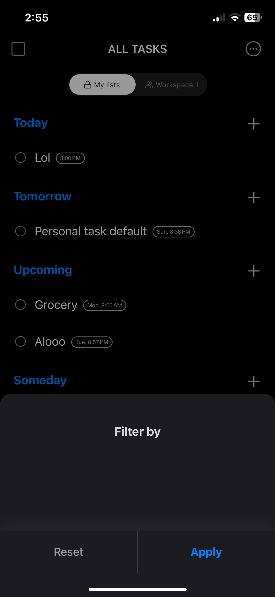
Category | Label | Value
Bug ID | ID number | #1
 | Name | Filter Tasks - Unable to filter tasks
 | Reporter | Omar Ali
 | Submit Date | 2023-11-25
Bug overview | Summary | When I try to filter the tasks, I get prompted to an empty list
 | URL | N/A
 | Screenshot | Right to the table
Environment | Platform | iPhone 12 Pro
 | Operating System | iOS 17.1.1
 | Browser | N/A
Bug details | Steps to reproduce | Home > All tasks > three dots on the top right corner > filter
 | Expected result | To be able to filter the tasks
 | Actual result | The filter types are empty
 | Description | /
Bug tracking | Severity | HIGH
 | Assigned to | /
 | Priority | MEDIUM
Notes | Notes | /

Bug 2
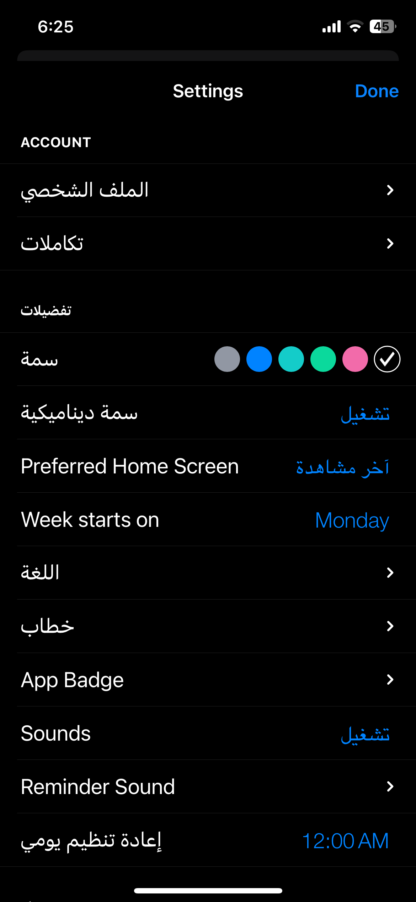
Category | Label | Value
Bug ID | ID number | #2
 | Name | Language - Not all words are change to arabic
 | Reporter | Omar Ali
 | Submit Date | 2023-11-25
Bug overview | Summary | When I change the language to arabic, not all the fields are changed
 | URL | N/A
 | Screenshot | On the right of the table
Environment | Platform | iPhone 12 Pro
 | Operating System | iOS 17.1.1
 | Browser | N/A
Bug details | Steps to reproduce | Go to settings > change the language to Arabic
 | Expected result | All fields to be in Arabic
 | Actual result | Some fields are changed to Arabic
 | Description | /
Bug tracking | Severity | Medium
 | Assigned to | /
 | Priority | Low
Notes | Notes | /

Bug 3

Category | Label | Value
Bug ID | ID number | #3
 | Name | Reset password - Unable to go back to the sign in page
 | Reporter | Omar Ali
 | Submit Date | 2023-11-25
Bug overview | Summary | When I reset the password, I have to restart the app to be able to sign in again
 | URL | N/A
 | Screenshot | On the right of the table
Environment | Platform | iPhone 12 Pro
 | Operating System | iOS 17.1.1
 | Browser | N/A
Bug details | Steps to reproduce | Sign in page > email > forget password
 | Expected result | To be able to go back and sign in again
 | Actual result | I have to restart the app - there's no back button
 | Description | /
Bug tracking | Severity | Medium
 | Assigned to | /
 | Priority | Low
Notes | Notes | /

Bug 7
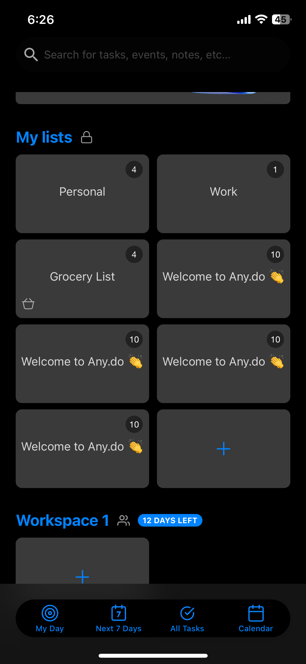
Category | Label | Value
Bug ID | ID number | #7
 | Name | Sign in/out default list added
 | Reporter | Omar Ali
 | Submit Date | 2023-11-25
Bug overview | Summary | When I sign out and in again in the same account, a default tips/examples list is added multiple times
 | URL | N/A
 | Screenshot | >>>>
Environment | Platform | iPhone 12 Pro
 | Operating System | iOS 17.1.1
 | Browser | N/A
Bug details | Steps to reproduce | Sign out > sign in > all tasks
 | Expected result | The tips/examples list to be added only once
 | Actual result | The tips/examples list was add 3 times = times the user signed out and in
 | Description | /
Bug tracking | Severity | MEDIUM
 | Assigned to | /
 | Priority | LOW
Notes | Notes | /

Bug 8
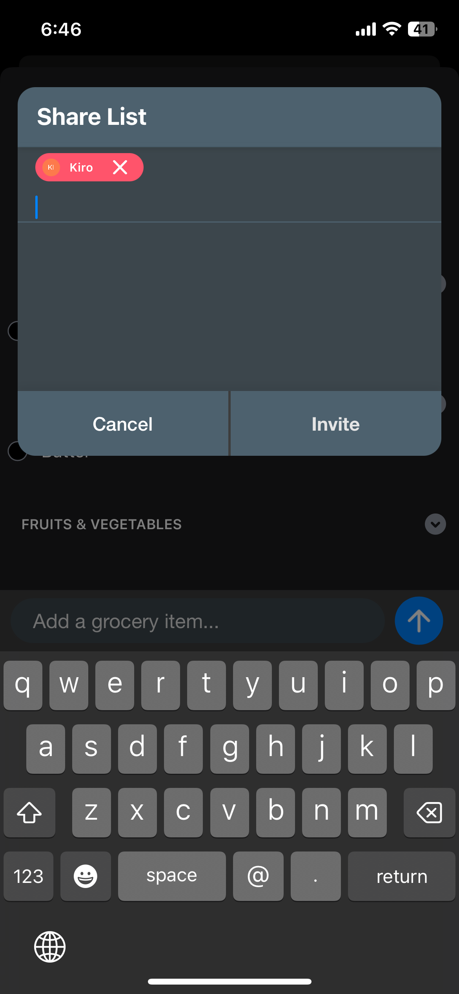
Category | Label | Value
Bug ID | ID number | #8
 | Name | Sharing Grocery list - Email contact indication
 | Reporter | Omar Ali
 | Submit Date | 2023-11-25
Bug overview | Summary | When I try to share my grocery list with a saved contact without an email address, I should be prompted to a message in dicating that, not just making the button dimmed
 | URL | N/A
 | Screenshot | >>>>>
Environment | Platform | iPhone 12 Pro
 | Operating System | iOS 17.1.1
 | Browser | N/A
Bug details | Steps to reproduce | Home > My lists > Any grocery list > invite a saved contact without an email.
 | Expected result | A message to be prompted to the user indicating why the invite is not working
 | Actual result | The invite button is just dimmed or not working
 | Description | /
Bug tracking | Severity | LOW
 | Assigned to | /
 | Priority | LOW
Notes | Notes | /

