Sheet1
1.Task Board

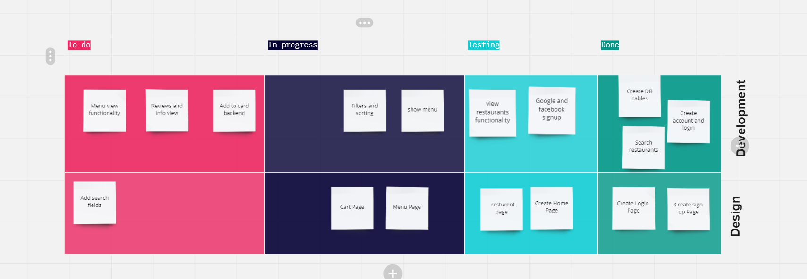

2.Burndown chart

Online Order App
 | Planned Hours | Actual Hours | Remaining Effort | Ideal Burndown
Start |  |  | 120 | 120
day 1 | 24 | 4.8 | 115.2 | 96
day 2 | 24 | 4.8 | 110.4 | 72
day 3 | 24 | 4.8 | 105.6 | 48
day 4 | 24 | 0 | 105.6 | 24
day 5 | 24 | 0 | 105.6 | 0
Feature | Initial Estimate | day 1 | day 2 | day 3 | day 4 | day 5 | Hours Left
Create Account | 15 | 8 | 7 | 0 | 0 | 0 | 0
View Restaurants | 40 | 8 | 8 | 8 | 0 | 0 | 16
Search Restaurants | 10 | 4 | 6 | 0 | 0 | 0 | 0
View Menu | 25 | 0 | 1 | 8 | 0 | 0 | 16
Add to Cart | 30 | 4 | 2 | 8 | 0 | 0 | 16

Settting | Start | day 1 | day 2 | day 3 | day 4 | day 5
Planned Hours |  | 24 | 24 | 24 | 24 | 24
Actual Hours |  | 4.8 | 4.8 | 4.8 | 0 | 0
Remaining Effort | 120 | 115.2 | 110.4 | 105.6 | 105.6 | 105.6
Ideal Burndown | 120 | 96 | 72 | 48 | 24 | 0

