Charts
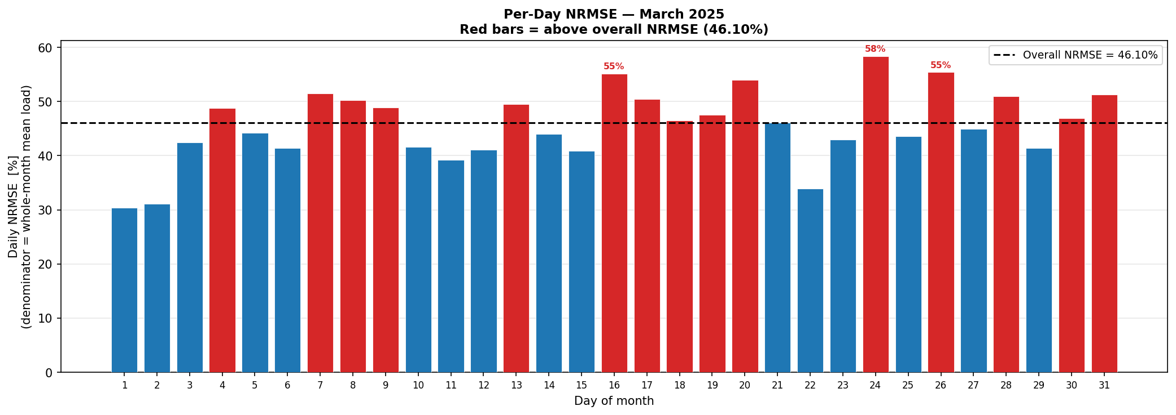
Forecast vs Actual — March 2025

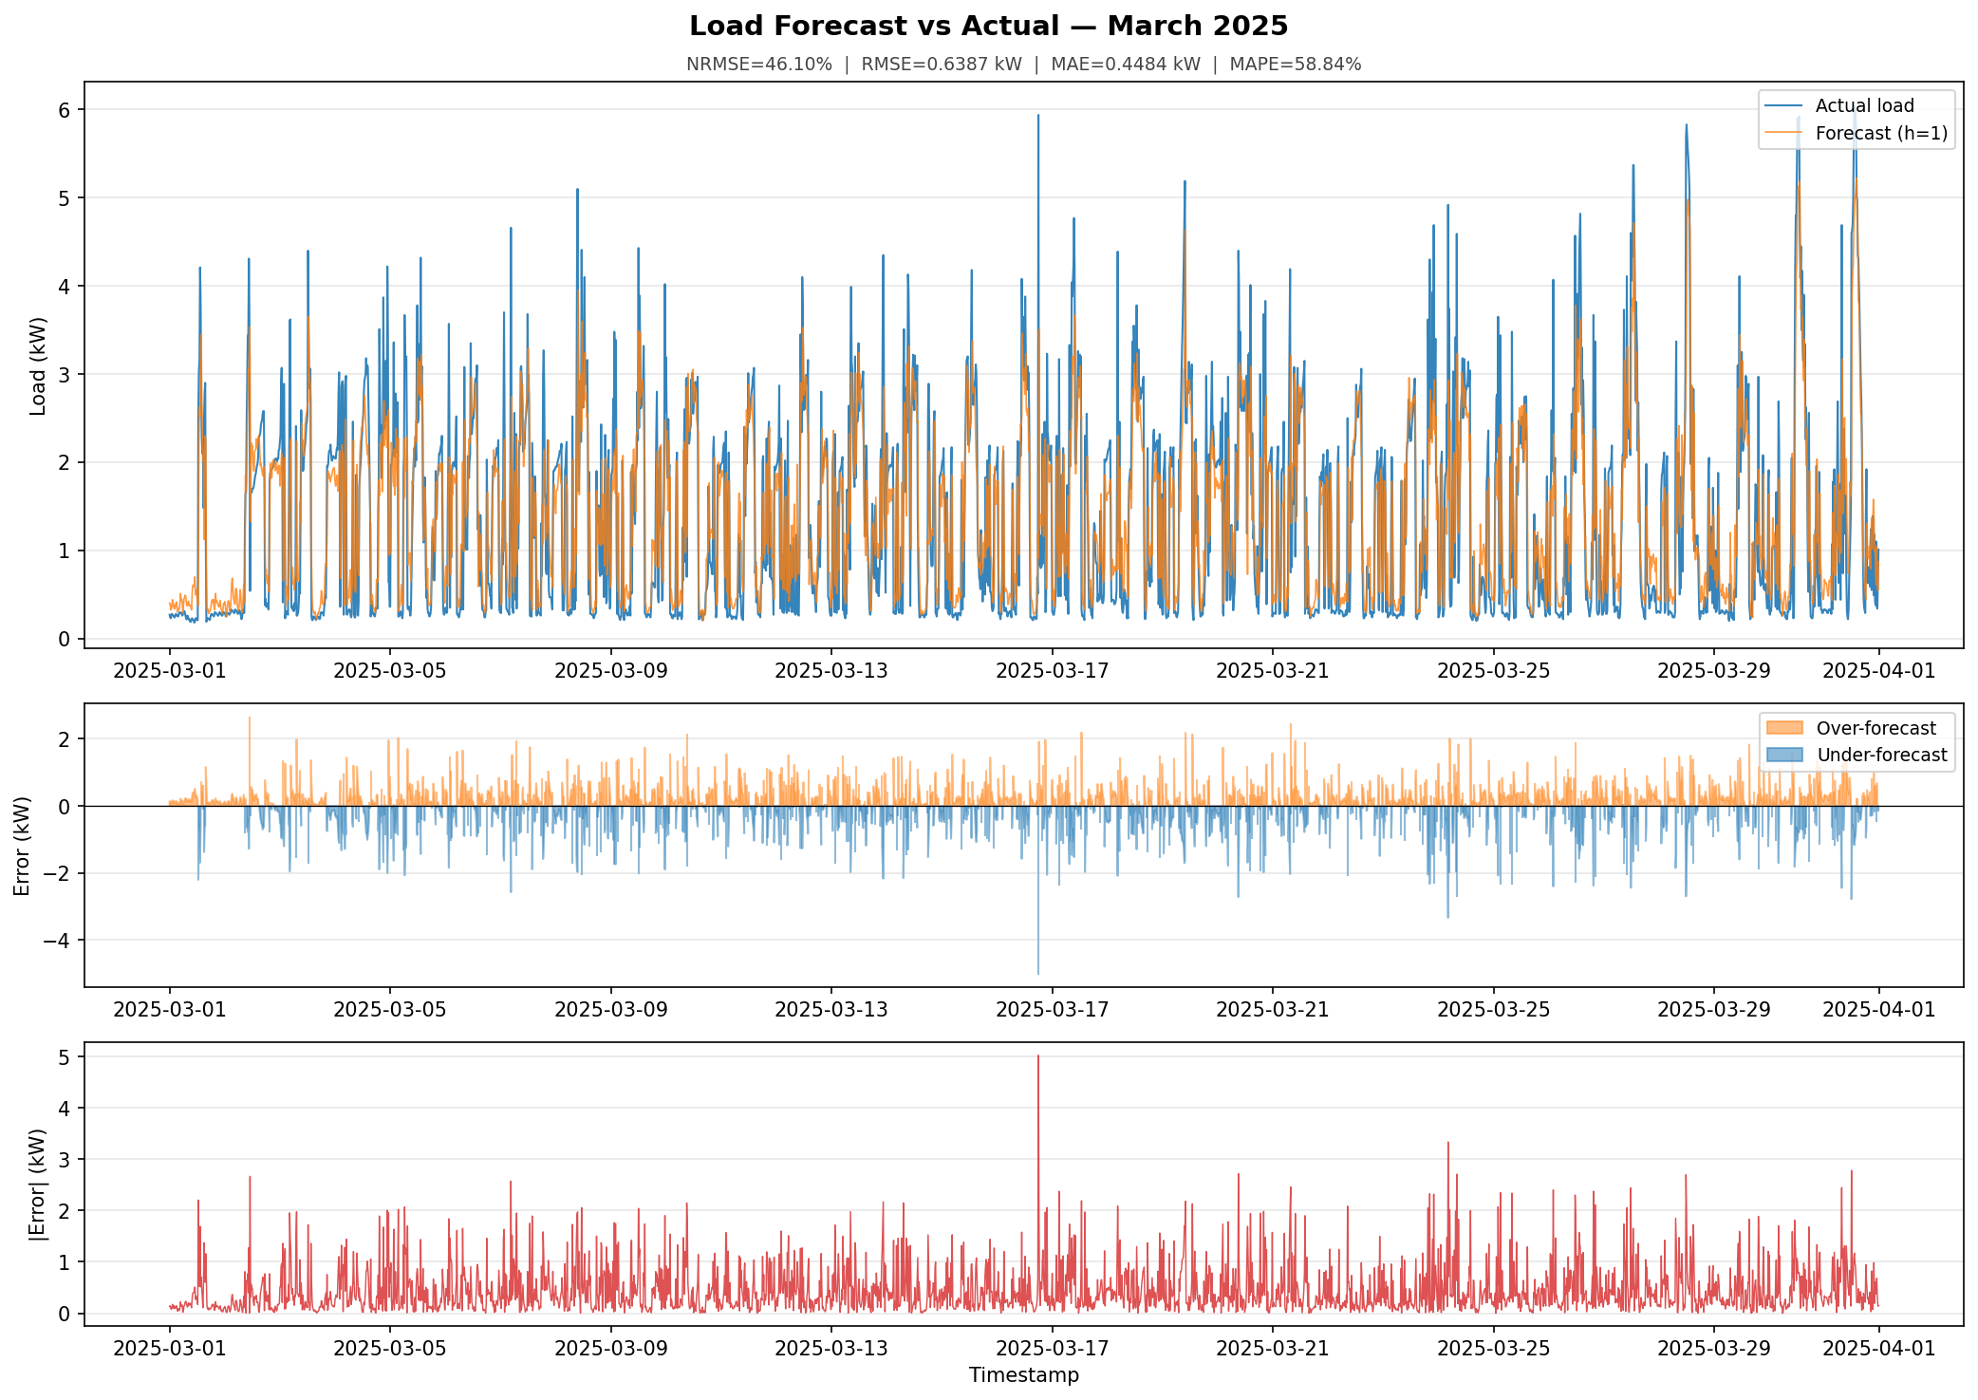

Error Distributions

Per-Day NRMSE (denominator = whole-month mean load)

