Charts
Forecast vs Actual — April 2025

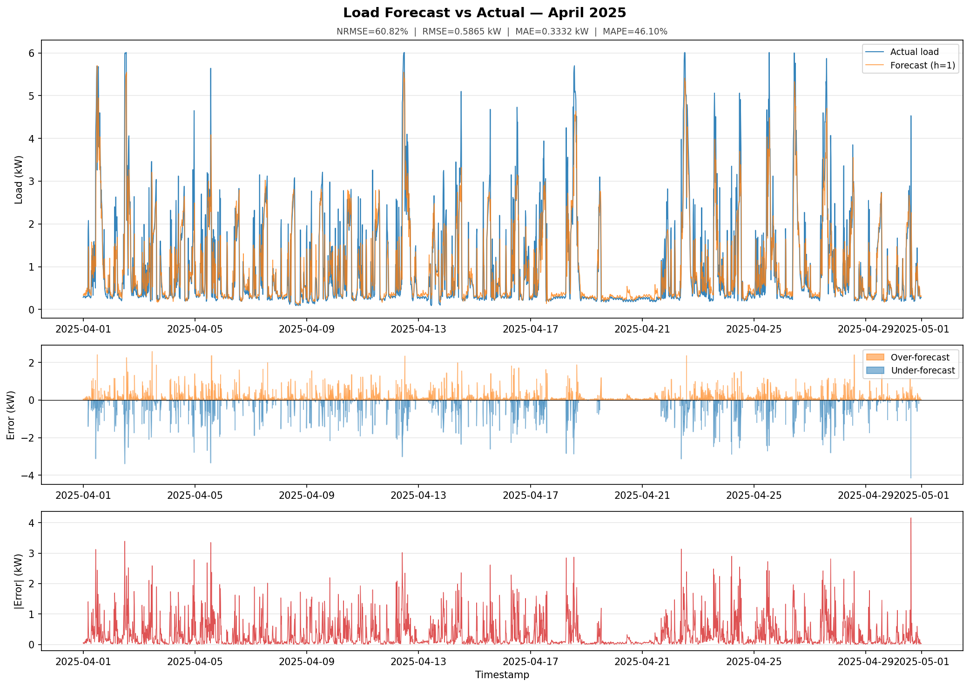

Error Distributions

