Charts
Forecast vs Actual — September 2025

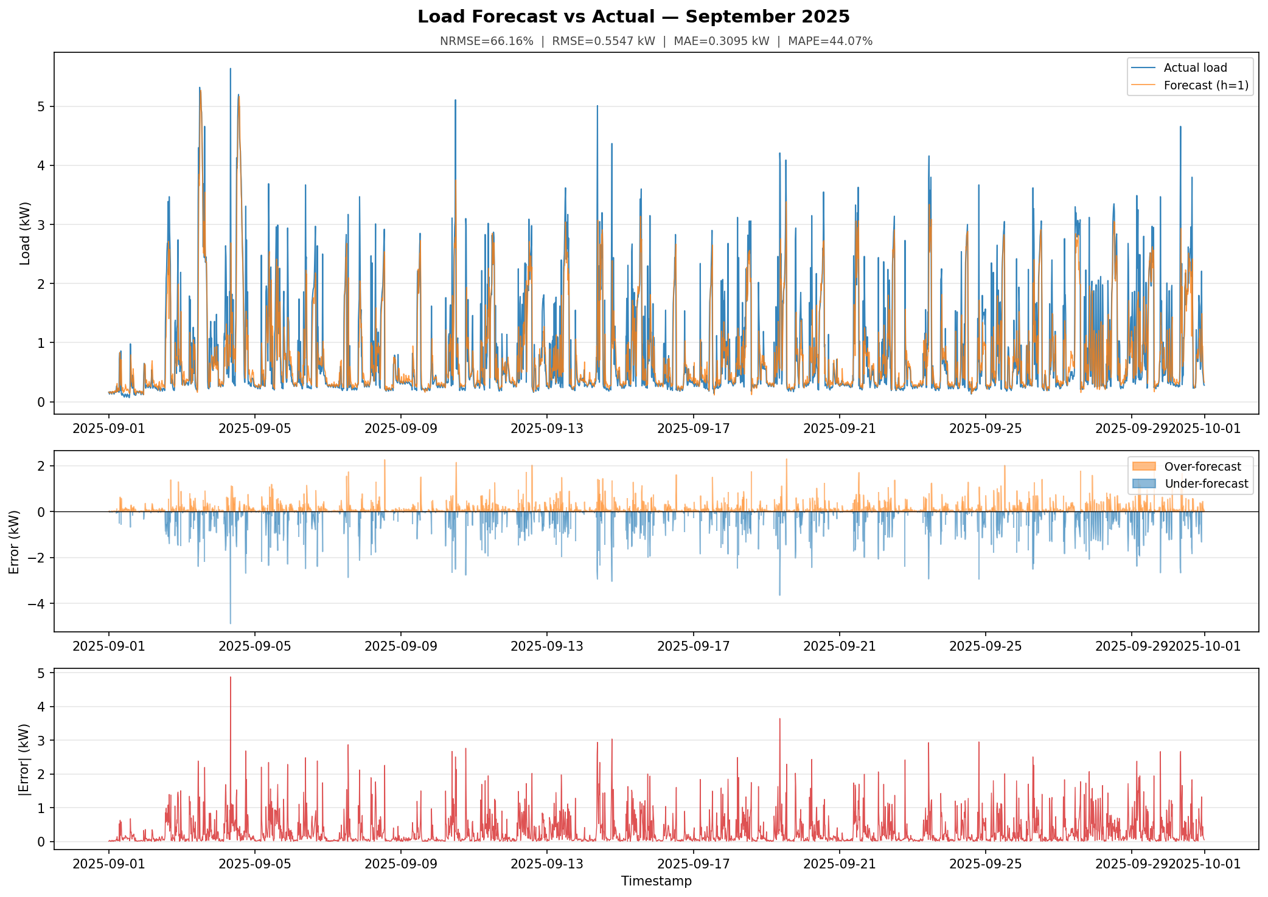

Error Distributions

