Sheet1
Extending Life by Controlling Chronic Diseases Winter 2019
Date | Name | Picture | Subject | Email | Class Room
2019-04-02 | Marius Wernig | 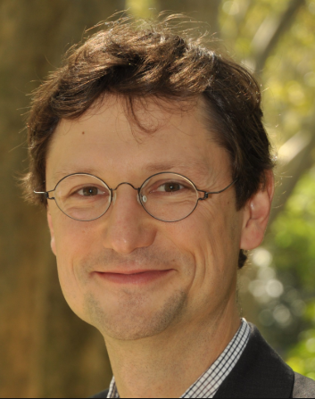 | Diabetes | tmclaugh@stanford.edu | LK120
2019-04-04 | Holden Maecker | 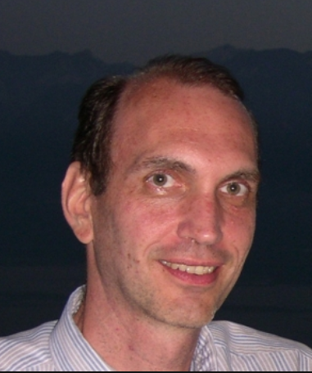 | Chronic Kidney Disease | vbhalla@stanford.edu | LK120
2019-04-09 | Holden Maecker |  | Diabetes | sunhkim@stanford.edu | LK120
2019-04-11 | Larry Steinman | 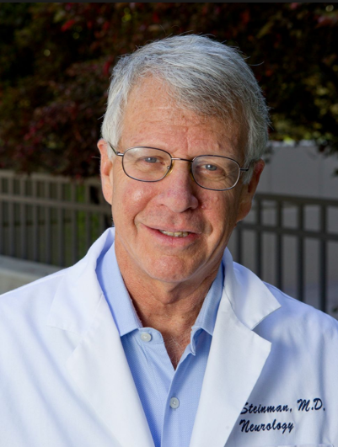 | Stroke | kandreas@stanford.edu | LK120
2019-04-16 | Irv Weisman | 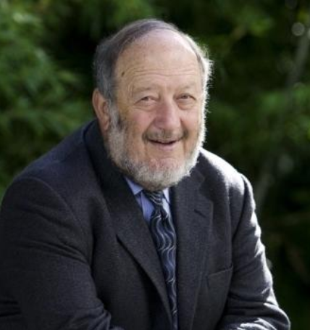 | A View of the Lymphatic System | robert.thorne@wisc.edu | LK101/102
2019-04-18 | Charlene Liao | 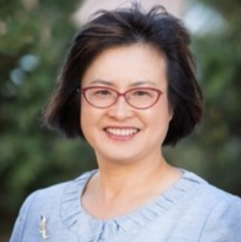 | A View of the Lymphatic System | robert.thorne@wisc.edu | LK101/102
2019-04-23 | Crystal Mackall | 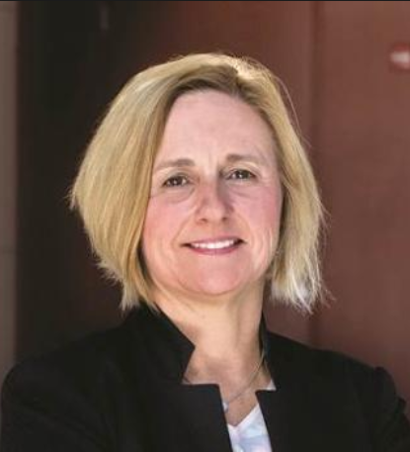 | Macular Degeneration | dianado@stanford.edu | LK308
2019-04-25 | Charlene Liao |  | Macular Degeneration | aparna.lakkaraju@ucsf.edu | LK101/102 | Aparna.Lakkaraju@ucsf.edu
2019-04-30 | 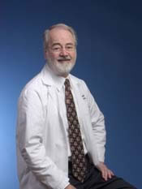 Frank Stockdale |  | CHD - Myokardia | snag@myokardia.com | LK308
2019-05-02 | Dan Jaroz | 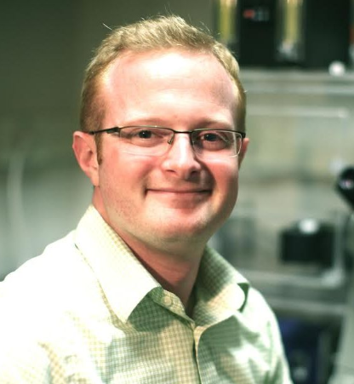 | CHD | kruppel@stanford.edu | ALWAYM106
2019-05-07 | Dan Jaroz |  | CHD - Cytokinetics | fmalik@cytokinetics.com | LK130
2019-05-09 | Irv Weissman |  | Diabetes | mpsnyder@stanford.edu | LK101/102
2019-05-14 | Irv Weisman |  | ALS | joelewcock@gmail.com | LK308
2019-05-16 | Michael Levitt | 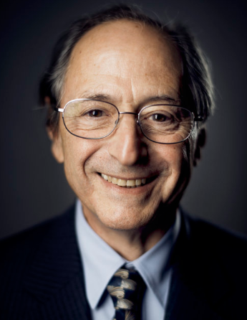 | ALS | agitler@stanford.edu | LK101/102
2019-05-21 | Roger Kornberg | 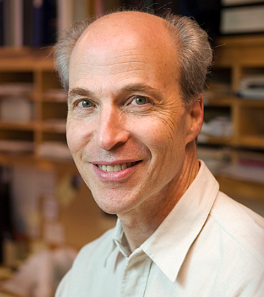 | Alzheimer's | dowdle@dnli.com | LK130
2019-05-23 | Jorg Goronzy | 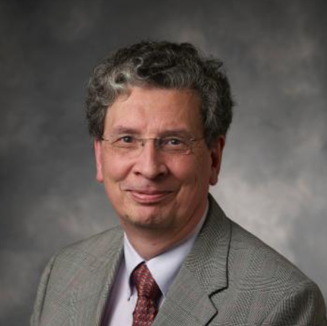 | Alzheimer's | Watts@dnli.com | ALWAYM106
2019-05-28 | Michael Bassik | 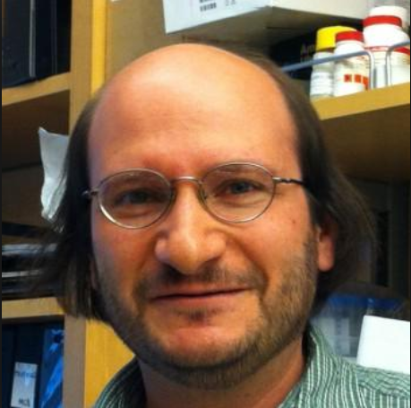 | Parkinson's | Henry@dnli.com | LK308
2019-05-30 | Michael Bassik |  | Ubiquitination | kopito@stanford.edu | ALWAYM106
2019-06-04
2019-06-06

