Sheet1
Extending Life by Controlling Chronic Diseases Winter 2019
Date | Name | Picture | Subject | Email | Class Room
2018-01-08 | Tracey Mclaughlin | 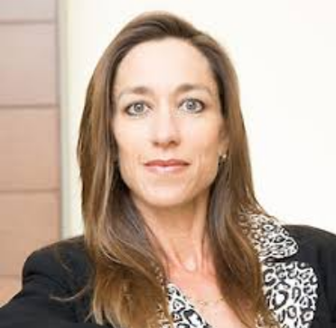 | Diabetes | tmclaugh@stanford.edu | ALWAYM112
2018-01-10 | Vivek Bhalla | 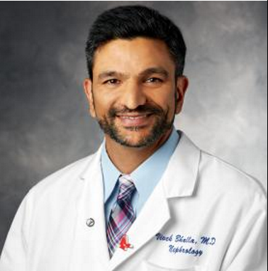 | Chronic Kidney Disease | vbhalla@stanford.edu | ALWAYM106
2018-01-15 | Sun Kim | 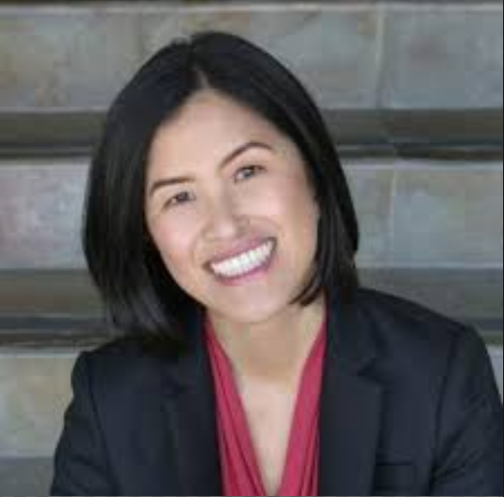 | Diabetes | sunhkim@stanford.edu | LK308
2018-01-17 | Katrin Andreasson | 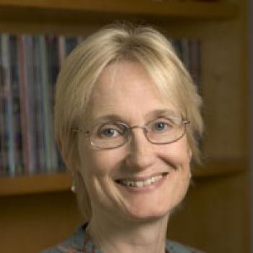 | Stroke | kandreas@stanford.edu | LK101/102
2018-01-22 | Robert Thorne | 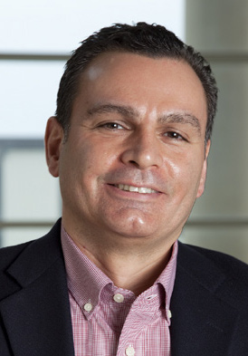 | A View of the Lymphatic System | robert.thorne@wisc.edu | LK101/102
2018-01-24 | Robert Thorne |  | A View of the Lymphatic System | robert.thorne@wisc.edu | LK101/102
2018-01-29 | Diana Do | 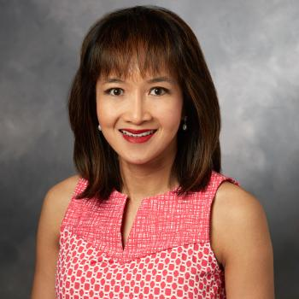 | Macular Degeneration | dianado@stanford.edu | LK308
2018-01-31 | Aparna Lakkaraju | 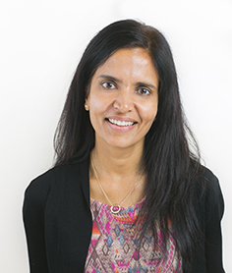 | Macular Degeneration | aparna.lakkaraju@ucsf.edu | LK101/102 | Aparna.Lakkaraju@ucsf.edu
2018-02-05 | Suman Nag | 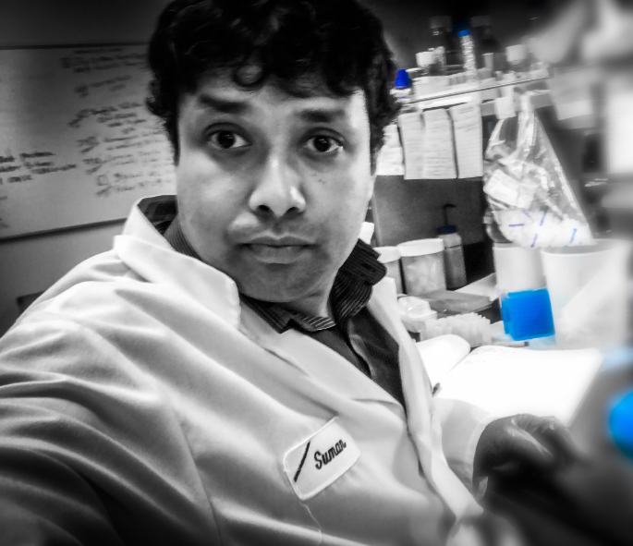 | CHD - Myokardia | snag@myokardia.com | LK308
2018-02-07 | Kathy Ruppel | 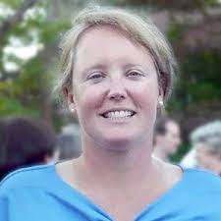 | CHD | kruppel@stanford.edu | ALWAYM106
2018-02-12 | Fady Malik | 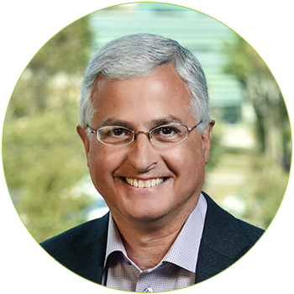 | CHD - Cytokinetics | fmalik@cytokinetics.com | LK130
2018-02-14 | Mike Snyder | 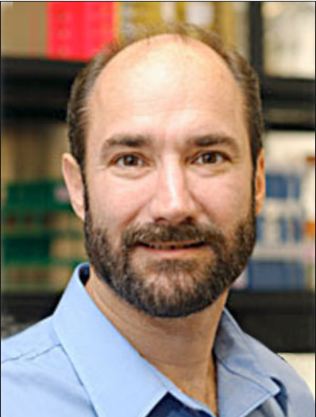 | Diabetes | mpsnyder@stanford.edu | LK101/102
2018-02-19 | Joe Lewcock | 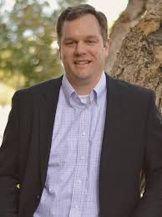 | ALS | joelewcock@gmail.com | LK308
2018-02-21 | Aaron Gitler | 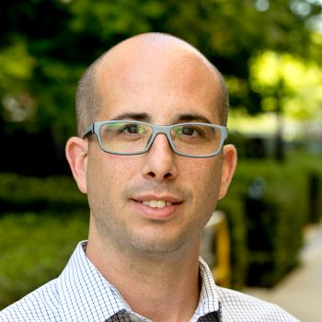 | ALS | agitler@stanford.edu | LK101/102
2018-02-26 | Bill Dowdle | 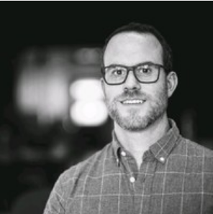 | Alzheimer's | dowdle@dnli.com | LK130
2018-02-28 | Joy Zuchero | 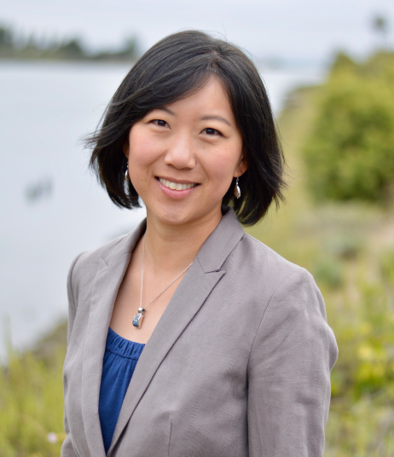 | Alzheimer's | Watts@dnli.com | ALWAYM106
2018-03-05 | Stacy Henry | 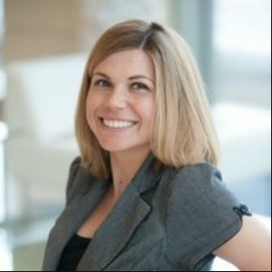 | Parkinson's | Henry@dnli.com | LK308
2018-03-07 | Ron Kopito | 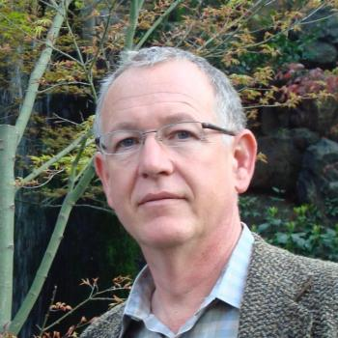 | Ubiquitination | kopito@stanford.edu | ALWAYM106
2018-03-12 | Emmanuel During | 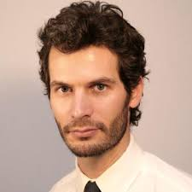 | Sleep | eduring@stanford.edu | LK101/102
2018-03-14 | Mitchell Miglis | 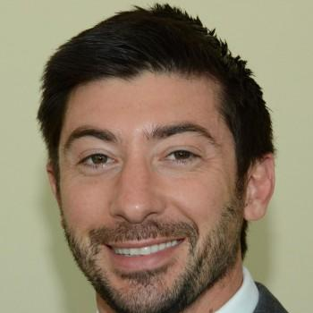 | Sleep | mmiglis@stanford.edu | LK101/102

