Table 1
ue szs+sass
UPI-SZ#9M7BMIW
uP
4BTazJzt
‹otak Account Statement 01 Dec 202S -31 Dec 202S Himanshu Singh Lovely Professional University Lovely Professional University Punjab - India |  |  |  | kotak Kotak Mahindra Bank .•cco<«Tyoc tsings 2 x ]mlsndi 2i c -honeN iher972BIOO893
 | Operñr@ Baize uR/sum+AxwAJ xnut/saui1osa+as/aA UPI/SHAl-tANE |  |  |  |  |  |  | sM0o sm.no _ |  | sm.no
s as o«<aus T OT Oec 202g @ JO Oec 202g u la oeczazs U JO Oec 202g M JT Oec 202g |  | 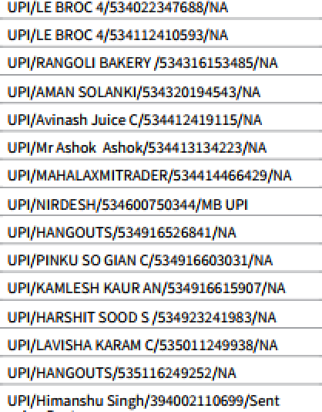 UPI/N tgTHEPN DEL 2H/5g40 lggay to uR/aH scoeeoR/szssizsisars/u UR/8AL<IaAT SINGu/sas‹1sa1s2ss/aA uR/aiuwzm /ssss1wiuzsz/xA UPI/L0\/ WEFTg |  |  |  | UP 42T21T2T |  | moo 4A0o imoo 3M0o zoi.no

us.zo mbo
af za neczazs uR/aaaat wavssszis+osaeyxA az za neczazs un/i-uaisorns/sssuss1zzsa/xA as zs neczazs uR/znsBus/sz‹uiaszzess/uauR 34 31 Oec 202g TrrLRd 7TT44.MJ-JO-202g êr+ 3 -U-2025 |  |  |  |  | UPf-536236J58623 |  |  | mbo zmoo
End of Statement Any discrepancy in the statement should be brought to the notice of Kotak fdahindra Bank Ltd. within one month from the date of receipt of the statement This is a system generated report and does not require signature and stamp.
 | Hausla hai toh
Contact Us 1860 266 0B11 (local call charges apply) |  |  | Branch Address Adjoining Sekhon Grand Namdev Chowk G.t. JaIandhar-144001, Punjab, India, 9728100393

Remember! Never share personal/sensitive information like PIN, CW, OTP or passwords with anyone. |  |  |  |  |  |  |  |  | Scan for more safe banking tips
Kotak Mahindra Bank Ltd.|CIN: L65110NH19B5PLCQ38137 Registered Office: 27 BKC, C 27, G lock, Bandra Kui4a Complex, Bandra (E), Numbai -400 051. www.kotaUbank.in
1he b rtaL
ink onuna n rMgN roe ra DW ,
tzargng4acñfties to Edft residents withprr nfses of dJsgropo ate/ &t
relzz s are pens rgr@ ages to rerrggdep•rz I furuJs in Rupees Jar
, e G e i 6 n egE ge
Geed*amdSerWesTaQGST),MMeagpñnabkmBs4MB6,i*IeñsdonWewaflsenño=ia .

 |  |  |  |  |  |  | UQ - Urñfied Pvt hare

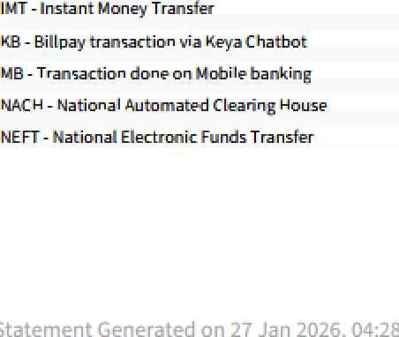

 |  |  |  |  |  |  | Up bad Arran - Bradeésting Term De asit

