Sheet1 (2)
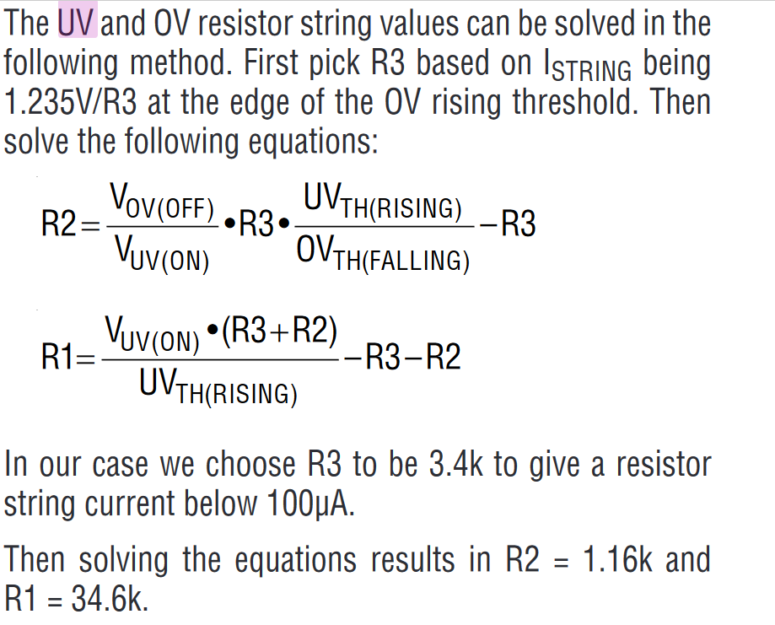
 |  |  |  |  |  | Nominal | 24 | V
x | c | R3 | 3400 | Ohm
y | b | R2 | 33272.489083 | Ohm |  | R3 | 14.7 | K
z | a | R1 | 750 | Ohm |  | Vref | 1.235 | V | 1,145
 |  |  |  |  |  | UVTH(RISING) | 1.235 | V
 |  |  |  |  |  | OVTH(FALLING) | 1.145 | V
 |  |  |  |  |  | VOV(OFF) | 11.000 | V
 |  |  |  |  |  | VOV(ON) | 12.000 | V | ??

 |  |  |  |  |  | R2 | 0.17

 |  |  |  | VFB(RISING) | 1.235 V
 |  |  |  | VFB(FALLING) | 1.145 V

 |  |  |  | R1 | 140.00 K |  | 200.00 K
 |  |  |  | R2 | 3.32 K |  | 1.20 K
 |  |  |  | R3 | 14.70 K |  | 10.00 K

 |  |  |  | VOV(ON) | 13.28 V |  | 26.08 V
 |  |  |  | VOV(OFF) | 12.31 V |  | 24.18 V
 |  |  |  | VUV(OFF) | 10.83 V | 1.48 | 23.29 V | 0.89
 |  |  |  | VUV(ON) | 10.04 V |  | 21.59 V
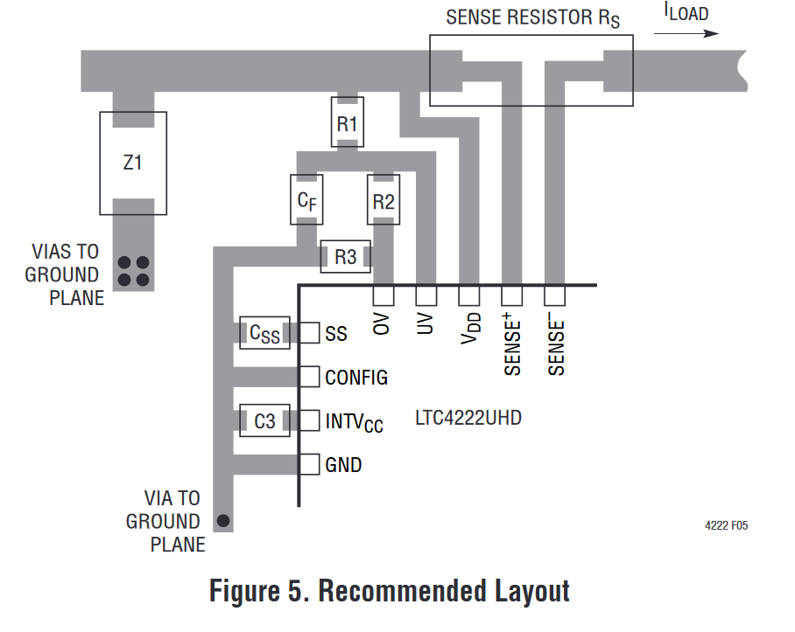
 |  |  |  | Vin | 12.000 V
 |  |  |  | UV | 1.368 V | 1
 |  |  |  | OV | 1.116 V | 0

 |  |  |  |  |  |  |  | 2.2
 |  |  |  |  |  |  |  | 3.9
 |  |  |  |  |  |  |  | 1.2
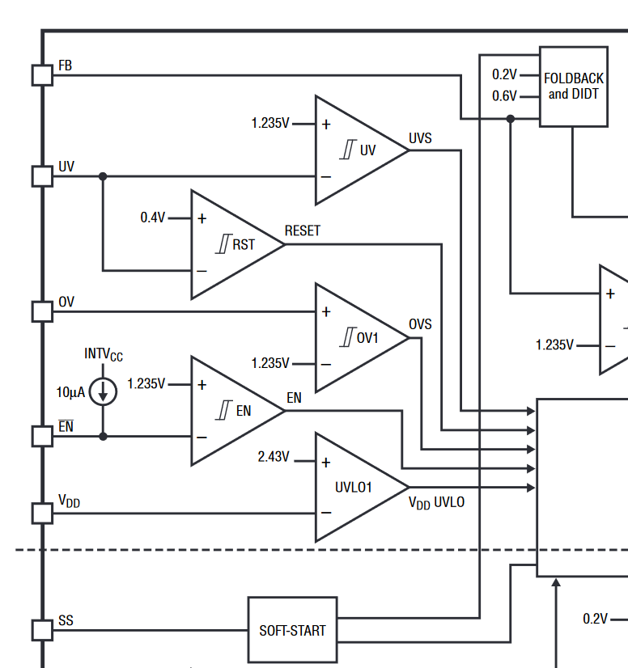
 |  |  |  |  |  |  |  | 10
 |  |  |  |  |  |  |  | 3
 |  |  |  |  |  |  |  | 12
 |  |  |  |  |  |  |  | 20

Sheet3
R7 | 20 | K
R8 | 1.2 | K
FBTH(RISING) | 1 | V | CONFIG, EN, FB, ON, OV and UV Input Threshold
VPWERGD(UP) | 21.818333333 | V
Target | 23 | V | 2.2 | Buck FB
 |  |  | 3.9 | Buck FB
R7 | 10 | K | 1.2 | PGOOD FB + Generic pull
R8 | 3.9 | K | 10
FBTH(RISING) | 1.235 | V | 3 | Ethernet switch ISET
VPWERGD(UP) | 4.4016666667 | V | 12 | USB RBIias
Target | 4.7 | V | 20 | 5V FB (2x)

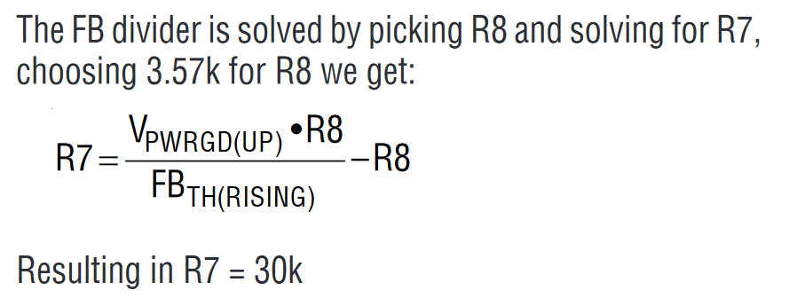
From Example 12V?????
R7 | 10.2 | K
R8 | 3.57 | K
FBTH(RISING) | 1 | V
VPWERGD(UP) | 4.7635714286 | V

From Example 3.3V?????
R7 | 4.99 | K
R8 | 3.57 | K
FBTH(RISING) | 1 | V
VPWERGD(UP) | 2.961232493 | V

Vin | 5 | V
Rtop | 10
Rbot | 2.2
Vout | 0.90163934426

