TestEnvironment
Title | Test Environment and Test Strategy
To Main
 | The following three sheets represent the performance metrics of HSS. They also involve the perfomance metrics of HSS when executed with Graphene-SGX. The benchmarking of HSS with Redis against HSS with Cassandra is done by capturing the diameter response time and is available in the "response_time". "sgx_stats" represents the SGX statistics of HSS when executed in Graphene-SGX. "perf_stat " represents the event counters captured for HSS using the perf-stat tool
Configuration | 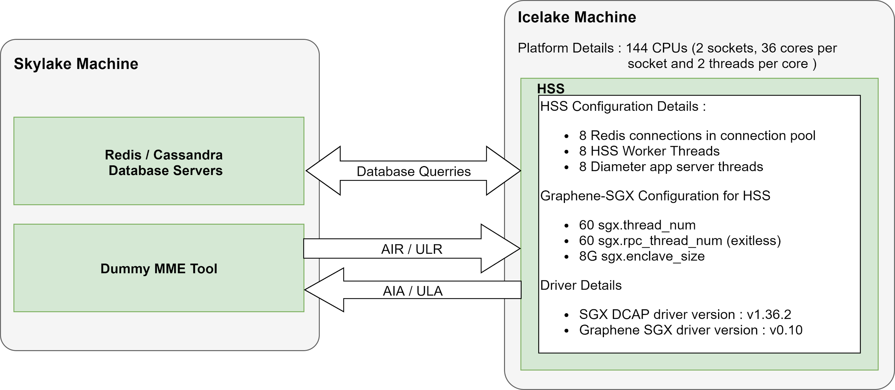 Configuration/Optimizations made: Note : Following configurations are required to achieve optimal performance. 1) Redis Client which is the part of the HSS is configured with 8 connections in the connection pool. These multiple connection help the worker threads of HSS to simulataneously place querries to Redis Server. Besides, the Redis client in HSS is designed to use the "pipe line" feature wherever possible. (Previously single connection was used) 2) Considering the number of cores on the Icelake machine, the diameter application threads that may simultaneously process the incoming messages are set to 8 (previously 4). 3) The HSS worker threads are set to 8 (previously 4). These threads process the messages provided by the diameter framework and communicate with the database. 4) When executing HSS in Graphene-SGX, enabling the exitless feature improves the overall perfomance. This improves the diameter response time of HSS. 5) When executing HSS in Graphene-SGX, setting the enclave size to 8G has resulted in stable execution of HSS without any unexpected crashes. 6) With the above thread configuration in point (2) and (3), HSS now requires approximately 55 threads (previously 45 to 47). Thus it is necessary to set the "sgx.thread_num" and "sgx.rpc_thread_num" to 60 to execute HSS in Graphene-SGX.
Platform Details | 1) Redis and Cassandra servers and the Dummy MME tool are executed on the Skylake machine. 2) HSS is executed on the Icelake machine. 3) Icelake machine has 144 CPUs (2 sockets, 36 cores per socket and 2 threads per core).
Driver Details | 1) SGX DCAP driver version : v1.36.2 2) Graphene SGX driver version : v0.10
Note | 1) HSS and Dummy MME exchange 10000 AIR/AIA and ULR/ULA during each performance capture. 2) Currently DB-persistance to disk is disabled in Redis while executing it in Graphene due to performance limitations. On the other hand, Cassandra persists the DB to disk.

