help
List of files
1 | pcode_data.xlsx | Standard PCode list arranged in multiple sheets. Read "settings" sheet in the file.
2 | pcode_help.xlsx | Help file. This file.
3 | PCoder_AddIn.xla | Add-In file to load for PCoding tool.
4 | pcode_menu_add_remove.xlsm | A file to add new menu Item for P-Coder

Preparing Standard Admin Names and P-Code list
pcode_data.xlsx | sheet names
 | settings | List of admin levels and display names. Keep the sheet name same as the name listed in the "settings" sheet otherwise program will not work. No space in the sheet name. Use the same sheet name to create tables in each sheet.
 | admin1_EN | Standard admin list for Governorate, four columns (SYRIA | SYRIA PCODE | GOV PCODE | GOV NAME). Create table with same name of the sheet.
 | admin2_EN | Standard admin list for District, four columns (GOV PCODE | GOV NAME | DISTRICT PCODE | DISTRICT NAME). Create table with same name of the sheet.
 | admin3_EN | Standard admin list for Sub-District, four columns (DISTRICT PCODE | DISTRICT NAME | SUBDISTRICT PCODE | SUBDISTRICT NAME). Create table with same name of the sheet.
 | admin4_EN | Standard admin list for Community, four columns (SUBDISTRICT PCODE | SUBDISTRICT NAME | COMMUNITY PCODE | COMMUNITY NAME). Create table with same name of the sheet.
 | admin1_AR | Standard admin list for Governorate, four columns (SYRIA | SYRIA PCODE | GOV PCODE | GOV NAME). Create table with same name of the sheet.
 | admin2_AR | Standard admin list for District, four columns (GOV PCODE | GOV NAME | DISTRICT PCODE | DISTRICT NAME). Create table with same name of the sheet.
 | admin3_AR | Standard admin list for Sub-District, four columns (DISTRICT PCODE | DISTRICT NAME | SUBDISTRICT PCODE | SUBDISTRICT NAME). Create table with same name of the sheet.
 | admin4_AR | Standard admin list for Community, four columns (SUBDISTRICT PCODE | SUBDISTRICT NAME | COMMUNITY PCODE | COMMUNITY NAME). Create table with same name of the sheet.
CREATE TABLES | ALL SHEETS | In each sheet, create tables for the list of standard names with headers - table name to be exactly same as sheet name as above
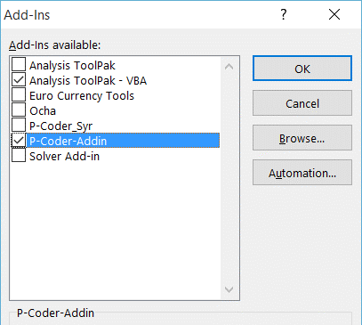
Loading P-Coder Add-In
1 |  | One time only for initial loading of Add-In
2 |  | File->Option->Add-Ins->Manage (Excel Add-Ins)->Go->Browse and select PCoder_AddIn.xla file
3 |  | Load it as Add-in and turn on the PCoder_AddIn Add-In
4 |  | Enable macros if not already enabled
 |  | In case of problem, unload add-in, close excel file and reopen it. Re-add the add-in.

Adding P-Coder Menu
1 | pcode_menu_add_remove.xlsm | Open this file to add or remove P-Coder menu item. It has two buttons 'Add P-Coder Menu' and 'Remove P-Coder Menu'
2 | Add P-Coder Menu | To add a menu item to access P-Coding tool added through Add-in, click this button. A P-Coder command should appear under 'ADD-INS' menu. Save and Close file. One time only.
3 | Remove P-Coder Menu | To remove a menu item accessing P-Coding tool, click this button. A P-Coder command should disappear from 'ADD-INS' menu. Save and Close file.

PCODE Matching Process
1 |  | After loading Add-In file, an 'ADD-INS' menu would be available.
2 |  | Open a data file to assign P-Code from the standard list.
3 |  | Click 'P-Coder' under 'ADD-INS' menu. A selection form will appear.
4 |  | Select appropriate matching level, admin level. Keep 'Interactive Matching' as a matching option.
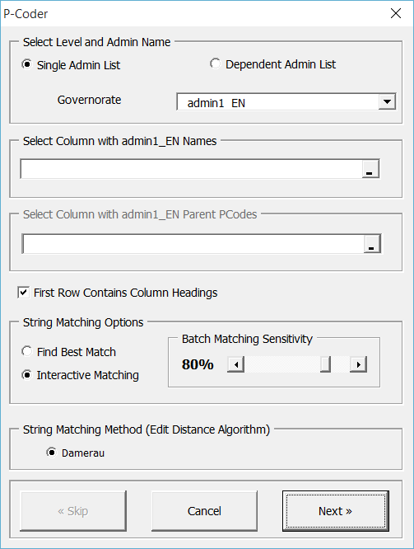
5 |  | Follow the process.

settings
EXAMPLE for pcode_data.xlsx file
Sheet names (same as admin level) | Display names in the form | Description | NumRows
admin1_EN | Governorate | Same as sheet name. This name is used to load in the form. | 15
admin2_EN | District | Same as sheet name. This name is used to load in the form. | 63
admin3_EN | SubDistrict | Same as sheet name. This name is used to load in the form. | 1
admin4_EN | Community | Same as sheet name. This name is used to load in the form. | 1
admin1_AR | المحافظة | نفس الاسم المكتوب في الصفحة.هذا الاسم يستخدم ليتم تحميله في نموذج ادخال البيانات | 1
admin2_AR | المنطقة | نفس الاسم المكتوب في الصفحة.هذا الاسم يستخدم ليتم تحميله في نموذج ادخال البيانات | 1
admin3_AR | الناحية | نفس الاسم المكتوب في الصفحة.هذا الاسم يستخدم ليتم تحميله في نموذج ادخال البيانات | 1
admin4_AR | تجمع سكاني | نفس الاسم المكتوب في الصفحة.هذا الاسم يستخدم ليتم تحميله في نموذج ادخال البيانات | 1
admin5_EN | Neighbourhood | Same as sheet name. This name is used to load in the form. | 1

admin1_EN
admin0_PCODE | admin0_EN | admin1_PCODE | admin1_EN
SY | Syria | SY01 | Damascus
SY | Syria | SY02 | Aleppo
EXAMPLE for pcode_data.xlsx file
SY | Syria | SY03 | Rural Damascus
SY | Syria | SY04 | Homs
SY | Syria | SY05 | Hama
SY | Syria | SY06 | Lattakia
SY | Syria | SY07 | Idleb
SY | Syria | SY08 | Al-Hasakeh
SY | Syria | SY09 | Deir-ez-Zor
SY | Syria | SY10 | Tartous
SY | Syria | SY11 | Ar-Raqqa
SY | Syria | SY12 | Dar'a
SY | Syria | SY13 | As-Sweida
SY | Syria | SY14 | Quneitra

admin2_EN
EXAMPLE for pcode_data.xlsx file
admin1Pcode | admin1Name_en | admin2Pcode | admin2Name_en
SY01 | Damascus | SY0100 | Damascus
SY02 | Aleppo | SY0200 | Jebel Saman
SY02 | Aleppo | SY0202 | Al Bab
SY02 | Aleppo | SY0203 | Afrin
SY02 | Aleppo | SY0204 | A'zaz
SY02 | Aleppo | SY0205 | Menbij
SY02 | Aleppo | SY0206 | Ain Al Arab
SY02 | Aleppo | SY0207 | As-Safira
SY02 | Aleppo | SY0208 | Jarablus
SY03 | Rural Damascus | SY0301 | Rural Damascus
SY03 | Rural Damascus | SY0302 | Duma
SY03 | Rural Damascus | SY0303 | Al Qutayfah
SY03 | Rural Damascus | SY0304 | At Tall
SY03 | Rural Damascus | SY0305 | Yabroud
SY03 | Rural Damascus | SY0306 | An Nabk
SY03 | Rural Damascus | SY0307 | Az-Zabdani
SY03 | Rural Damascus | SY0308 | Qatana
SY03 | Rural Damascus | SY0309 | Darayya
SY04 | Homs | SY0401 | Homs
SY04 | Homs | SY0402 | Al-Qusayr
SY04 | Homs | SY0403 | Tall Kalakh
SY04 | Homs | SY0404 | Ar-Rastan
SY04 | Homs | SY0405 | Tadmor
SY04 | Homs | SY0406 | Al Makhrim
SY05 | Hama | SY0501 | Hama
SY05 | Hama | SY0502 | As-Suqaylabiyah
SY05 | Hama | SY0503 | As-Salamiyeh
SY05 | Hama | SY0504 | Masyaf
SY05 | Hama | SY0505 | Muhradah
SY06 | Lattakia | SY0600 | Lattakia
SY06 | Lattakia | SY0602 | Jablah
SY06 | Lattakia | SY0603 | Al-Haffa
SY06 | Lattakia | SY0604 | Al-Qardaha
SY07 | Idleb | SY0700 | Idleb
SY07 | Idleb | SY0702 | Al Ma'ra
SY07 | Idleb | SY0703 | Harim
SY07 | Idleb | SY0704 | Jisr-Ash-Shugur
SY07 | Idleb | SY0705 | Ariha
SY08 | Al-Hasakeh | SY0800 | Al-Hasakeh
SY08 | Al-Hasakeh | SY0802 | Quamishli
SY08 | Al-Hasakeh | SY0803 | Al-Malikeyyeh
SY08 | Al-Hasakeh | SY0804 | Ras Al Ain
SY09 | Deir-ez-Zor | SY0901 | Deir-ez-Zor
SY09 | Deir-ez-Zor | SY0902 | Abu Kamal
SY09 | Deir-ez-Zor | SY0903 | Al Mayadin
SY10 | Tartous | SY1000 | Tartous
SY10 | Tartous | SY1006 | Qadmous
SY10 | Tartous | SY1003 | Safita
SY10 | Tartous | SY1004 | Dreikish
SY10 | Tartous | SY1005 | Sheikh Badr
SY11 | Ar-Raqqa | SY1101 | Ar-Raqqa
SY11 | Ar-Raqqa | SY1102 | Tell Abiad
SY11 | Ar-Raqqa | SY1103 | Ath-Thawrah
SY12 | Dar'a | SY1200 | Dar'a
SY12 | Dar'a | SY1202 | As-Sanamayn
SY12 | Dar'a | SY1203 | Izra'
SY13 | As-Sweida | SY1300 | As-Sweida
SY13 | As-Sweida | SY1302 | Salkhad
SY13 | As-Sweida | SY1303 | Shahba
SY14 | Quneitra | SY1400 | Quneitra
SY14 | Quneitra | SY1402 | Al Fiq
SY10 | Tartous | SY1002 | Banyas

