Percentiles of Wealth
This file presents data that supplement CBO's August 2016 report Trends in Family Wealth, 1989 to 2013.
www.cbo.gov/publication/51846

Percentiles of Wealth, by Year
2013 Dollars

 | 1989 | 1992 | 1995 | 1998 | 2001 | 2004 | 2007 | 2010 | 2013
5th | -1,000 | -2,000 | -2,000 | -4,000 | -2,000 | -3,000 | -5,000 | -16,000 | -19,000
10th | 0 | 0 | 0 | 0 | 0 | 0 | 0 | -1,000 | -2,000
15th | 1,000 | 2,000 | 3,000 | 2,000 | 3,000 | 3,000 | 3,000 | 1,000 | 1,000
20th | 4,000 | 5,000 | 7,000 | 7,000 | 9,000 | 8,000 | 8,000 | 5,000 | 4,000
25th | 9,000 | 11,000 | 14,000 | 13,000 | 16,000 | 16,000 | 16,000 | 9,000 | 9,000
30th | 17,000 | 19,000 | 23,000 | 24,000 | 29,000 | 28,000 | 29,000 | 16,000 | 15,000
35th | 29,000 | 30,000 | 34,000 | 37,000 | 44,000 | 45,000 | 48,000 | 27,000 | 24,000
40th | 43,000 | 43,000 | 48,000 | 54,000 | 63,000 | 63,000 | 72,000 | 42,000 | 38,000
45th | 60,000 | 57,000 | 64,000 | 73,000 | 86,000 | 85,000 | 100,000 | 61,000 | 59,000
50th | 78,000 | 75,000 | 81,000 | 97,000 | 110,000 | 112,000 | 134,000 | 82,000 | 81,000
55th | 101,000 | 93,000 | 100,000 | 122,000 | 140,000 | 149,000 | 172,000 | 111,000 | 111,000
60th | 129,000 | 118,000 | 123,000 | 149,000 | 177,000 | 186,000 | 219,000 | 147,000 | 148,000
65th | 161,000 | 147,000 | 148,000 | 182,000 | 225,000 | 233,000 | 270,000 | 190,000 | 193,000
70th | 194,000 | 177,000 | 180,000 | 227,000 | 290,000 | 301,000 | 332,000 | 250,000 | 247,000
75th | 245,000 | 222,000 | 227,000 | 282,000 | 365,000 | 395,000 | 413,000 | 319,000 | 317,000
80th | 314,000 | 278,000 | 278,000 | 369,000 | 481,000 | 523,000 | 550,000 | 441,000 | 429,000
85th | 410,000 | 355,000 | 364,000 | 480,000 | 628,000 | 710,000 | 726,000 | 615,000 | 621,000
90th | 610,000 | 538,000 | 538,000 | 665,000 | 945,000 | 1,001,000 | 1,008,000 | 1,011,000 | 942,000
95th | 1,150,000 | 1,004,000 | 964,000 | 1,214,000 | 1,668,000 | 1,714,000 | 2,105,000 | 1,978,000 | 1,872,000

 |  | 1990-1992 | 1993-1995 | 1996-1998 | 2000-2001 | 2002-2004 | 2005-2007 | 2008-2010 | 2011-2013
 | avg growth of top 5% wealth | -4 | -1 | 8 | 11 | 1 | 7 | -2 | -2
 | real interest rates | 2 | 2 | 4 | 3 | -1 | 1 | -1 | -2

Source: Congressional Budget Office, using data from the Survey of Consumer Finances, supplemented with data from the Forbes magazine list of the nation's 400 wealthiest people.

The Survey of Consumer Finances is conducted every three years.

Exhibit 1
This file presents data that supplement CBO's August 2016 report Trends in Family Wealth, 1989 to 2013.
www.cbo.gov/publication/51846

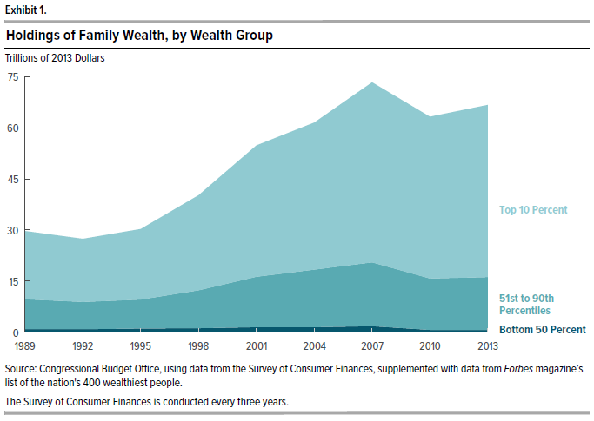
Exhibit 1.
Holdings of Family Wealth, by Wealth Group
Trillions of 2013 dollars

 | Bottom 50 percent | 51st to 90th Percentiles | Top 10 percent
1989 | 1 | 9 | 20
1992 | 1 | 8 | 19
1995 | 1 | 8 | 21
1998 | 1 | 11 | 28
2001 | 2 | 15 | 39
2004 | 2 | 17 | 43
2007 | 2 | 19 | 53
2010 | 1 | 15 | 47
2013 | 1 | 15 | 51

Source: Congressional Budget Office, using data from the Survey of Consumer Finances, supplemented with data from Forbes magazine's list of the nation's 400 wealthiest people.

The Survey of Consumer Finances is conducted every three years.

Exhibit 2
This file presents data that supplement CBO's August 2016 report Trends in Family Wealth, 1989 to 2013.
www.cbo.gov/publication/51846

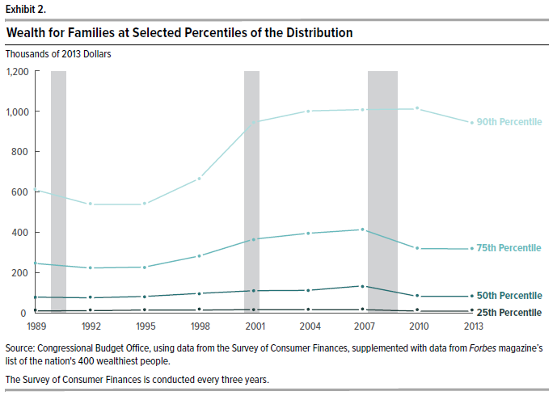
Exhibit 2.
Wealth for Families at Selected Percentiles of the Distribution
Thousands of 2013 Dollars

 | 25th Percentile | 50th Percentile | 75th Percentile | 90th Percentile
1989 | 9 | 78 | 245 | 610
1992 | 11 | 75 | 222 | 538
1995 | 14 | 81 | 227 | 538
1998 | 13 | 97 | 282 | 665
2001 | 16 | 110 | 365 | 945
2004 | 16 | 112 | 395 | 1001
2007 | 16 | 134 | 413 | 1008
2010 | 9 | 82 | 319 | 1011
2013 | 9 | 81 | 317 | 942

Source: Congressional Budget Office, using data from the Survey of Consumer Finances, supplemented with data from Forbes magazine's list of the nation's 400 wealthiest people.

The Survey of Consumer Finances is conducted every three years.

Exhibit 3
This file presents data that supplement CBO's August 2016 report Trends in Family Wealth, 1989 to 2013.
www.cbo.gov/publication/51846

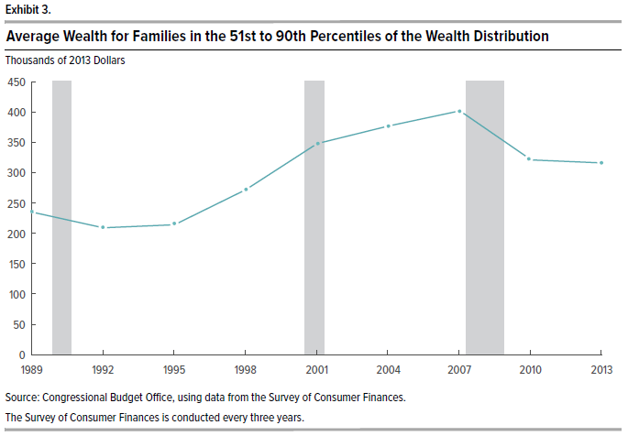
Exhibit 3.
Average Wealth for Families in the 51st to 90th Percentiles of the Wealth Distribution
Thousands of 2013 Dollars

1989 | 235
1992 | 209
1995 | 214
1998 | 272
2001 | 348
2004 | 377
2007 | 402
2010 | 320
2013 | 316

Source: Congressional Budget Office, using data from the Survey of Consumer Finances.

The Survey of Consumer Finances is conducted every three years.

Exhibit 4
This file presents data that supplement CBO's August 2016 report Trends in Family Wealth, 1989 to 2013.
www.cbo.gov/publication/51846

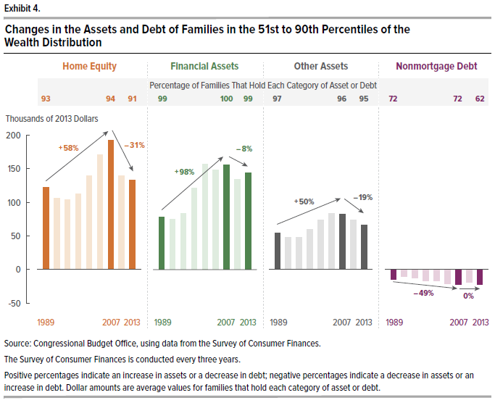
Exhibit 4.
Changes in the Assets and Debt of Families in the 51st to 90th Percentiles of the Wealth Distribution

 | Average Value Among Families That Hold Each Category of Asset or Debt (Thousands of 2013 Dollars) | Percentage of Families That Hold Each Category of Asset or Debt | Percentage Change in Average Values From 1989 to 2007 | Percentage Change in Average Values From 2007 to 2013
 | Home Equity
1989 | 122 | 93
1992 | 106 | 89
1995 | 104 | 90
1998 | 112 | 91
2001 | 140 | 93
2004 | 171 | 94
2007 | 192 | 94 | 58
2010 | 139 | 92
2013 | 133 | 91 |  | -31

 | Financial Assets
1989 | 78 | 99
1992 | 75 | 98
1995 | 83 | 99
1998 | 122 | 99
2001 | 157 | 99
2004 | 148 | 100
2007 | 156 | 100 | 98
2010 | 134 | 99
2013 | 144 | 99 |  | -8%

 | Other Assets
1989 | 54 | 97
1992 | 48 | 95
1995 | 48 | 94
1998 | 60 | 93
2001 | 74 | 96
2004 | 83 | 96
2007 | 82 | 96 | 50
2010 | 74 | 96
2013 | 66 | 95 |  | -19

 | Debt
1989 | -14 | 72
1992 | -10 | 70
1995 | -12 | 70
1998 | -16 | 69
2001 | -17 | 68
2004 | -20 | 73
2007 | -21 | 72 | -49
2010 | -19 | 71
2013 | -21 | 62 |  | 0

Source: Congressional Budget Office, using data from the Survey of Consumer Finances.

The Survey of Consumer Finances is conducted every three years.

Positive percentages indicate an increase in assets or a decrease in debt; negative percentages indicate a decrease in assets or an increase in debt. Dollar amounts are average values for families that hold each category of asset or debt.

Exhibit 5
This file presents data that supplement CBO's August 2016 report Trends in Family Wealth, 1989 to 2013.
www.cbo.gov/publication/51846

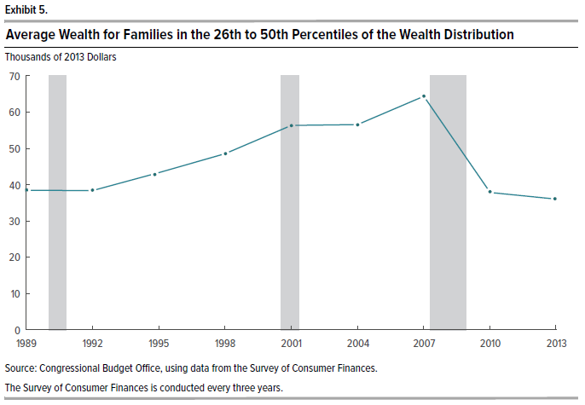
Exhibit 5.
Average Wealth for Families in the 26th to 50th Percentiles of the Wealth Distribution
Thousands of 2013 Dollars

1989 | 38
1992 | 38
1995 | 43
1998 | 49
2001 | 56
2004 | 57
2007 | 64
2010 | 38
2013 | 36

Source: Congressional Budget Office, using data from the Survey of Consumer Finances.

The Survey of Consumer Finances is conducted every three years.

Exhibit 6
This file presents data that supplement CBO's August 2016 report Trends in Family Wealth, 1989 to 2013.
www.cbo.gov/publication/51846

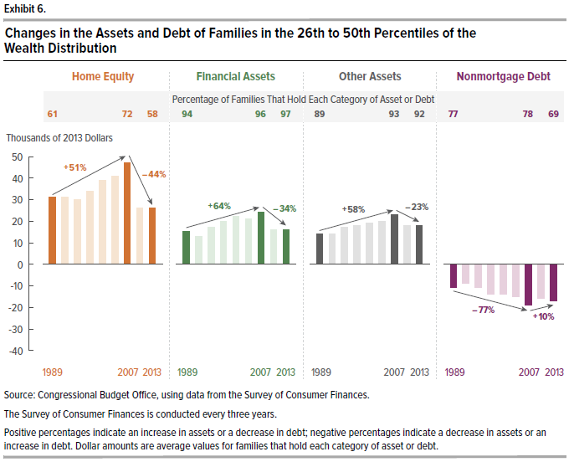
Exhibit 6.
Changes in the Assets and Debt of Families in the 26th to 50th Percentiles of the Wealth Distribution

 | Average Value Among Families That Hold Each Category of Asset or Debt (Thousands of 2013 Dollars) | Percentage of Families That Hold Each Category of Asset or Debt | Percentage Change in Average Values From 1989 to 2007 | Percentage Change in Average Values From 2007 to 2013
 | Home Equity
1989 | 31 | 61
1992 | 31 | 64
1995 | 30 | 64
1998 | 34 | 67
2001 | 39 | 70
2004 | 41 | 71
2007 | 47 | 72 | 51
2010 | 26 | 61
2013 | 26 | 58 |  | -44

 | Financial Assets
1989 | 15 | 94
1992 | 13 | 92
1995 | 17 | 95
1998 | 20 | 95
2001 | 22 | 97
2004 | 21 | 96
2007 | 24 | 96 | 64
2010 | 16 | 96
2013 | 16 | 97 |  | -34

 | Other Assets
1989 | 14 | 89
1992 | 14 | 90
1995 | 17 | 90
1998 | 18 | 89
2001 | 19 | 88
2004 | 20 | 91
2007 | 23 | 93 | 58
2010 | 18 | 92
2013 | 18 | 92 |  | -23

 | Debt
1989 | -11 | 77
1992 | -9 | 77
1995 | -11 | 79
1998 | -14 | 78
2001 | -14 | 77
2004 | -15 | 81
2007 | -19 | 78 | -77
2010 | -16 | 76
2013 | -17 | 69 |  | 10

Source: Congressional Budget Office, using data from the Survey of Consumer Finances.

The Survey of Consumer Finances is conducted every three years.

Positive percentages indicate an increase in assets or a decrease in debt; negative percentages indicate a decrease in assets or an increase in debt. Dollar amounts are average values for families that hold each category of asset or debt.

Exhibit 7
This file presents data that supplement CBO's August 2016 report Trends in Family Wealth, 1989 to 2013.
www.cbo.gov/publication/51846

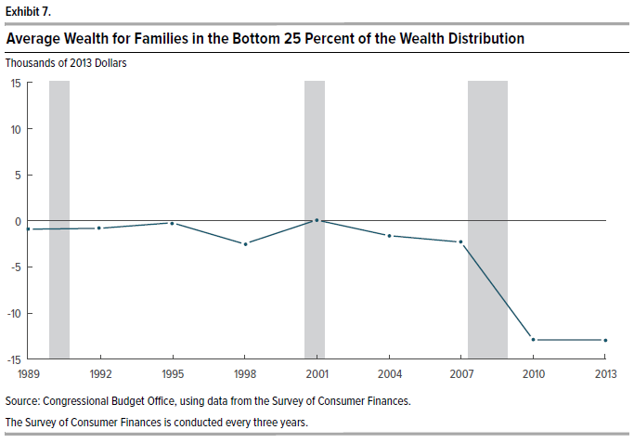
Exhibit 7.
Average Wealth for Families in the Bottom 25 Percent of the Wealth Distribution
Thousands of 2013 Dollars

1989 | -1
1992 | -1
1995 | 0
1998 | -2
2001 | 0
2004 | -2
2007 | -2
2010 | -13
2013 | -13

Source: Congressional Budget Office, using data from the Survey of Consumer Finances.

The Survey of Consumer Finances is conducted every three years.

Exhibit 8
This file presents data that supplement CBO's August 2016 report Trends in Family Wealth, 1989 to 2013.
www.cbo.gov/publication/51846

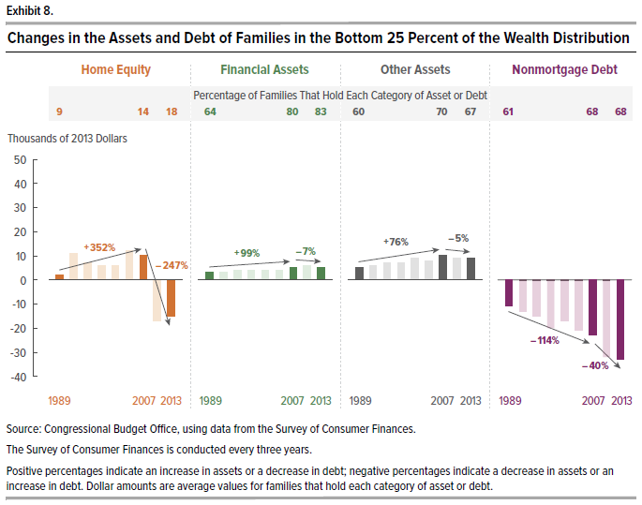
Exhibit 8.
Changes in the Assets and Debt of Families in the Bottom 25 Percent of the Wealth Distribution

 | Average Value Among Families That Hold Each Category of Asset or Debt (Thousands of 2013 Dollars) | Percentage of Families That Hold Each Category of Asset or Debt | Percentage Change in Average Values From 1989 to 2007 | Percentage Change in Average Values From 2007 to 2013
 | Home Equity
1989 | 2 | 9
1992 | 11 | 11
1995 | 7 | 14
1998 | 6 | 14
2001 | 6 | 14
2004 | 12 | 15
2007 | 10 | 14 | 352
2010 | -17 | 22
2013 | -15 | 18 |  | -247

 | Financial Assets
1989 | 3 | 64
1992 | 3 | 71
1995 | 4 | 72
1998 | 4 | 78
2001 | 4 | 78
2004 | 4 | 80
2007 | 5 | 80 | 99
2010 | 6 | 82
2013 | 5 | 83 |  | -7

 | Other Assets
1989 | 5 | 60
1992 | 6 | 66
1995 | 7 | 66
1998 | 7 | 63
2001 | 9 | 65
2004 | 8 | 71
2007 | 10 | 70 | 76
2010 | 9 | 67
2013 | 9 | 67 |  | -5

 | Debt
1989 | -11 | 61
1992 | -13 | 65
1995 | -15 | 66
1998 | -20 | 65
2001 | -17 | 67
2004 | -21 | 64
2007 | -23 | 68 | -114
2010 | -32 | 69
2013 | -33 | 68 |  | -40

Source: Congressional Budget Office, using data from the Survey of Consumer Finances.

The Survey of Consumer Finances is conducted every three years.

Positive percentages indicate an increase in assets or a decrease in debt; negative percentages indicate a decrease in assets or an increase in debt. Dollar amounts are average values for families that hold each category of asset or debt.

Exhibit 9
This file presents data that supplement CBO's August 2016 report Trends in Family Wealth, 1989 to 2013.
www.cbo.gov/publication/51846

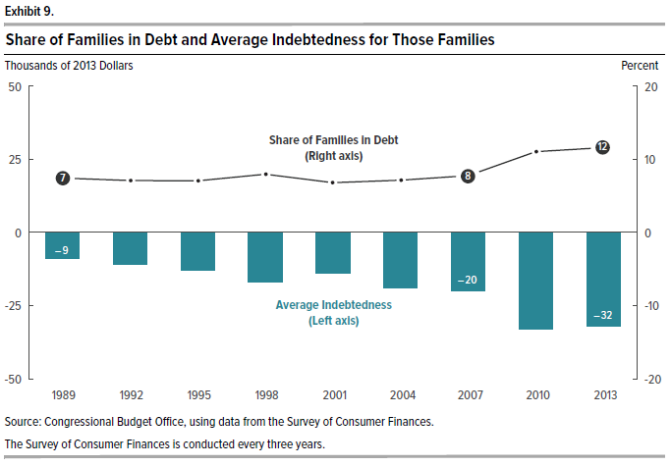
Exhibit 9.
Share of Families in Debt and Average Indebtedness for Those Families

 | Average Indebtedness (Thousands of 2013 Dollars) | Share of Families in Debt (Percent)
1989 | -9 | 7
1992 | -11 | 7
1995 | -13 | 7
1998 | -17 | 8
2001 | -14 | 7
2004 | -19 | 7
2007 | -20 | 8
2010 | -33 | 11
2013 | -32 | 12

Source: Congressional Budget Office, using data from the Survey of Consumer Finances.

The Survey of Consumer Finances is conducted every three years.

Exhibit 10
This file presents data that supplement CBO's August 2016 report Trends in Family Wealth, 1989 to 2013.
www.cbo.gov/publication/51846

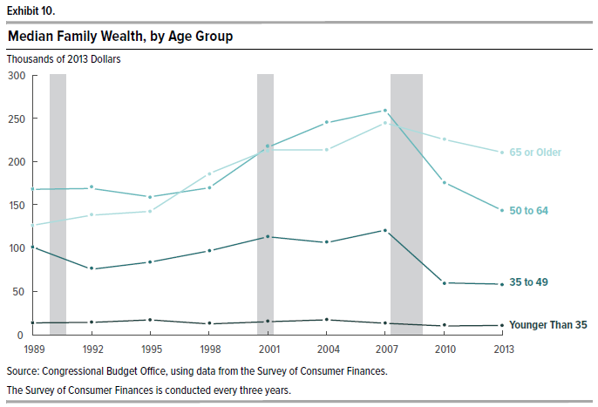
Exhibit 10.
Median Family Wealth, by Age Group
Thousands of 2013 Dollars

 | Younger Than 35 | 35 to 49 | 50 to 64 | 65 or Older
1989 | 13 | 101 | 168 | 126
1992 | 14 | 75 | 169 | 138
1995 | 17 | 84 | 159 | 142
1998 | 12 | 97 | 170 | 186
2001 | 15 | 113 | 216 | 213
2004 | 17 | 106 | 245 | 213
2007 | 13 | 121 | 259 | 244
2010 | 10 | 60 | 176 | 225
2013 | 10 | 58 | 143 | 211

Source: Congressional Budget Office, using data from the Survey of Consumer Finances.

The Survey of Consumer Finances is conducted every three years.

Exhibit 11
This file presents data that supplement CBO's August 2016 report Trends in Family Wealth, 1989 to 2013.
www.cbo.gov/publication/51846

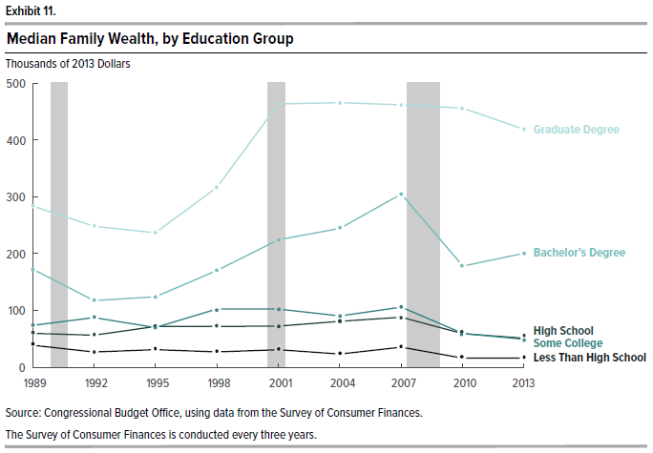
Exhibit 11.
Median Family Wealth, by Education Group
Thousands of 2013 Dollars

 | Less Than High School | High School | Some College | Bachelor's Degree | Graduate Degree
1989 | 40 | 61 | 75 | 174 | 284
1992 | 28 | 58 | 89 | 118 | 249
1995 | 32 | 73 | 71 | 125 | 237
1999 | 28 | 73 | 104 | 171 | 317
2001 | 32 | 73 | 104 | 225 | 463
2004 | 25 | 82 | 91 | 245 | 465
2007 | 37 | 89 | 107 | 305 | 462
2010 | 17 | 60 | 61 | 179 | 456
2013 | 17 | 52 | 50 | 202 | 419

Source: Congressional Budget Office, using data from the Survey of Consumer Finances.

The Survey of Consumer Finances is conducted every three years.

Figure A-1
This file presents data that supplement CBO's August 2016 report Trends in Family Wealth, 1989 to 2013.
www.cbo.gov/publication/51846

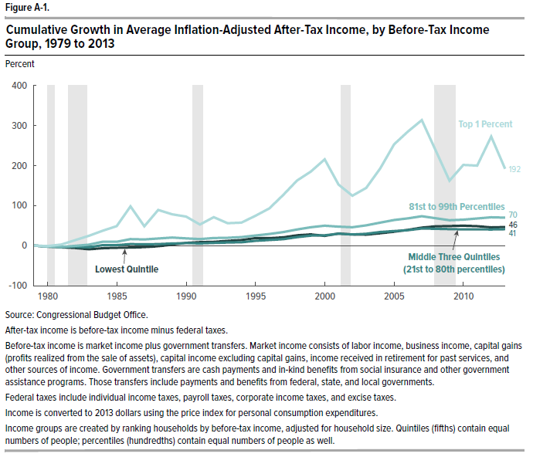
Figure A-1.
Cumulative Growth in Average Inflation-Adjusted After-Tax Income, by Before-Tax Income Group, 1979 to 2013
Percent

 | Lowest Quintile | Middle Three Quintiles (21st to 80th percentiles) | 81st to 99th Percentiles | Top 1 Percent
1979 | 0.0 | 0.0 | 0.0 | 0.0
1980 | -3.0 | -3.1 | -2.4 | -4.4
1981 | -4.4 | -3.0 | -2.8 | -4.6
1982 | -6.1 | -4.3 | -3.0 | 0.5
1983 | -8.5 | -5.9 | -1.0 | 10.2
1984 | -4.9 | -0.2 | 6.3 | 22.0
1985 | -4.3 | -0.2 | 6.3 | 30.3
1986 | -3.3 | 2.5 | 13.1 | 70.3
1987 | -3.5 | 1.3 | 13.7 | 37.9
1988 | -1.3 | 2.5 | 15.9 | 72.6
1989 | 2.5 | 3.9 | 18.1 | 61.0
1990 | 7.4 | 5.0 | 15.9 | 55.5
1991 | 9.1 | 3.6 | 14.4 | 39.6
1992 | 9.8 | 4.2 | 16.9 | 58.3
1993 | 12.0 | 5.4 | 18.0 | 52.0
1994 | 12.7 | 6.1 | 20.3 | 56.5
1995 | 17.4 | 9.8 | 24.8 | 74.8
1996 | 17.0 | 11.6 | 28.7 | 93.1
1997 | 19.4 | 14.0 | 33.7 | 122.8
1998 | 24.2 | 18.4 | 40.0 | 152.8
1999 | 26.6 | 22.3 | 46.4 | 175.3
2000 | 23.1 | 23.0 | 50.3 | 202.8
2001 | 27.2 | 24.2 | 45.7 | 141.3
2002 | 24.5 | 21.7 | 42.8 | 114.2
2003 | 23.9 | 22.2 | 45.3 | 127.6
2004 | 27.1 | 26.6 | 52.3 | 172.0
2005 | 31.4 | 29.2 | 59.2 | 229.4
2006 | 36.4 | 31.3 | 63.6 | 257.2
2007 | 40.8 | 35.2 | 67.9 | 274.7
2008 | 38.8 | 31.2 | 60.7 | 205.3
2009 | 38.4 | 29.3 | 54.7 | 138.9
2010 | 40.0 | 29.5 | 57.4 | 176.7
2011 | 39.6 | 29.0 | 59.0 | 174.3
2012 | 37.1 | 29.2 | 62.9 | 238.7
2013 | 39.4 | 31.9 | 65.4 | 186.8

Source: Congressional Budget Office, The Distribution of Household Income and Taxes, 2013 (June 2016), pp. 22, www.cbo.gov/publication/51361.

After-tax income is before-tax income minus federal taxes.

Before-tax income is market income plus government transfers. Market income consists of labor income, business income, capital gains (profits realized from the sale of assets), capital income excluding capital gains, income received in retirement for past services, and other sources of income. Government transfers are cash payments and in-kind benefits from social insurance and other government assistance programs. Those transfers include payments and benefits from federal, state, and local governments.

Federal taxes include individual income taxes, payroll taxes, corporate income taxes, and excise taxes.

Income is converted to 2013 dollars using the price index for personal consumption expenditures.

Income groups are created by ranking households by before-tax income, adjusted for household size. Quintiles (fifths) contain equal numbers of people; percentiles (hundredths) contain equal numbers of people as well.

