Sheet1
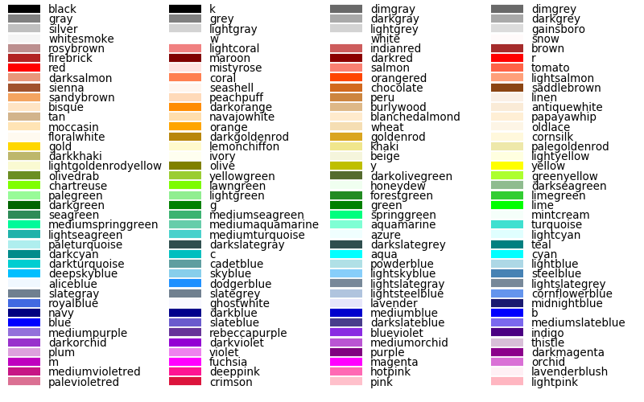
Supported Graphs | Color
Line | Note: Also support HexColor
Bar
Pie
Area
Donut
BarDual
LineDual
Line+Bar

Side By Side Bar

Upcoming
Stack Bar
CrossTab

